performance
1000 x 1127 | 24 bit | jpeg |  |  | cnvW1A1 - Standalone | cnvW1A2 - Standalone | cnvW2A2 - Standalone
file | img/sec | inf time µs | img/sec | inf time µs | Inference took 1579.00 microseconds | Inference took 1625.00 microseconds | Inference took 4864.00 microseconds
Standalone: | Hardware |  | Software |  | Classification rate: 633.31 images per second | Classification rate: 615.38 images per second | Classification rate: 205.59 images per second
cnvW1A1 | 632.91 | 1580 | 2.39 | 417851 | [CLASS] [RANKING] | [CLASS] [RANKING] | [CLASS] [RANKING]
cnvW1A2 | 615.38 | 1625 | 0.38 | 2645137 | Airplane 258 | Airplane 49 | Airplane -26
cnvW2A2 | 205.68 | 4862 | 0.22 | 4571086 | Automobile 417 | Automobile 217 | Automobile 232
 |  |  |  |  | Bird 233 | Bird -65 | Bird -24 |  | Accuracy
 |  |  |  |  | Cat 206 | Cat -61 | Cat -32 | lfcW1A1 | 98%
lfcW1A1 | 118884.86 | 8.41 | 55.92 | 17883.1 | Deer 238 | Deer 5 | Deer -14 | lfcW1A2 | 98.49%
lfcW1A2 | 118887.69 | 8.41 | 7.76 | 128907.7 | Dog 215 | Dog -29 | Dog -9
 |  |  |  |  | Frog 222 | Frog -33 | Frog -43
 |  |  |  |  | Horse 238 | Horse -33 | Horse -25
Reconfigure: |  |  |  |  | Ship 236 | Ship -35 | Ship -13
full bitsream (cnvW1A2) | 615.76 | 1624 | 0.38 | 2647905 | Truck 249 | Truck -41 | Truck -11
cnvW1A1 | 632.81 | 1580 | 2.39 | 417870
cnvW1A2 | 615.24 | 1625 | 0.38 | 2644840 | Inference took 1580.00 microseconds | Inference took 1625.00 microseconds | Inference took 4863.00 microseconds
cnvW2A2 | 205.64 | 4863 | 0.22 | 4572012 | Classification rate: 632.91 images per second | Classification rate: 615.38 images per second | Classification rate: 205.63 images per second
 |  |  |  |  | [CLASS] [RANKING] | [CLASS] [RANKING] | [CLASS] [RANKING]
 |  |  |  |  | Airplane 412 | Airplane 243 | Airplane 229
lfcW1A1 | 118885.11 | 8.41 | 55.8 | 17921.1 | Automobile 237 | Automobile -17 | Automobile 7
lfcW1A2 | 118887.05 | 8.41 | 7.77 | 128700.1 | Bird 233 | Bird -15 | Bird -11
 |  |  |  |  | Cat 214 | Cat -39 | Cat -36
 |  |  |  |  | Deer 248 | Deer -31 | Deer -17
Config Times: | (see jupyter notebook in config_times) |  |  |  | Dog 239 | Dog -17 | Dog -23
full bitsream load time |  |  |  |  | Frog 242 | Frog -13 | Frog -28
0.23940579653 |  |  |  |  | Horse 234 | Horse -27 | Horse -25
partial/full/delta cnvW1A1 |  |  |  |  | Ship 250 | Ship -9 | Ship -7
0.33725983205 |  |  |  |  | Truck 247 | Truck -27 | Truck -18
0.23976935625
-0.097490475804 |  |  |  |  | Inference took 1580.00 microseconds | Inference took 1625.00 microseconds | Inference took 4864.00 microseconds
partial/full/delta cnvW1A2 |  |  |  |  | Classification rate: 632.91 images per second | Classification rate: 615.38 images per second | Classification rate: 205.59 images per second
0.33749884674 |  |  |  |  | [CLASS] [RANKING] | [CLASS] [RANKING] | [CLASS] [RANKING]
0.23996488333 |  |  |  |  | Airplane 268 | Airplane 125 | Airplane 63
-0.097533963415 |  |  |  |  | Automobile 241 | Automobile 39 | Automobile -14
partial/full/delta cnvW2A2 |  |  |  |  | Bird 387 | Bird 61 | Bird 167
0.33786964173 |  |  |  |  | Cat 262 | Cat 51 | Cat -6
0.24014578104 |  |  |  |  | Deer 284 | Deer -63 | Deer -23
-0.097723860692 |  |  |  |  | Dog 289 | Dog -7 | Dog -5
partial/full/delta lfcW1A1 |  |  |  |  | Frog 236 | Frog -27 | Frog -13
0.35142725229 |  |  |  |  | Horse 248 | Horse -1 | Horse -14
0.24016671711 |  |  |  |  | Ship 230 | Ship -15 | Ship 9
-0.11126053519 |  |  |  |  | Truck 227 | Truck -15 | Truck -21
partial/full/delta lfcW1A2
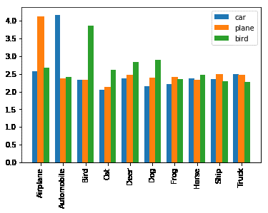
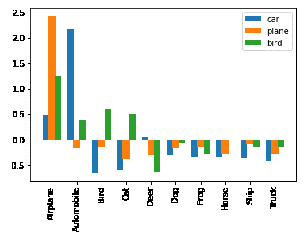
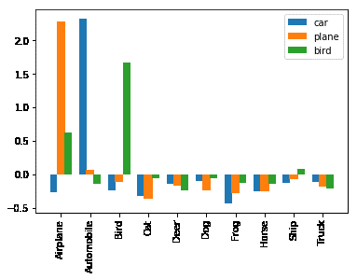
0.33785920536
0.24036838531
-0.097490820049

