Doughnut Info
Category |  | Donut | Image | Price | Cost to make | Pricing Classification | Description
Cake | 1 | Chocolate Iced Traditional Cake |  | $1.89 | $0.26 | Non-Specialty | Traditional cake doughnut topped with chocolate icing
 | 2 | Cinnamon Sugar Traditional Cake |  | $1.89 | $0.25 | Non-Specialty | Traditional cake doughnut rolled in cinnamon and powdered sugar
 | 3 | Glazed Blueberry Cake |  | $1.89 | $0.23 | Non-Specialty | Glazed blueberry old-fashioned cake doughnut
 | 4 | Glazed Sour Cream Cake | 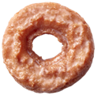 | $1.89 | $0.21 | Non-Specialty | Glazed vanilla old-fashioned cake doughnut
 | 5 | Traditional Cake | 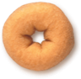 | $1.89 | $0.22 | Non-Specialty | Traditional cake doughnut
 | 6 | Glazed Chocolate Cake | 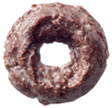 | $1.89 | $0.22 | Non-Specialty | Glazed chocolate old-fashioned cake doughnut
 | 7 | Powdered Traditional Cake | 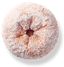 | $1.89 | $0.25 | Non-Specialty | Traditional cake doughnut rolled in powdered sugar
 | 8 | Glazed Cruller | 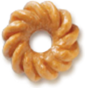 | $1.89 | $0.18 | Non-Specialty | Glazed vanilla cake cruller doughnut
 | 9 | Red Velvet Cake |  | $2.29 | $0.36 | Specialty | Red Velvet cake doughnut topped with cream cheese icing and red velvet cake crumbles
Filled | 10 | Chocolate Iced Kreme Filled |  | $2.09 | $0.39 | Non-Specialty | Filled with Kreme filling and topped with chocolate icing
 | 11 | Chocolate Iced Custard Filled | 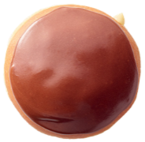 | $2.09 | $0.24 | Non-Specialty | Filled with custard filling and topped with chocolate icing
 | 12 | Glazed Raspberry Filled |  | $2.09 | $0.22 | Non-Specialty | Glazed and filled with raspberry jelly
 | 13 | Glazed Kreme Filled |  | $2.09 | $0.22 | Non-Specialty | Glazed and filled with Kreme
 | 14 | Original Filled Original Kreme | 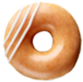 | $2.09 | $0.21 | Non-Specialty | Original Glazed doughnut filled with classic White Kreme and decorated with an icing drizzle
 | 15 | Original Filled Chocolate Kreme | 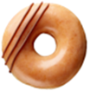 | $2.09 | $0.21 | Non-Specialty | Original Glazed doughnut filled with Chocolate Kreme and decorated with a chocolate icing drizzle
 | 16 | Oreo Cookies & Kreme Filled | 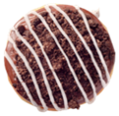 | $2.29 | $0.37 | Specialty | Filled with OREO Cookies and Kreme filling, dipped in dark chocolate icing and topped with OREO cookie pieces
 | 17 | Chocolate Iced Raspberry Filled |  | $2.09 | $0.27 | Non-Specialty | Filled with raspberry jelly and topped with chocolate icing and a red icing swirl
 | 18 | New York Cheesecake Filled | 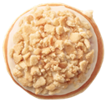 | $2.29 | $0.36 | Specialty | Filled with cheesecake filling and topped with cream cheese icing and graham crumbles
 | 19 | Cake Batter Filled |  | $2.29 | $0.30 | Specialty | Filled with cake batter Kreme, topped with yellow icing and confetti sprinkles
 | 20 | Classic Reese's Filled | 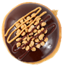 | $2.29 | $0.43 | Specialty | Filled with Reese's Peanut Butter Kreme, topped with Hershey's chocolate icing, mini peanut butter chips and a drizzle of chocolate and Reese's peanut butter sauce
 | 21 | Glazed Lemon Filled |  | $2.09 | $0.25 | Non-Specialty | Glazed and filled with lemon jelly
 | 22 | Brownie Batter Filled |  | $2.29 | $0.36 | Specialty | Filled with brownie batter filling and topped with chocolate icing and mini chocolate chips
 | 23 | Chocolate Kreme Pie | 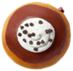 | $2.29 | $0.30 | Specialty | Filled with silky chocolate Kreme, dipped in chocolate icing, topped with a dollop of Kreme and finished with mini-chocolate chips
 | 24 | Cinnamon Apple Filled | 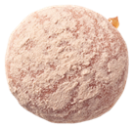 | $2.09 | $0.21 | Non-Specialty | Filled with cinnamon apple filling and rolled in cinnamon and powdered sugar
 | 25 | Double Dark Chocolate Filled |  | $2.29 | $0.29 | Specialty | Filled with chocolate Kreme filling and topped with dark chocolate icing and milk chocolate drizzle
 | 26 | Dulce De Leche Filled |  | $2.29 | $0.25 | Specialty | Filled with dulce de leche filling and rolled in granulated sugar
 | 27 | Biscoff Cookie Butter Kreme Filled |  | $2.29 | $0.33 | Specialty | Filled with Biscoff Cookie Butter Kreme, dipped in Biscoff Cookie Butter icing and topped with a dark chocolate icing swirl and Biscoff Crumble
Light & fluffy | 28 | Original Glazed | 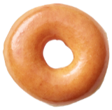 | $1.69 | $0.12 | Non-Specialty | Glazed yeast-raised ring doughnut
 | 29 | Chocolate Iced Glazed | 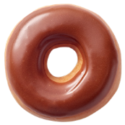 | $1.89 | $0.17 | Non-Specialty | Original Glazed doughnut topped with chocolate icing
 | 30 | Chocolate Iced With Sprinkles |  | $1.89 | $0.26 | Non-Specialty | Original Glazed doughnut topped with chocolate icing and sprinkles
 | 31 | Strawberry Iced With Sprinkles | 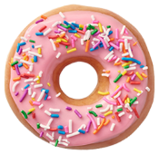 | $1.89 | $0.28 | Non-Specialty | Original Glazed doughnut topped with strawberry icing and sprinkles
 | 32 | Maple Iced Glazed | 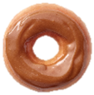 | $1.89 | $0.16 | Non-Specialty | Original Glazed doughnut topped with maple icing
 | 33 | Cinnamon Sugar | 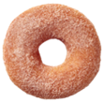 | $1.89 | $0.14 | Non-Specialty | Yeast-raised ring rolled in cinnamon and granulated sugar
 | 34 | Hershey's Cookies and Kreme |  | $2.29 | No cost provided | Specialty | Original Glazed doughnut dipped in white chocolate icing and topped with Hershey's Cookies 'n' Kreme crumbles and a chocolate drizzle
 | 35 | Strawberry Iced Glazed | 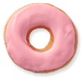 | $1.89 | $0.20 | Non-Specialty | Original Glazed doughnut topped with strawberry icing
Mini | 36 | Mini Original Glazed |  | $2.49 (for 2) | $0.18 (for 1) | Mini | Glazed yeast-raised ring doughnut
 | 37 | Mini Chocolate Iced With Sprinkles |  | $2.49 (for 2) | $0.26 (for 1) | Mini | Original Glazed doughnut topped with chocolate icing and sprinkles
 | 38 | Mini Chocolate Iced Glazed |  | $2.49 (for 2) | $0.32 (for 1) | Mini | Original Glazed doughnut topped with chocolate icing
 | 39 | Mini Strawberry Iced With Sprinkles |  | $2.49 (for 2) | $0.28 (for 1) | Mini | Original Glazed doughnut topped with strawberry icing and sprinkles
 | 40 | Mini Cinnamon Sugar |  | $2.49 (for 2) | $0.24 (for 1) | Mini | Yeast-raised ring rolled in cinnamon and granulated sugar
 | 41 | Mini Cookies n’ Cream |  | $2.49 (for 2) | No cost provided | Mini | Original Glazed doughnut topped with vanilla icing and Oreo cookie crumbles
 | 42 | Mini Smiley |  | $2.49 (for 2) | $0.40 (for 1) | Mini | Original Glazed doughnut topped with yellow icing and a chocolate icing smile
Shaped | 43 | Glazed Cinnamon Roll | 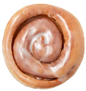 | $2.89 | $0.18 | Specialty+ | Glazed yeast-raised dough rolled with cinnamon
 | 44 | Cinnamon Twist | 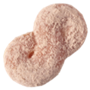 | $1.89 | $0.17 | Non-Specialty | Yeast-raised doughnut twist rolled in cinnamon sugar
 | 45 | Chocolate Iced Bar |  | $2.89 | $0.18 | Specialty+ | Yeast-raised rectangular bar doughnut topped with chocolate icing
 | 46 | Double Chocolate Éclair |  | $2.89 | $0.32 | Specialty+ | Yeast-raised éclair doughnut filled with chocolate Kreme and topped with chocolate icing and a dark chocolate drizzle
 | 47 | Apple Fritter |  | $2.89 | $0.48 | Specialty+ | Glazed fritter with chunks of apple and cinnamon swirls

