Market Sizing & Pricing
Pricing

For European Market |  | 16% | 16% |  |  |  | 30% | 30%
Dev. Language | Costs per developer | $ spent on UTs / dev /p.a. | $ spent on UTs/ 25 dev /p.a. | FTE equivalent on Unit Testing in M | $ saved per dev on UT |  | $ spent on UTs / dev /p.a. | $ spent on UTs/ 25 dev /p.a. | $ saved per dev.
Java | $71,858 | $11,497 | $287,434 | 0.83 | $9,198 |  | 21,558 € | 538,938 € | 17,246 €
C# | $71,858 | $11,497 | $287,434 | 0.73 | $9,198 |  | 21,558 € | 538,938 € | 17,246 €
C++ | $71,858 | $11,497 | $287,434 | 0.69 | $9,198 |  | 21,558 € | 538,938 € | 17,246 €
.NET | $71,858 | $11,497 | $287,434 | - | $9,198 |  | 21,558 € | 538,938 € | 17,246 €
JavaScript | $71,858 | $11,497 | $287,434 | 1.28 | $9,198 |  | 21,558 € | 538,938 € | 17,246 €
PHP | $71,858 | $11,497 | $287,434 | 0.65 | $9,198 |  | 21,558 € | 538,938 € | 17,246 €
Python | $71,858 | $11,497 | $287,434 | 0.90 | $9,198 |  | 21,558 € | 538,938 € | 17,246 €

Developer Population | CAGR: 20% p.a.
 | Active Developers in M | Prof. Developers in M |  | Goal: 80%
Overall | 19 | 13 |  |  | Cost-based pricing take rate --< check!!! | Size: Gobal + All Lang. | 934,159,200,000.00 €
Java | 7.6 | 5.2 | 40.00% | 2088 |  | Market Size Global | 280,247,760,000 €
C# | 6.7 | 4.6 | 35.26% | 334.08 |  | Market Size Javascirpt | 172,460,160,000 €
C++ | 6.3 | 4.3 | 33.16% | 66.816 |  | Market Size Europe | 118,566,360,000 €
.NET |  | 0.0 | 0.00% |  |  | Market Size France | 11,856,636,000 €
JavaScript | 11.7 | 8.0 | 61.58% |  |  | Market Size Germany | 19,401,768,000 €
PHP | 5.9 | 4.0 | 31.05%
Python | 8.2 | 5.6 | 43.16% | Additional Benefit:
 |  |  |  | -increased Code Coverage |  | Global Javascirpt Conservative: | 73,583,001,600.00 €
 |  |  |  |  |  | Europe javascirpt Conservative: | 31,151,751,006.00 €
Sources: |  |  |  |  |  | France | 3,115,175,101.00 €
https://www.daxx.com/de/blog/entwicklungstrends/it-gehaelter-softwareentwickler-trends |  |  |  |  |  | Germany | 5,097,559,256.00 €
Slashdata Report
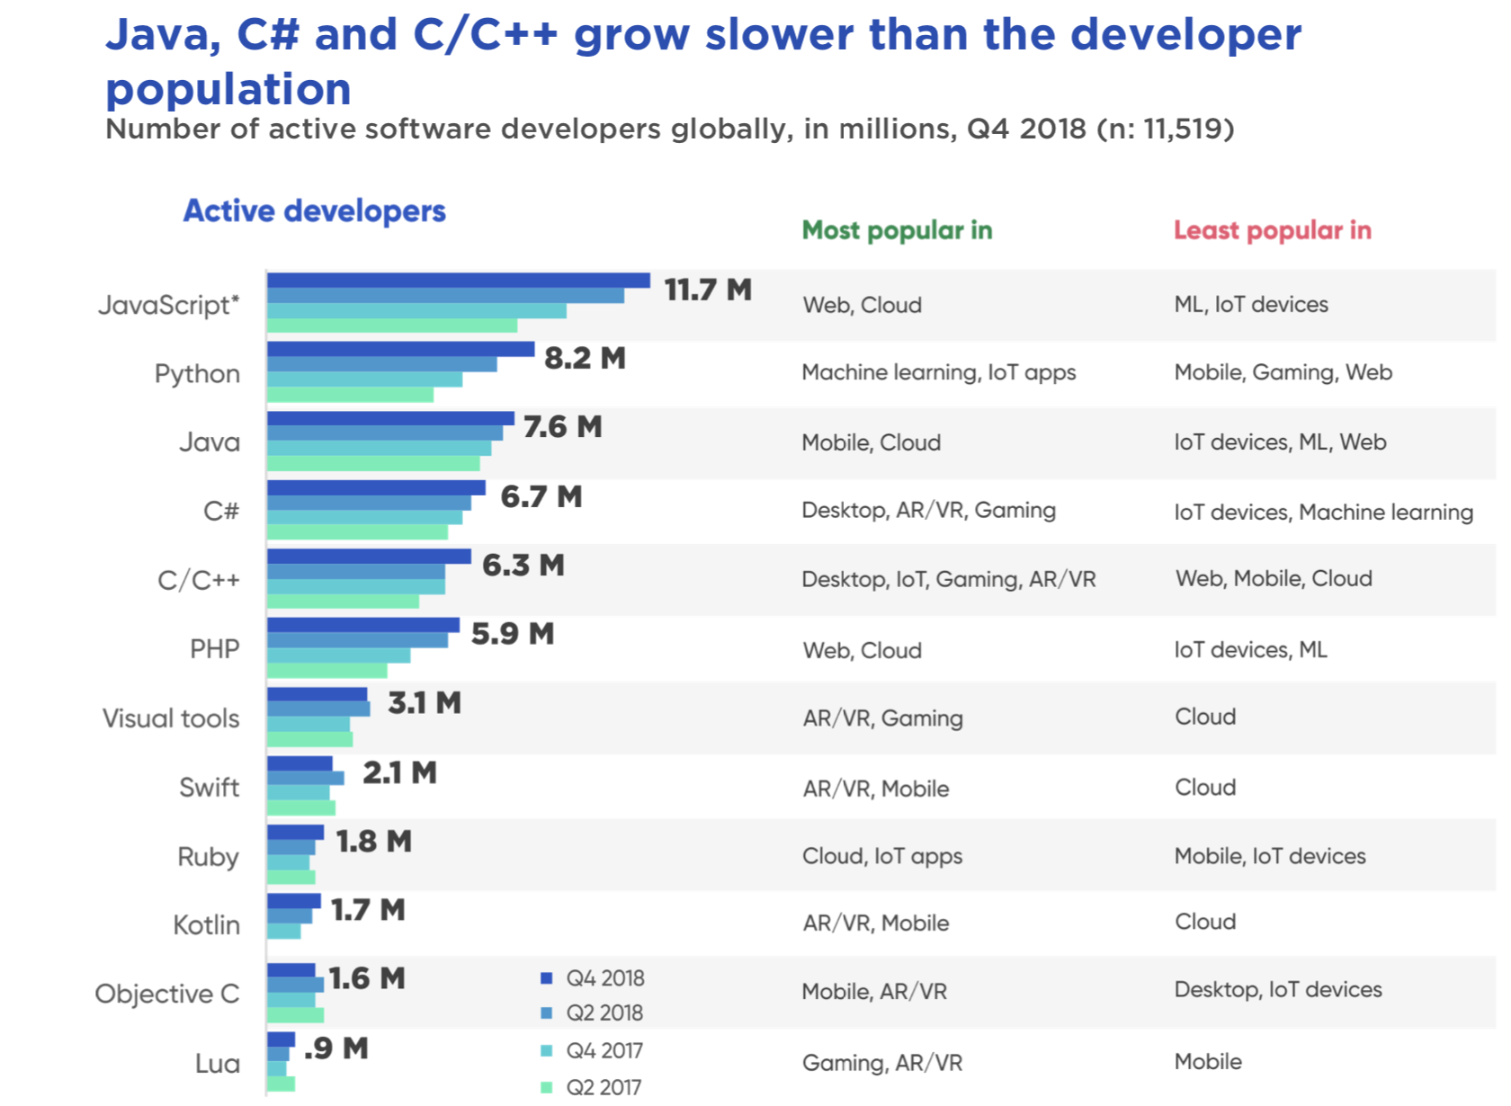

Opinions:

"Typical time budgeted on writing unit tests is about 1 day for every feature that takes 3-4 days of heads down coding"
The driving forces behind unit testing are developers’ conviction, and management requirements.

Links
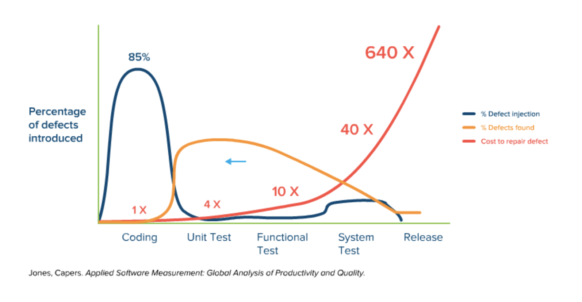
Useful Links to understand number in UT:

Forum
https://softwareengineering.stackexchange.com/questions/99370/how-much-time-do-you-spend-on-unit-testing
https://builtin.com/software-engineering-perspectives/what-is-unit-testing
https://blog.atinternet.com/en/why-invest-in-unit-testing/

Study on UT
https://citeseerx.ist.psu.edu/viewdoc/download?doi=10.1.1.679.3835&rep=rep1&type=pdf

Critic on automated unit testing:

https://dzone.com/articles/code-coverage-and-the-pitfalls-of-automated-unit-t
https://dl.acm.org/doi/10.1145/2699688

