5. Overview
Overview

Profit/Loss

 | PnL |  |  | 2021 | 2022 | 2023 | 2024 | 2025

 | Months |  |  | 12 | 12

 | Revenue (excl. VAT) |  |  | - € | - € | - € | - €
 | Increase in %
 | Costs
 |  | Personnel |  | 400,750 € | 512,968 € | 523,776 € | 548,341 €
 |  | Office, Software, Other |  | 22,800 € | 22,800 €
 |  | Cloud Computing |  | 8,400 € | 8,400 €
 |  | Advertisement |  | - € | - €
 |  | Finance |  | - € | - €
 |  | Depreciation |  | - € | - €
 |  | Cost of Foundation |  | 4,000 € | - €
 |  | Total Costs |  | 435,950 € | 544,168 €

 | EBT |  |  | -435,950 € | -544,168 €
 | Deficit |  |  | - € | -435,950 €

 |  | Ø Tax | 27% | - € | - €

 | Profit after tax |  |  | -435,950€ | -544,168€

Liquidity Plan Graph

 | Accounts receivables per month (Cash) | Accounts payables per month (Costs) | Account Balance
2021-01-01 | - € | - € | 0€
2021-02-01 | - € | 37700 € | -37700€
2021-03-01 | 1060 € | 33700 € | -70340€
2021-04-01 | 260 € | 35100 € | -105180€
2021-05-01 | 260 € | 35100 € | -140020€
2021-06-01 | 260 € | 35100 € | -174860€
2021-07-01 | 260 € | 35100 € | -209700€
2021-08-01 | 260 € | 35100 € | -244540€
2021-09-01 | 260 € | 35100 € | -279380€
2021-10-01 | 260 € | 39388 € | -318508€
2021-11-01 | 260 € | 39388 € | -357635€
2021-12-01 | 260 € | 39388 € | -396763€
2022-01-01 | 260 € | 39388 € | -435890€
2022-02-01 | 260 € | 45594 € | -481224€
2022-03-01 | 2000260 € | 45594 € | 1473443€
2022-04-01 | 260 € | 45594 € | 1428109€
2022-05-01 | 260 € | 45594 € | 1382775€
2022-06-01 | 260 € | 45594 € | 1337442€
2022-07-01 | 260 € | 45594 € | 1292108€
2022-08-01 | 260 € | 45594 € | 1246774€
2022-09-01 | 260 € | 45594 € | 1201440€
2022-10-01 | 260 € | 45594 € | 1156107€
2022-11-01 | 260 € | 45808 € | 1110559€
2022-12-01 | 260 € | 45808 € | 1065011€
2023-01-01 | 260 € | 45808 € | 1019462€
2023-02-01 | 260 € | 49623 € | 970099€
2023-03-01 | 260 € | 49623 € | 920736€
2023-04-01 | 260 € | 48223 € | 872772€
2023-05-01 | 260 € | 48223 € | 824809€
2023-06-01 | 260 € | 48223 € | 776846€
2023-07-01 | 260 € | 48223 € | 728882€
2023-08-01 | 260 € | 48223 € | 680919€
2023-09-01 | 260 € | 48223 € | 632955€
2023-10-01 | 260 € | 48223 € | 584992€
2023-11-01 | 260 € | 48448 € | 536804€
2023-12-01 | 260 € | 48448 € | 488615€
2024-01-01 | 260 € | 48448 € | 440427€
2024-02-01 | 260 € | 50391 € | 390295€
2024-03-01 | 260 € | 50391 € | 340164€
2024-04-01 | 260 € | 50391 € | 290033€
2024-05-01 | 260 € | 50391 € | 239901€
2024-06-01 | 260 € | 50391 € | 189770€
2024-07-01 | 260 € | 50391 € | 139639€
2024-08-01 | 260 € | 50391 € | 89507€
2024-09-01 | 260 € | 50391 € | 39376€
2024-10-01 | 260 € | 50391 € | -10755€
2024-11-01 | 260 € | 51067 € | -61562€
2024-12-01 | 260 € | 51067 € | -112368€

Market Sizing & Pricing
Pricing

For European Market |  | 16% | 16% |  |  |  | 30% | 30%
Dev. Language | Costs per developer | $ spent on UTs / dev /p.a. | $ spent on UTs/ 25 dev /p.a. | FTE equivalent on Unit Testing in M | $ saved per dev on UT |  | $ spent on UTs / dev /p.a. | $ spent on UTs/ 25 dev /p.a. | $ saved per dev.
Java | $71,858 | $11,497 | $287,434 | 0.83 | $9,198 |  | 21,558 € | 538,938 € | 17,246 €
C# | $71,858 | $11,497 | $287,434 | 0.73 | $9,198 |  | 21,558 € | 538,938 € | 17,246 €
C++ | $71,858 | $11,497 | $287,434 | 0.69 | $9,198 |  | 21,558 € | 538,938 € | 17,246 €
.NET | $71,858 | $11,497 | $287,434 | - | $9,198 |  | 21,558 € | 538,938 € | 17,246 €
JavaScript | $71,858 | $11,497 | $287,434 | 1.28 | $9,198 |  | 21,558 € | 538,938 € | 17,246 €
PHP | $71,858 | $11,497 | $287,434 | 0.65 | $9,198 |  | 21,558 € | 538,938 € | 17,246 €
Python | $71,858 | $11,497 | $287,434 | 0.90 | $9,198 |  | 21,558 € | 538,938 € | 17,246 €

Developer Population | CAGR: 20% p.a.
 | Active Developers in M | Prof. Developers in M |  | Goal: 80%
Overall | 19 | 13 |  |  | Cost-based pricing take rate --< check!!! | Size: Gobal + All Lang. | 934,159,200,000.00 €
Java | 7.6 | 5.2 | 40.00% | 2088 |  | Market Size Global | 280,247,760,000 €
C# | 6.7 | 4.6 | 35.26% | 334.08 |  | Market Size Javascirpt | 172,460,160,000 €
C++ | 6.3 | 4.3 | 33.16% | 66.816 |  | Market Size Europe | 118,566,360,000 €
.NET |  | 0.0 | 0.00% |  |  | Market Size France | 11,856,636,000 €
JavaScript | 11.7 | 8.0 | 61.58% |  |  | Market Size Germany | 19,401,768,000 €
PHP | 5.9 | 4.0 | 31.05%
Python | 8.2 | 5.6 | 43.16% | Additional Benefit:
 |  |  |  | -increased Code Coverage |  | Global Javascirpt Conservative: | 73,583,001,600.00 €
 |  |  |  |  |  | Europe javascirpt Conservative: | 31,151,751,006.32 €
Sources: |  |  |  |  |  | France | 3,115,175,100.63 €
https://www.daxx.com/de/blog/entwicklungstrends/it-gehaelter-softwareentwickler-trends |  |  |  |  |  | Germany | 5,097,559,255.58 €
Slashdata Report
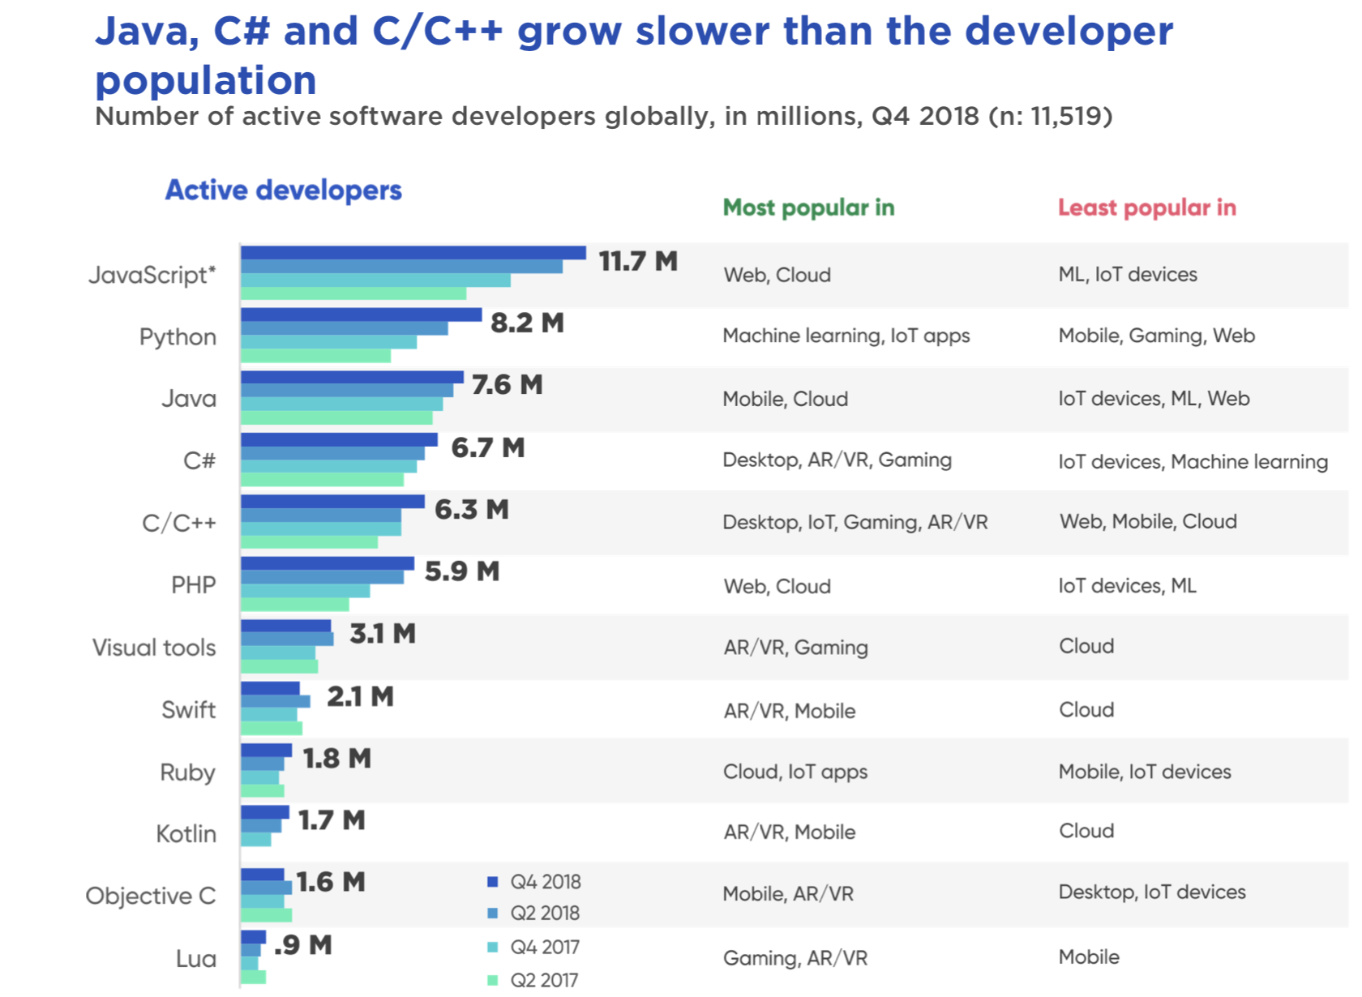

Opinions:

"Typical time budgeted on writing unit tests is about 1 day for every feature that takes 3-4 days of heads down coding"
The driving forces behind unit testing are developers’ conviction, and management requirements.

Links
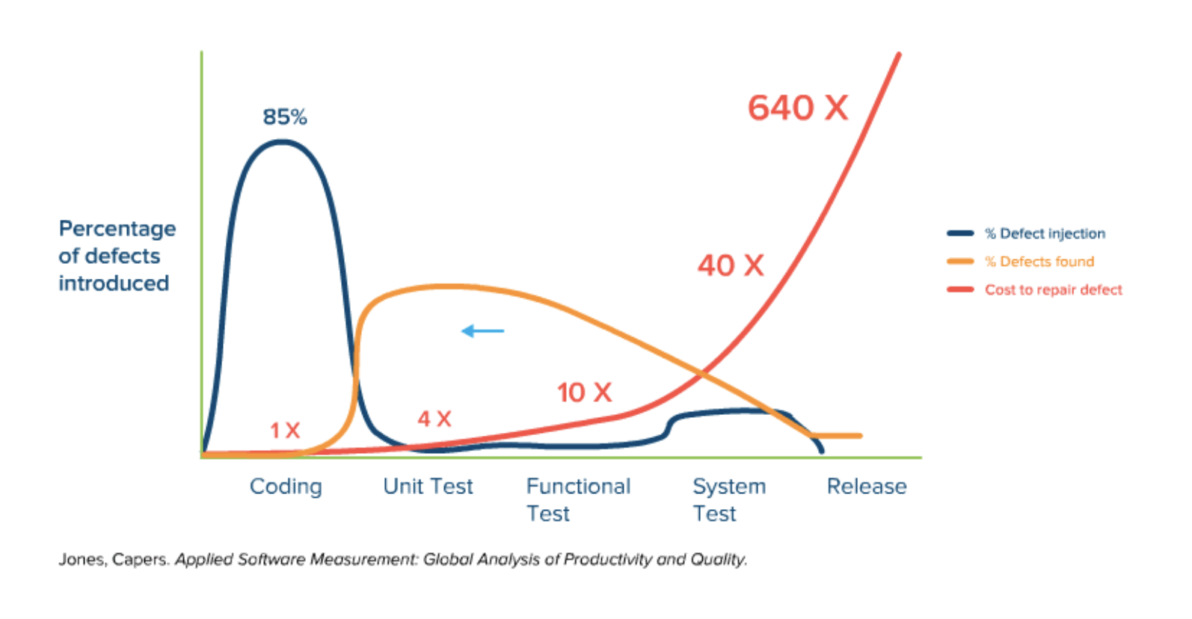
Useful Links to understand number in UT:

Forum
https://softwareengineering.stackexchange.com/questions/99370/how-much-time-do-you-spend-on-unit-testing
https://builtin.com/software-engineering-perspectives/what-is-unit-testing
https://blog.atinternet.com/en/why-invest-in-unit-testing/

Study on UT
https://citeseerx.ist.psu.edu/viewdoc/download?doi=10.1.1.679.3835&rep=rep1&type=pdf

Critic on automated unit testing:

https://dzone.com/articles/code-coverage-and-the-pitfalls-of-automated-unit-t
https://dl.acm.org/doi/10.1145/2699688

