Home
 | Benefit-Cost Calculator v6.0.0

Welcome

Benefit-Cost Analysis (BCA) is the method by which the future benefits of a hazard mitigation project are determined and compared to its costs. The end result is a Benefit-Cost Ratio (BCR), which is calculated by a project's total benefits divided by its total costs. FEMA requires a BCA to validate cost effectiveness of proposed hazard mitigation projects prior to funding. For a community and/or property, this tool will assist with: • Estimating Annual Hazard Risks • Evaluating Mitigation Cost Effectiveness • Developing Aggregate Benefit-Cost Models For more information, including methodologies of the calculation models used in this tool, visit FEMA BCA Website.

Getting Started

Click on the "BCA Calculator" button on the ribbon bar.
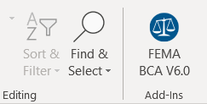

Template Last Updated: July 17, 2019

