Sheet1
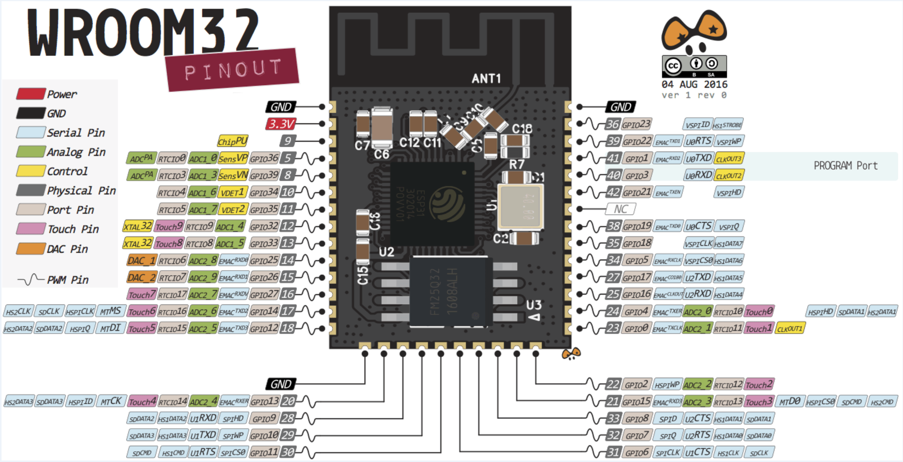
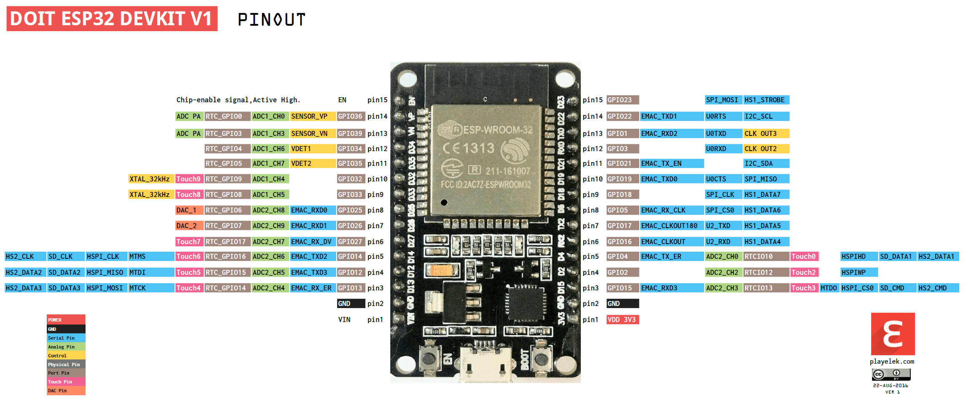
 |  |  |  | GPIO | Input | Output | Notes
 |  |  |  | 0 | pulled up | OK | outputs PWM signal at boot, Boot strap
 |  |  |  | 1 | TX pin | OK | debug output at boot
 |  |  |  | 2 | OK | OK | connected to on-board LED, Boot strap
Pin Number |  | Pin Number | Function | 3 | OK | RX pin | HIGH at boot
GPI36 | I/O Exp. Int | GPIO23 | VSPI MOSI - LCD | 4 | OK | OK | Boot strap
GPI39 |  | GPIO22 | I2C-SCL | 5 | OK | OK | outputs PWM signal at boot, Boot strap
GPI34 | Touch P - Int | GPIO01 | UART0 | 6 | x | x | connected to the integrated SPI flash
GPI35 |  | GPIO03 | UART0 | 7 | x | x | connected to the integrated SPI flash
GPIO32 | LCD_D_C | GPIO21 | I2C-SDA | 8 | x | x | connected to the integrated SPI flash
GPIO33 | I/O Terminal | GPIO19 | I/O Terminal | 9 | x | x | connected to the integrated SPI flash
GPIO25 | DAC1-Speaker | GPIO18 | VSPI CLK - LCD | 10 | x | x | connected to the integrated SPI flash
GPIO26 | DAC2 - IO_Ter | GPIO05 | I/O Terminal | 11 | x | x | connected to the integrated SPI flash
GPIO27 | I/O Terminal | GPIO17 | UART2-TX (SMS) | 12 | OK | OK | boot fail if pulled high, Boot strap
GPIO14 | HSPI CLK | GPIO16 | UART2-RX (SMS) | 13 | OK | OK
GPIO12 | HSPI MISO | GPIO04 | UART1-RX | 14 | OK | OK | outputs PWM signal at boot
GPIO13 | HSPI MOSI | GPIO00 |  | 15 | OK | OK | outputs PWM signal at boot, Boot strap
GPIO09 |  | GPIO02 | UART1-TX | 16 | OK | OK
GPIO10 |  | GPIO15 | I/O Terminal | 17 | OK | OK
GPIO11 |  | GPIO08 |  | 18 | OK | OK
 |  | GPIO07 |  | 19 | OK | OK
 |  | GPIO06 |  | 21 | OK | OK
 |  |  |  | 22 | OK | OK
 |  |  |  | 23 | OK | OK
 |  |  |  | 25 | OK | OK
 |  |  |  | 26 | OK | OK
 |  |  |  | 27 | OK | OK
 |  |  |  | 32 | OK | OK
 |  |  |  | 33 | OK | OK
 |  |  |  | 34 | OK |  | input only
 |  |  |  | 35 | OK |  | input only
 |  |  |  | 36 | OK |  | input only
 |  |  |  | 39 | OK |  | input only

