Sheet1
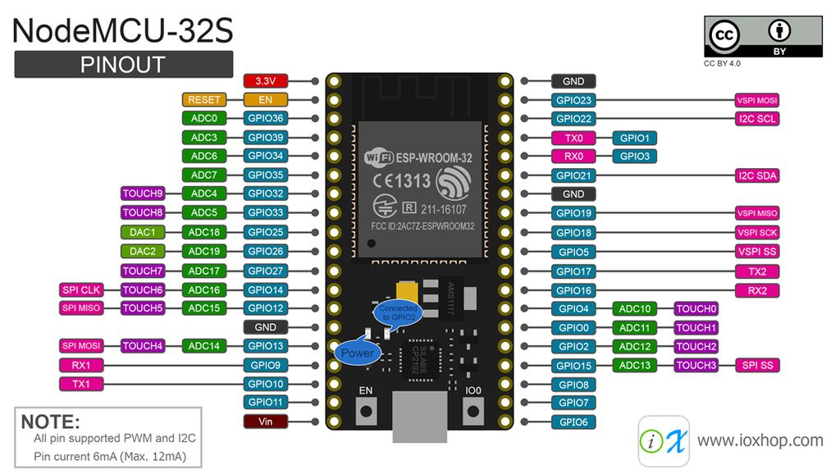
 |  |  |  |  |  |  |  |  |  |  |  |  |  |  |  |  | GPIO | Input | Output | Notes
 |  |  |  |  |  |  |  |  |  |  |  |  |  |  |  |  | 0 | pulled up | OK | outputs PWM signal at boot, Boot strap
 |  |  |  |  |  |  |  |  |  |  |  |  |  |  |  |  | 1 | TX pin | OK | debug output at boot
 |  |  |  |  |  |  |  |  |  |  |  |  |  |  |  |  | 2 | OK | OK | connected to on-board LED, Boot strap
Pin Number | Function | Function | Function |  |  |  |  |  |  |  |  |  | Pin Number | Function | Function | Function | 3 | OK | RX pin | HIGH at boot
GPI36 | Joy-X | GPI | ADC |  |  |  |  |  |  |  |  |  | GPIO23 | VSPI MOSI - LCD | GPIO |  | 4 | OK | OK | Boot strap
GPI39 | Joy-Y | GPI | ADC |  |  |  |  |  |  |  |  |  | GPIO22 | I2C-SCL |  |  | 5 | OK | OK | outputs PWM signal at boot, Boot strap
GPI34 | Touch P - Int |  |  |  |  |  |  |  |  |  |  |  | GPIO01 | UART0 |  |  | 6 | x | x | connected to the integrated SPI flash
GPI35 | I/O Exp. Int | ADC |  |  |  |  |  |  |  |  |  |  | GPIO03 | UART0 |  |  | 7 | x | x | connected to the integrated SPI flash
GPIO32 | Touch 2 | GPIO | ADC |  |  |  |  |  |  |  |  |  | GPIO21 | I2C-SDA |  |  | 8 | x | x | connected to the integrated SPI flash
GPIO33 | Button 1 | GPIO | ADC |  |  |  |  |  |  |  |  |  | GPIO19 | VSPI MISO | GPIO |  | 9 | x | x | connected to the integrated SPI flash
GPIO25 | DAC1 | GPIO | ADC |  |  |  |  |  |  |  |  |  | GPIO18 | VSPI CLK - LCD | GPIO |  | 10 | x | x | connected to the integrated SPI flash
GPIO26 | DAC2 | GPIO | ADC |  |  |  |  |  |  |  |  |  | GPIO05 | GPIO - Speaker | VSPI CS |  | 11 | x | x | connected to the integrated SPI flash
GPIO27 | Button 2 | GPIO | ADC |  |  |  |  |  |  |  |  |  | GPIO17 | UART2-TX | GPIO |  | 12 | OK | OK | boot fail if pulled high, Boot strap
GPIO14 | HSPI CLK |  |  |  |  |  |  |  |  |  |  |  | GPIO16 | UART2-RX | GPIO |  | 13 | OK | OK
GPIO12 | HSPI MISO | GPIO | ADC |  |  |  |  |  |  |  |  |  | GPIO04 | UART1-RX | GPIO |  | 14 | OK | OK | outputs PWM signal at boot
GPIO13 | HSPI MOSI |  |  |  |  |  |  |  |  |  |  |  | GPIO00 | LCD D\C |  |  | 15 | OK | OK | outputs PWM signal at boot, Boot strap
GPIO09 |  |  |  |  |  |  |  |  |  |  |  |  | GPIO02 | UART1-TX | GPIO |  | 16 | OK | OK
GPIO10 |  |  |  |  |  |  |  |  |  |  |  |  | GPIO15 | Touch 1 | GPIO | HSPI SS | 17 | OK | OK
GPIO11 |  |  |  |  |  |  |  |  |  |  |  |  | GPIO08 |  |  |  | 18 | OK | OK
 |  |  |  |  |  |  |  |  |  |  |  |  | GPIO07 |  |  |  | 19 | OK | OK
 |  |  |  |  |  |  |  |  |  |  |  |  | GPIO06 |  |  |  | 21 | OK | OK
 |  |  |  |  |  |  |  |  |  |  |  |  |  |  |  |  | 22 | OK | OK
 |  |  |  |  |  |  |  |  |  |  |  |  |  |  |  |  | 23 | OK | OK
 |  |  |  |  |  |  |  |  |  |  |  |  |  |  |  |  | 25 | OK | OK
 |  |  |  |  |  |  |  |  |  |  |  |  |  |  |  |  | 26 | OK | OK
 |  |  |  |  |  |  |  |  |  |  |  |  |  |  |  |  | 27 | OK | OK
 |  |  |  |  |  |  |  |  |  |  |  |  |  |  |  |  | 32 | OK | OK
 |  |  |  |  |  |  |  |  |  |  |  |  |  |  |  |  | 33 | OK | OK
 |  |  |  |  |  |  |  |  |  |  |  |  |  |  |  |  | 34 | OK |  | input only
 |  |  |  |  | 15 | 16 | 17 | 18 |  |  |  |  |  |  |  |  | 35 | OK |  | input only
 |  |  |  | Expansion porch 1 |  |  |  |  |  |  | I/O expander (5V tolerant) |  |  |  |  |  | 36 | OK |  | input only
 |  |  |  |  | 5V | GND | GND | 3.3V |  |  | 0 | LCD CS |  |  |  |  | 39 | OK |  | input only
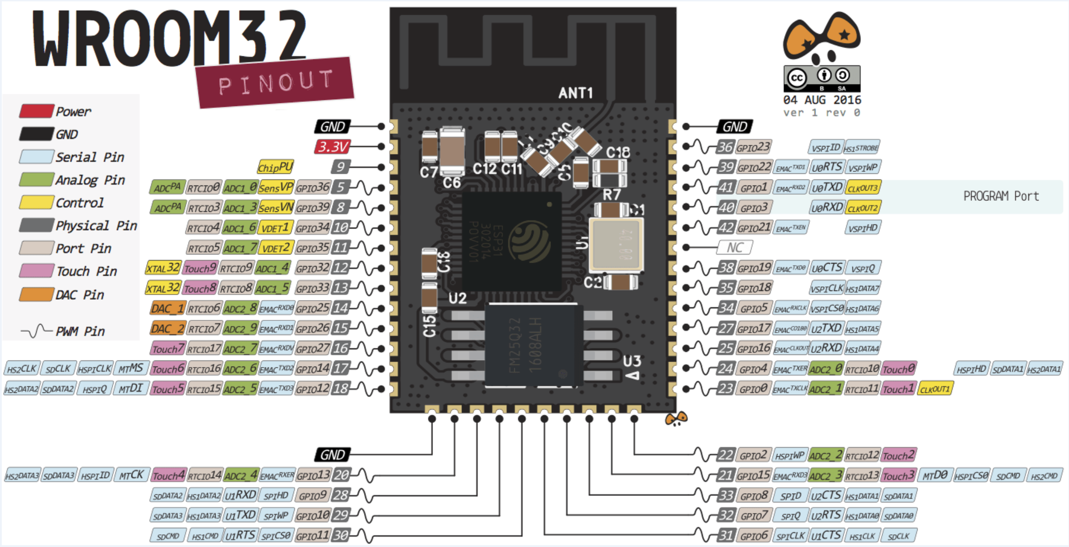
 |  |  | 1 | GND |  |  |  |  | GPI36 | 8 | 1 | LCD Reset
 |  |  | 2 | HSPI CLK (IO14) |  |  |  |  | GPI39 | 9 | 2 | I/O exp. 2
 |  |  | 3 | HSPI MISO (IO12) |  |  |  |  | I/O exp. 2 | 10 | 3 | I/O exp. 3
 |  |  | 4 | HSPI MOSI (IO13) |  |  |  |  | DAC1 (IO25) | 11 | 4 | I/O exp. 4
 |  |  | 5 | HSPI SS (IO15) - T1 |  |  |  |  | DAC2 (IO26) | 12 | 5 | I/O exp. 5
 |  |  | 6 | UART2-TX (IO17) |  |  |  |  | I/O exp. 3 | 13 | 6 | I/O exp. 6
 |  |  | 7 | UART2-RX (IO16) |  |  |  |  | I/O exp. 4 | 14 | 7 | I/O exp. 7

 |  |  |  | Expansion porch 2
 |  |  | 1 | GND |  |  |  |  | Empty | 8
 |  |  | 2 | GPIO32 - T2 |  |  |  |  | I/O exp. 6 | 9
 |  |  | 3 | GPIO33 - B1 |  |  |  |  | I2C - SCL | 10
 |  |  | 4 | UART1-RX (IO4) |  |  |  |  | I2C - SDA | 11
 |  |  | 5 | UART1-TX (IO2) |  |  |  |  | GPIO27 - B2 | 12
 |  |  | 6 | I/O exp. 5 |  |  |  |  | I/O exp. 7 | 13
 |  |  | 7 | GPIO19 |  |  |  |  | GPIO05 | 14
 |  |  |  |  | 5V | GND | GND | 3.3V
 |  |  |  |  | 15 | 16 | 17 | 18

