Notes
2021-01-25 | Web of Science used to collect literature
 | separate search strings put into one mega search string: (coalescent and fst) OR (coalescent* and SNP and diverg*) OR (coalescent and microsat* and diverg*) OR (coalescent and genome and diverg*)
 | search was refined to article or early access n=601
 | put into endnote and get pdfs. This is also put in google drive Willoughby Lab > coal vs fst
 | "savedrecs" tab is the RAW data exported from Web of Science
 | "data" tab is the data collected that will be analyzed
 | "trash" is the data that do not fit into these analyses
 | "savedrecsEDIT" tab contains the raw from Web of Science with only values that may be applicable
 | "data" tab is sorted by author last name, columns not applicable are deleted
 | added tabs I think might be necessary
2021-01-26 | started skimming lit. Started at #1, searching for Fst values and similarities among studies
 | those not applicable moved to "trash" tab with reasoning
2021-01-27 | continued as above
2021-01-29 | continued as above
 | What to do if Fst values are from mtDNA?
 | What to do if Fst values are for each locus?
 | How to classify separate populations, species from the same study? (one has 28 pops)
 | Should multiple measurments be averaged or treated as separate?
 | variables commonly seen | (pi) nucleotide diversity | theta (watterson's theta) | Tajima's D | Fu and Li's F (Fu's D)
2021-02-01 | continued as above
 | added vertebrate column
 | starting now, I will separate out vertebrates via the title, without first screening for Fst. That will decrease the data needed for class and will then go back after. Therefore, I have created a vertebrate column and will only use those for the meta-analysis class data
2021-02-02 | continuing yesterday, I classified lit by title into vertebrate or non-vert species, with some unknown. Vertebrates and unknown will be moved to the "Verts" tab and data will now be added n=500
 | In Verts tab, I copied the Data tab, and will now sort alphabetically by the vertebrate column. Those with a "N" for no will be removed from this tab. Unknowns will be kept until classified as vert or not. Note, not all of these articles have been filtered for Fst n=330 (92 unknown, 238 Verts)
 | Verts tab is re-sorted into alphabetical by title/by N number
2021-02-03 | realizing that 330 papers is still going to be a lot, I have made a mammal column. The mammals and unknowns will be moved to the mammal tab and that will be the focus from now on n=168 (109 unknown, 59 mammals)
2021-02-05 | I am going through the Mammal tab to add data. If data cannot be used, it is moved to Trash tab (like before) and all rows with that paper in Mammal, Verts, and Data tabs are all deleted.
 | if the lit doesn’t work now but might later, it will be moved to the "come back to" tab
2021-02-08 | continued as above
2021-02-09 | continued as above
2021-02-11 | continued as above
2021-02-15 | continued as above
2021-02-16 | continued as above
2021-02-17 | continued as above
 | I have added a Dryad column. This will be used so that we can calculate the Fst or coalescent values using data that has been published with the paper. If this is the case, the paper is moved to the "come back to" tab
2021-02-18 | continued as above
2021-02-19 | continued as above
2021-02-22 | continued as above
2021-02-23 | continued as above
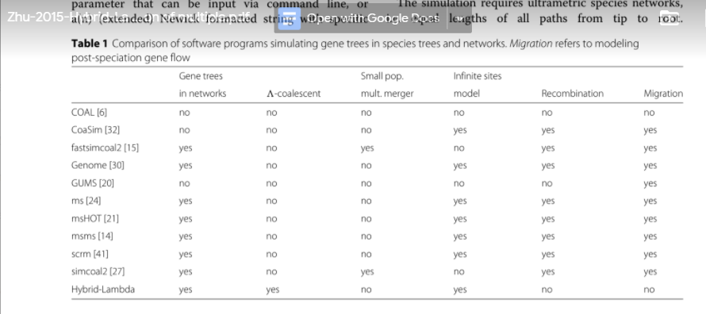
 | talked with Janna, make sure the pair-wise comparisons are listed. Heterozygosity values for both pops should be on same row

