Runs
batch job | script | doing what | output location | notes
1047070 | 02_nfcore_methylseq.sh | seeing what works? |  | looks like I already ran this, so I have this and a copy (this run was in bismark_TEST, but doensnt really give any output)
1047223 | grab_sample_names.sh | seeing if the vcfs here are from wgs or wgbs | /scratch/glamka/ms_kratroh_02_nfcore_methylseq/bismark/filtered_vcf | theyre from wgs; note need to give the .vcf file in the sbatch command
1047236 | 02_nfcore_methylseq.sh | attempting to get second half working | /scratch/glamka/ms_kratroh_02_nfcore_methylseq/bismark_TEST | I think some errors are cuz I had commented out some of avrils code rather than removing. Try again
1047238 | 02_nfcore_methylseq.sh | seeing if same errors as above | /scratch/glamka/ms_kratroh_02_nfcore_methylseq/bismark_TEST | many errors on input values fixed when removed the commented portions
1047240 | 02_nfcore_methylseq.sh | fixing the reference error | /scratch/glamka/ms_kratroh_02_nfcore_methylseq/bismark_TEST
1047242 | 02_nfcore_methylseq.sh | removed the genbank section | /scratch/glamka/ms_kratroh_02_nfcore_methylseq/bismark_TEST | need to move the samples names elsewhere or better direct location
1047243 | 02_nfcore_methylseq.sh | redirected the samples.csv | /scratch/glamka/ms_kratroh_02_nfcore_methylseq/bismark_TEST | WORKS!!! (kinda-- need to find where to put the raw seqs) -- problem is that the sample names sheet is missing a column. Rework this csv by hand so that R1 and R2 are with the same sample.
1047249 | 02_nfcore_methylseq.sh | use the "by hand" sample sheet | /scratch/glamka/ms_kratroh_02_nfcore_methylseq/bismark_TEST
1047251 | 02_nfcore_methylseq.sh | reran with paths for seqs 1-2 changed to see if it works | /scratch/glamka/ms_kratroh_02_nfcore_methylseq/bismark_TEST | still having a problem with the sample sheet. Look into this more later. Consider moving the sequences to the same directory? Or follow the suggestions on the nextflow website!!
1047950 | 02_nfcore_methylseq.sh |  | /scratch/glamka/ms_kratroh_02_nfcore_methylseq/bismark_TEST
bash 02… | 02_nfcore_methylseq.sh | running to see if works in the non-test locations and files (moved the files that will be needed to the ~/kratepi/ folder |  | failed - realized that the aligner wasn’t set, so the output never aligned the sequences
bash 02… | 02_nfcore_methylseq.sh | reran to see if works! | /scratch/glamka/ms_kratepi_02_nfcore_methylseq/bismark | since -bg is turned on, can probably turn off -resume
1053462 | 02_nfcore_methylseq.sh | rerun on another partition cuz janna is using jrw and the jobs have been pending for days | /scratch/glamka/ms_kratepi_02_nfcore_methylseq_rerun/bismark | error with chmod that has been fixed; now put in multiple nodes that can be used so doesn’t sit pending for too long
1053658 | 02_nfcore_methylseq.sh |  | /scratch/glamka/ms_kratepi_02_nfcore_methylseq_rerun/bismark | error since the directories were already created above. Rerun after deleting directories
1053815 | 02_nfcore_methylseq.sh |  | /scratch/glamka/ms_kratepi_02_nfcore_methylseq_rerun/bismark | consider uncommenting out the manual fix in avrils script and then reruning for the alignment step
1056149 | 02_nfcore_methylseq.sh | added the manual fix and resumed the run | /scratch/glamka/ms_kratepi_02_nfcore_methylseq_rerun/bismark | reference had to be .fa.gz (make sure this actually works in nextflow tho)
1056153 | 02_nfcore_methylseq.sh | still trying to get aligner to work | /scratch/glamka/ms_kratepi_02_nfcore_methylseq_rerun/bismark
1084539 | 02_nfcore_methylseq.sh | still trying to get aligner to work, copied the ref.fa not ref.fa.gz to hopefully help | /scratch/glamka/ms_kratepi_02_nfcore_methylseq/bismark | canceled and added the cd function to move to correct directory after copying
1084553 | 02_nfcore_methylseq.sh |  | /scratch/glamka/ms_kratepi_02_nfcore_methylseq/bismark
1085992 | 02_nfcore_methylseq.sh | copied the .fa in the ref_fasta folder in scratch | /scratch/glamka/ms_kratepi_02_nfcore_methylseq/bismark | gabe added mamaba in the config gfile
1088160 | 02_nfcore_methylseq.sh |  | /scratch/glamka/ms_kratepi_02_nfcore_methylseq/bismark | worked!
1137332 | 03_snp_calling.sh | bam > vcf | /scratch/glamka/ms_kratepi_03_snp_calling | wrong directory, gatk listed incorrectly
1137340 | 03_snp_calling.sh | bam > vcf | /scratch/glamka/ms_kratepi_03_snp_calling | directory issue again
1137344 | 03_snp_calling.sh | bam > vcf | /scratch/glamka/ms_kratepi_03_snp_calling | A USER ERROR has occurred: Fasta index file file:///scratch/glamka/ms_kratepi_02_nfcore_methylseq/bismark/ref_fasta/dspec_genbank_assem.fa.gz.fai for reference file:///scratch/glamka/ms_kratepi_02_nfcore_methylseq/bismark/ref_fasta/dspec_genbank_assem.fa.gz does not exist. Please see http://gatkforums.broadinstitute.org/discussion/1601/how-can-i-prepare-a-fasta-file-to-use-as-reference for help creating it.
1148446 | 03_snp_calling.sh | create fasta dictionary then bam > vcf | /scratch/glamka/ms_kratepi_03_snp_calling | needs index file; correctly made dictionary, chmod 700 it to access. Located in /scratch/glamka/ms_kratepi_02_nfcore_methylseq/bismark/ref_fasta
1148450 | 03_snp_calling.sh | create fasta index file then bam > vcf | /scratch/glamka/ms_kratepi_03_snp_calling | fasta couldn’t be gzipped for fasta index creation
1148451 | 03_snp_calling.sh | create fasta index file then bam > vcf | /scratch/glamka/ms_kratepi_03_snp_calling | successfully got fasta index file
1148452 | 03_snp_calling.sh | bam > vcf | /scratch/glamka/ms_kratepi_03_snp_calling | notcied issue in haplotype caller and gave fasta that .gz kinda
1148456 | 03_snp_calling.sh | bam > vcf | /scratch/glamka/ms_kratepi_03_snp_calling | gave location of dictionary, hopefully will help with the error
1148463 | 03_snp_calling.sh | bam > vcf | /scratch/glamka/ms_kratepi_03_snp_calling | problem with refrence being .gz, looking for wrong name for index
1148465 | 03_snp_calling.sh | bam > vcf | /scratch/glamka/ms_kratepi_03_snp_calling | problem with index reference naming. Renamed
1148501 | 03_snp_calling.sh | bam > vcf | /scratch/glamka/ms_kratepi_03_snp_calling | need to specify .bamf iels, not the folder
1148827 | 03_snp_calling.sh | bam > vcf | /scratch/glamka/ms_kratepi_03_snp_calling | add -ERC GVCF call for multiple samples
1149159 | 03_snp_calling.sh | bam > vcf | /scratch/glamka/ms_kratepi_03_snp_calling | cant run all .bam as *.bam , trying as a single .bam
1149167 | 03_snp_calling.sh | bam > vcf | /scratch/glamka/ms_kratepi_03_snp_calling | error cuz multi samples depicted but only one .bam file given
1149168 | 03_snp_calling.sh | bam > vcf | /scratch/glamka/ms_kratepi_03_snp_calling | java.lang.IllegalArgumentException: samples cannot be empty
1149169 | 03_snp_calling.sh | reran with sample 02 insteda | /scratch/glamka/ms_kratepi_03_snp_calling | read group error
1149170 | 03_snp_calling.sh | tried with 02.sorted.bam | /scratch/glamka/ms_kratepi_03_snp_calling | read group error
1149242-CANCELED | changereadgroup.sh | rename read group to fix error | /scratch/glamka/ms_kratepi_02_nfcore_methylseq/bismark/results/bismark/deduplicated | canceled
1149243 | changereadgroup.sh | reran after chmod changereadgroup.sh | /scratch/glamka/ms_kratepi_02_nfcore_methylseq/bismark/results/bismark/deduplicated
1153824 | 03_snp_calling.sh | ran a test on 01..sorted_renamedRG.bam | /scratch/glamka/ms_kratepi_03_snp_calling | A USER ERROR has occurred: Traversal by intervals was requested but some input files are not indexed. Please index all input files: samtools index /scratch/glamka/ms_kratepi_02_nfcore_methylseq/bismark/results/bismark/deduplicated/01_GFL_1_val_1_bismark_bt2_pe.deduplicated.sorted.replacedRG.bam
1153828 | 03_snp_calling.sh | ran test after renaming the index file (but not changing it) | /scratch/glamka/ms_kratepi_03_snp_calling | /scratch/glamka/ms_kratepi_02_nfcore_methylseq/bismark/results/bismark/deduplicated/01_GFL_1_val_1_bismark_bt2_pe.deduplicated.sorted.replacedRG.bam has invalid uncompressedLength: -1775842076; come to find out that this is due to not having an index file
1154131 | changereadgroup.sh | next, will use samtools to regenerate index files https://www.htslib.org/doc/samtools-index.html#OPTIONS (suggestion from https://groups.google.com/g/igv-help/c/iITLqeVOFBw?pli=1) | /scratch/glamka/ms_kratepi_02_nfcore_methylseq/bismark/results/bismark/deduplicated | need to load samtools
1154133 | changereadgroup.sh | regenerate .bai files | /scratch/glamka/ms_kratepi_02_nfcore_methylseq/bismark/results/bismark/deduplicated/use | Error: Usage: samtools index [-bc] [-m INT] <in.bam> [out.index] Options: -b Generate BAI-format index for BAM files [default] -c Generate CSI-format index for BAM files -m INT Set minimum interval size for CSI indices to 2^INT [14] -@ INT Sets the number of threads [none] index: invalid option -- '-'
1154153 | changereadgroup.sh | regenerate .bai files | /scratch/glamka/ms_kratepi_02_nfcore_methylseq/bismark/results/bismark/deduplicated/use | still wrong (remove --threads 15)
1154155 | changereadgroup.sh | regenerate .bai files | /scratch/glamka/ms_kratepi_02_nfcore_methylseq/bismark/results/bismark/deduplicated/use | still wrong (remove -M)
1154159 | changereadgroup.sh | regenerate .bai files | /scratch/glamka/ms_kratepi_02_nfcore_methylseq/bismark/results/bismark/deduplicated/use | still wrong (remove -o)
1154161 | changereadgroup.sh | regenerate .bai files | /scratch/glamka/ms_kratepi_02_nfcore_methylseq/bismark/results/bismark/deduplicated/use | success!
1154675 | 03_snp_calling.sh | TEST on sample 01 | /scratch/glamka/ms_kratepi_03_snp_calling_TEST | success!
1154676 | 03_snp_calling.sh | run on all samples | /scratch/glamka/ms_kratepi_03_snp_calling | A USER ERROR has occurred: Illegal argument value: Positional arguments were provided
1154678 | 03_snp_calling.sh | did not change arguments but turned on GVCF | /scratch/glamka/ms_kratepi_03_snp_calling | A USER ERROR has occurred: Illegal argument value: Positional arguments were provided
1154680 | 03_snp_calling.sh | did not change arguments but kept GVCF on and gave link to path | /scratch/glamka/ms_kratepi_03_snp_calling | A USER ERROR has occurred: Couldn't read file. Error was: /scratch/glamka/ms_kratepi_02_nfcore_methylseq/bismark/results/bismark/deduplicated/use with exception: Cannot read file because it is a directory: file:///scratch/glamka/ms_kratepi_02_nfcore_methylseq/bismark/results/bismark/deduplicated/use/
1154681 | 03_snp_calling.sh | listed multiple sequences to run (1-4) and turned off gvcf | /scratch/glamka/ms_kratepi_03_snp_calling
1154682 | 03_snp_calling.sh |  | /scratch/glamka/ms_kratepi_03_snp_calling | Error was: 01_GFL_1_val_1_bismark_bt2_pe.deduplicated.sorted.replacedRG.bam with exception: Cannot read non-existent file: file:///mmfs1/scratch/glamka/ms_kratepi_03_snp_calling/01_GFL_1_val_1_bismark_bt2_pe.deduplicated.sorted.replacedRG.bam
1154683 | 03_snp_calling.sh | allsamples_krat_epi.vcf.gz | /scratch/glamka/ms_kratepi_03_snp_calling | success!
1154693 | 03_snp_calling.sh | final.allsamples_krat_epi.vcf.gz | /scratch/glamka/ms_kratepi_03_snp_calling | I THINK IT WORKED -- timed out :(
1180914 | 03_snp_calling.sh | final.allsamples_krat_epi.vcf.gz | /scratch/glamka/ms_kratepi_03_snp_calling_long | success!
1189265 | 03_freebayes.sh | allkratepisamples.vcf.gz | /scratch/glamka/ms_kratepi_03_freebayes | need to load freebayes
1189266 | 03_freebayes.sh | allkratepisamples.vcf.gz | /scratch/glamka/ms_kratepi_03_freebayes
1191142 | 03_freebayes.sh | allkratepisamples.vcf.gz | /scratch/glamka/ms_kratepi_03_freebayes | HPC admin loaded freebayes so this is the attempt after that; The following have been reloaded with a version change: 1) gcc/4.8.5 => gcc/9.3.0 /cm/local/apps/slurm/var/spool/job1191142/slurm_script: line 28: fasta_generate_regions.py: command not found /cm/local/apps/slurm/var/spool/job1191142/slurm_script: line 28: freebayes-parallel: command not found
1191151 | 03_freebayes.sh; source /tools/freebayes-1.3.6/scripts | allkratepisamples.vcf.gz | /scratch/glamka/ms_kratepi_03_freebayes | /cm/local/apps/slurm/var/spool/job1191151/slurm_script: line 13: source: /tools/freebayes-1.3.6/scripts: is a directory /cm/local/apps/slurm/var/spool/job1191151/slurm_script: line 29: fasta_generate_regions.py: command not found /cm/local/apps/slurm/var/spool/job1191151/slurm_script: line 29: freebayes-parallel: command not found
1191153 | 03_freebayes.sh; source /tools/freebayes-1.3.6/scripts/fasta_generate_regions.py source /tools/freebayes-1.3.6/scripts/freebayes-parallel module load freebayes/1.3.6 | allkratepisamples.vcf.gz | /scratch/glamka/ms_kratepi_03_freebayes | /tools/freebayes-1.3.6/scripts/fasta_generate_regions.py: line 3: import: command not found /tools/freebayes-1.3.6/scripts/fasta_generate_regions.py: line 4: from: command not found /tools/freebayes-1.3.6/scripts/fasta_generate_regions.py: line 7: syntax error near unexpected token `(' /tools/freebayes-1.3.6/scripts/fasta_generate_regions.py: line 7: `def generate_regions(fasta_index_file, size, chunks=False, chromosomes=None, bed_files=None):'
1191157 | 03_freebayes.sh; turned off sourcing and instead just moving to folder with the python scripts cd /tools/freebayes-1.3.6/scripts/ | allkratepisamples.vcf.gz | /scratch/glamka/ms_kratepi_03_freebayes | /cm/local/apps/slurm/var/spool/job1191157/slurm_script: line 31: fasta_generate_regions.py: command not found /cm/local/apps/slurm/var/spool/job1191157/slurm_script: line 31: freebayes-parallel: command not found
1191161 | 03_freebayes.sh; moved the .py scripts to the kratepi directory to hopefully access the scripts better | allkratepisamples.vcf.gz | /scratch/glamka/ms_kratepi_03_freebayes | /cm/local/apps/slurm/var/spool/job1191161/slurm_script: line 32: fasta_generate_regions.py: command not found /cm/local/apps/slurm/var/spool/job1191161/slurm_script: line 32: freebayes-parallel: command not found
1191169 | 03_freebayes.sh; added module load python/anaconda | allkratepisamples.vcf.gz | /scratch/glamka/ms_kratepi_03_freebayes | Lmod has detected the following error: The following module(s) are unknown: "python/anaconda/3.10.6" Please check the spelling or version number. Also try "module spider ..." It is also possible your cache file is out-of-date; it may help to try: $ module --ignore-cache load "python/anaconda/3.10.6" Also make sure that all modulefiles written in TCL start with the string #%Module /cm/local/apps/slurm/var/spool/job1191169/slurm_script: line 33: fasta_generate_regions.py: command not found /cm/local/apps/slurm/var/spool/job1191169/slurm_script: line 33: freebayes-parallel: command not found
1191233 | 03_freebayes.sh; full path to python scripts | allkratepisamples.vcf.gz | /scratch/glamka/ms_kratepi_03_freebayes | Lmod has detected the following error: The following module(s) are unknown: "python/anaconda/3.10.6" Please check the spelling or version number. Also try "module spider ..." It is also possible your cache file is out-of-date; it may help to try: $ module --ignore-cache load "python/anaconda/3.10.6" Also make sure that all modulefiles written in TCL start with the string #%Module The following have been reloaded with a version change: 1) gcc/4.8.5 => gcc/9.3.0 /tools/freebayes-1.3.6/scripts/freebayes-parallel: line 40: vcffirstheader: command not found /tools/freebayes-1.3.6/scripts/freebayes-parallel: line 40: vcfuniq: command not found /tools/freebayes-1.3.6/scripts/freebayes-parallel: line 40: vcfstreamsort: command not found /tools/freebayes-1.3.6/scripts/freebayes-parallel: line 38: parallel: command not found Traceback (most recent call last): File "/tools/freebayes-1.3.6/scripts/fasta_generate_regions.py", line 57, in <module> generate_regions(args.fai, args.region_size, chunks=args.chunks, chromosomes=args.chromosomes, bed_files=args.bed) File "/tools/freebayes-1.3.6/scripts/fasta_generate_regions.py", line 36, in generate_regions print(f"{chrom_name}:{start}-{end}") BrokenPipeError: [Errno 32] Broken pipe
1191237 | 03_freebayes.sh; activated conda and freebayes environment | allkratepisamples.vcf.gz | /scratch/glamka/ms_kratepi_03_freebayes | index file /scratch/glamka/ms_kratepi_02_nfcore_methylseq/bismark/ref_fasta/dspec_genbank_assem.fa.gz.fai not found, generating... ERROR: mismatched line lengths at line 3 within sequence File not suitable for fasta index generation. index file /scratch/glamka/ms_kratepi_02_nfcore_methylseq/bismark/ref_fasta/dspec_genbank_assem.fa.gz.fai not found, generating... ERROR: mismatched line lengths at line 3 within sequence File not suitable for fasta index generation. index file /scratch/glamka/ms_kratepi_02_nfcore_methylseq/bismark/ref_fasta/dspec_genbank_assem.fa.gz.fai not found, generating... ERROR: mismatched line lengths at line 3 within sequence File not suitable for fasta index generation. index file /scratch/glamka/ms_kratepi_02_nfcore_methylseq/bismark/ref_fasta/dspec_genbank_assem.fa.gz.fai not found, generating... ERROR: mismatched line lengths at line 3 within sequence File not suitable for fasta index generation. index file /scratch/glamka/ms_kratepi_02_nfcore_methylseq/bismark/ref_fasta/dspec_genbank_assem.fa.gz.fai not found, generating... ERROR: mismatched line lengths at line 3 within sequence File not suitable for fasta index generation. index file /scratch/glamka/ms_kratepi_02_nfcore_methylseq/bismark/ref_fasta/dspec_genbank_assem.fa.gz.fai not found, generating... ERROR: mismatched line lengths at line 3 within sequence File not suitable for fasta index generation. index file /scratch/glamka/ms_kratepi_02_nfcore_methylseq/bismark/ref_fasta/dspec_genbank_assem.fa.gz.fai not found, generating... ERROR: mismatched line lengths at line 3 within sequence File not suitable for fasta index generation. index file /scratch/glamka/ms_kratepi_02_nfcore_methylseq/bismark/ref_fasta/dspec_genbank_assem.fa.gz.fai not found, generating... ERROR: mismatched line lengths at line 3 within sequence File not suitable for fasta index generation. index file /scratch/glamka/ms_kratepi_02_nfcore_methylseq/bismark/ref_fasta/dspec_genbank_assem.fa.gz.fa
1191238 | 03_freebayes.sh; used the fasta that not compressed | allkratepisamples.vcf.gz | /scratch/glamka/ms_kratepi_03_freebayes | could not open /scratch/glamka/ms_kratepi_02_nfcore_methylseq/bismark/ref_fasta/dspec_genbank_assem.fa#.gz could not open /scratch/glamka/ms_kratepi_02_nfcore_methylseq/bismark/ref_fasta/dspec_genbank_assem.fa#.gz could not open /scratch/glamka/ms_kratepi_02_nfcore_methylseq/bismark/ref_fasta/dspec_genbank_assem.fa#.gz could not open /scratch/glamka/ms_kratepi_02_nfcore_methylseq/bismark/ref_fasta/dspec_genbank_assem.fa#.gz could not open /scratch/glamka/ms_kratepi_02_nfcore_methylseq/bismark/ref_fasta/dspec_genbank_assem.fa#.gz could not open /scratch/glamka/ms_kratepi_02_nfcore_methylseq/bismark/ref_fasta/dspec_genbank_assem.fa#.gz could not open /scratch/glamka/ms_kratepi_02_nfcore_methylseq/bismark/ref_fasta/dspec_genbank_assem.fa#.gz could not open /scratch/glamka/ms_kratepi_02_nfcore_methylseq/bismark/ref_fasta/dspec_genbank_assem.fa#.gz could not open /scratch/glamka/ms_kratepi_02_nfcore_methylseq/bismark/ref_fasta/dspec_genbank_assem.fa#.gz could not open /scratch/glamka/ms_kratepi_02_nfcore_methylseq/bismark/ref_fasta/dspec_genbank_assem.fa#.gz could not open /scratch/glamka/ms_kratepi_02_nfcore_methylseq/bismark/ref_fasta/dspec_genbank_assem.fa#.gz could not open /scratch/glamka/ms_kratepi_02_nfcore_methylseq/bismark/ref_fasta/dspec_genbank_assem.fa#.gz
1191239 | 03_freebayes.sh; cant use the * for bam fiels | allkratepisamples.vcf.gz | /scratch/glamka/ms_kratepi_03_freebayes | ERROR(freebayes): Could not open input BAM file: /scratch/glamka/ms_kratroh_02_nfcore_methylseq/bismark/results/bismark/deduplicated/*_GFL_1_val_1_bismark_bt2_pe.deduplicated.sorted.bam [E::hts_open_format] Failed to open file "/scratch/glamka/ms_kratroh_02_nfcore_methylseq/bismark/results/bismark/deduplicated/*_GFL_1_val_1_bismark_bt2_pe.deduplicated.sorted.bam" : No such file or directory ERROR(freebayes): Could not open input BAM file: /scratch/glamka/ms_kratroh_02_nfcore_methylseq/bismark/results/bismark/deduplicated/*_GFL_1_val_1_bismark_bt2_pe.deduplicated.sorted.bam [E::hts_open_format] Failed to open file "/scratch/glamka/ms_kratroh_02_nfcore_methylseq/bismark/results/bismark/deduplicated/*_GFL_1_val_1_bismark_bt2_pe.deduplicated.sorted.bam" : No such file or directory ERROR(freebayes): Could not open input BAM file: /scratch/glamka/ms_kratroh_02_nfcore_methylseq/bismark/results/bismark/deduplicated/*_GFL_1_val_1_bismark_bt2_pe.deduplicated.sorted.bam [E::hts_open_format] Failed to open file "/scratch/glamka/ms_kratroh_02_nfcore_methylseq/bismark/results/bismark/deduplicated/*_GFL_1_val_1_bismark_bt2_pe.deduplicated.sorted.bam" : No such file or directory ERROR(freebayes): Could not open input BAM file: /scratch/glamka/ms_kratroh_02_nfcore_methylseq/bismark/results/bismark/deduplicated/*_GFL_1_val_1_bismark_bt2_pe.deduplicated.sorted.bam [E::hts_open_format] Failed to open file "/scratch/glamka/ms_kratroh_02_nfcore_methylseq/bismark/results/bismark/deduplicated/*_GFL_1_val_1_bismark_bt2_pe.deduplicated.sorted.bam" : No such file or directory ERROR(freebayes): Could not open input BAM file: /scratch/glamka/ms_kratroh_02_nfcore_methylseq/bismark/results/bismark/deduplicated/*_GFL_1_val_1_bismark_bt2_pe.deduplicated.sorted.bam
1191240 | 03_freebayes.sh; cant use {*} for bam fiels | allkratepisamples.vcf.gz | /scratch/glamka/ms_kratepi_03_freebayes | ERROR(freebayes): Could not open input BAM file: /scratch/glamka/ms_kratroh_02_nfcore_methylseq/bismark/results/bismark/deduplicated/{*}_GFL_1_val_1_bismark_bt2_pe.deduplicated.sorted.bam [E::hts_open_format] Failed to open file "/scratch/glamka/ms_kratroh_02_nfcore_methylseq/bismark/results/bismark/deduplicated/{*}_GFL_1_val_1_bismark_bt2_pe.deduplicated.sorted.bam" : No such file or directory ERROR(freebayes): Could not open input BAM file: /scratch/glamka/ms_kratroh_02_nfcore_methylseq/bismark/results/bismark/deduplicated/{*}_GFL_1_val_1_bismark_bt2_pe.deduplicated.sorted.bam [E::hts_open_format] Failed to open file "/scratch/glamka/ms_kratroh_02_nfcore_methylseq/bismark/results/bismark/deduplicated/{*}_GFL_1_val_1_bismark_bt2_pe.deduplicated.sorted.bam" : No such file or directory ERROR(freebayes): Could not open input BAM file: /scratch/glamka/ms_kratroh_02_nfcore_methylseq/bismark/results/bismark/deduplicated/{*}_GFL_1_val_1_bismark_bt2_pe.deduplicated.sorted.bam [E::hts_open_format] Failed to open file "/scratch/glamka/ms_kratroh_02_nfcore_methylseq/bismark/results/bismark/deduplicated/{*}_GFL_1_val_1_bismark_bt2_pe.deduplicated.sorted.bam" : No such file or directory ERROR(freebayes): Could not open input BAM file: /scratch/glamka/ms_kratroh_02_nfcore_methylseq/bismark/results/bismark/deduplicated/{*}_GFL_1_val_1_bismark_bt2_pe.deduplicated.sorted.bam [E::hts_open_format] Failed to open file "/scratch/glamka/ms_kratroh_02_nfcore_methylseq/bismark/results/bismark/deduplicated/{*}_GFL_1_val_1_bismark_bt2_pe.deduplicated.sorted.bam" : No such file or directory ERROR(freebayes): Could not open input BAM file: /scratch/glamka/ms_kratroh_02_nfcore_methylseq/bismark/results/bismark/deduplicated/{*}_GFL_1_val_1_bismark_bt2_pe.deduplicated.sorted.bam [E::hts_open_format] Failed to open file "/scratch/glamka/ms_kratroh_02_nfcore_methylseq/bismark/results/bismark/deduplicated/{*}_GFL_1_val_1_bismark_bt2_pe.deduplicated.sorted.bam" : No such file or directory
1191253 | merge_bamfiles.sh, run on bigmem2 | merge bam files for freebayes (and maybe gatk) | /scratch/glamka/ms_kratepi_02_nfcore_methylseq/bismark/results/bismark/deduplicated/use | success!
1191261 | threaded_merged_kratepi_allsamples.bam and run on novalong rather than bigmem2 | merge bam files | /scratch/glamka/ms_kratepi_02_nfcore_methylseq/bismark/results/bismark/deduplicated/use | /cm/local/apps/slurm/var/spool/job1191261/slurm_script: line 11: /home/gfl0003/miniforge3/envs/Freebayes/bin/activate: No such file or directory
1191264 | lower case S in samtools |  | /scratch/glamka/ms_kratepi_02_nfcore_methylseq/bismark/results/bismark/deduplicated/use | /cm/local/apps/slurm/var/spool/job1191264/slurm_script: line 11: /home/gfl0003/miniforge3/envs/Freebayes/bin/activate: No such file or directory [bam_merge] File 'threaded_merged_kratepi_allsamples.bam' exists. Please apply '-f' to overwrite. Abort.
1191276 | change path to samtools | 2threaded_merged_kratepi_allsamples.bam | /scratch/glamka/ms_kratepi_02_nfcore_methylseq/bismark/results/bismark/deduplicated/use | /cm/local/apps/slurm/var/spool/job1191276/slurm_script: line 11: /home/gfl0003/miniforge3/envs/Freebayes/bin/activate: No such file or directory
1191282 |  | 2threaded_merged_kratepi_allsamples.bam | /scratch/glamka/ms_kratepi_02_nfcore_methylseq/bismark/results/bismark/deduplicated/use | [bam_merge] File '2threaded_merged_kratepi_allsamples.bam' exists. Please apply '-f' to overwrite. Abort.
1191285 | merge_bamfiles.sh, run on novalong; 2threaded cuz another was run on bigmem2 but is still pending | 2threaded_merged_kratepi_allsamples.bam |  | success!
1191836 | mergedbam to create VCF with GATK - 03_snp_calling_mergedbam.sh; used threaded_merged_kratepi_allsamples.bam | final_allsamples_mergedbam_krat_epi.vcf.gz | /scratch/glamka/ms_kratepi_03_snp_calling_merged
1191837 | mergedbam to create VCF with GATK - 03_snp_calling_mergedbam.sh; used 2threaded_merged_kratepi_allsamples.bam | final_allsamples_mergedbam2_krat_epi.vcf.gz | /scratch/glamka/ms_kratepi_03_snp_calling_merged2
1191850 | ran one more time called _3 cuz the otehrs said partitiontimelimit, so I changed the max wallclock time- used 2threaded_mereged.bam | final_allsamples_mergedbam3_krat_epi.vcf.gz | /scratch/glamka/ms_kratepi_03_snp_calling_merged3 | Runtime.totalMemory()=634650624 *********************************************************************** A USER ERROR has occurred: Traversal by intervals was requested but some input files are not indexed. Please index all input files: samtools index /scratch/glamka/ms_kratepi_02_nfcore_methylseq/bismark/results/bismark/deduplicated/use/2threaded_merged_kratepi_allsamples.bam *********************************************************************** Set the system property GATK_STACKTRACE_ON_USER_EXCEPTION (--java-options '-DGATK_STACKTRACE_ON_USER_EXCEPTION=true') to print the stack trace.
1191858 | changereadgroup.sh | threaded_merged_kratepi_allsamples.bam.bai and 2threaded_merged_kratepi_allsamples.bam.bai | /scratch/glamka/ms_kratepi_02_nfcore_methylseq/bismark/results/bismark/deduplicated/use | success!
1191931 | 03_freebayes.sh - uses merged bam file (threaded…) | merged_allkratepisamples.vcf.gz | /scratch/glamka/ms_kratepi_03_freebayes/data/mergedbams/vcf/ | /cm/local/apps/slurm/var/spool/job1191931/slurm_script: line 17: /home/gfl0003/miniforge3/envs/activate: No such file or directory /cm/local/apps/slurm/var/spool/job1191931/slurm_script: line 34: fasta_generate_regions.py: command not found /cm/local/apps/slurm/var/spool/job1191931/slurm_script: line 34: freebayes-parallel: command not found
1191937 | 03_freebayes.sh - uses merged bam file (threaded…) | merged_allkratepisamples.vcf.gz | /scratch/glamka/ms_kratepi_03_freebayes/data/mergedbams/vcf/ | The following have been reloaded with a version change: 1) gcc/4.8.5 => gcc/9.3.0 /cm/local/apps/slurm/var/spool/job1191937/slurm_script: line 34: fasta_generate_regions.py: command not found /cm/local/apps/slurm/var/spool/job1191937/slurm_script: line 34: freebayes-parallel: command not found
1191940 | 03_freebayes.sh - uses merged bam file (threaded…) | merged_allkratepisamples.vcf.gz | /scratch/glamka/ms_kratepi_03_freebayes/data/mergedbams/vcf/ | ERROR(freebayes): Could not open input BAM file: /scratch/glamka/ms_kratroh_02_nfcore_methylseq/bismark/results/bismark/deduplicated/threaded_merged_kratepi_allsamples.bam [E::hts_open_format] Failed to open file "/scratch/glamka/ms_kratroh_02_nfcore_methylseq/bismark/results/bismark/deduplicated/threaded_merged_kratepi_allsamples.bam" : No such file or directory ERROR(freebayes): Could not open input BAM file: /scratch/glamka/ms_kratroh_02_nfcore_methylseq/bismark/results/bismark/deduplicated/threaded_merged_kratepi_allsamples.bam
1191944 | 03_freebayes.sh - uses merged bam file (threaded…) | merged_allkratepisamples.vcf.gz | /scratch/glamka/ms_kratepi_03_freebayes/data/mergedbams/vcf/ | ERROR(freebayes): Could not open input BAM file: /scratch/glamka/ms_kratroh_02_nfcore_methylseq/bismark/results/bismark/deduplicated/use/threaded_merged_kratepi_allsamples.bam [E::hts_open_format] Failed to open file "/scratch/glamka/ms_kratroh_02_nfcore_methylseq/bismark/results/bismark/deduplicated/use/threaded_merged_kratepi_allsamples.bam" : No such file or directory
1191945 | 03_freebayes.sh - uses merged bam file (threaded…) | merged_allkratepisamples.vcf.gz | /scratch/glamka/ms_kratepi_03_freebayes/data/mergedbams/vcf/ | Failed to load index for /scratch/glamka/ms_kratepi_02_nfcore_methylseq/bismark/results/bismark/deduplicated/use/threaded_merged_kratepi_allsamples.bam. Rebuild samtools index ERROR(freebayes): Could not SetRegion to JAHHPX010000018.1:13800000..13900000 [E::idx_find_and_load] Could not retrieve index file for '/scratch/glamka/ms_kratepi_02_nfcore_methylseq/bismark/results/bismark/deduplicated/use/threaded_merged_kratepi_allsamples.bam' Failed to load index for /scratch/glamka/ms_kratepi_02_nfcore_methylseq/bismark/results/bismark/deduplicated/use/threaded_merged_kratepi_allsamples.bam. Rebuild samtools index ERROR(freebayes): Could not SetRegion to JAHHPX010000018.1:13900000..14000000 [E::idx_find_and_load] Could not retrieve index file for '/scratch/glamka/ms_kratepi_02_nfcore_methylseq/bismark/results/bismark/deduplicated/use/threaded_merged_kratepi_allsamples.bam' Failed to load index for /scratch/glamka/ms_kratepi_02_nfcore_methylseq/bismark/results/bismark/deduplicated/use/threaded_merged_kratepi_allsamples.bam. Rebuild samtools index ERROR(freebayes): Could not SetRegion to JAHHPX010000018.1:14000000..14100000 [E::idx_find_and_load] Could not retrieve index file for '/scratch/glamka/ms_kratepi_02_nfcore_methylseq/bismark/results/bismark/deduplicated/use/threaded_merged_kratepi_allsamples.bam' Failed to load index for /scratch/glamka/ms_kratepi_02_nfcore_methylseq/bismark/results/bismark/deduplicated/use/threaded_merged_kratepi_allsamples.bam. Rebuild samtools index ERROR(freebayes): Could not SetRegion to JAHHPX010000018.1:14100000..14200000 [E::idx_find_and_load] Could not retrieve index file for '/scratch/glamka/ms_kratepi_02_nfcore_methylseq/bismark/results/bismark/deduplicated/use/threaded_merged_kratepi_allsamples.bam' Failed to load index for /scratch/glamka/ms_kratepi_02_nfcore_methylseq/bismark/results/bismark/deduplicated/use/threaded_merged_kratepi_allsamples.bam. Rebuild samtools index ERROR(freebayes): Could not SetRegion to JAHHPX0100
1203773 | changereadgroup.sh | making a .bai for merged_kratepi_allsamples.bam to put in freebayes.sh | /scratch/glamka/ms_kratepi_02_nfcore_methylseq/bismark/results/bismark/deduplicated/use | success!
1203777 | 03_snp_calling_mergedbam.sh -- taking threaded_merged_kratepi_allsamples.bam and the .bai and putting it into GATK to see if the merged bam would speed up the process | final_allsamples_mergedbam_krat_epi_7.9.24.vcf.gz | /scratch/glamka/ms_kratepi_03_snp_calling_merged_7.9.24
1203778 | 03_snp_calling_mergedbam.sh -- taking 2threaded_merged_kratepi_allsamples.bam and the .bai and putting it into GATK to see if the merged bam would speed up the process | final_allsamples_2mergedbam_krat_epi_7.9.24.vcf.gz | /scratch/glamka/ms_kratepi_03_snp_calling_2merged_7.9.24
1203781 | 03_freebayes.sh - uses merged bam file (threaded…) AFTER .bai was created | final_allsamples_threadedmergedbam_freebayes_kratepi_7.9.24.vcf.gz | /scratch/glamka/ms_kratepi_03_freebayes/7.9.24/threadedVCF/ | /opt/conda/conda-bld/freebayes_1711687983774/_build_env/x86_64-conda-linux-gnu/include/c++/12.3.0/bits/stl_vector.h:1123: std::vector<_Tp, _Alloc>::reference std::vector<_Tp, _Alloc>::operator[](size_type) [with _Tp = Allele*; _Alloc = std::allocator<Allele*>; reference = Allele*&; size_type = long unsigned int]: Assertion '__n < this->size()' failed. /opt/conda/conda-bld/freebayes_1711687983774/_build_env/x86_64-conda-linux-gnu/include/c++/12.3.0/bits/stl_vector.h:1123: std::vector<_Tp, _Alloc>::reference std::vector<_Tp, _Alloc>::operator[](size_type) [with _Tp = Allele*; _Alloc = std::allocator<Allele*>; reference = Allele*&; size_type = long unsigned int]: Assertion '__n < this->size()' failed. /opt/conda/conda-bld/freebayes_1711687983774/_build_env/x86_64-conda-linux-gnu/include/c++/12.3.0/bits/stl_vector.h:1123: std::vector<_Tp, _Alloc>::reference std::vector<_Tp, _Alloc>::operator[](size_type) [with _Tp = Allele*; _Alloc = std::allocator<Allele*>; reference = Allele*&; size_type = long unsigned int]: Assertion '__n < this->size()' failed.
1203786 | 03_freebayes.sh - uses merged bam file (2threaded…) AFTER .bai was created | final_allsamples_2threadedmergedbam_freebayes_kratepi_7.9.24.vcf.gz | /scratch/glamka/ms_kratepi_03_freebayes/7.9.24/2threadedVCF/ | /opt/conda/conda-bld/freebayes_1711687983774/_build_env/x86_64-conda-linux-gnu/include/c++/12.3.0/bits/stl_vector.h:1123: std::vector<_Tp, _Alloc>::reference std::vector<_Tp, _Alloc>::operator[](size_type) [with _Tp = Allele*; _Alloc = std::allocator<Allele*>; reference = Allele*&; size_type = long unsigned int]: Assertion '__n < this->size()' failed. /opt/conda/conda-bld/freebayes_1711687983774/_build_env/x86_64-conda-linux-gnu/include/c++/12.3.0/bits/stl_vector.h:1123: std::vector<_Tp, _Alloc>::reference std::vector<_Tp, _Alloc>::operator[](size_type) [with _Tp = Allele*; _Alloc = std::allocator<Allele*>; reference = Allele*&; size_type = long unsigned int]: Assertion '__n < this->size()' failed. /opt/conda/conda-bld/freebayes_1711687983774/_build_env/x86_64-conda-linux-gnu/include/c++/12.3.0/bits/stl_vector.h:1123: std::vector<_Tp, _Alloc>::reference std::vector<_Tp, _Alloc>::operator[](size_type) [with _Tp = Allele*; _Alloc = std::allocator<Allele*>; reference = Allele*&; size_type = long unsigned int]: Assertion '__n < this->size()' failed.
1228098 | 03_snp_calling.sh
1228101 | 03_gvcf_snp_calling.sh | merged_allkratepisamples.vcf.gz | /scratch/glamka/ms_kratepi_03_snp_calling_gvcf | A USER ERROR has occurred: Argument emit-ref-confidence has a bad value: Can only be used in single sample mode currently. Use the --sample-name argument to run on a single sample out of a multi-sample BAM file.
1228107 | 03_gvcf_snp_calling.sh | merged_allkratepisamples.vcf.gz | /scratch/glamka/ms_kratepi_03_snp_calling_gvcf
1306406 | grab_CpGIslands.sh | identify_CpGIslands_reference.R - grabbing CpG Islands from Avrils reference genome | /home/gfl0003/kratepi/ref_fasta | pending due to maintenance
1307172 | grab_CpGIslands.sh | identify_CpGIslands_reference.R - grabbing CpG Islands from Avrils reference genome | /home/gfl0003/kratepi/ref_fasta | ran but output was incorrect -- new ChatGPT script generated
1310619 | grab_CpGIslands.sh | identify_CpGIslands_from_reference.R | /home/gfl0003/kratepi/ref_fasta | Error in cpgIslands(sequence, window_size = window_size, min_gc_content = min_gc_content, : could not find function "cpgIslands" Calls: lapply -> lapply -> FUN -> find_cpg_islands Execution halted
 |  | ^if the above doesn’t work, consider rerunning the methylseq pipeline entriely again with the Ordii reference -- might want to get that set up just in case.
1310624 | download_Ordii_reference.sh | grabbing Ordii reference genome, changing .gff to .bed format, and grabbing RefSeq genes and CpG island annotations | /home/gfl0003/kratepi/ref_fasta/NCBI/Ordii | broken link, reran
1310648 | download_Ordii_reference.sh | grabbing Ordii reference genome, changing .gff to .bed format, and grabbing RefSeq genes and CpG island annotations | /home/gfl0003/kratepi/ref_fasta/NCBI/Ordii
1312501 | grab_CpGIslands.sh | identify_CpGIslands_from_reference.R | /home/gfl0003/kratepi/ref_fasta/dspec_genbank_CpG_islands.bed

maintence from sep 9 - 13

 |  | need index files before being able to run any of the new bam files

cpg island annotation notes
note: unlikely to work | CpGcluster.pl | perl CpGcluster.pl dspec_genbank_assem.fa 25 .001 | /home/gfl0003/kratepi/ref_fasta/Anchovies/ | error: Cannot open dspec_genbank_assem.fa | link: https://github.com/bioinfoUGR/cpgcluster/blob/master/readme.md | Tools – Evolutionary Genomics and Bioinformatics Group (ugr.es) | CpGislandDB | A database of CpGislands detected by CpGcluster / GenomeCluster (ugr.es)
note: *may* work, but need reference in .bed format not .fa; and the way to get that isnt working | GenomeCluster.pl ; N.py | python N.py -i dspec_genbank_assem.fa -o anno_CpG.bed | /home/gfl0003/kratepi/ref_fasta/Anchovies/ | /mmfs1/home/gfl0003/kratepi/ref_fasta/N.py:58: DeprecationWarning: 'U' mode is deprecated handle = open(fasta, 'rU') | link: https://github.com/bioinfoUGR/genomecluster/blob/master/tutorial.pdf | Tools – Evolutionary Genomics and Bioinformatics Group (ugr.es) | CpGislandDB | A database of CpGislands detected by CpGcluster / GenomeCluster (ugr.es) | DNA clustering and genome complexity - ScienceDirect
 | fastaParser.py | python fastaParser.py dspec_genbank_assem.fa | creates .bed file from .fasta; moved to /home/gfl0003/kratepi/ref_fasta/Anchovies | Traceback (most recent call last): File "/mmfs1/home/gfl0003/kratepi/ref_fasta/fastaParser.py", line 1, in <module> import pandas as pd ModuleNotFoundError: No module named 'pandas' | samtools - How to create a .bed file from .fasta? - Bioinformatics Stack Exchange

 |  | next up to try: gCluster and CgiHunter
 |  | also try: https://emboss.bioinformatics.nl/cgi-bin/emboss/cpgplot
 |  | also ClusterPSO (downloaded already) -- had java issues from what I remember
 |  | also try annotatr and ENSEMBLE
 |  | genomation!!

1353471 | cpgannotJRW.R and grab_CpGIslands.sh | sliding window grabbign cpg islands for methylation
1353474 | cpgannotJRW.R and grab_CpGIslands.sh | sliding window grabbign cpg islands for methylation; added write.table so that the results will be saved. | /home/gfl0003/kratepi/ref_fasta/fasta_cpg_islands.csv
1358244 | cpgannotJRW.R and grab_CpGIslands.sh | sliding window grabbign cpg islands for methylation; fix write.table path so that the results will be saved. | /home/gfl0003/kratepi/ref_fasta/fasta_cpg_islands.csv

1367772 | 04_run_R_script.R on 04a_meth_lineage.R | saving the images so that I don’t have to run through them every time. This will save as lineageup until the end of the filtering stage (before PCAs) | /scratch/glamka/ms_kratepi_02_nfcore_methylseq/bismark/results/bismark/methylation_calls/methylation_coverage/OutputRFigs
1367814 | 04_run_R_script.R on 04a_meth_lineage.R | same as above but commented out the write.tables that were screwing up the code | /scratch/glamka/ms_kratepi_02_nfcore_methylseq/bismark/results/bismark/methylation_calls/methylation_coverage
1382282 | 04_run_R_script.R on 04_prep_all_samps.R | getting methylation average per locus for all indvs | /scratch/glamka/ms_kratepi_02_nfcore_methylseq/bismark/results/bismark/methylation_calls/methylation_coverage
1382292 | same as above but in jrw -- failed ?? (maybe due to memory issue?)
1402428 | grab_CpGIslands.sh on cpgannotJRW.R | identifying CpG islands with overlapping windows (50bp step size) | /home/gfl0003/kratepi/ref_fasta/fasta_cpg_islands_overlappingwindows.csv
1404241 | grab_CpGIslands.sh on add_codon_cpg_buffers.R | adding 70bp buffers on cpg islands and codons. Aldo grabbing the codons that have a methylation within it. Will still need to add count data for that later | /home/gfl0003/kratepi/ref_fasta/codons_cpg_withbuffers.csv && /codons_cpg_with_methylCs.csv
1404462 | grab_CpGIslands.sh on add_codon_cpg_buffers.R | resubmit from yesterday, just added a table to check on the buffers | /home/gfl0003/kratepi/ref_fasta/codons_cpg_withbuffers.csv && /codons_cpg_with_methylCs.csv
1404603 | grab_CpGIslands.sh on add_codon_cpg_buffers.R | resubmit-- keeps failing but not sure why so I added in more print(paste)) steps. Overall, still trying to add 70bp buffers on each side of the codons and cpg islands to check with methylation on | /home/gfl0003/kratepi/ref_fasta/codons_cpg_withbuffers.csv && /codons_cpg_with_methylCs.csv
1415060 | grab_CpGIslands.sh on add_codon_cpg_buffers.R | turns out the above didn’t fail, just was pasted into the scratch directory. Now, this is grabbing the methylated Cs that correspond to a codon or cpg island. This just creates a table with the data that will need to be quanitified. | /home/gfl0003/kratepi/ref_fasta/methylCs_within_buffered_codons.csv
1415062 | grab_CpGIslands.sh on add_codon_cpg_buffers.R | same as above, but fixed the typo in grabbing the cd dataset.. Now, this is grabbing the methylated Cs that correspond to a codon or cpg island. This just creates a table with the data that will need to be quanitified. | /home/gfl0003/kratepi/ref_fasta/methylCs_within_buffered_codons.csv
as of 11/12 the ABOVE was based on the GENBANK reference genome. From now on, we are using the REFSEQ reference genome (GCF_019054845.1_ASM1905484v1_genomic.fna)
 | first, I recopied the .fna directly from NCBI (downloaded to local computer, then transferred with cyberduck to Easley) |  | /home/gfl0003/kratepi/ref_fasta/GCF_019054845.1_ASM1905484v1_genomic.fna AND /home/gfl0003/kratepi/ref_fasta/NCBI/Spectabilis (download…sh was not used!) | anything that was generated on the old reference was moved to /home/gfl0003/kratepi/Anchovies/CalledFromGenbankRef
1431182 | grab_CpGIslands.sh on cpgannotJRW.R | this is grabbing the CpG islands from the correct reference | /home/gfl0003/kratepi/ref_fasta/GCF_fasta_cpg_islands_overlappingwindows.csv
1431332 | grab_CpGIslands.sh on cpgannotJRW.R | same as above, but on general partition; this is grabbing the CpG islands from the correct reference | /home/gfl0003/kratepi/ref_fasta/general_GCF_fasta_cpg_islands_overlappingwindows.csv
1432037 | 02_nfcore_methylseq.sh | rerunning the alignment and such to the GCF reference | /scratch/glamka/kratepi_GCF_02_nfcore_methylseq | /cm/local/apps/slurm/var/spool/job1432037/slurm_script: line 13: ERR: command not found Nextflow 24.10.0 is available - Please consider updating your version to it
1432464 | 02_nfcore_methylseq.sh | same as above but commented out line 13; rerunning the alignment and such to the GCF reference | /scratch/glamka/kratepi_GCF_02_nfcore_methylseq | mkdir: cannot create directory ‘/scratch/glamka/kratepi_GCF_02_nfcore_methylseq/’: File exists mkdir: cannot create directory ‘/scratch/glamka/kratepi_GCF_02_nfcore_methylseq/bismark/’: File exists mkdir: cannot create directory ‘data’: File exists mkdir: cannot create directory ‘results’: File exists Nextflow 24.10.0 is available - Please consider updating your version to it
1432465 | 02_nfcore_methylseq.sh | same as above but commented out mkdir lines that were already created; rerunning the alignment and such to the GCF reference | /scratch/glamka/kratepi_GCF_02_nfcore_methylseq | no comments on slurm
1432487 | 02_nfcore_methylseq.sh | same as above but used the bottom call script not the top; rerunning the alignment and such to the GCF reference | /scratch/glamka/kratepi_GCF_02_nfcore_methylseq | no comments on slurm
1433730 | 02_nfcore_methylseq.sh | same as above but used the bottom call script not the top, changed to the new reference. Not sure why the above wasn’t going..; rerunning the alignment and such to the GCF reference | /scratch/glamka/kratepi_GCF_02_nfcore_methylseq | I think it just wasn’t being assigned to anything because the bin bash wasn’t fully filled out
1433732 | 02_nfcore_methylseq.sh | same as above but updtes bin bash call line; rerunning the alignment and such to the GCF reference | /scratch/glamka/kratepi_GCF_02_nfcore_methylseq
1433734 | 02_nfcore_methylseq.sh | same as above but updtes bin bash call line; rerunning the alignment and such to the GCF reference | /scratch/glamka/kratepi_GCF_02_nfcore_methylseq
1434345 | 02_nfcore_methylseq.sh | added the functions to create a .dict and .fai files to the new updated GCF reference; rerunning the alignment and such to the GCF reference after updated the nextflow pipeline | /scratch/glamka/kratepi_GCF_02_nfcore_methylseq
1438078:1438127 | 02_nfcore_methylseq.sh | updated java and nextflow -- should have java 17.0.10-tem and nextflow 24.10.0 | /scratch/glamka/kratepi_GCF_02_nfcore_methylseq
 | I think the errors are the incompatability of java and nextflow. Look into this more.

 |  |  | Hi, i am beginner in bioinformatics and need help in how i can index the <fa ref gene file> to accept it , i tried samtools faidx to make .fai file but It didn't do anything about the problem. – GATK (broadinstitute.org)
 |  |  | GATK configration – GATK (broadinstitute.org)

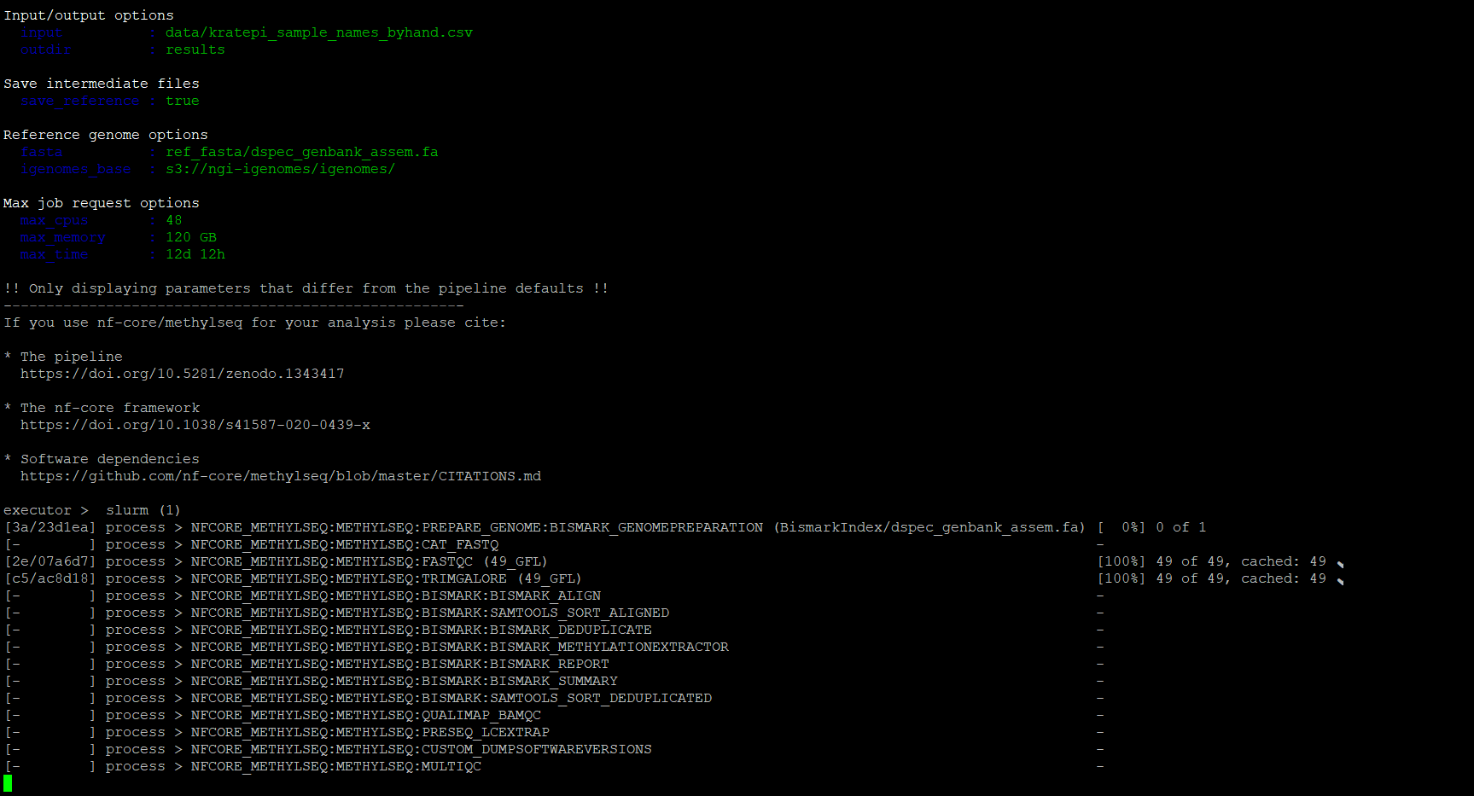

 |  |  |  | need to copy logging_functions.sh to /kratepi
 |  |  |  | takes .sorted.bam files from /krat_2_nfcore/bismark/work -- these don’t exist tho??
 |  |  |  | also uses filtered_contigs.bed -- don’t exist?

Sheet3
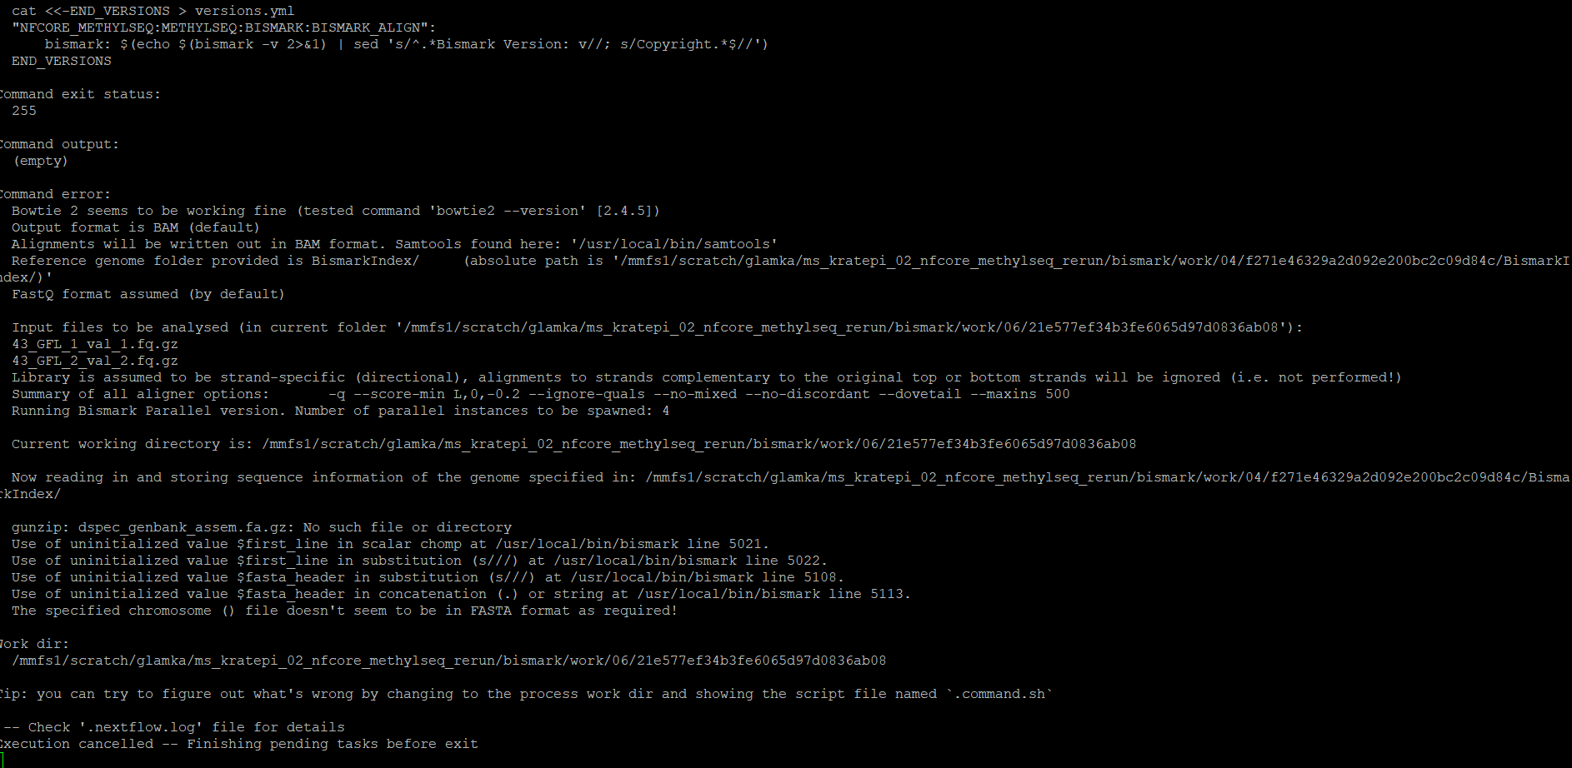
4/10/24 ran methylseq with the test data.
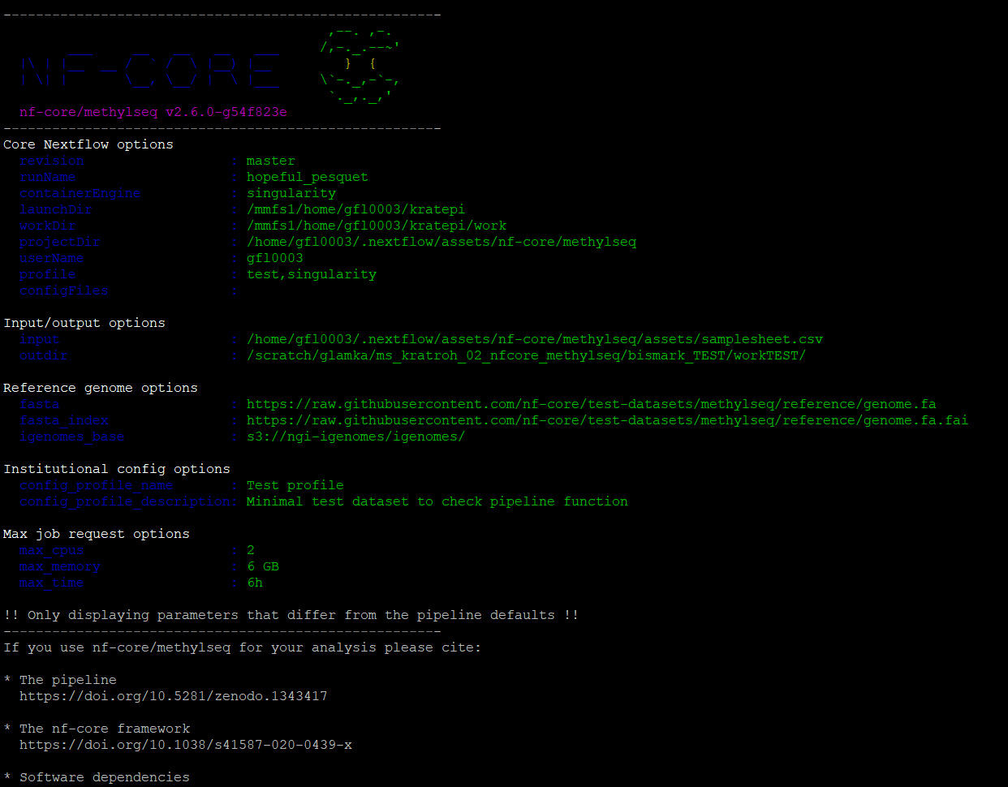
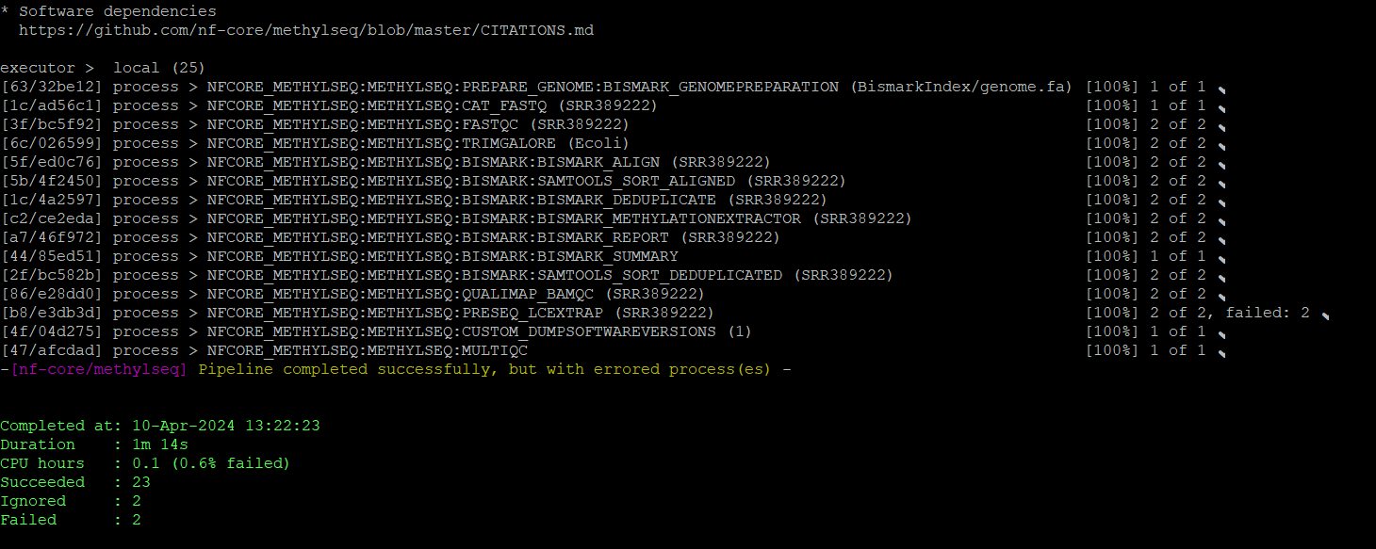

tested the krat data with help from the troubleshooting guide with code nextflow run nf-core/methylseq -profile singularity --input '/scratch/glamka/ms_kratepi_01_read_qc/untar_seq/1530_*{R1,R2}.fastq.gz' --outdir /scratch/glamka/ms_kratroh_02_nfcore_methylseq/bismark_TEST/workTEST/

in .nextflow.log I find this

4/16/24 submitted krat seqs and got this
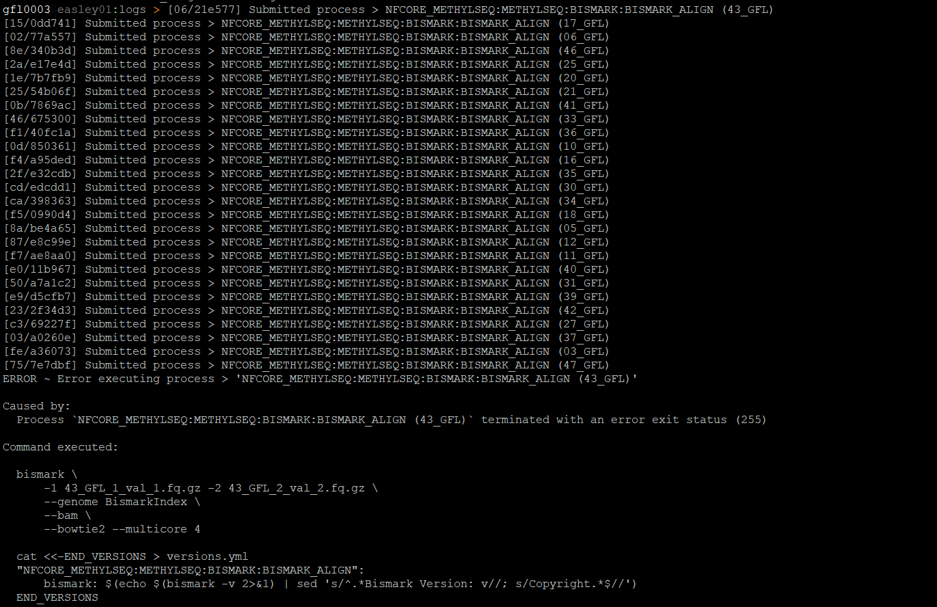

 | terminated with an error exit status (255)

