Sai số
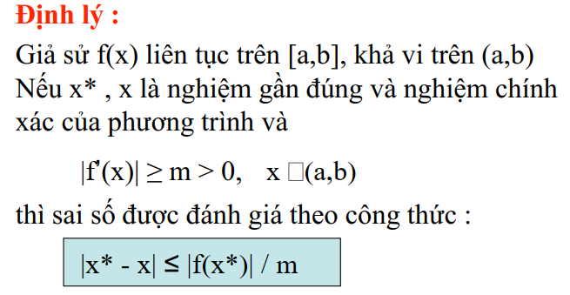
|f'(x)| | x | |f'(x)| min | x*
10.84 | 2.2 | 10.84 | 2.45 | 0.014275830258
11.0446 | 2.21
11.2504 | 2.22
11.4574 | 2.23
11.6656 | 2.24
11.875 | 2.25
12.0856 | 2.26
12.2974 | 2.27
12.5104 | 2.28
12.7246 | 2.29
12.94 | 2.3
13.1566 | 2.31
13.3744 | 2.32
13.5934 | 2.33
13.8136 | 2.34
14.035 | 2.35
14.2576 | 2.36
14.4814 | 2.37
14.7064 | 2.38
14.9326 | 2.39
15.16 | 2.4
15.3886 | 2.41
15.6184 | 2.42
15.8494 | 2.43
16.0816 | 2.44
16.315 | 2.45
16.5496 | 2.46
16.7854 | 2.47
17.0224 | 2.48
17.2606 | 2.49
17.5 | 2.5
17.7406 | 2.51
17.9824 | 2.52
18.2254 | 2.53
18.4696 | 2.54
18.715 | 2.55
18.9616 | 2.56
19.2094 | 2.57
19.4584 | 2.58
19.7086 | 2.59
19.96 | 2.6

