review_metadata
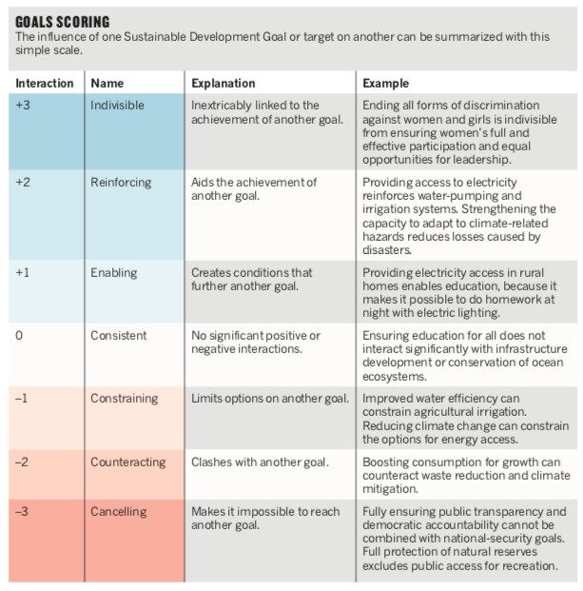
links_review |  |  | impact_types
Doubt | Deemed irrelevant / Too far-fetched | Ok
55 | 59 | 203

links |  |  | weight | 1 | 2 | 3
sum_aggregated | 420 |  | negative_links | 32 | 19 | 4
sum_reviewed | 317 | * | positive_links | 32 | 104 | 36 | Nilssen et al. (2016)

 |  |  | negative_total | 55
*I manually deleted links that were absurdly irrelevant |  |  | positive_total | 262

