use of airtable
Airtable database with CMIP7 FT science opportunities
https://airtable.com/appUDtj7V6Zirj7RS/shrlZUy53O8YSasKj/tbljoSaMlK7m0DunX/viw0evRBr0vqp658c

To view the opportuniites grouped by lead Thematic areas use the group funtion
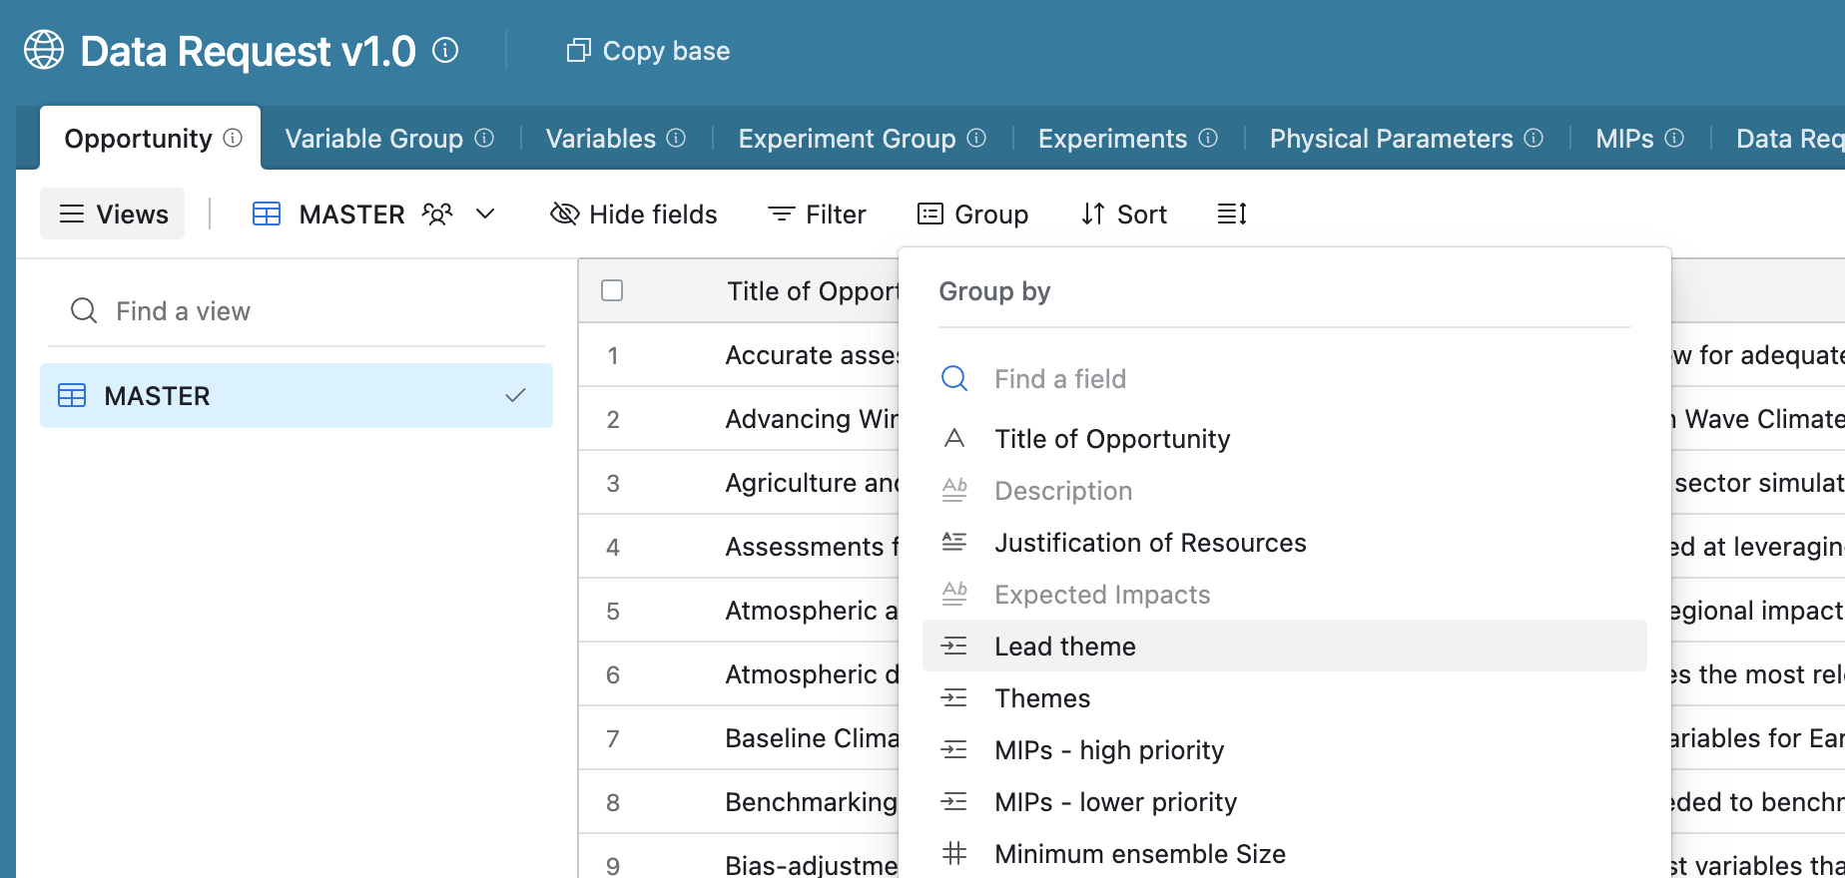

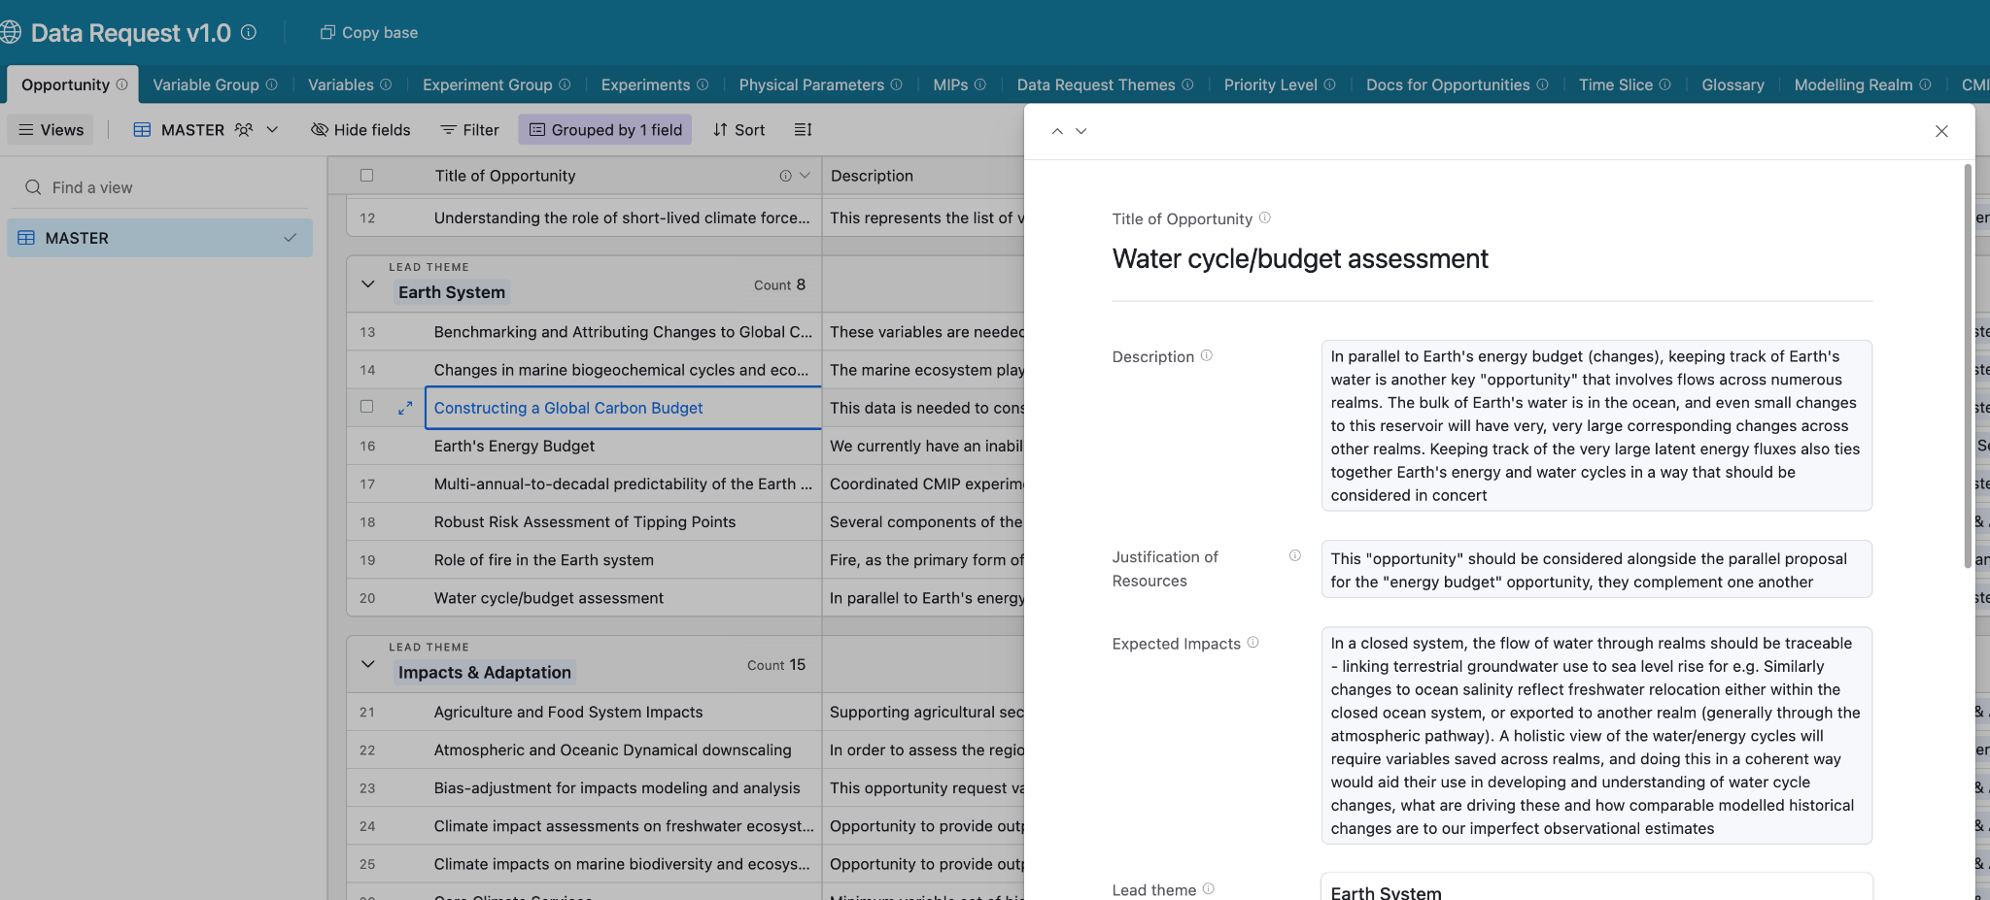
By clicking on one opportunity description and associated experiments and variables groups are listed.
Main variable groups are indicated as Tier1, core or baseline, while others adress specific topics or supplementary items

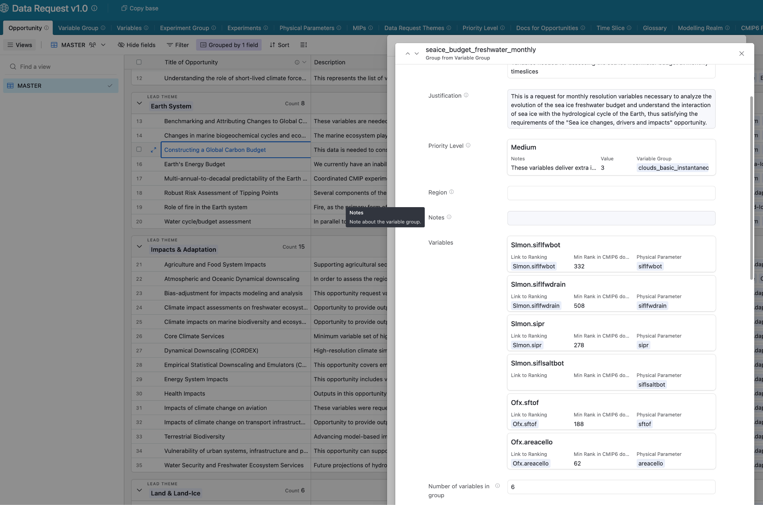
Variable groups come with an associated priority and the detailed list of variables

