Sheet1
Reference: [CUSP] Payload_integrated_20221012
Map of Absorber and Scatterer for CUSP satellite payload

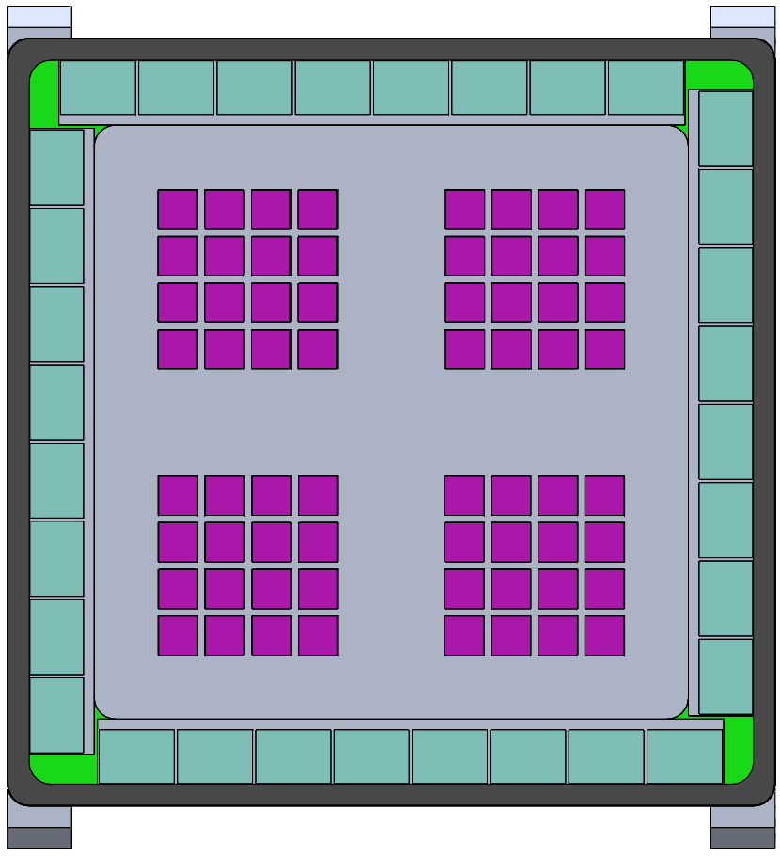
A1
A3
A2
A4
A5
A7
A6
A8
B1
D8
B2
D7
Absorber | A | B | C | D
 | 1 | 1 | 1 | 1
 | 2 | 2 | 2 | 2
B3
 | 3 | 3 | 3 | 3
B4
D6
 | 4 | 4 | 4 | 4
B5
D5
 | 5 | 5 | 5 | 5
D4
 | 6 | 6 | 6 | 6
B6
D3
 | 7 | 7 | 7 | 7
B7
D2
 | 8 | 8 | 8 | 8
B8
C8
C7
C6
C5
C4
C3
C2
C1
D1

 |  |  |  | Es: Absorber_C7

A
B
Scatterer | A | 1.1 | 1.2 | 1.3 | 1.4
 |  | 2.1 | 2.2 | 2.3 | 2.4
 |  | 3.1 | 3.2 | 3.3 | 3.4
 |  | 4.1 | 4.2 | 4.3 | 4.4
 | B | 1.1 | 1.2 | 1.3 | 1.4
 |  | 2.1 | 2.2 | 2.3 | 2.4
 |  | 3.1 | 3.2 | 3.3 | 3.4
 |  | 4.1 | 4.2 | 4.3 | 4.4
 | C | 1.1 | 1.2 | 1.3 | 1.4
 |  | 2.1 | 2.2 | 2.3 | 2.4
C
D
 |  | 3.1 | 3.2 | 3.3 | 3.4
 |  | 4.1 | 4.2 | 4.3 | 4.4
 | D | 1.1 | 1.2 | 1.3 | 1.4
 |  | 2.1 | 2.2 | 2.3 | 2.4
 |  | 3.1 | 3.2 | 3.3 | 3.4
 |  | 4.1 | 4.2 | 4.3 | 4.4

 |  | rows
 | colums | 1.1 | 1.2 | 1.3 | 1.4
 |  | 2.1 | 2.2 | 2.3 | 2.4
 |  | 3.1 | 3.2 | 3.3 | 3.4 | Es: Scatterer_B_22
 |  | 4.1 | 4.2 | 4.3 | 4.4

