Sheet1
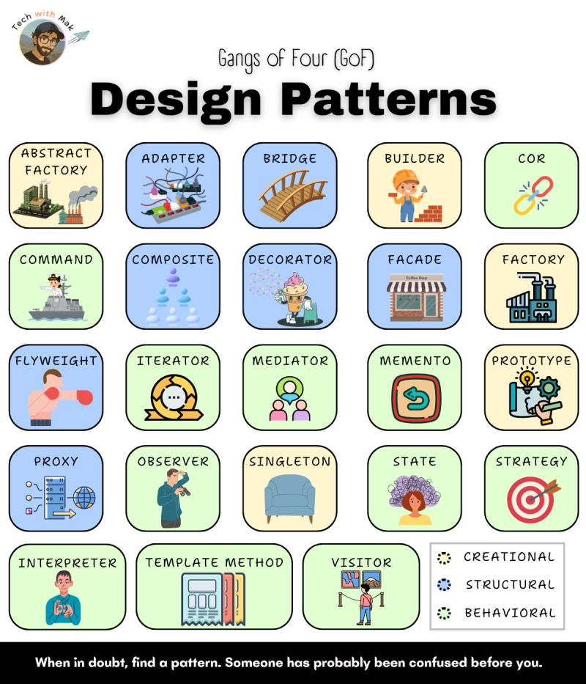
𝐖𝐡𝐲 𝐃𝐞𝐬𝐢𝐠𝐧 𝐏𝐚𝐭𝐭𝐞𝐫𝐧𝐬 𝐌𝐚𝐭𝐭𝐞𝐫?
[1.] Reusability
◾ proven solutions that work across projects
[2.] Flexibility
◾ encourage loose coupling and easier maintenance
[3.] Communication
◾ provide a shared vocabulary for discussing design issues and solutions
[4.] Experience
◾ encapsulate the experience of seasoned developers, helping others avoid common pitfalls and design better software

📌 𝐂𝐫𝐞𝐚𝐭𝐢𝐨𝐧𝐚𝐥 𝐏𝐚𝐭𝐭𝐞𝐫𝐧𝐬
[1.] Abstract Factory
◾ creates families of related objects through a common interface

[2.] Builder
◾ separates complex object construction from representation

[3.] Factory Method
◾ defines an interface for creating objects
◾ allows subclasses to choose the concrete class to instantiate

[4.] Prototype
◾ creates new objects by copying a prototypical instance

[5.] Singleton
◾ ensures a class has only one instance

📌 𝐒𝐭𝐫𝐮𝐜𝐭𝐮𝐫𝐚𝐥 𝐏𝐚𝐭𝐭𝐞𝐫𝐧𝐬
[6.] Adapter
◾ converts one interface to another, allowing incompatible classes to work together

[7.] Bridge
◾ decouples abstraction and implementation, enabling independent variation

[8.] Composite
◾ treats individual objects & their compositions uniformly, representing part-whole hierarchies

[9.] Decorator
◾ dynamically adds responsibilities to an object without subclassing

[10.] Facade
◾ provides a simplified interface to a complex subsystem

[11.] Flyweight
◾ shares objects to reduce memory usage for large numbers of fine-grained objects

[12.] Proxy
◾ controls access to an object, offering various capabilities like lazy loading or remote access

📌 𝐁𝐞𝐡𝐚𝐯𝐢𝐨𝐫𝐚𝐥 𝐏𝐚𝐭𝐭𝐞𝐫𝐧𝐬
[13.] Chain of Responsibility
◾ decouples request senders and receivers, allowing multiple objects to handle the request

[14.] Command
◾ encapsulates requests as objects, enabling logging, queuing, and undo/redo operations

[15.] Interpreter
◾ defines a grammar for a language and an interpreter to execute expressions

[16.] Iterator
◾ provides sequential access to aggregate elements without exposing the underlying representation

[17.] Mediator
◾ encapsulates object interaction, promoting loose coupling

[18.] Memento
◾ captures and restores an object's state without violating encapsulation

[19.] Observer
◾ notifies dependents automatically when an object's state changes

[20.] State
◾ alters an object's behavior when its internal state changes

[21.] Strategy
◾ encapsulates interchangeable algorithms, allowing clients to choose dynamically

[22.] Template
◾ defines the skeleton of an algorithm, deferring steps to subclasses

[23.] Visitor
◾ adds new operations to object structures without modifying the element classes

While design patterns are conceptual, their proper application is often reflected in consistent structure, naming, and abstraction. Tools like CodeRabbit help catch inconsistencies and code smells during reviews, making it easier to maintain pattern-aligned code as projects scale.

