Netbatch
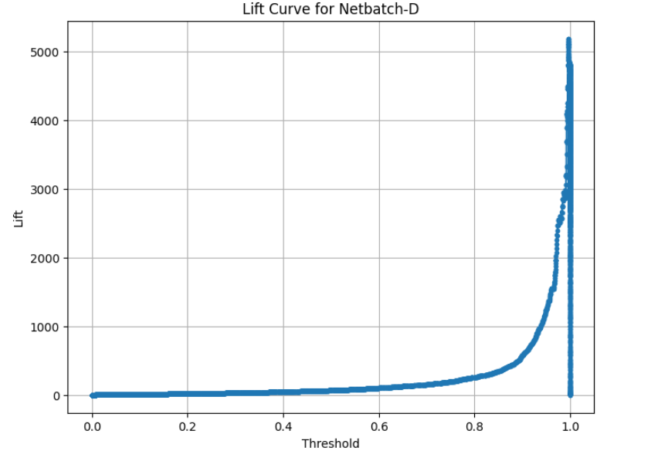
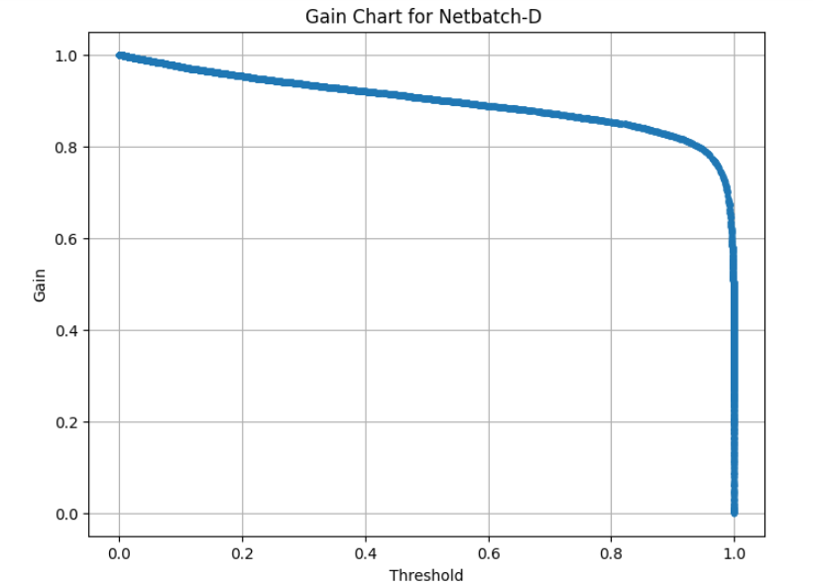
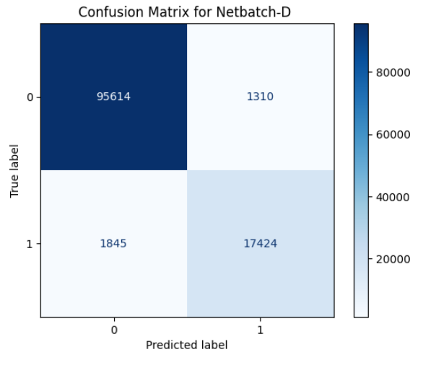
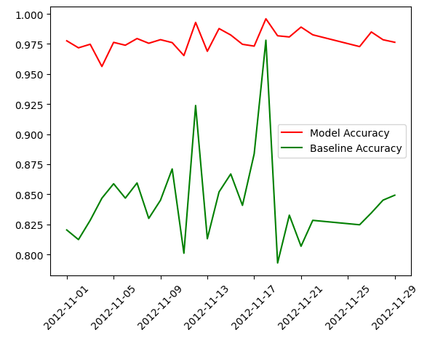
XIME results | Our Xgboost results
Dataset Size -: 580964 | Dataset Size -: 580964

Trail-: 100 trail | Size of the Train Set: 421490
config: | Size of the Test Set: 105373
colsample_bylevel: 0.9727836804229626
colsample_bytree: 0.411421256470703 | Training Set Class Distribution:
gamma: 0.04708460375974435 | Class 0: 352772 samples
learning_rate: 0.0422099106096025 | Class 1: 68718 samples
max_depth: 10
min_child_weight: 0.00046812241616791465 | Testing Set Class Distribution:
n_estimators: 1481 | Class 0: 88193 samples
random_state: 1 | Class 1: 17180 samples
reg_alpha: 4.993867793140725e-06
reg_lambda: 0.00023493888649865825 | Mean ROC AUC: 0.99089
subsample: 0.5699398443286046 | Model saved to /home/nanjunde/model/xgboost_model_IntelNetbatch_LogD_1.pkl
tree_method: hist
local_path: /opt/jfp/apps/mlflow/mlruns/0/b642a900aa724db6b64ae7761b3eb9a4/artifacts/ray_tune/fit_19d93_00087_87_colsample_bylevel=0.9728,colsample_bytree=0.4114,gamma=0.0471,learning_rate=0.0422,max_depth=10,min_child_weigh_2024-08-05_07-12-41 | F1 Score: 0.9359101123595506
metrics: | Precision: 0.9643717196665638
checkpoint_dir_name: null | Recall: 0.9090803259604191
config: | Accuracy: 0.9797006823379804
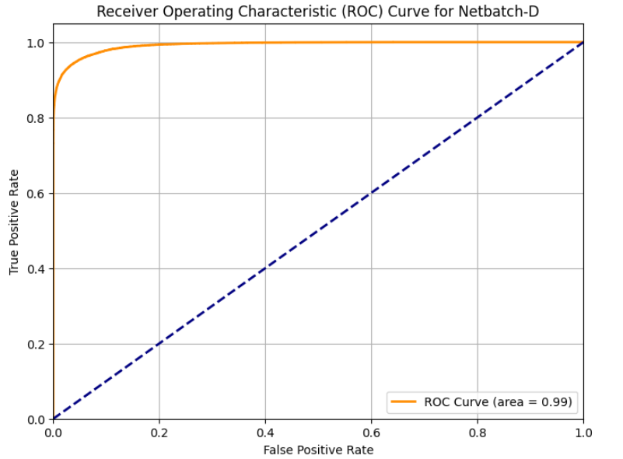
colsample_bylevel: 0.9727836804229626
colsample_bytree: 0.411421256470703 | Counts:
gamma: 0.04708460375974435 | Predicted Positive: 16195
learning_rate: 0.0422099106096025 | Actual Positive: 17180
max_depth: 10
min_child_weight: 0.00046812241616791465 | Difference Positive: 985
n_estimators: 1481
random_state: 1 | Predicted Negative: 89178
reg_alpha: 4.993867793140725e-06 | Actual Negative: 88193
reg_lambda: 0.00023493888649865825
subsample: 0.5699398443286046 | Difference Negative: -985
tree_method: hist
dataset_accuracy: 0.9896630723414109 | Mismatch Counts:
dataset_loss_mean: 0.027299524180232196 | False Positives: 577
dataset_loss_total: 14382.727014831153 | False Negatives: 1562
date: 2024-08-05_07-16-49 | Total TP+FN , which is defference in Test data count : 2139
done: true
experiment_tag: 87_colsample_bylevel=0.9728,colsample_bytree=0.4114,gamma=0.0471,learning_rate=0.0422,max_depth=10,min_child_weight=0.0005,n_estimators=1481,reg_alpha=0.0000,reg_lambda=0.0002,subsample=0.5699 | Records where Predicted does not match Binary Exit Code: 2139, of Test data: 105373
hostname: aiops3 | Percentage of records where Predicted does not match Binary Exit Code: 2.03%
iterations_since_restore: 1
node_ip: 10.152.216.43
pid: 2136041
time_since_restore: 240.18013882637024
time_this_iter_s: 240.18013882637024
time_total_s: 240.18013882637024
timestamp: 1722842209
train_accuracy: 0.9908111961262348
train_auc: 0.9996777208390115
train_f1: 0.9711756650370145
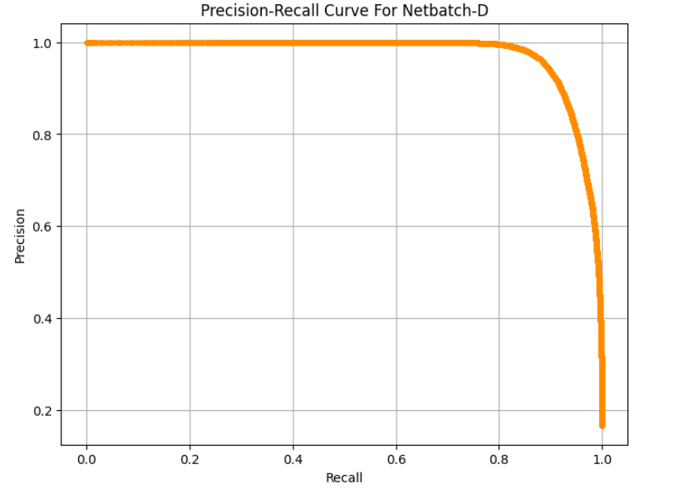
train_loss_mean: 0.027299524180232196
train_loss_total: 12944.45158339562
train_precision: 0.9938796511942805
train_recall: 0.9494858029881638
training_iteration: 1
trial_id: 19d93_00087
valid_accuracy: 0.9793299800702288
valid_auc: 0.9940091652822888
valid_f1: 0.9339959997575611
valid_loss_mean: 0.059015594692661724
valid_loss_total: 1438.2754314355332
valid_precision: 0.9740834386852086
valid_recall: 0.8970776574688555
num_failed_trials: 0
num_successful_trials: 100
relative_path: ray_tune/fit_19d93_00087_87_colsample_bylevel=0.9728,colsample_bytree=0.4114,gamma=0.0471,learning_rate=0.0422,max_depth=10,min_child_weigh_2024-08-05_07-12-41
run_uri: mlflow:///b642a900aa724db6b64ae7761b3eb9a4
trial_uri: mlflow:///b642a900aa724db6b64ae7761b3eb9a4/ray_tune/fit_19d93_00087_87_colsample_bylevel=0.9728,colsample_bytree=0.4114,gamma=0.0471,learning_rate=0.0422,max_depth=10,min_child_weigh_2024-08-05_07-12-41

SDSC-BLUE
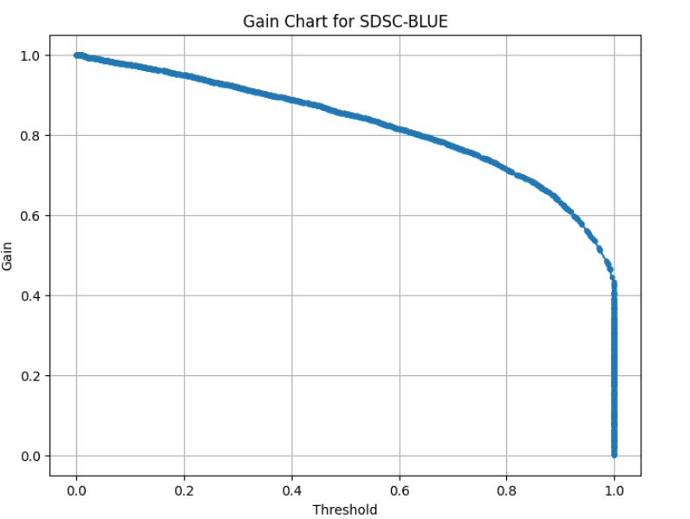
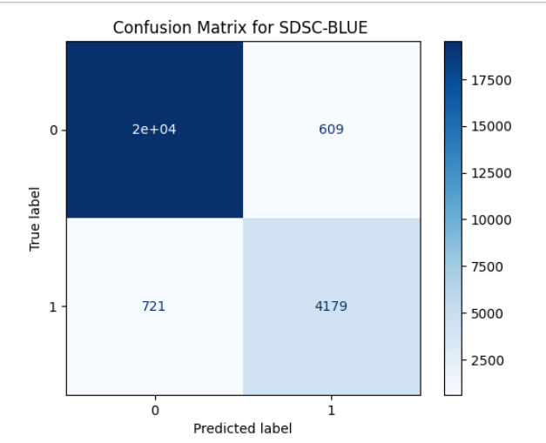
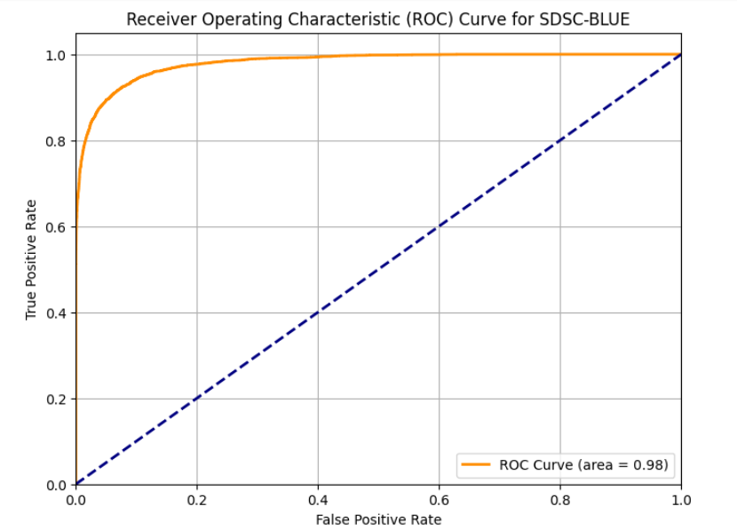
XTIME results | Our Xgboost results
Dataset Size -: 250440 | Dataset Size -: 250440

config:
colsample_bylevel: 0.9510014627839076 | Total Data Set Class Distribution:
colsample_bytree: 0.8760184732546772 | Class 0: 201439 samples
gamma: 6.065754917069787e-07 | Class 1: 49001 samples
learning_rate: 0.037655010520788734
max_depth: 10 | Size of the Train Set: 225396
min_child_weight: 1.809531473927271e-07 | Size of the Test Set: 25044
n_estimators: 1180
random_state: 1 | Training Set Class Distribution:
reg_alpha: 9.430883095105124e-07 | Class 0: 181295 samples
reg_lambda: 7.371899368966632e-05 | Class 1: 44101 samples
subsample: 0.7372701071845627
tree_method: hist | Testing Set Class Distribution:
local_path: /opt/jfp/apps/mlflow/mlruns/0/3630e4def1b14898a39a3b0fab724f15/artifacts/ray_tune/fit_b2f17_00026_26_colsample_bylevel=0.9510,colsample_bytree=0.8760,gamma=0.0000,learning_rate=0.0377,max_depth=10,min_child_weigh_2024-08-21_10-47-03 | Class 0: 20144 samples
metrics: | Class 1: 4900 samples
checkpoint_dir_name: null
config: | Mean CV Recall: 0.7488492339837343
colsample_bylevel: 0.9510014627839076
colsample_bytree: 0.8760184732546772 | Standard Deviation of CV Recall: 0.004654453534838823
gamma: 6.065754917069787e-07
learning_rate: 0.037655010520788734 | Individual Cross-Validation recall:
max_depth: 10 | Fold 1: 0.74878
min_child_weight: 1.809531473927271e-07 | Fold 2: 0.75431
n_estimators: 1180 | Fold 3: 0.74206
random_state: 1 | Fold 4: 0.75351
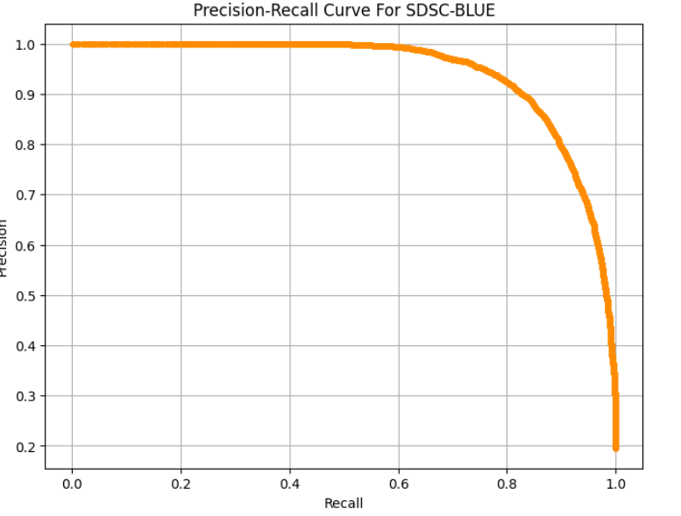
reg_alpha: 9.430883095105124e-07 | Fold 5: 0.74558
reg_lambda: 7.371899368966632e-05
subsample: 0.7372701071845627 | Baseline Accuracy: 0.80434
tree_method: hist
dataset_accuracy: 0.9883638251977311 | random_search best params : {'subsample': 1.0, 'scale_pos_weight': 2, 'reg_lambda': 0.001, 'reg_alpha': 0.001, 'n_estimators': 300, 'min_child_weight': 10, 'max_depth': 15, 'learning_rate': 0.05, 'gamma': 0.2, 'colsample_bytree': 0.9, 'colsample_bynode': 0.9, 'colsample_bylevel': 1}
dataset_loss_mean: 0.04470442207072769
dataset_loss_total: 11191.30502118597 | Accuracy: 0.9468934674972049
date: 2024-08-21_10-48-56 | F1 Score: 0.8627167630057804
done: true | Precision: 0.8728070175438597
experiment_tag: 26_colsample_bylevel=0.9510,colsample_bytree=0.8760,gamma=0.0000,learning_rate=0.0377,max_depth=10,min_child_weight=0.0000,n_estimators=1180,reg_alpha=0.0000,reg_lambda=0.0001,subsample=0.7373 | Recall: 0.8528571428571429
hostname: aiops3
iterations_since_restore: 1 | Counts:
node_ip: 10.152.216.43 | Predicted Positive: 4788
pid: 256129 | Actual Positive: 4900
time_since_restore: 105.90085983276367
time_this_iter_s: 105.90085983276367 | Difference Positive: 112
time_total_s: 105.90085983276367
timestamp: 1724237336 | Predicted Negative: 20256
train_accuracy: 0.9925789814740842 | Actual Negative: 20144
train_auc: 0.9996690173005118
train_f1: 0.980867376129992 | Difference Negative: -112
train_loss_mean: 0.044704422070727695
train_loss_total: 10072.174519067374 | Confusion Matrix (XGboost Model):
train_precision: 0.9884911665667235 | [[19535 609]
train_recall: 0.9733602834302325 | [ 721 4179]]
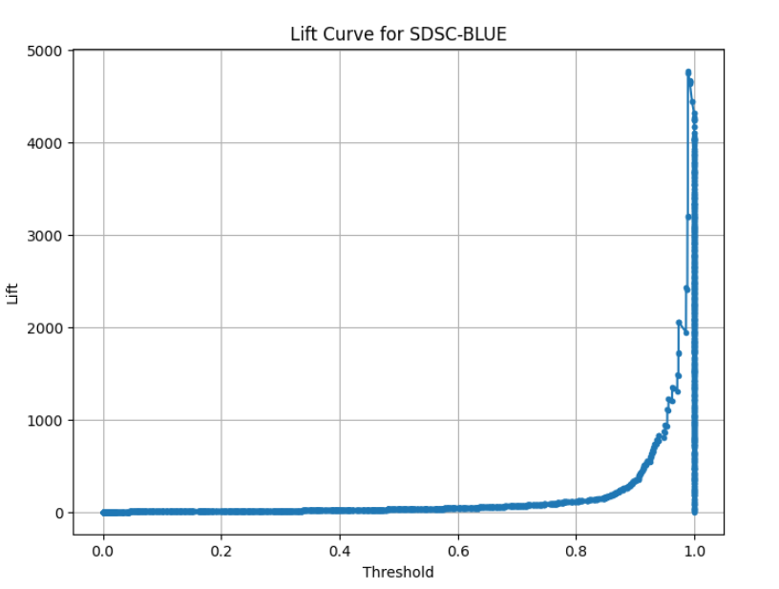
training_iteration: 1
trial_id: b2f17_00026 | Mismatch Counts:
valid_accuracy: 0.9504274187105537 | False Positives: 609
valid_auc: 0.9811823735452124 | False Negatives: 721
valid_f1: 0.8648884050081654 | Total TP+FN , which is defference in Test data count : 1330
valid_loss_mean: 0.12859450984267795
valid_loss_total: 1119.1305021185972 | Records where Predicted does not match Binary Exit Code: 1330, of Test data: 25044
valid_precision: 0.9252271139063591 | Percentage of records where Predicted does not match Binary Exit Code: 5.31%
valid_recall: 0.8119378577269011
num_failed_trials: 0
num_successful_trials: 100
relative_path: ray_tune/fit_b2f17_00026_26_colsample_bylevel=0.9510,colsample_bytree=0.8760,gamma=0.0000,learning_rate=0.0377,max_depth=10,min_child_weigh_2024-08-21_10-47-03
run_uri: mlflow:///3630e4def1b14898a39a3b0fab724f15
trial_uri: mlflow:///3630e4def1b14898a39a3b0fab724f15/ray_tune/fit_b2f17_00026_26_colsample_bylevel=0.9510,colsample_bytree=0.8760,gamma=0.0000,learning_rate=0.0377,max_depth=10,min_child_weigh_2024-08-21_10-47-03

CTC-SP2
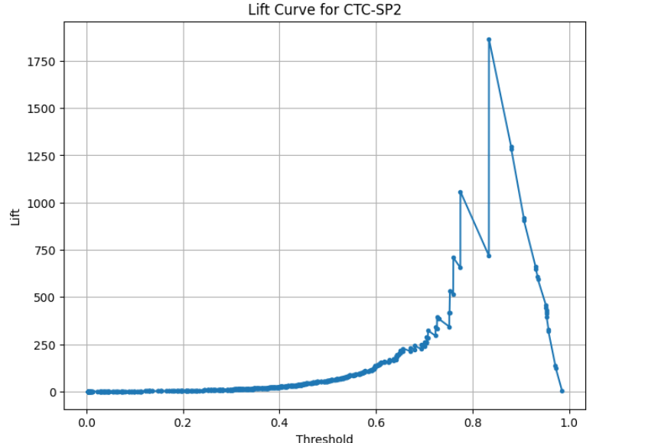
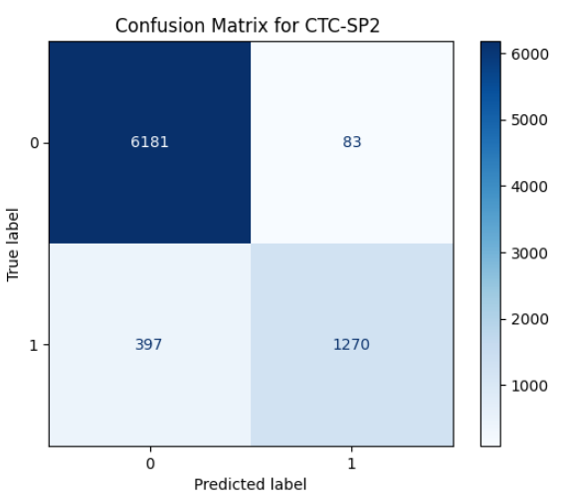
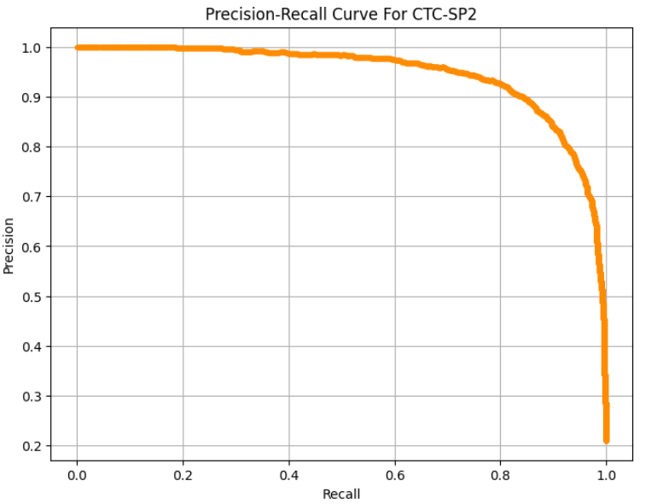
XIME results | Our Xgboost results
Trail -: 100 trail
Dataset size :- 79302 | Dataset size :- 79302

config: | Size of the Data Set: 79302
colsample_bylevel: 0.9510014627839076
colsample_bytree: 0.8760184732546772 | Total Data Set Class Distribution:
gamma: 6.065754917069787e-07 | Class 0: 62630 samples
learning_rate: 0.037655010520788734 | Class 1: 16672 samples
max_depth: 10
min_child_weight: 1.809531473927271e-07 | Training Set Class Distribution:
n_estimators: 1180 | Class 0: 56366 samples
random_state: 1 | Class 1: 15005 samples
reg_alpha: 9.430883095105124e-07
reg_lambda: 7.371899368966632e-05 | Testing Set Class Distribution:
subsample: 0.7372701071845627 | Class 0: 6264 samples
tree_method: hist | Class 1: 1667 samples
local_path: /opt/jfp/apps/mlflow/mlruns/0/6f9a5875ac114e58af28720753ce4028/artifacts/ray_tune/fit_8234d_00026_26_colsample_bylevel=0.9510,colsample_bytree=0.8760,gamma=0.0000,learning_rate=0.0377,max_depth=10,min_child_weigh_2024-08-21_07-25-15
metrics: | Mean Cross-Validation Accuracy: 0.82114
checkpoint_dir_name: null
config: | Mean ROC AUC: 0.77412
colsample_bylevel: 0.9510014627839076
colsample_bytree: 0.8760184732546772 | Individual Cross-Validation Accuracies:
gamma: 6.065754917069787e-07 | Fold 1: 0.77563
learning_rate: 0.037655010520788734 | Fold 2: 0.77259
max_depth: 10 | Fold 3: 0.77848
min_child_weight: 1.809531473927271e-07 | Fold 4: 0.77580
n_estimators: 1180 | Fold 5: 0.76812
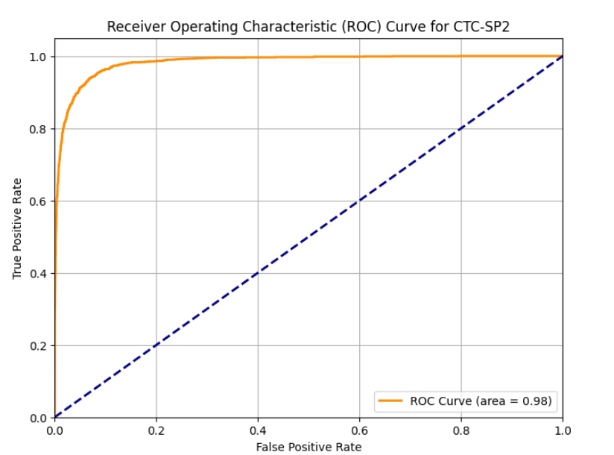
random_state: 1
reg_alpha: 9.430883095105124e-07 | Majority Class: 0
reg_lambda: 7.371899368966632e-05 | Count of Majority Class: 56366
subsample: 0.7372701071845627 | Total Number of Samples: 71371
tree_method: hist | Baseline Accuracy: 78.98%
dataset_accuracy: 0.9359663060200247
dataset_loss_mean: 0.17983058880386832 | F1 Score: 0.8312070002003874
dataset_loss_total: 14260.925353324366 | Precision: 0.9377543330821402
date: 2024-08-21_07-25-46 | Recall: 0.7464011516314779
done: true | Accuracy: 0.9362689465587248
experiment_tag: 26_colsample_bylevel=0.9510,colsample_bytree=0.8760,gamma=0.0000,learning_rate=0.0377,max_depth=10,min_child_weight=0.0000,n_estimators=1180,reg_alpha=0.0000,reg_lambda=0.0001,subsample=0.7373
hostname: aiops3 | Counts:
iterations_since_restore: 1 | Predicted Positive: 13270
node_ip: 10.152.216.43 | Actual Positive: 16672
pid: 105440
time_since_restore: 24.161829710006714 | Difference Positive: 3402
time_this_iter_s: 24.161829710006714
time_total_s: 24.161829710006714 | Predicted Negative: 66032
timestamp: 1724225146 | Actual Negative: 62630
train_accuracy: 0.946673018452873
train_auc: 0.9959125536257221 | Difference Negative: -3402
train_f1: 0.8558224107886961
train_loss_mean: 0.17983058880386832 | Confusion Matrix (XGBoost Model):
train_loss_total: 12834.688953520887 | [[61804 826]
train_precision: 0.9914860001755463 | [ 4228 12444]]
train_recall: 0.7528157280906365
training_iteration: 1 | Mismatch Counts:
trial_id: 8234d_00026 | False Positives: 826
valid_accuracy: 0.839616693985626 | False Negatives: 4228
valid_auc: 0.8306689715696708 | Total TP+FN, which is defference in Test data count : 5054
valid_f1: 0.4691151919866444
valid_loss_mean: 0.3776439306577067 | Records where Predicted does not match Binary Exit Code: 5054, of Train data: 79302
valid_loss_total: 1426.2363998034796 | Percentage of records where Predicted does not match Binary Exit Code: 6.37%
valid_precision: 0.7709190672153635
valid_recall: 0.33713257348530296
num_failed_trials: 0
num_successful_trials: 100
relative_path: ray_tune/fit_8234d_00026_26_colsample_bylevel=0.9510,colsample_bytree=0.8760,gamma=0.0000,learning_rate=0.0377,max_depth=10,min_child_weigh_2024-08-21_07-25-15
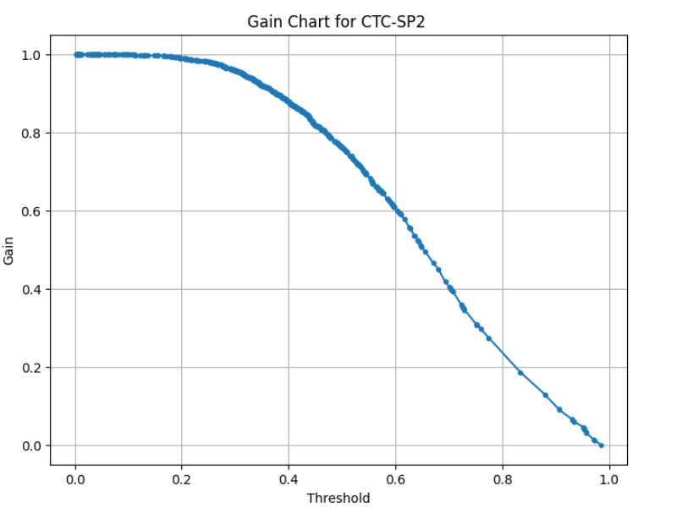
run_uri: mlflow:///6f9a5875ac114e58af28720753ce4028
trial_uri: mlflow:///6f9a5875ac114e58af28720753ce4028/ray_tune/fit_8234d_00026_26_colsample_bylevel=0.9510,colsample_bytree=0.8760,gamma=0.0000,learning_rate=0.0377,max_depth=10,min_child_weigh_2024-08-21_07-25-15

