Sheet1
Model | Pre-trained | Val Acc | Trained dimensions | Torch model Used
Combine Model | yes | 0.877 | 299 224 144 | Inception_v3+ResNet50+ResNet101
Inceptionv3 | yes | 0.753 | 299 | inception_v3
ResNet50 | yes | 0.8284 | 224 | wide_resnet_50_2
ResNet101 | yes | 0.787 | 144 | wide_resnet101_2
DenseNet | yes | 0.788 | 128 | densenet161
vgg | no | 0.35 | 64 | not used
GoogleNet | yes | 0.557 | 64 | googlenet
Hardnet68 | yes | 0.6031 | 64 | hardnet68
Hardnet68 | yes | 0.625 | 64 | hardnet85
ResNext | yes | 0.6499 | 64 | resnext101_32x8d

ResNet50_test | epochs | 10 | 10 | 10 | 10 | 10 | 10 | ResNet50_test
 |  |  |  |  |  |  |  | epochs |  | 10
size | resize | 244 | 244 | 244 | 244 | 244 | 244 | Final resize |  | 224
Gilbert |  |  |  |  |  |  |  | Gilbert
Augmentation | rotation | 10 |  |  |  |  |  | Final Augmentation | rotation | 10
 | crop | 224,224, 10 |  |  |  |  |  |  | crop | 224,224, 10
 | randAffin | 0, translate=(0.01, 0.01)) |  |  |  |  |  |  | randAffin | 0, translate=(0.01, 0.01))
 | horizontal flip | yes |  |  |  |  |  |  | horizontal flip | yes
Shen |  |  |  |  |  |  |  | Shen
Hyper parameters | lr | 1.00E-02 | 1.00E-03 | 1.00E-01 | 1.00E-04 | 1.00E-05 |  | Final Hyper parameters | Learning Rate | 1.00E-02
 | momentum | 0.5 | 0.25 | 0.9 | 1 |  |  |  | Momentum | 0.5
 | weight_decay | 0.00E+00 | 1.00E-02 | 1.00E-03 | 1.00E-03 | 1.00E-03 | 5.00E-06 |  | Weight Decay | 0.00E+00
Sokratis |  |  |  |  |  |  |  | Sokratis
Batch size | train batch size | 64 | 64 | 32 | 224 | 260 | 100 | Final batch size | train batch size | 64
 | test batch size | 1000 | 1000 | 1000 | 1000 | 1000 | 1000 |  | test batch size | 1000
Niko |  |  |  |  |  |  |  | Niko
Frozen convolutional layers | frozen every layers except last one | worst outcome |  |  |  |  |  | frozen convolutional layers |  | No

 |  |  |  |  |  |  |  | Best Result | Train accuracy | 0.8519
 |  |  |  |  |  |  |  |  | Test accuracy | 0.8172

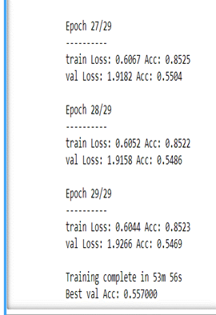
GoogleNet_test | epochs | 30 | 20 | 10 |  |  |  | GoogleNet_test
 |  |  |  |  |  |  |  | epochs |  | 30
size | No resize | 64 | 64 | 64 | 64 | 64 | 64 | Final resize |  | 64

Augmentation | rotation | no |  |  |  |  |  | Final Augmentation | rotation | No
 | crop | no |  |  |  |  |  |  | crop | No
 | randAffin | no |  |  |  |  |  |  | randAffin | No
 | horizontal flip | no |  |  |  |  |  |  | horizontal flip | No

Hyper parameters | lr | 1.00E-02 | 1.00E-03 | 1.00E-01 | 1.00E-04 | 1.00E-05 |  | Final Hyper parameters | Learning Rate | 1.00E-02
 | momentum | 0.5 | 0.25 | 0.9 | 1 |  |  |  | Momentum | 0.5
 | weight_decay | 0.00E+00 | 1.00E-02 | 1.00E-03 | 1.00E-03 | 1.00E-03 | 5.00E-06 |  | Weight Decay | 0.00E+00

batch size | train batch size | 64 | 64 | 32 |  |  |  | Final batch size | train batch size | 64
 | test batch size | 1000 | 2000 | 500 |  |  |  |  | test batch size | 1000

frozen convolutional layers | frozen every layers except last one | worst outcome with it turned on |  |  |  |  |  | frozen convolutional layers |  | No

 |  |  |  |  |  |  |  | Best Result | Train accuracy | 0.853
 |  |  |  |  |  |  |  |  | Test accuracy | 0.557
Combine Model | Inception_v3+ResNet50+ResNet101+DenseNet |  |  | val acc = 0.866
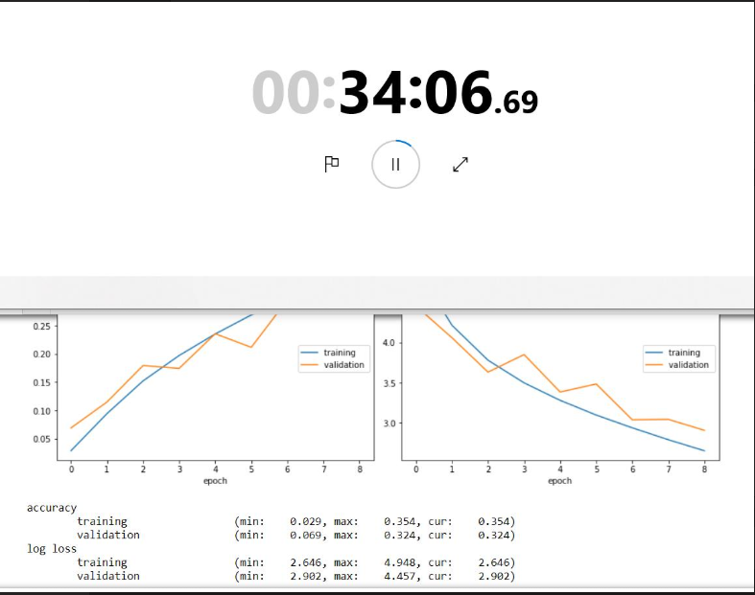
 |  |  |  |  |  |  |  | VGG_test
Combine Model | ResNet50+ResNet101 |  |  | val acc = 0.839 |  |  |  | epochs |  | 30
 |  |  |  |  |  |  |  | Final resize |  | 64
Combine Model | ResNet50+ResNet101+DenseNet |  |  | val acc = 0.836
 |  |  |  |  |  |  |  | Final Augmentation | rotation | No
Combine Model | Inception_v3+ResNet50+ResNet101 |  |  | val acc = 0.877 | was not used, discovered after 7pm |  |  |  | crop | No
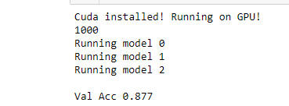
 |  |  |  |  |  |  |  |  | randAffin | No
Combine Model | Inception_v3+DenseNet with log |  |  | val acc = 0.836 |  |  |  |  | horizontal flip | No

Combine Model | Inception_v3+DenseNet without log |  |  | val acc = 0.82 |  |  |  | Final Hyper parameters | Learning Rate | 1.00E-02
 |  |  |  |  |  |  |  |  | Momentum | 0.5
Combine Model | Inception_v3+ResNet50 |  |  | val acc = 0.86 |  |  |  |  | Weight Decay | 0.00E+00

Combine Model | ResNet50+DenseNet |  |  | val acc = 0.827 |  |  |  | Final batch size | train batch size | 32
 |  |  |  |  |  |  |  |  | test batch size | 500

 |  |  |  |  |  |  |  | frozen convolutional layers |  | No

 |  |  |  |  |  |  |  | Best Result | Train accuracy | 0.37
 |  |  |  |  |  |  |  |  | Test accuracy | 0.35 | p.s This was only at 8 epoch, final result screenshot was lost and can't not be found

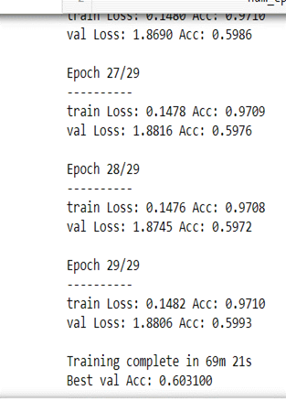
 |  |  |  |  |  |  |  | HardNet68
 |  |  |  |  |  |  |  | epochs |  | 30
 |  |  |  |  |  |  |  | Final resize |  | 64

 |  |  |  |  |  |  |  | Final Augmentation | rotation | No
 |  |  |  |  |  |  |  |  | crop | No
 |  |  |  |  |  |  |  |  | randAffin | No
 |  |  |  |  |  |  |  |  | horizontal flip | No

 |  |  |  |  |  |  |  | Final Hyper parameters | Learning Rate | 1.00E-02
 |  |  |  |  |  |  |  |  | Momentum | 0.5
 |  |  |  |  |  |  |  |  | Weight Decay | 0.00E+00

 |  |  |  |  |  |  |  | Final batch size | train batch size | 64
 |  |  |  |  |  |  |  |  | test batch size | 1000

 |  |  |  |  |  |  |  | frozen convolutional layers |  | No

 |  |  |  |  |  |  |  | Best Result | Train accuracy | 0.9712
 |  |  |  |  |  |  |  |  | Test accuracy | 0.6031

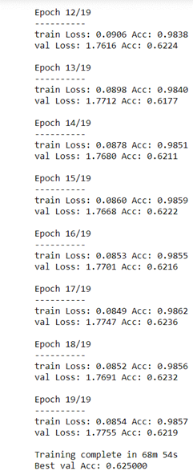
 |  |  |  |  |  |  |  | HardNet85
 |  |  |  |  |  |  |  | epochs |  | 20
 |  |  |  |  |  |  |  | Final resize |  | 64

 |  |  |  |  |  |  |  | Final Augmentation | rotation | No
 |  |  |  |  |  |  |  |  | crop | No
 |  |  |  |  |  |  |  |  | randAffin | No
 |  |  |  |  |  |  |  |  | horizontal flip | No

 |  |  |  |  |  |  |  | Final Hyper parameters | Learning Rate | 1.00E-02
 |  |  |  |  |  |  |  |  | Momentum | 0.5
 |  |  |  |  |  |  |  |  | Weight Decay | 0.00E+00

 |  |  |  |  |  |  |  | Final batch size | train batch size | 64
 |  |  |  |  |  |  |  |  | test batch size | 1000

 |  |  |  |  |  |  |  | frozen convolutional layers |  | No

 |  |  |  |  |  |  |  | Best Result | Train accuracy | 0.9865
 |  |  |  |  |  |  |  |  | Test accuracy | 0.625

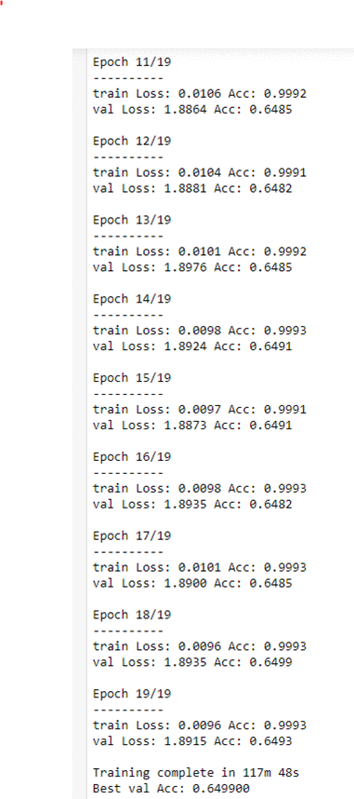
 |  |  |  |  |  |  |  | Resnext101_32x8d
 |  |  |  |  |  |  |  | epochs |  | 20
 |  |  |  |  |  |  |  | Final resize |  | 64

 |  |  |  |  |  |  |  | Final Augmentation | rotation | No
 |  |  |  |  |  |  |  |  | crop | No
 |  |  |  |  |  |  |  |  | randAffin | No
 |  |  |  |  |  |  |  |  | horizontal flip | No

 |  |  |  |  |  |  |  | Final Hyper parameters | Learning Rate | 1.00E-02
 |  |  |  |  |  |  |  |  | Momentum | 0.5
 |  |  |  |  |  |  |  |  | Weight Decay | 0.00E+00

 |  |  |  |  |  |  |  | Final batch size | train batch size | 64
 |  |  |  |  |  |  |  |  | test batch size | 1000

 |  |  |  |  |  |  |  | frozen convolutional layers |  | No

 |  |  |  |  |  |  |  | Best Result | Train accuracy | 0.999
 |  |  |  |  |  |  |  |  | Test accuracy | 0.6499

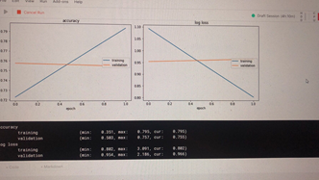
 |  |  |  |  |  |  |  | Google Invection 3
 |  |  |  |  |  |  |  | epochs |  | 30
 |  |  |  |  |  |  |  | Final resize |  | 299

 |  |  |  |  |  |  |  | Final Augmentation | rotation | 10
 |  |  |  |  |  |  |  |  | crop | 299 pad=10
 |  |  |  |  |  |  |  |  | randAffin | yes
 |  |  |  |  |  |  |  |  | horizontal flip | yes

 |  |  |  |  |  |  |  | Final Hyper parameters | Learning Rate | 1.00E-02
 |  |  |  |  |  |  |  |  | Momentum | 0.5
 |  |  |  |  |  |  |  |  | Weight Decay | 0.00E+00

 |  |  |  |  |  |  |  | Final batch size | train batch size | 36
 |  |  |  |  |  |  |  |  | test batch size | 1000

 |  |  |  |  |  |  |  | frozen convolutional layers |  | No

 |  |  |  |  |  |  |  | Best Result | Train accuracy | 0.85
 |  |  |  |  |  |  |  |  | Test accuracy | 0.75

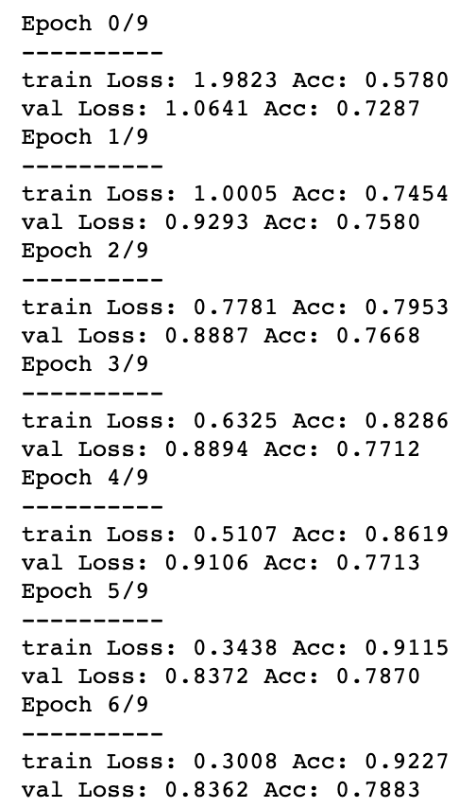
 |  |  |  |  |  |  |  | DenseNet161
 |  |  |  |  |  |  |  | epochs |  | 5
 |  |  |  |  |  |  |  | Final resize |  | 128

 |  |  |  |  |  |  |  | Final Augmentation | rotation | 10
 |  |  |  |  |  |  |  |  | crop | 128, pad = 5
 |  |  |  |  |  |  |  |  | randAffin | No
 |  |  |  |  |  |  |  |  | horizontal flip | yes

 |  |  |  |  |  |  |  | Final Hyper parameters | Learning Rate | 1.00E-02
 |  |  |  |  |  |  |  |  | Momentum | 0.25
 |  |  |  |  |  |  |  |  | Weight Decay | 5.00E-06

 |  |  |  |  |  |  |  | Final batch size | train batch size | 64
 |  |  |  |  |  |  |  |  | test batch size | 1000

 |  |  |  |  |  |  |  | frozen convolutional layers |  | No

 |  |  |  |  |  |  |  | Best Result | Train accuracy | 0.9115
 |  |  |  |  |  |  |  |  | Test accuracy | 0.787

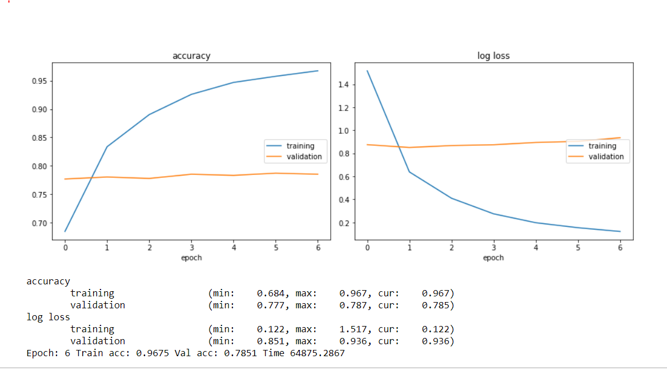
 |  |  |  |  |  |  |  | ResNet101_test
 |  |  |  |  |  |  |  | epochs |  | 7
 |  |  |  |  |  |  |  | Final resize |  | 144
 |  |  |  |  |  |  |  | Gilbert
 |  |  |  |  |  |  |  | Final Augmentation | rotation | 10
 |  |  |  |  |  |  |  |  | crop | 144,144, 10
 |  |  |  |  |  |  |  |  | randAffin | 0, translate=(0.01, 0.01))
 |  |  |  |  |  |  |  |  | horizontal flip | yes
 |  |  |  |  |  |  |  | Shen
 |  |  |  |  |  |  |  | Final Hyper parameters | Learning Rate | 1.00E-02
 |  |  |  |  |  |  |  |  | Momentum | 0.5
 |  |  |  |  |  |  |  |  | Weight Decay | 0.00E+00
 |  |  |  |  |  |  |  | Sokratis
 |  |  |  |  |  |  |  | Final batch size | train batch size | 64
 |  |  |  |  |  |  |  |  | test batch size | 1000
 |  |  |  |  |  |  |  | Niko
 |  |  |  |  |  |  |  | frozen convolutional layers |  | No

 |  |  |  |  |  |  |  | Best Result | Train accuracy | 0.967
 |  |  |  |  |  |  |  |  | Test accuracy | 0.787

