Sheet1
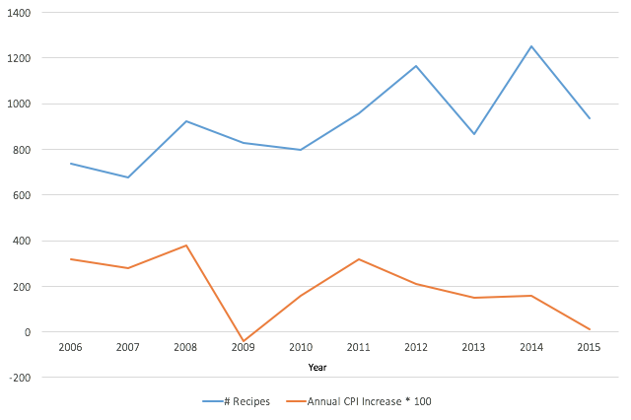
Year | # Recipes | Annual CPI Increase *100 | Annual CPI Increase in %
2006 | 739 | 320 | 3.2
2007 | 677 | 280 | 2.8
2008 | 923 | 380 | 3.8
2009 | 827 | -40 | -0.4
2010 | 798 | 160 | 1.6
2011 | 957 | 320 | 3.2
2012 | 1167 | 210 | 2.1
2013 | 865 | 150 | 1.5
2014 | 1253 | 160 | 1.6
2015 | 934 | 10 | 0.1

