SB01
Category: DOP – SDLC Automation
question_001 | A company has its on-premises data network connected to their AWS VPC via a Direct Connect connection. Their DevOps team is maintaining their Media Asset Management (MAM) system which uses a repository of over 50-TB digital videos and media files that are stored on their on-premises tape library. Due to the sheer size of their data, they want to implement an automated catalog system that will enable them to search their files using facial recognition. A catalog will store the faces of the people who are present in these videos including a still image of each person. Eventually, the media company would like to migrate these media files to AWS including the MAM video contents.

 | Which of the following provides a solution which uses the LEAST amount of ongoing management overhead and will cause MINIMAL disruption to the existing system?

 | Connect the on-premises file system to AWS Storage Gateway by setting up a file gateway appliance on-premises. Use the MAM solution to extract the media files from the current data store and send them into the file gateway. Populate a collection using Amazon Rekognition by building a catalog of faces from the processed media files. Launch a Lambda function to invoke Amazon Rekognition Javascript SDK to have it fetch the media files from the S3 bucket which is backing the file gateway. Retrieve the needed metadata using the Lambda function and store the information into the MAM solution.
 | Move all of the media files from the on-premises library into an EBS volume mounted on a large Amazon EC2 instance. Set up an open-source facial recognition tool in the instance. Process the media files to retrieve the metadata and store this information into the MAM solution. Copy the media files to an Amazon S3 bucket.
 | Using Amazon Kinesis Video Streams, create a video ingestion stream and build a collection of faces with Amazon Rekognition. Stream the media files from the MAM solution into Kinesis Video Streams. Configure Amazon Rekognition to process the streamed files. Set up a stream consumer to retrieve the required metadata, and store them into the MAM solution. Configure the stream to store the files in an Amazon S3 bucket.
 | Launch a tape gateway appliance in your on-premises data center and connect it to your AWS Storage Gateway service. Set up the MAM solution to fetch the media files from the current archive and store them into the tape gateway in the AWS Cloud. Build a collection from the catalog of faces using Amazon Rekognition. Set up an AWS Lambda function which invokes the Rekognition Javascript SDK to have Amazon Rekognition process the video directly from the tape gateway in real-time. Retrieve the required metadata and store them into the MAM solution.

question_002 | A company wants to implement a continuous delivery workflow that will facilitate the process for source code promotion in their development, staging, and production environments in AWS. In the event of system degradation or failure, they should also have the ability to roll back the recent deployment of their application.

 | Which of the following CI/CD designs is the MOST suitable one to implement and will incur the LEAST amount of downtime?

 | Create a single repository in AWS CodeCommit and create a development branch to hold merged changes. Set up AWS CodeBuild to build and test the code stored in the development branch which is triggered to run on every new commit. Merge to the master branch using pull requests that will be approved by senior developers. To deploy the latest code to the production environment, set up a blue/green deployment using AWS CodeDeploy.
 | Create several repositories in AWS CodeCommit for each of their developers and then create a centralized development branch to hold merged changes from each of the developer's repository. Set up AWS CodeBuild to build and test the code stored in the development branch. Merge to the master branch using pull requests that will be approved by senior developers. To deploy the latest code to the production environment, set up a blue/green deployment using AWS CodeDeploy.
 | Create a repository in AWS CodeCommit for the development environment and another one for the production environment. Set up AWS CodeBuild to build and merge the two repositories. Do a blue/green deployment using AWS CodeDeploy to deploy the latest code in production.
 | Create an Amazon ECR repository and then create a development branch to hold merged changes made by the developers. Set up AWS CodeBuild to build and test the code stored in the development branch which is triggered to run on every new commit. Merge to the master branch using pull requests that will be approved by senior developers. To deploy the latest code to the production environment, set up a blue/green deployment using AWS CodeDeploy.

question_003 | A commercial bank has a hybrid cloud architecture in AWS where its online banking platform is hosted. The CTO instructed its Lead DevOps Engineer to implement a suitable deployment set up that minimizes the impact on their production environment. The CI/CD process should be configured as follows:

 | A new fleet of Amazon EC2 instances should be automatically launched first before the actual production deployment. The additional instances will serve traffic during the deployment.
 | All available EC2 instances across various Availability Zones must be load-balanced and must automatically heal if it becomes impaired due to an underlying hardware failure in Amazon EC2.
 | At least half of the incoming traffic must be rerouted to the new application version that is hosted to the new instances.
 | The deployment should be considered successful if traffic is rerouted to at least half of the available EC2 instances.
 | All temporary files must be deleted before routing traffic to the new fleet of instances. Ensure that any other files that were automatically generated during the deployment process are removed.
 | To reduce costs, the EC2 instances that host the old version in the deployment group must be terminated immediately.

 | What should the Engineer do to satisfy these requirements?

 | Launch an Application Load Balancer and use in-place deployment for releasing new application versions. Use the CodeDeployDefault.OneAtAtime as the deployment configuration and associate the Auto Scaling group with the deployment group. Configure AWS CodeDeploy to terminate all EC2 instances in the original Auto Scaling group and use the AllowTraffic hook within the appspec.yml configuration file to purge the temporary files.
 | Launch an Application Load Balancer and use a blue/green deployment for releasing new application versions. Associate the Auto Scaling group and the Application Load Balancer target group with the deployment group. Create a custom deployment configuration for the deployment group in CodeDeploy with minimum healthy hosts defined as 50% and configure it to also terminate the original instances in the Auto Scaling group after deployment. Use the BeforeAllowTraffic Traffic hook within appsec.yml to purge the temporary files.
 | Launch an Application Load Balancer and use an in-place deployment for releasing new application versions. Associate the Auto Scaling group and Application Load Balancer target group with the deployment group. In CodeDeploy, use the CodeDeployDefault AllatOnce as a deployment configuration and add a configuration to terminate the original instances in the Auto Scaling group after the deployment. Use the BlockTraffic hook within appsec.yml to purge the temporary files.
 | Launch an Application Load Balancer and use a blue/green deployment for releasing new application versions. Associate the Auto Scaling group and the Application Load Balancer target group with the deployment group. In CodeDeploy, use the CodeDeployDefault.HalfAtAtime as the deployment configuration and configure it to terminate the original instances in the Auto Scaling group after deployment. Use the BlockTraffic hook within appspec.yml to purge the temporary files.

question_004 | You are using a cluster of Amazon Linux EC2 instances to host an online forum. AWS CodeDeploy is used for deploying the new version of the application. The AppSpec file has been modified to use custom, non-default settings to fit your application deployment needs. You configured a deployment script during the lifecycle event to download the application code and install a few packages needed for operation. This deployment script completes in about 1 to 2 minutes. During deployment, CodeDeploy reports that the deployment has failed but upon checking the generated logs, the deployment script has successfully finished.

 | Which of the following could be the possible cause of the failed deployment?

 | CodeDeploy has reached timeout while waiting for the long-running script to finish.
 | CodeDeploy has reached timeout because of misconfigured health check on ALB.
 | The deployment script returns a non-zero value signaling CodeDeploy that it failed.
 | The deployment script returns a zero value signaling CodeDeploy that it failed.

question_005 | A company is planning to host their enterprise application in an ECS Cluster which uses the Fargate launch type. The database credentials should be provided to the AMI by using environment variables for security purposes. A DevOps engineer was instructed to ensure that the credentials are secure when passed to the image and that the sensitive passwords cannot be viewed on the cluster itself. In addition, the credentials must be kept in a dedicated storage with lifecycle management and key rotation.

 | Which of the following is the MOST suitable solution that the engineer should implement with the LEAST amount of effort?

 | Upload and manage the database credentials using AWS Systems Manager Parameter Store then encrypt them using AWS KMS. Create an IAM Role for your Amazon ECS task execution role and reference it with your task definition, which allows access to both KMS and the Parameter Store. Within your container definition, specify secrets with the name of the environment variable to set in the container and the full ARN of the Systems Manager Parameter Store parameter containing the sensitive data to present to the container.
 | Store the database credentials in the ECS task definition file of the ECS Cluster and encrypt them with KMS. Store the task definition JSON file in a private Amazon S3 bucket. Ensure that HTTPS is enabled on the bucket to encrypt the data in-flight. Set up an IAM role to the ECS task definiton script that allows access to the specific S3 bucket and then pass the --cli-input-json parameter when calling the ECS register-task-definition. Reference the task definition JSON file in the S3 bucket which contains the database credentials.
 | Store the database credentials using the AWS Secrets Manager. Encrypt the credentials using AWS KMS. Create an IAM Role for your Amazon ECS task execution role and reference it with your task definition which allows access to both KMS and AWS Secrets Manager. Within your container definition, specify secrets with the name of the environment variable to set in the container and the full ARN of the Secrets Manager secret, which contains the sensitive data, to present to the container.
 | Store the database credentials using Docker Secrets in the ECS task definition file of the ECS Cluster where you can centrally manage sensitive data and securely transmit it to only those containers that need access to it. Ensure that the secrets are encrypted during transit and at rest.

question_006 | You have created a mobile app that allows users to rate and review hotels they have stayed on. The app is hosted on Docker containers deployed on Amazon ECS. You need to run validation scripts for new deployments to determine if the application is working as expected before allowing production traffic to flow to the new app version. You also want to configure automatic rollback if the validation is not successful.

 | Which of the following options will you do to implement this validation?

 | Create your validation scripts in AWS Lambda and define them on the BeforeAllowTraffic lifecycle hook of the AppSpec.yaml file. The functions can validate the deployment before allowing production traffic and rollback if the tests fail.
 | Create your validation scripts in AWS Lambda and define them on the AfterInstall lifecycle hook of the AppSpec.yaml file. The functions can validate the deployment after installing the new version and rollback if the tests fail.
 | Create your validation scripts in AWS Lambda and define them on the AfterAllowTraffic lifecycle hook of the AppSpec.yaml file. The functions can validate the deployment using production traffic and rollback if the tests fail.
 | Create your validation scripts in AWS Lambda and define them on the AfterAllowTestTraffic lifecycle hook of the AppSpec.yaml file. The functions can validate the deployment using the test traffic and rollback if the tests fail.

question_007 | A local e-commerce website is gaining an unprecedented number of users in the company’s home country to the point that people from other countries are requesting access to their site. In order to support the international growth of their flagship application, the company needs to add new features in their website to support shipping, value-added tax (VAT) calculations and other specific requirements for each new country. At the same time, they also have a set of new features that need to be developed for their e-commerce site, which is only specific to the existing local users. Each feature may take about 3 months to complete all the required planning, development, and testing stages.

 | As the DevOps Engineer, how should you properly manage the application feature deployments in the MOST efficient manner for this scenario?

 | In the application code repository in AWS CodeCommit, create a feature branch for each application feature that will be added. Once the feature is tested, merge the commits to the master or release branch.
 | In AWS CodeCommit, instruct the developers to commit the new code for the new features in the master branch. Delay all other application deployment related to international expansion until all features are ready for their local users. Implement feature flags in your application to enable or disable specific features.
 | Create a Git tag in CodeCommit to mark each commit with a label for each corresponding application feature.
 | Create a new repository for each new application feature in AWS CodeCommit and then commit all of the code changes to the respective repositories.

question_008 | A company has a suite of applications that are hosted in AWS and each app has its own AMI. Currently, a new AMI must be manually created and deployed to the server if there is a new application version. A DevOps engineer was instructed to automate the process of generating the AMIs to streamline the company’s CI/CD workflow. The ID of the newly created AMI must be stored in a centralized location where other build pipelines can programmatically access it.

 | Which of the following is the MOST cost-effective way to accomplish this requirement with the LEAST amount of overhead?

 | Using AWS Systems Manager, create an Automation document with values that configure how the machine image should be created. Launch a new pipeline with a custom action in AWS CodePipeline and integrate it with Amazon Eventbridge to execute the automation document. Build the AMI when the process is triggered. Store the AMI IDs in Systems Manager Parameter Store.
 | Using AWS CodePipeline, set up a new pipeline that will take an EBS snapshot of the EBS-backed EC2 instance which runs the latest version of each application. Launch a new EC2 instance from the generated snapshot and update the running instance using a Lambda function. Take a snapshot of the updated EC2 instance and then afterward, convert it to an Amazon Machine Image (AMI). Store all of the AMI IDs in an S3 bucket.
 | Use an open-source machine image creation tool such as Packer then configure it with values defining how the AMI should be created. Set up a Jenkins pipeline hosted in a large EC2 instance to start the Packer when triggered to build an AMI. Store the AMI IDs to an Amazon DynamoDB table.
 | Set up a brand new pipeline in AWS CodePipeline with several EC2 instances for processing. Configure it to download and save the latest operating system of the application in an Open Virtualization Format (OVF) image format and then store the image in an S3 bucket. Customize the image using guestfish interactive shell or the virt-rescue shell. Convert the OVF to an AMI using the virtual machine (VM) import command and then store the AMI IDs in AWS Systems Manager Parameter Store.

question_009 | An IT consulting firm has a Docker application hosted on an Amazon ECS cluster in their AWS VPC. It has been encountering intermittent unavailability issues and time outs lately, which affects their production environment. A DevOps engineer was instructed to instrument the application to detect where high latencies are occurring and to determine the specific services and paths impacting application performance.

 | Which of the following steps should the Engineer do to accomplish this task properly?

 | Produce a Docker image that runs the X-Ray daemon. Upload the image to a Docker image repository, and then deploy it to your Amazon ECS cluster. Configure the network mode settings and port mappings in your task definition file to allow traffic on UDP port 2000.
 | Produce a Docker image that runs the X-Ray daemon. Upload the image to a Docker image repository and then deploy it to your Amazon ECS cluster. Configure the network mode settings and port mappings in the container agent to allow traffic on TCP port 2000.
 | In the Amazon ECS container agent configuration, pass a user data script in the /etc/ecs/ecs.config file that will install the X-Ray daemon. The script will automatically run when the Amazon ECS container instance is launched. Configure the network mode settings and port mappings in the container agent to allow traffic on TCP port 3000.
 | Add the xray-daemon.config configuration file in your Docker image. Set up the port mappings and network mode settings in your task definition file to allow traffic on UDP port 2000.

question_010 | You have created a new Elastic Beanstalk environment to be used as a pre-production stage for load testing new code version. Since code changes are committed on a regular basis, you sometimes need to deploy new versions 2 to 3 times each day. You need to deploy a new version as quickly as possible in a cost-effective way to give ample time for the QA team to test it.

 | Which of the following implementations is suited for this scenario?

 | Implement a blue/green deployment strategy to have the new version ready for quick switching.
 | Use All at once as deployment policy to deploy new versions.
 | Use Rolling as the deployment policy to deploy new versions.
 | Use Immutable as the deployment policy to deploy code on new instances.

question_011 | A DevOps Engineer recently completed the CI/CD automation process in her organization. She used AWS CodeCommit, AWS CodeBuild, AWS CodeDeploy, and AWS CodePipeline to build, test, and deploy applications automatically to several On-Demand EC2 Instances. Her manager assigned a new task of including a step that performs a security assessment scan of the operating system on every application deployment.

 | How should the Engineer automate the security check?

 | Monitor the Auto Scaling event notifications for launching new EC2 instances using Amazon CloudWatch Events. Configure CloudWatch Events to trigger an AWS X-Ray scan to your instances.
 | Monitor the AWS CodeDeploy notifications when a code deployment has been successfully completed using Amazon CloudWatch Events. Configure CloudWatch Events to trigger an Amazon Inspector scan to your instances.
 | Monitor the Auto Scaling event notifications for launching new EC2 instances using Amazon CloudWatch Events. Configure CloudWatch Events to trigger an Amazon Inspector scan to your instances.
 | Monitor the AWS CodeDeploy notifications for launching new EC2 instances using Amazon CloudWatch Events. Configure CloudWatch Events to trigger an AWS X-Ray scan to your instances.

question_012 | You are using CloudFormation Stacks to provision your cloud infrastructure. It is hosted on a Git repository on AWS CodeCommit. Since the stacks are an integral part of your infrastructure, you have designated your team leader as the only authority to commit changes to the master branch of your repository. You want to give full access permissions to team members on the DEV and STG branches while the team leader approves each merge request to the master branch.

 | Which of the following options will you implement to achieve this?

 | Create an IAM group for team members and another IAM group for the team leader, both with AWSCodeCommitPowerUser policy attached. Attach another IAM policy to the team members' group that denies Push, Delete, and Merge APIs of CodeCommit on the master branch.
 | Create an IAM group for team members and another IAM group for the team leader, both with AWSCodeCommitReadOnly policy attached. Attach another IAM policy to the team leaders' group that allows Push, Delete, and Merge APIs of CodeCommit on the master branch.
 | Create an IAM group for team members with AWSCodeCommitPowerUser policy attached and another IAM group for the team leader with AWSCodeCommitFullAccess policy attached. By default, the AWSCodeCommitPowerUser does not allow Delete and Merge actions on the master branch.
 | Create an IAM group for team members with AWSCodeCommitReadOnly policy attached and another IAM group for the team leader with AWSCodeCommitFullAccess policy attached. Attach another IAM policy to the team members' group that allows only Pull, Push, Delete and Merge APIs of CodeCommit on the DEV and STG branch.

question_013 | A global cryptocurrency trading company has a suite of web applications hosted in an Auto Scaling group of Amazon EC2 instances across multiple Available Zones behind an Application Load Balancer to distribute the incoming traffic. The Auto Scaling group is configured to use Elastic Load Balancing health checks for scaling instead of the default EC2 status checks. However, there are several occasions when some instances are automatically terminated after failing the HTTPS health checks in the ALB that purges all the logs stored in the instance. To improve system monitoring, a DevOps Engineer must implement a solution that collects all of the application and server logs effectively. The Operations team should be able to perform a root cause analysis based on the logs, even if the Auto Scaling group immediately terminated the instance.

 | How can the DevOps Engineer automate the log collection from the Amazon EC2 instances with the LEAST amount of effort?

 | Delay the termination of unhealthy Amazon EC2 instances by adding a lifecycle hook to your Auto Scaling group to move instances in the Terminating state to the Terminating:Wait state. Set up a CloudWatch Events rule for the EC2 Instance Terminate Successful Auto Scaling Event with an associated Lambda function. Use the AWS Systems Manager Run Command to run a script that collects and uploads the application logs from the instance to a CloudWatch Logs group. Resume the instance termination once all the logs are sent.
 | Delay the termination of unhealthy Amazon EC2 instances by adding a lifecycle hook to your Auto Scaling group to move instances in the Terminating state to the Terminating:Wait state. Set up a CloudWatch Events rule for the EC2 Instance-terminate Lifecycle Action Auto Scaling Event with an associated AWS Systems Manager Automation document. Trigger the CloudWatch agent to push the application logs and then resume the instance termination once all the logs are sent to CloudWatch Logs.
 | Delay the termination of unhealthy Amazon EC2 instances by adding a lifecycle hook to your Auto Scaling group to move instances in the Terminating state to the Terminating:Wait state. Use AWS Step Functions to collect the application logs and send them to a CloudWatch Log group. Resume the instance termination once all the logs are sent to CloudWatch Logs.
 | Delay the termination of unhealthy Amazon EC2 instances by adding a lifecycle hook to your Auto Scaling group to move instances in the Terminating state to the Pending:Wait state. Set up a CloudWatch Events rule for the EC2 Instance-terminate Lifecycle Action Auto Scaling Event with an associated Lambda function. Use the AWS Systems Manager Automation to run a script that collects and uploads the application logs from the instance to a CloudWatch Logs group. Resume the instance termination once all the logs are sent.

question_014 | A company is running a batch job hosted on AWS Fargate to process large ZIP files. The job is triggered whenever files are uploaded on an Amazon S3 bucket. To save costs, the company wants to set the minimum number of ECS Tasks to 1, and only increase the task count when objects are uploaded to the S3 bucket again. Once processing is complete, the S3 bucket should be emptied out and all ECS tasks should be stopped. The object-level logging has already been enabled in the bucket.

 | Which of the following options is the EASIEST way to implement this?

 | Use CloudWatch Alarms on CloudTrail since the S3 object-level operations are recorded on CloudTrail. Create two Lambda functions for increasing/decreasing the ECS task count. Set these as respective targets for the CloudWatch Alarm depending on the S3 event.
 | Create a CloudWatch Event rule to detect S3 object PUT operations and set the target to a Lambda function that will run Amazon ECS API command to increase the number of tasks on ECS. Create another rule to detect S3 DELETE operations and run the Lambda function to reduce the number of ECS tasks.
 | Create a CloudWatch Event rule to detect S3 object PUT operations and set the target to the ECS cluster to run a new ECS task. Create another rule that detects S3 DELETE operations. Set the target to a Lambda function that will stop all ECS tasks.
 | Use CloudWatch Alarms on CloudTrail since this S3 object-level operations are recorded on CloudTrail. Set two alarm actions to update ECS task count to scale-out/scale-in depending on the S3 event.

question_015 | An insurance firm has recently undergone digital transformation and AWS cloud adoption. Its app development team has four environments, namely DEV, TEST, PRE-PROD, and PROD, for its flagship application that is configured with AWS CodePipeline. After several weeks, they noticed that there were several outages caused by misconfigured files or faulty code blocks that were deployed into the PROD environment. A DevOps Engineer has been assigned to add the required steps to identify issues in the application before it is released.

 | Which of the following is the MOST appropriate combination of steps that the Engineer should implement to identify functional issues during the deployment process? (Select TWO.)

 | In the pipeline, add an AWS CodeDeploy action to deploy the latest version of the application to the PRE-PROD environment. Set up a manual approval action in the pipeline so that the QA team can perform the required tests. Add another CodeDeploy action that deploys the verified code to the PROD environment after the manual approval action.
 | Migrate the pipeline from CodePipeline to AWS Data Pipeline to enable more CI/CD features. Add a test action that uses Amazon Macie to the pipeline. Run an assessment using the Runtime Behavior Analysis rules package to verify that the deployed code complies with the strict security standards of the company before deploying it to the PROD environment.
 | Add a test action that uses Amazon Inspector to the pipeline. Run an assessment using the Runtime Behavior Analysis rules package to verify that the deployed code complies with the strict security standards of the company before deploying it to the PROD environment.
 | Add a test action to the pipeline to run both the unit and functional tests using AWS CodeBuild. Verify that the test results passed before deploying the new application revision to the PROD environment.
 | Add a test action that uses Amazon GuardDuty to the pipeline. Run an assessment using the Runtime Behavior Analysis rules package to verify that the deployed code complies with the strict security standards of the company before deploying it to the PROD environment.

question_016 | Your development team uploads a new version of the company’s web store app on Amazon ECR. To simplify tracking of versions, they tag the latest image as “store-prd:latest”. You are automating the deployment of the new version using AWS CLI command so that the new image will be pulled from ECR and deployed on your ECS Fargate cluster. However, the latest image is not being deployed when you run the following aws cli command:

 | aws ecs update-service --service store-prd --task-definition task-store-prd

 | Which of the following options will solve this problem?

 | Add --platform-version=latest option to your AWS CLI command so that ECS re-deploys the cluster pulling the new image.
 | Update the task definition with the new image ARN from ECR so that ECS re-deploys the cluster pulling the new image.
 | Add --force-new-deployment option to the AWS CLI command so that ECS re-deploys your cluster pulling the new image.
 | Add --re-deploy=yes option to the AWS CLI command so that ECS re-deploys the cluster pulling the new image.

question_017 | A company has an Amazon ECS cluster with Service Auto Scaling which consists of multiple Amazon EC2 instances that runs a Docker-based application. The development team always pushes a new image to a private Docker container registry whenever they publish a new version of their application. They stop and start all of the tasks to ensure that the containers have the latest version of the application. However, the team noticed that the new tasks are occasionally running the old image of the application.

 | As the DevOps engineer, what should you do to fix this issue?

 | Restart the ECS agent.
 | Ensure that the latest tag is being used in the Docker image of the task definition.
 | Configure the task definition to use the repository-url/image@digest format then manually update the SHA-256 digest of the image.
 | Migrate your repository from your private Docker container registry to Amazon ECR.

question_018 | A government agency is planning to launch a distributed system in AWS that processes thousands of transactions every day. The agency purchased a proprietary software with 100 licenses, which can be used by a maximum of 100 application servers. A DevOps Engineer needs to set up an automated solution that dynamically allocates the software licenses to the application servers. The Engineer also needs to provide a way to see the list of available licenses that are not in use.

 | Which of the following options below is the MOST suitable way to accomplish this task?

 | Prepare a CloudFormation template that uses an Auto Scaling group to launch the EC2 instances with an associated lifecycle hook for Instance Terminate. Store the 100 license codes to a DynamoDB table. Pull an available license from the DynamoDB table using the User Data script of the instance upon launch. Use the lifecycle hook to update the license mapping after the instance is terminated.
 | Prepare a CloudFormation template that uses an Auto Scaling group to launch the EC2 instances with an associated lifecycle hook for Instance Terminate. Store the 100 license codes to AWS Certificate Manager (ACM). Pull an available license from ACM using the User Data script of the instance upon launch. Use the lifecycle hook to update the license mapping after the instance is terminated.
 | Prepare a CloudFormation template that uses an Auto Scaling group to launch the EC2 instances. Store the 100 license codes to AWS Systems Manager Parameter Store. Pull an available license from the Systems manager using the instance metadata script of the instance upon launch. Configure the metadata script to update the license mapping after the instance is terminated.
 | Prepare a CloudFormation template that uses an Auto Scaling group to launch the EC2 instances with an associated lifecycle hook for Instance Terminate. Store the 100 license codes to a public S3 bucket. Pull an available license from the bucket using the User Data script of the instance upon launch. Use the lifecycle hook to update the license mapping after the instance is terminated.

question_019 | A startup recently hired you as a replacement for their DevOps engineer who abruptly resigned from his position. Since there was no time for him to hand over his tasks to anyone, you have to start from scratch and understand the current configurations he made in the client’s AWS account. You saw that there is an existing CloudWatch Events rule with a custom event pattern as shown below:
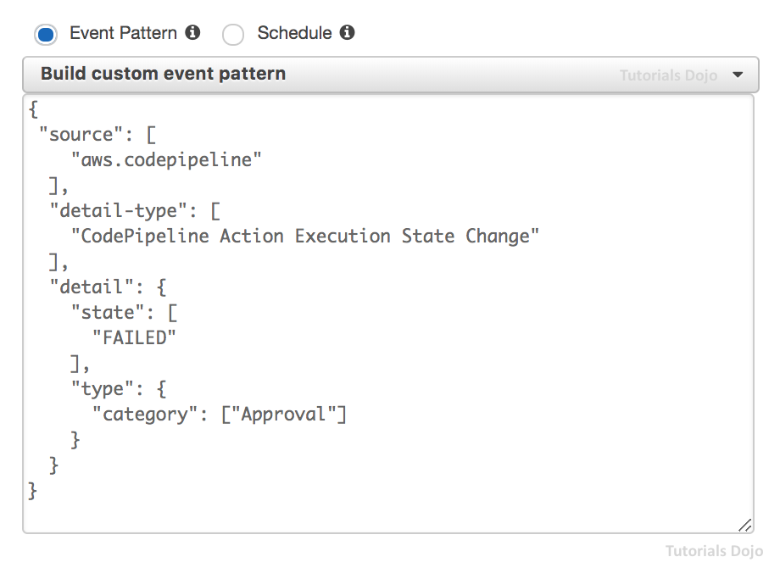

 | What does this CloudWatch Events rule do?

 | It will capture all rejected or failed build actions across all the pipelines in AWS CodePipeline and send a notification.
 | It will capture all rejected or failed approval actions across all the pipelines in AWS CodePipeline and send a notification.
 | It will capture all manual approval actions across all the pipelines in AWS CodePipeline and send a notification.
 | It will capture all pipelines with a FAILED state in AWS CodePipeline and send a notification.

question_020 | A government online portal that allows you to lodge your tax return is hosted in AWS. The portal uses a MEAN application stack with GraphQL API as its backend and a DynamoDB table as its data store. It is also utilizing several custom Chef recipes that are stored in a private Git repository. Since the portal has predictable peak traffic times, the company instructed its DevOps Engineer to configure their system to scale up the application instances only during the peak times. The deployment should perform rolling updates to the application environment with the least amount of management overhead for easy maintenance.

 | Which among the options below provides the MOST cost-effective solution?

 | Using AWS OpsWorks Stacks, create a new stack with a custom cookbook and upload the custom recipes to an S3 bucket. Modify the configuration of the custom recipes to point to the S3 bucket. Add a new application layer for a standard Node.js application server. Configure the custom recipe to deploy the application using the S3 bucket. Set up time-based instances and attach an IAM role that provides permission to access the DynamoDB table.
 | Migrate the application to Elastic Beanstalk. Configure the environment to use Rolling as its deployment policy. Attach the required IAM role that provides permission to the instances to access the DynamoDB table.
 | Migrate the application to Elastic Beanstalk. Configure the environment to use RollingWithAdditionalBatch as its deployment policy. This will launch an extra batch of instances first before starting the deployment in order to maintain full capacity. Attach the required IAM role that provides permission to the instances to access the DynamoDB table
 | Create a new stack using AWS OpsWorks Stacks and push the custom recipes to an S3 bucket. Modify the configuration of the custom recipes to point to the Amazon S3 bucket. Add a new application layer for a standard Node.js application server. Configure the custom recipe to deploy the application using the S3 bucket. Set up load-based instances and attach an IAM role that provides permission to access the DynamoDB table.

question_021 | The Development team of a leading IT consultancy company would like to add a manual approval action before their new application versions are deployed to their production environment. The approval action must be strictly enforced even if the unit and integration tests are all successful. They have set up a pipeline using CodePipeline to orchestrate the workflow of their continuous integration and continuous delivery processes. The new versions of the application are built using CodeBuild and are deployed to a fleet of Amazon EC2 instances using CodeDeploy.

 | Which of the following provides the SIMPLEST and the MOST cost-effective solution?

 | After the last deploy action of the pipeline, set up a manual approval action and inform the team of the stage being triggered using SNS. In CodeBuild, add the required actions to automatically do the unit and integration tests. Add a deploy action to deploy the app to the next stage at the end of the pipeline.
 | After the last deploy action of the pipeline, set up a test action to verify the application's functionality. Add the required action steps to automatically do the unit and integration tests using a third-party CI/CD Tool such as GitLab or Jenkins hosted in Amazon EC2. Mark the action as successful if all of the tests have been successfully passed. Create a manual approval action and inform the team of the stage being triggered using SNS. Add a deploy action to deploy the app to the next stage at the end of the pipeline.
 | After the last deploy action of the pipeline, set up a test action to verify the application's functionality. In CodeBuild, add the required actions to automatically do the unit and integration tests. Mark the action as successful if all of the tests have been successfully passed. Create a custom action with a corresponding custom job worker that performs the approval action. Inform the team of the stage being triggered using SNS. Add a deploy action to deploy the app to the next stage at the end of the pipeline.
 | After the last deploy action of the pipeline, set up a test action to verify the application's functionality. Add the required action steps to automatically do the unit and integration tests using AWS Step Functions. Mark the action as successful if all of the tests have been successfully passed. Create a manual approval action and inform the team of the stage being triggered using SNS. Add a deploy action to deploy the app to the next stage at the end of the pipeline.

question_022 | You are developing a marketplace app for emoji stickers hosted in Docker containers deployed on Amazon ECS. For each deployment, you need to verify that the set of core APIs are working before continuing to allow production traffic to flow on the new app version. If the API tests are unsuccessful, the deployment will automatically rollback to the older version. Your validation scripts are a set of functions on AWS Lambda which should run for each deployment.

 | How can you implement this verification effectively?

 | Define your Lambda functions in the AfterAllowTestTraffic lifecycle hook of the AppSpec.yaml file. Configure the Lambda functions to validate the deployment using the test traffic and rollback if the tests fail.
 | Define your Lambda functions in the AfterInstall lifecycle hook of the AppSpec.yaml file. Configure the Lambda functions to validate the deployment after installing the new version and rollback if the tests fail.
 | Define your Lambda functions in the BeforeAllowTraffic lifecycle hook of the AppSpec.yaml file. Configure the Lambda functions to validate the deployment before allowing production traffic and rollback if the tests fail.
 | Define your Lambda functions in the AfterAllowTraffic lifecycle hook of the AppSpec.yaml file. Configure the Lambda functions to validate the deployment using production traffic and rollback if the tests fail.

question_023 | You are hosting several repositories of your application code on AWS CodeCommit. You are the only developer at the moment and have full access to your AWS Account. However, a new team will be joining your group to help accelerate the development of a project hosted on one of your repositories. You want each member to have read/write access on that repository so that they can freely commit and push code using their IAM CodeCommit Git credentials. For security purposes, the members should not be allowed to delete CodeCommit repositories.

 | Which of the following steps will give them the proper access needed?

 | Create a new IAM group and add the new team members in this group. Attach the AWSCodeCommitReadOnly policy to this group to allow access to all of the functionality of CodeCommit and repository-related resources.
 | Create a new IAM group and add the new team members in this group. Attach the AWSCodeCommitFullAccess policy to this group to allow access to all of the functionality of CodeCommit and repository-related resources.
 | Create a new IAM group and add the new team members in this group. Attach the AmazonCodeGuruReviewerPowerUser policy to this group to allow access to all of the functionality of CodeCommit and repository-related resources. This will also enable the Amazon CodeGuru Reviewer to automatically analyze the pull requests that developers make.
 | Create a new IAM group and add the new team members on this group. Attach the AWSCodeCommitPowerUser policy to this group to allow user access to all of the functionality of CodeCommit and repository-related resources.

question_024 | A leading telecommunications company is using CloudFormation templates to deploy enterprise applications to their production, staging, and development environments in AWS. Their current process involves manual changes to their CloudFormation templates in order to specify the configuration variables and static attributes for each environment. The DevOps Engineer was tasked to set up automated deployments using AWS CodePipeline and ensure that the CloudFormation template is reusable across multiple pipelines.

 | How should the DevOps Engineer satisfy this requirement?

 | Set up a Lambda-backed custom resource in the CloudFormation templates. Configure the custom resource to monitor the status of the pipeline in AWS CodePipeline in order to detect which environment was launched. Use the cfn-init helper script to modify the launch configuration of each application stack based on its environment.
 | Launch a new pipeline using AWS CodePipeline that has multiple stages for each environment and configure it to use input parameters. Switch the associated UserData of the EC2 instances to match the environment where the application stack is being launched using CloudFormation mappings. Specify parameter overrides for AWS CloudFormation actions.
 | Manually configure the CloudFormation templates to use input parameters. Add a configuration that whenever the CloudFormation stack is updated, it will dynamically modify the LaunchConfiguration and UserData sections of the EC2 instances.
 | Launch a new pipeline using AWS CodePipeline for each environment with multiple stages for each application. Trigger the CloudFormation deployments using a Lambda function to dynamically modify the UserData of the EC2 instances that were launched in each environment.

question_025 | A company is receiving a high number of bad reviews from their customers lately because their website takes a lot of time to load. Upon investigation, there is a significant latency experienced whenever a user logs into their site. The DevOps Engineer configured CloudFront to serve the static content to its users around the globe, yet the problem still persists. There are times when their users get HTTP 504 errors in the login process. The engineers were tasked to fix this problem immediately to prevent users from unsubscribing on their website which will result in financial loss to the company.

 | Which combination of options below should the DevOps Engineer use together to set up a solution for this scenario with MINIMAL costs? (Select TWO.)

 | Replicate your application stack to multiple AWS regions to serve your users around the world. Set up a Route 53 record with Latency routing policy that will automatically route traffic to the region with the best latency to the user.
 | Deploy your application stack to multiple and geographically disperse VPCs on various AWS regions. Set up a Transit VPC to easily connect all your VPCs and resources. Using the AWS Serverless Application Model (SAM) service, deploy several AWS Lambda functions in each region to improve the overall application performance.
 | Use Lambda@Edge to customize the content that the CloudFront distribution delivers to your users across the globe. This will allow the Lambda functions to execute the authentication process in a specific AWS location that is proximate to the user.
 | Create an origin group with two origins to set up an origin failover in Amazon CloudFront. Specify one as the primary origin and the other as the second origin. This configuration will cause the CloudFront service to automatically switch to the second origin in the event that the primary origin returns specific HTTP status code failure responses.
 | In CloudFront, add a Cache-Control max-age directive to your objects. Improve the cache hit ratio by setting the longest practical value for max-age of your CloudFront distribution.

question_026 | To further improve the company’s CI/CD process, the company instructed their DevOps team to implement a notification system which will alert them for any failures in their pipelines in AWS. You were assigned to review the custom event pattern in Amazon CloudWatch Events that was prepared by one of your junior DevOps engineers as shown below:
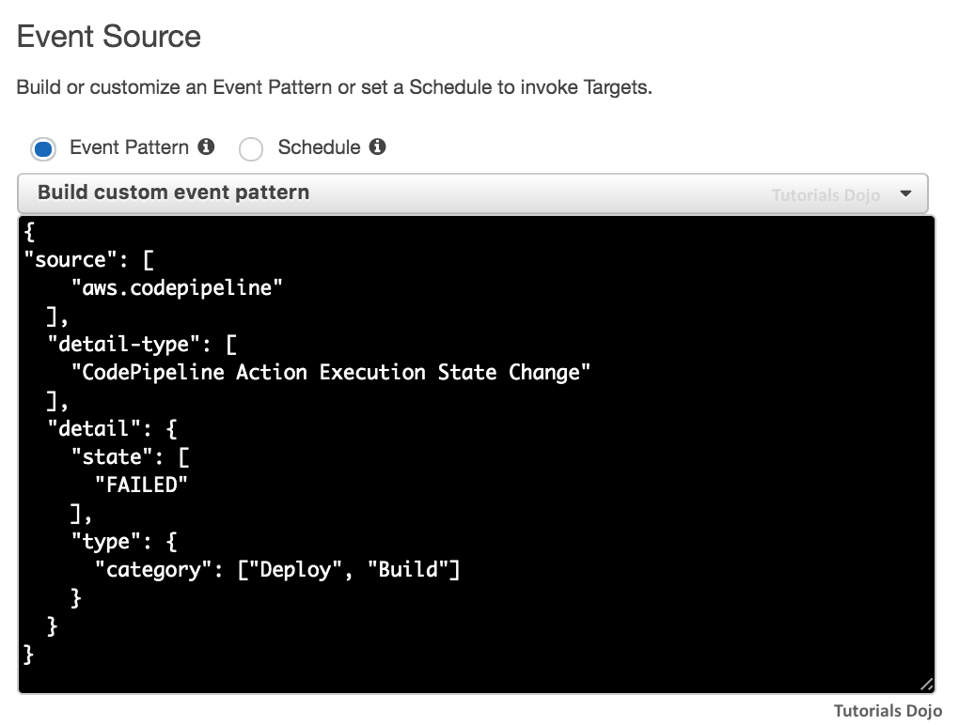

 | Which of the following will match this event pattern?

 | All failed deploy and build actions across all the pipelines
 | There will be no match since the custom event pattern is invalid.
 | All failed deploy and build pipelines
 | All failed deploy and build stage across all the pipelines

question_027 | You are deploying a critical web application with Elastic Beanstalk using the “Rolling” deployment policy. Your Elastic Beanstalk environment configuration has an RDS DB instance attached to it and used by your application servers. The deployment failed when you deployed a major version. And it took even more time to rollback changes because you have to manually redeploy the old version.

 | Which of the following options will you implement to prevent this from happening in future deployments?

 | Implement a Blue/green deployment strategy in your Elastic Beanstalk environment for future deployments of your web application. Ensure that the RDS DB instance is still tightly coupled with the environment.
 | Configure Rolling with additional batch as the deployment policy in your Elastic Beanstalk environment for future deployments of your web application.
 | Configure All at once as the deployment policy in your Elastic Beanstalk environment for future deployments of your web application.
 | Configure Immutable as the deployment policy in your Elastic Beanstalk environment for future deployments of your web application.

question_028 | You are working on a web application that allows designers to create mobile themes for their android phones. The app is hosted on a cluster of Auto Scaling ECS instances and its deployments are handled by AWS CodeDeploy. ALB health checks are not sufficient to tell that new version deployments are successful, rather you have custom validation scripts that verify all APIs of the application. You want to make sure that there are no 5XX error replies on the new version before continuing production deployment and that you are notified via email if results failed. You also want to configure automatic rollback to the older version when the validation fails.

 | Which combination of options should you implement to meet this requirement? (Select THREE.)

 | Associate CloudWatch Alarms to your deployment group to have it trigger a rollback when the 5xx error alarm is active.
 | Create your validation scripts on AWS Lambda and invoke them after deployment to validate your new app version.
 | Create your validation scripts on AWS Lambda and define the functions on the AppSpec lifecycle hook to validate the app using test traffic.
 | Have Lambda send results to AWS CloudWatch Alarms directly and trigger a rollback when 5xx reply errors are received during deployment.
 | Have AWS Lambda trigger an AWS SNS notification after performing the validation of the new app revision.
 | Have AWS CloudWatch Alarms trigger an AWS SNS notification when the threshold for 5xx is reached on CloudWatch.

question_029 | A leading software development company is using AWS CodeCommit as the source control repository of one of its cloud-based applications. There is a new requirement to automate its continuous integration and continuous deployment pipeline on its development, testing, and production environments. A security code review must be done to ensure that there is no leaked Personally Identifiable Information (PII) or other sensitive data. Each change should go through both unit testing as well as functional testing. Any code push to CodeCommit should automatically trigger the CI/CD pipeline, and an email notification to devops-administrators@tutorialsdojo.com should be sent in the event of build or deployment failures. In addition, an approval to stage the assets to Amazon S3 after tests should also be performed. The solution must strictly follow the CI/CD best practices.

 | Which among the following options should a DevOps Engineer implement to satisfy all of the requirements above?

 | Configure the AWS CodePipeline to have a trigger to start off the pipeline when a new code change is committed on a certain code branch. In the pipeline, set up the required stages for security review, unit tests, functional tests, and manual approval. Use Amazon CloudWatch Events to detect changes in pipeline stages. Send an email notification to devops-administrators@tutorialsdojo.com using Amazon SNS.
 | Configure the AWS CodePipeline to have a trigger to start off the pipeline when a new code change is committed on the master branch. In the pipeline, set up the required stages for security review, unit tests, functional tests, and manual approval. Use CloudTrail to detect changes in pipeline stages. Send an email notification to devops-administrators@tutorialsdojo.com using Amazon SNS.
 | Configure AWS CodePipeline to have a trigger to start off the pipeline when a new code change is committed on a certain branch. Add the required stages in the pipeline for security review, unit tests, functional tests, and manual approval. Use CloudWatch Events to detect changes in pipeline stages. Send an email notification to devops-administrators@tutorialsdojo.com using Amazon SES.
 | Configure AWS CodePipeline to have a trigger to start off the pipeline when a new code change is committed on the master branch. Add the required stages in the pipeline for security review, unit tests, functional tests, and manual approval. Use CloudWatch Logs to detect changes in pipeline stages. Send an email notification to devops-administrators@tutorialsdojo.com using Amazon SES.

question_030 | A leading game development company is planning to host its latest video game on AWS. It is expected that there will be millions of users around the globe that will play the game. The architecture should allow players to send or receive data on the backend in real-time for a better gaming experience. The application libraries and user data of the game must also comply with the data residency requirement wherein all files must remain in the same region. CodeCommit, CodeBuild, CodeDeploy, and CodePipeline should be utilized to build the CI/CD process.

 | As a DevOps Engineer, which of the following is the MOST suitable and efficient solution that you should implement to satisfy this requirement?

 | Create a new pipeline using AWS CodePipeline and a CodeCommit repository as the source in your primary AWS region. Configure the repository to trigger the build and deployment actions whenever there is a new code update. Using the AWS Management Console, set up the pipeline to use cross-region actions that will run the build and deployment actions to other regions. The pipeline will automatically store output files on a default artifact bucket on each region.
 | Create a new pipeline using AWS CodePipeline and a CodeCommit repository as the source in your primary AWS region. Set a CodeBuild test action to run the automated unit and integration tests. Configure the repository to trigger the build and deployment actions whenever there is a new code update. Using the AWS Management Console, set up the pipeline to use cross-region actions that will run the build and deployment actions to other regions. Manually configure the pipeline to automatically store output files on a single S3 bucket.
 | Create a new pipeline using AWS CodePipeline and a CodeCommit repository as the source in your primary AWS region. Configure the repository to trigger the build and deployment actions whenever there is a new code update. Using the AWS Management Console, set up the pipeline to use cross-AZ actions that will run the build and deployment actions to other Availability Zones. The pipeline will automatically store output files on a default artifact bucket on each AZ.
 | Create a new pipeline using AWS CodePipeline and a CodeCommit repository as the source on multiple AWS regions. Configure the repository of the pipeline for each region to trigger the build and deployment actions whenever there is a new code update. The pipeline will automatically store output files on a default artifact bucket on each region.

SB02
Category: DOP – Configuration Management and Infrastructure as Code
question_001 | A technology company is planning to develop its custom online forum that covers various AWS-related technologies. They are planning to use AWS Fargate to host the containerized application and Amazon DynamoDB as its data store. The DevOps team is instructed to define the schema of the DynamoDB table with the required indexes, partition key, sort key, projected attributes, and others. To minimize cost, the schema must support certain search operations using the least provisioned read capacity units. A Thread attribute contains the user comments in JSON format. The sample data set is shown in the diagram below:
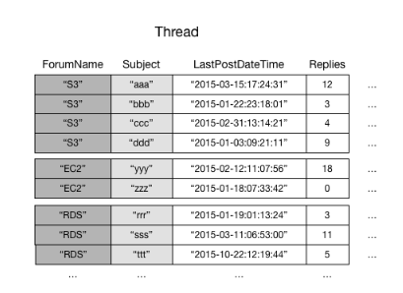

 | The online forum should support searches within ForumName attribute for items where the Subject begins with a particular letter, such as ‘a’ or ‘b’. It should allow fetches of items within the given LastPostDateTime time frame as well as the capability to return the threads that have been posted within the last quarter.

 | Which of the following schema configuration meets the above requirements?

 | Set the Subject attribute as the primary key and ForumName as the sort key. Create a Local Secondary Index with LastPostDateTime as the sort key and the Thread as a projected attribute.
 | Set the ForumName attribute as the primary key and Subject as the sort key. Create a Local Secondary Index with LastPostDateTime as the sort key and the Thread as a projected attribute.
 | Set the Subject attribute as the primary key and ForumName as the sort key. Create a Global Secondary Index with Thread as the sort key and LastPostDateTime as a projected attribute.
 | Set the ForumName attribute as the primary key and Subject as the sort key. Create a Global Secondary Index with Thread as the sort key and fetch operations for LastPostDateTime.

question_002 | A company has recently developed a serverless application that is composed of several Lambda functions and a DynamoDB database. For the CI/CD process, you have built a continuous deployment pipeline using AWS CodeCommit, AWS CodeBuild, and AWS CodePipeline. You have also configured the source, build, test, and deployment stages of the pipeline of the application. However, upon review, the Lead DevOps engineer asked you to improve the current pipeline configuration that you’ve made to mitigate the risk of failed deployments. The deployment stage should release the new application version to a small subset of users only for verification before fully releasing the change to all users. The pipeline’s deployment stage must be modified to meet this requirement.

 | Which of the following is the MOST suitable setup that you should implement?

 | Develop a custom script that uses AWS CLI to update the Lambda functions. Integrate the script in CodeBuild that will automatically publish the new version of the application by switching to the production alias.
 | Publish a new version on the serverless application using CloudFormation. Set up a manual approval action in CodePipeline in order to verify and approve the version that will be deployed. Once the change has been verified, invoke the Lambda functions to use the production alias using CodePipeline.
 | Use AWS CloudFormation to define and publish the new version of the serverless application. Deploy the new version of the AWS Lambda functions with AWS CodeDeploy using the CodeDeployDefault.LambdaAllAtOnce predefined deployment configuration.
 | Define and publish the new version on the serverless application using CloudFormation. Deploy the new version of the AWS Lambda functions with AWS CodeDeploy using the CodeDeployDefault.LambdaCanary10Percent5Minutes predefined deployment configuration.

question_003 | A leading commercial bank has its online banking application hosted in AWS. It uses an encrypted Amazon S3 bucket to store the confidential files of its customers. Their DevOps team has configured federated access to a particular Active Directory user group from their on-premises network to allow access to the S3 bucket. For audit purposes, there is a new requirement to automatically detect any policy changes that are related to the restricted federated access of the bucket and to have the ability to revert any accidental changes made by the administrators.

 | Which of the following options provides the FASTEST way to detect configuration changes?

 | Integrate CloudWatch Events and a Lambda function to create a scheduled job that runs every hour to scan the IAM policy attached to the federated access role. Configure the function to detect as well as revert any recent changes made in the current configuration.
 | Set up an AWS Config rule with a periodic trigger that runs every hour which will detect any changes in the S3 bucket configuration. Associate a Lambda function in the rule that will revert any recent changes made in the bucket.
 | Set up an AWS Config rule with a configuration change trigger that will detect any changes in the S3 bucket configuration and which will also invoke an AWS Systems Manager Automation document with a Lambda function that will revert any changes.
 | Using Amazon CloudWatch Events, integrate an Event Bus with AWS CloudTrail API in order to trigger an AWS Lambda function that will detect and revert any particular changes.

question_004 | A leading technology company is planning to build a document management portal that will utilize an existing Amazon DynamoDB table. The portal will be launched in Kubernetes and managed via AWS App Runner for easier deployment. The table has an attribute of DocumentName that acts as the partition key and another attribute called Category as its sort key. A DevOps Engineer was instructed to develop a feature that queries the DocumentName attribute yet uses a different sort key other than the existing one. To fetch the latest data, strong read consistency must be used in the database tier.

 | Which of the following solutions below should the engineer implement?

 | Add a Local Secondary Index that uses the DocumentName attribute and a different sort key.
 | Add a Global Secondary Index that uses the DocumentName attribute and a different sort key.
 | Set up a new DynamoDB table with a Local Secondary Index that uses the DocumentName attribute with a different sort key. Migrate the data from the existing table to the new table.
 | Add a Global Secondary Index which uses the DocumentName attribute and use an alternative sort key as projected attributes.

question_005 | You have migrated your application API server from a cluster of EC2 instances to a combination of API gateway and AWS Lambda. You are used to canary deployments on your EC2 cluster where you carefully check any errors on the application before doing the full deployment. However, you can’t do this on your current AWS Lambda setup since the deployment switches quickly from one version to another.

 | How can you implement the same functionality on AWS Lambda?

 | Use Route 53 weighted routing policy with API Gateway.
 | Use CodeDeploy to perform rolling update of the latest Lambda function.
 | Deploy your app using Traffic shifting with AWS Lambda aliases.
 | Deploy your app using Traffic shifting with Amazon Route 53.

question_006 | A company is planning to host their enterprise web application in an Amazon ECS Cluster which uses the Fargate launch type. The database credentials, API keys, and other sensitive parameters should be provided to the application image by using environment variables. A DevOps engineer was instructed to ensure that the sensitive parameters are highly secured when passed to the image and must be kept in a dedicated storage with lifecycle management. The size of some parameters can exceed up to 12 Kb in size and must be rotated automatically.

 | Which of the following is the MOST suitable solution that the DevOps engineer should implement?

 | Store the credentials using AWS Storage Gateway in the ECS task definition file of the ECS Cluster in order to centrally manage these sensitive data and securely transmit these only to those containers that need access to them. Ensure that the secrets are encrypted and can only be accessed to those services which have been granted explicit access to it via IAM Role, and only while those service tasks are running. Launch a custom rotation function in AWS Lambda and automatically rotate the credentials using Amazon EventBridge.
 | Keep the credentials using the AWS Secrets Manager and then encrypt them using AWS KMS. Set up an IAM Role for your Amazon ECS task execution role and reference it with your task definition which allows access to both KMS and AWS Secrets Manager. Within your container definition, specify secrets with the name of the environment variable to set in the container and the full ARN of the Secrets Manager secret which contains the sensitive data, to present to the container. Enable the built-in automatic key rotation for the credentials.
 | Store the API Keys and other credentials in AWS Key Management Service (AWS KMS) and enable automatic key rotation. Set up an IAM role to the ECS task definition script that allows access to AWS KMS to retrieve the necessary parameters when calling the register-task-definition action in Amazon ECS.
 | Keep the credentials using the AWS Systems Manager Parameter Store and then encrypt them using AWS KMS. Set up an IAM Role for your Amazon ECS task execution role and reference it with your task definition, which allows access to both KMS and the Parameter Store. Within your container definition, specify secrets with the name of the environment variable to set in the container and the full ARN of the Systems Manager Parameter Store parameter containing the sensitive data to present to the container. Enable the built-in automatic key rotation for the parameters.

question_007 | A DevOps Engineer has been assigned to develop an automated workflow to ensure that the required patches of all of their Windows EC2 instances are properly applied. It is of utmost importance that the EC2 instance reboots do not occur at the same time on all of their Windows instances in order to maintain their system uptime requirements. Any unavailability issues of their systems would likely cause a loss of revenue in the company since the customer transactions will not be processed in a timely manner.

 | How can the engineer meet the above requirements?

 | Set up two Patch Groups with unique tags that you will assign to all of your Amazon EC2 Windows Instances. Associate the predefined AWS-DefaultPatchBaseline baseline on both patch groups. Set up two non-overlapping maintenance windows and associate each with a different patch group. Register targets with specific maintenance windows using Patch Group tags. Assign the AWS-RunPatchBaseline document as a task within each maintenance window which has a different processing start time.
 | Set up a Patch Group with unique tags that you will assign to all of your Amazon EC2 Windows Instances and then associate the predefined AWS-DefaultPatchBaseline baseline on your patch group. Create a new maintenance window and associate it with your patch group. Assign the AWS-RunPatchBaseline document as a task within your maintenance window.
 | Set up two Patch Groups with unique tags that you will assign to all of your Amazon EC2 Windows Instances. Associate the predefined AWS-DefaultPatchBaseline baseline on both patch groups. Integrate AWS Systems Manager Run Command and CloudWatch Events to set up a cron expression that will automate the patch execution for the two Patch Groups. Use an AWS Systems Manager State Manager document to define custom commands which will be executed during patch execution.
 | Set up a Patch Group with unique tags that you will assign to all of your Amazon EC2 Windows Instances. Associate the predefined AWS-DefaultPatchBaseline baseline on both patch groups. Set up a CloudWatch Events rule configured to use a cron expression to automate the execution of patching in a given schedule using the AWS Systems Manager Run command. Use an AWS Systems Manager State Manager document to define custom commands which will be executed during patch execution.

question_008 | A financial company has a total of over a hundred Amazon EC2 instances running across their development, testing, and production environments in AWS. Based on a recent IT review, the company initiated a new compliance rule that mandates a monthly audit of every Linux and Windows EC2 instances check for system performance issues. Each instance must have a logging function that collects various system details and retrieve custom metrics from installed applications or services. The DevOps team will periodically review these logs and analyze their contents using AWS Analytics tools, and the result will be stored in an S3 bucket.

 | Which is the MOST recommended way to collect and analyze logs from the instances with MINIMAL effort?

 | Configure and install the unified CloudWatch Logs agent in each Amazon EC2 instance that will automatically collect and push data to CloudWatch Logs. Analyze the log data with CloudWatch Logs Insights.
 | Configure and install AWS SDK in each Amazon EC2 instance. Create a custom daemon script that would collect and push data to CloudWatch Logs periodically. Enable CloudWatch detailed monitoring and analyze the log data of all instances using CloudWatch Logs Insights.
 | Configure and install the AWS Systems Manager Agent (SSM Agent) in each EC2 instance that will automatically collect and push data to CloudWatch Logs. Analyze the log data with CloudWatch Logs Insights.
 | Configure and install AWS Inspector Agent in each Amazon EC2 instance that will collect and push data to CloudWatch Logs periodically. Set up a CloudWatch dashboard to properly analyze the log data of all EC2 instances.

question_009 | A startup is developing an AI-powered traffic monitoring portal that will be hosted in AWS Cloud. The design of the cloud architecture should be highly available and fault-tolerant to avoid unnecessary outages that can affect the users. A DevOps Engineer was instructed to implement the architecture and also set up a system that automatically assesses applications for exposure, vulnerabilities, and deviations from the AWS best practices.

 | Among the options below, which is the MOST appropriate architecture that you should implement?

 | Use AWS Shield for automated security assessment to help improve the security and compliance of your applications. Launch an Auto Scaling group of Amazon EC2 instances on two Availability Zones with an Application Load Balancer in front. Set up a MySQL RDS database instance with Multi-AZ deployments configuration. Using Amazon Route 53, create a non-alias A record for the root domain to point to the load balancer.
 | Use Amazon Inspector for automated security assessment to help improve the security and compliance of your applications. Launch an Auto Scaling group of Amazon EC2 instances on three Availability Zones. Set up an Application Load Balancer to distribute the incoming traffic. Set up an Amazon Aurora Multi-Master as the database tier. Using Amazon Route 53, create an alias record for the root domain to point to the load balancer.
 | Use Amazon GuardDuty for automated security assessment to help improve the security and compliance of your applications. Set up an Amazon ElastiCache cluster for the database caching of the portal. Launch an Auto Scaling group of Amazon EC2 instances on four Availability Zones then associate it to an Application Load Balancer. Set up a MySQL RDS database instance with Multi-AZ deployments configuration and Read Replicas. Using Amazon Route 53, create a CNAME record for the root domain to point to the load balancer.
...
question_016 | A company has a suite of applications that uses the MERN stack for the presentation tier and NGINX for the web tier. AWS CodeDeploy will be used to automate its application deployments. The DevOps team created a deployment group for their TEST environment and performed functional tests within the application. The team will set up additional deployment groups for STAGING and PROD environments later on. The current log level is configured within the NGINX settings, but the team wants to change this configuration dynamically when the deployment occurs. This will enable them to set different log level configurations depending on the deployment group without having a different application revision for each group.

 | Which among the options below provides the LEAST management overhead and does not require different script versions for each deployment group?

 | Set up a custom environment variable in CodeDeploy for each environment with a value of TEST, STAGING or PROD. Attach a shell script in the application revision that will read the custom variable and determine which deployment group the Amazon EC2 instance is associated with. In the appspec.yml config file, add a reference to this script as part of the ValidateService lifecycle hook. Configure the log level settings of the instance based on the result of the script.
 | Use the AWS Resource Groups Tag Editor to add a tag on each EC2 instance based on its deployment group. Attach a shell script in the application revision that will fetch the instance tag using the aws ec2 describe-tags CLI command to determine which deployment group the Amazon EC2 instance is associated with. In the appspec.yml config file, add a reference to this script as part of the ValidateService lifecycle hook. Configure the log level settings of the instance based on the result of the script.
 | Develop a custom shell script that uses the DEPLOYMENT_GROUP_ID environment variable in CodeDeploy to identify which deployment group the Amazon EC2 instance is associated with. In the appspec.yml config file, add a reference to this script as part of the ApplicationStart lifecycle hook. Configure the log level settings of the instance based on the result of the script.
 | Develop a custom shell script that uses the DEPLOYMENT_GROUP_NAME environment variable in CodeDeploy to identify which deployment group the Amazon EC2 instance is associated with. In the appspec.yml config file, add a reference to this script as part of the Beforelnstall lifecycle hook. Configure the log level settings of the instance based on the result of the script.

question_017 | A development company is currently using AWS CodeBuild for automated building and testing of their application. They recently hired a DevOps engineer to review their current process as well as to provide recommendations for optimization and security. It is of utmost importance that the engineer identifies security issues and ensure that the company complies with AWS security best practices. One of their buildspec.yaml files is shown below:
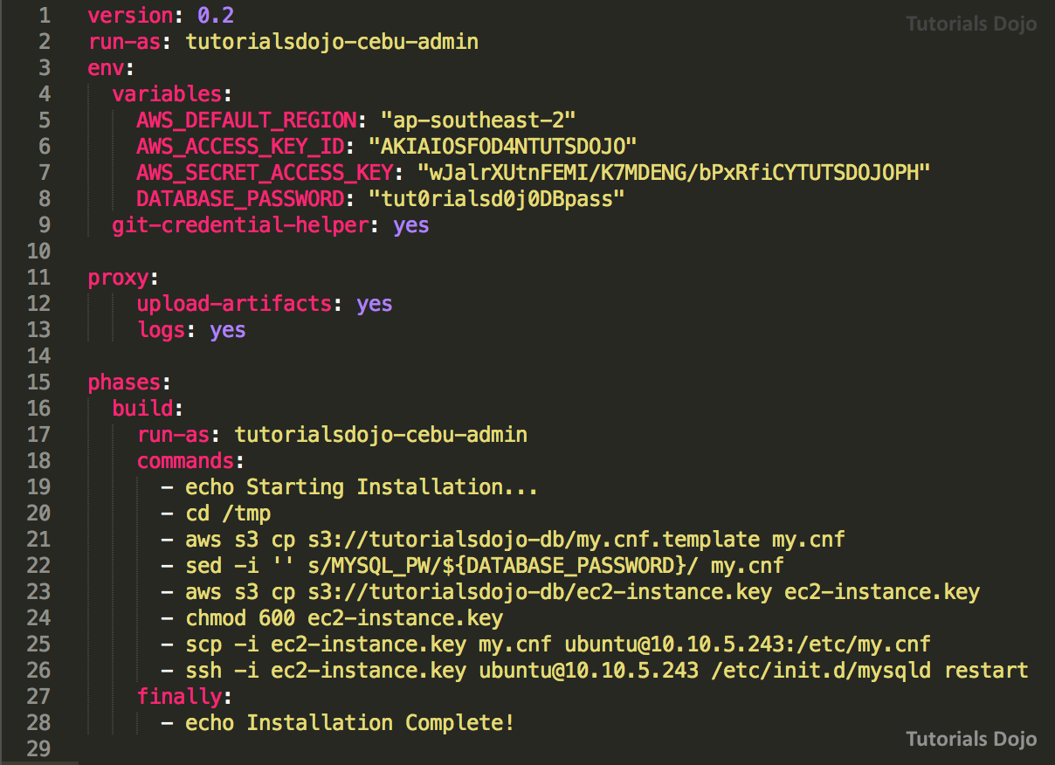

 | Which of the following changes should the DevOps engineer recommend? (Select TWO.)

 | Configure the CodeBuild project to use an IAM Role with the required permissions and remove the AWS credentials from the buildspec.yaml file. Run scp and ssh commands using the AWS Systems Manager Run Command.
 | In the post-build phase of the buildspec.yaml file, add a configuration that will remove all temporary files which contain the environment variables and passwords from the container.
 | Hash the environment variables and passwords using a Base64 encoder to prevent other developers from seeing the credentials in plaintext.
 | Using the AWS Systems Manager Parameter Store, create a DATABASE_PASSWORD secure string parameter then remove the DATABASE_PASSWORD from the environment variables.
 | Store the environment variables to the tutorialsdojo-db S3 bucket and then enable Server Side Encryption. In the pre_build phase of the buildspec.yaml file, add the configuration that will download and export the environment variables.

question_018 | A global cloud-based payment processing system is hosted in AWS which accepts credit card payments as well as cryptocurrencies such as Bitcoin. It is deployed in AWS which uses EC2, DynamoDB, S3, and CloudFront to process the payments. Since they are accepting credit card information from the users, they are required to be compliant with the Payment Card Industry Data Security Standard (PCI DSS). It was found that the credit card numbers are not properly encrypted on the recent 3rd-party audit and hence, their system failed the PCI DSS compliance test. You were hired by the company to solve this issue so they can release the product in the market as soon as possible. In addition, you also have to improve performance by increasing the proportion of your viewer requests that are served from CloudFront edge caches instead of going to your origin servers for content.
...

