MacroHelp
Content is currently DISABLED for this workbook

The calculations in this spreadsheet are governed by software code which can only execute when "content (macros) are enabled". If you trust the copy and see a Security Warning as pictured below, you will need to "enable content" or macros. NOTE: if you do not see this security warning, then your security settings disables macros without notification. You will need to change the setting in your Trust Center to "Disable all macros with notification". See Microsoft's instructions at:
recent Excel versions: | https://support.office.com/
2003 and older: | http://www.mdmproofing.com/iym/macros.php

- Newer excel versions |  | - Excel 2007 and older: click Options…
(see screenshot below) |  | (see screenshots below)

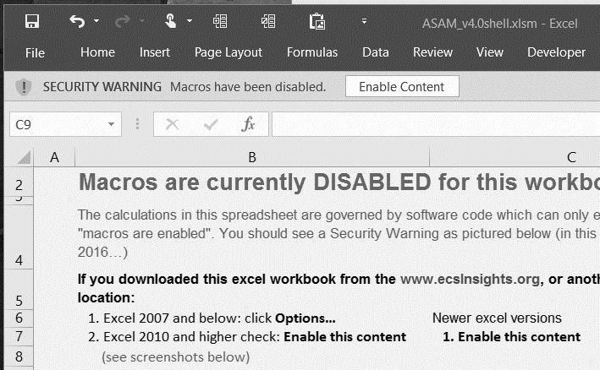 |  | 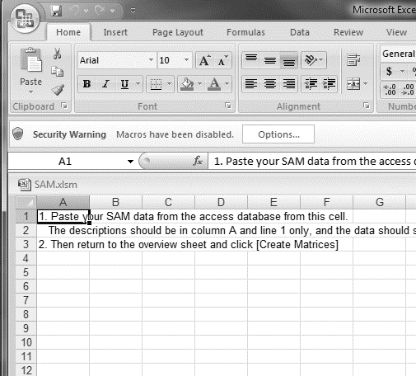
- Enable this content |  | then: Enable this content
 |  | 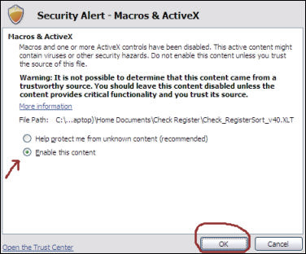

tools
Automated Social Account Matrix |  |  | release: 4.0 |  | GNU GENERAL PUBLIC LICENSE v3.0
Create a project |  |  |  |  | ASAM Regional-Economic-Contribution-analysis
 | Retrieve IMPLAN data |  |  | 1000 | Copyright 2010-2015 Braak, W., Watson, P. and Rodriguez, A.
 |  | This will ask you for the location of the your project.impdb or iap file, retrieve the necessary data and paste it into your Excel spreadsheet |  |  | The source code in this ASAM Excel Application is free software: you can redistribute it and/or modify it under the terms of the GNU General Public License as published by the Free Software Foundation, either version 3 of the License, or (at your option) any later version.
 | Manually input SAM and Employment data
 |  | Manually paste your SAM data and Employment Data
 | Create/Update Matrices |  |  |  | This program is distributed in the hope that it will be useful, but WITHOUT ANY WARRANTY; without even the implied warranty of MERCHANTABILITY or FITNESS FOR A PARTICULAR PURPOSE. See the GNU General Public License for more details. You should have received a copy of the GNU General Public License along with this program. If not, see <http://www.gnu.org/licenses/>.
 |  | This will re-generate all the matrices as the well the overview using the current data in the SAM sheet. This is useful if some data got corrupted, if you want to use a different classification of endogenous sectors, or a different aggregation of household data |  | 1
 |  | NOTE: Households will only be aggregated in the output table and charts, not in the datasheet
 | Erase SAM |  |  |  | Suggested citation:
 |  | This will delete all worksheets (bringing it back to template status) and will require you to again import data from an IMPLAN output. |  |  | Braak, W., Watson, P. and Rodriguez, A. 2010-2015. Automated Social Account Matrix release 4.0.
 | Frequently Asked Questions |  |  |  | Available at http://www.ecsInsights.org/ASAM

In layman's terms:
The GPL V3 is a copyleft license, meaning that the code may be used, modified, and distributed freely on condition that anything derived from it is under the same license (i.e. open source as well). The GPL also requires that modified versions of the code be clearly marked as changed, so that their problems will not be attributed erroneously to authors of previous versions.
No association with IMPLAN
This Excel application is not part of, or associated with the IMPLAN software published by MIG, Inc. (Formerly "Minnesota IMPLAN Group, Inc." - www.implan.com). This application is merely intended to facilitate the creation of user interactive Social Account Matrices using either manual input, or the output resulting from the use of programs such as IMPLAN.
Save a copy

 | Save a functional Copy
 |  | Creates a copy with the functionality, forms and macros - just like this workbook
 | Save an archive copy (spread sheet only)
 |  | Saves an Excel spreadsheet in a reduced size with only the worksheets, stripping functionality, macros and forms

Advanced
 | Edit Structure
 |  | Allows parameter setting for order and appearance of the dataset and outpu table

FAQ
GoTo Tools...
Click the [+] sign in the left margin to see answers to the following questions
Why do the work in Excel?
How do I create my IxI data in IMPLAN..."
IMPLAN data import gives me the message "I could not find any IxI data in your file; make sure to run the IxI matrix in IMPLAN..."
Can I manually transfer or find the IxI matrix and employment data from IMPLAN version 3?
My Household aggregation does not seem to work …
Charts: Can I customize my graphs?
Charts: Can I customize the sorting of my graphs?
Charts: Can I show all sectors/categories in the charts?
Charts: I don't see all my sectors in the legend…
Charts: I only see every other label on the vertical axis in my bar chart…

