Sheet1
Feedback 1 - 19/06/2023

Page | Issue | Screenshot

Landing Page | Why does a Logout button appear, when I am not even logged in?
Landing Page (left side) | No video's required here | 
Landing Page | Sign up button does not take you to the "Create account" page

Dom Account - My Ladder | Why does the Dom user need enter a task number here, this should be hidden and done by the system automatically. | 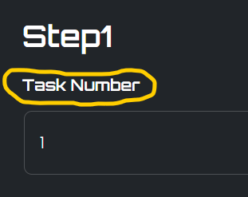
Dom Account - My Ladder | This should be a number only field called "Days to complete" - A Countdown is triggered once submissive account buys the task. | 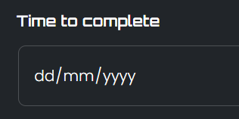

Submissive Account - View | Please make the button colours permenant, not only when you hover over them | 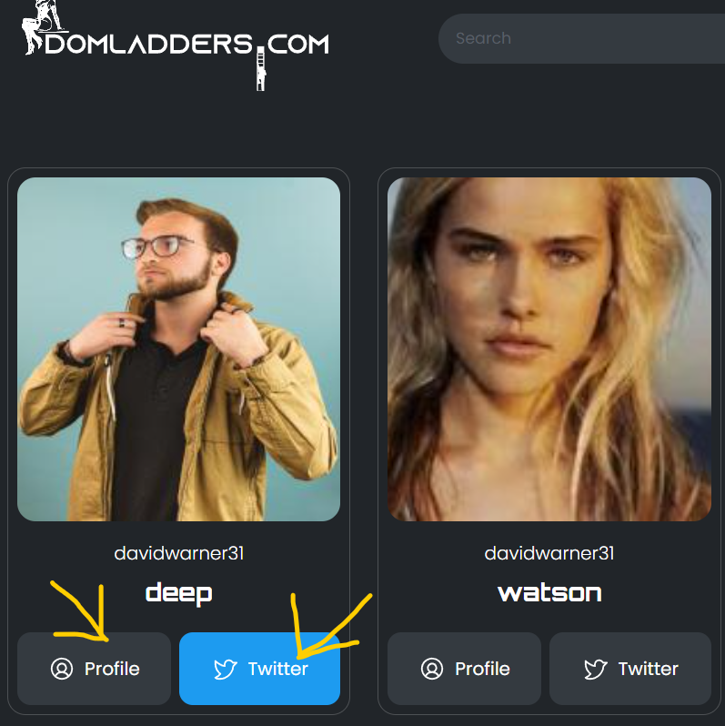

Submissive Account - View Ladder | Please make this say Step 1 (not just a number) | 