Sheet1
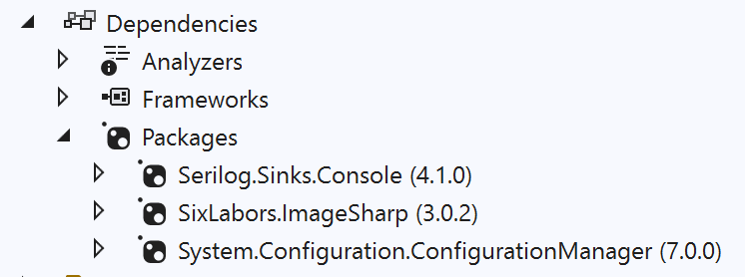
Virus |  | VirusState |  | VirReproduceRateByAgeGroup | age in days | CreatureType | enum | VirAgeGroupsDay | enum | Configuration
Age | int | Reproducing | bool | GetReproduceRateByAge | res double (int Age) | Virus |  | 1-2 |  | GridMaxX | int
VirusReproduceRateByAge | double | Moving | bool |  |  | Person |  | 2-14 |  | GridMaxY | int
VirusBrokenRateByAge | double |  |  |  |  |  |  |  |  | InitalVirusPopulation | long
VirusState | VirusState | VirMoveDistanceProfile |  |  |  |  |  |  |  | InitialPersonPopulation | long
IsBroken | bool | MoveDistance | Array[10,Point] | VirBrokenRateByAgeGroup | age in days
GridCellPopulation | CellPopulation | MoveActivityRnd | double | GetBrokenRateByAge | res double (int Age) | CellState | enum | PersAgeGroupsYear | enum
VirMoveData | MoveData | GetMoveDistanceByIndex | (Point) ret Point |  |  | Virus |  | 1-9
Reproduce | () | GetNewCoordianteToMove | ()Point |  |  | PersonHelaty |  | 10-19
MoveToNewCoordinate | (Grid) ret CellPopulation |  |  |  |  | PersonInfected |  | 20-29
 |  |  |  |  |  | EmtyCell |  | 30-39
 |  |  |  |  |  |  |  | 40-49
 |  |  |  |  |  |  |  | 50-59
VirusList |  |  |  |  |  |  |  | 60-69
Viruses | List<Virus> |  |  |  |  |  |  | 70-79
SetInitialPopulation | (long, Grid) |  |  |  |  |  |  | 90-99
 |  |  |  |  |  |  |  | 100-119

Person |  | PersonState |  | PersBirthRateByAgeGroup | age in years
Age | int | Healthy | bool | GetBirthRateByAge | res double (int Age)
PersonBirthRateByAge | double | Infected | bool |  |  | A Grid Cell (X,Y coordinat)” can contain multiple peron’s or viruses ,
PersonDeathProbabilityByAge | double | ReInfectionCounter | int |  |  | as they move random to new cell-coordinate, without a collision check.
PersonState | PersonState | Contagious | bool
IsDead | bool | Recoverd | bool | PersDeathRateByAgeGroup | age in years | Grid |  | GridCell |  | CellPopulation
HomeCoordinate | Point | Moving | bool | GetDeathRateByAge | res double (int Age) | maxX | int | PixelColor | Color | NumPersons | int
GridCellPopulation | CellPopulation | GiveBirht | bool |  |  | maxY | int | Population | CellPopulation | NumViruses | int
PersMoveData | MoveData |  |  |  |  | gridField | GridCell[,]
ChildBirth | () | PersMoveDistanceProfile |  |  |  | SetNewEmptyGrid | ()
SpreadVirus | () | PersonMoveDistance | Array[10,Point] |  |  | RemoveCreature | (MoveData)
MoveToNewCoordinate | (Grid) ret CellPopulation | MoveActivityRnd |  |  |  | AddCreatureToCell | (MoveData) ret CellPopulation | ColorExtensions
MoveToHomeCoordinate | (Grid) ret CellPopulation | MoveHomeActivityRnd | double |  |  | ReturnMaxX | int | ToSystemDrawingColor | (SixLabors.ImageSharp.Color) ret System.Drawing.Color
 |  | GetMoveDistanceByIndex | (Point) ret Point |  |  | ReturnMaxY | int | ToImageSharpColor | (System.Drawing.Color) ret SixLabors.ImageSharp.Color
 |  | GetNewCoordinateToMove | ()Point |  |  |  |  | Lighten | (Color, double)
PersonList |  |  |  |  |  |  |  | Darken | (Color, double)
Persons | List<Person>
SetInitialPopulation | (long, Grid) |  |  |  |  | ColorTranlation
 |  |  |  |  |  | CellStatus | CellState | ColorList
 |  |  |  |  |  | CellColor | Color | colorList | List<ColorTranlation>
 |  |  |  |  |  |  |  | GetColor | Color
MoveData |  | Simulation
OldGridCoordinate | Point | Grid.Grid | Grid
NewGridCoordinate | Point | PersonList | PersonList |  |  | SetNewCellState
CreatureType | CreatureType | VirusList | VirusList |  |  | SetNewState | (MoveData , Grid) ret CellPopulation
 |  | iteration | int
 |  | StartIteration()
 |  | NextIteration()
 |  | StopIteration()
 |  | DrawGrid()

