movement aera
Circular movement area |  |  |  |  |  | Circular movement area another example

At each iteration one from the ten tuple is random choosen
This makes it possible, for example, to simulate frequent short-distance traffic,
and less frequent long-distance traffic

 |  |  |  |  |  | virus circular move range 3 to 4 | person circular move range 1 to 4
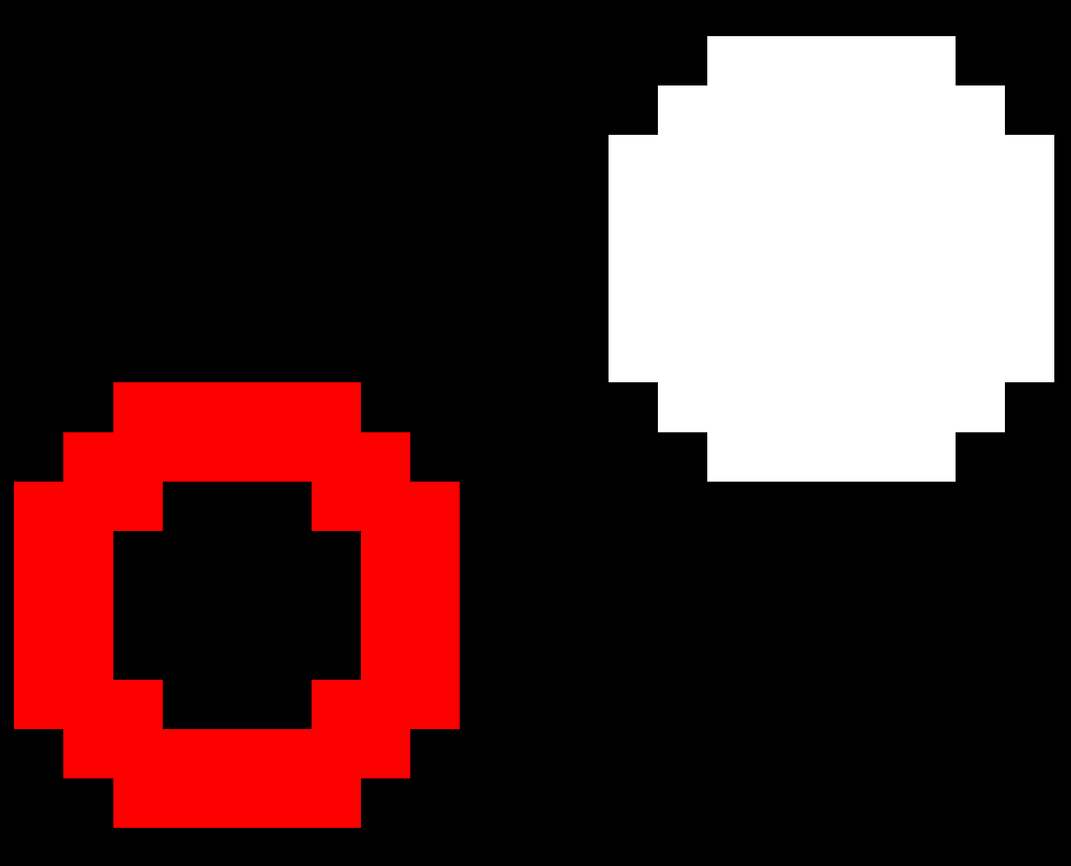

Since we are working with pixels (integer grid coordinates), it is only an approximated circular area.

Possible random moving aera person in grey |  |  | Possible random moving aera virus in grey

 |  | Range Tuple (1,4) |  |  | Range Tuple (2,4)
 | move range from 1 to 3 |  |  | move range from 2 to 3

