B2
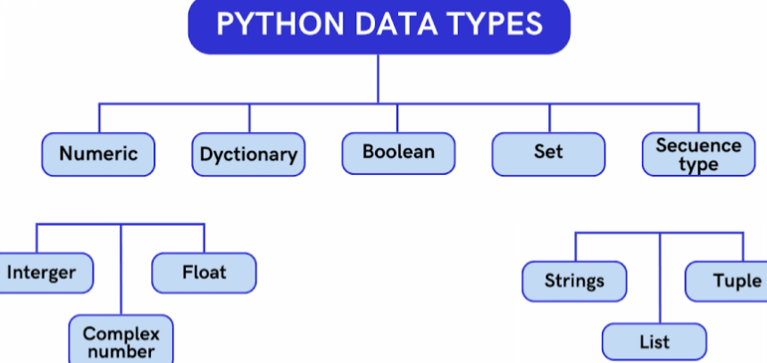 Version on 15-7-25 is v3.15.5. CPython default interpreter. venv is inbuilt virtualenv management tool, pipenv is another which is next level than venv in terms of support to multitude of systems. Version compares: v1: Lambda,map,filter,reduce,exception handle v1.5 Standard Library v2.7 list comprehensions, garbage collection, ordered dict, set v3 print, asyncio, pathlib, async & await v3.6 and after (2016) formatted string, async generator, data classes dunder methods, context variables, Walrus Operator := ,Positional only params, dictionary merge and update operators like | and |= , pattern matching, support for multiple context managers in single with statement via Paranthesized Context Managers. Error messages Till v3.13 i.e. 2024 platform.python_version() pip env setup > 1. python -m venv <name-of-env> 2. ./<name-of-env>/Scripts/activate 3.pip install -r <name-of-dependencies-list-file>.txt 4. deactivate Multiple usage of print > x = 4; print(‘{}’.format(x))# 4 ↵ print(‘%d’ %x) #4 ↵ print(f’{x}’) # 4 ↵ Exception Handling >try:print(F”Err in var {corrupt_var_name} “)↵except KeyError: print(“Err”)↵except Exception as e:print(“global exception handler”)↵else: # exec if no exception↵finally: # always execu at last Comon Dt Types: 1.List names = ["Ronnie", "Mona", "Jack"] #comparable to JS Arrays 2.Tuple names_tuple = ( "Ronnie", "Mona", "Jack" ) #Tuple cannot be changed once defined, does not support item assignment ↵↵ Dictionary > names_age_dictionary = {"Jack": 20, "Jill": 21, "Hill": 1000} ↵da = { ‘a’: 1, ‘b’:3 }↵ da[‘c’]=5 ↵ for k, v in da.items(): print(f’{k} {v}’, end = ‘, ‘) ↵ #a 1, b 3, c 5, ↵ ↵ a_dict = dict(a=’a1’, b=’b1’, c=’c1’) ↵print(a_dict[‘a’]) # a1↵ a_dict[‘a’] = ‘a2’↵print(‘found’ if ‘b’ in a_dict else ‘nope’)↵print(a_dict.get(‘b’)) # b1 ↵↵List Operations > a_list = [1, 2, 3]; a_list.append(4); a_list.insert(1, 11); print(a_list) #[1,11,2, 3,4] ↵ del a_list[1]; a_list.pop(); print(a_list) #[ 1, 2, 3 ]↵li
B 2 | ↵

