what
 |  | Azure Databrick
https://docs.databricks.com/aws/en/introduction/
Databricks is a unified, open analytics platform for building, deploying, sharing, and maintaining enterprise-grade data, analytics, and AI solutions at scale. The Databricks Data Intelligence Platform integrates with cloud storage and security in your cloud account, and manages and deploys cloud infrastructure for you.

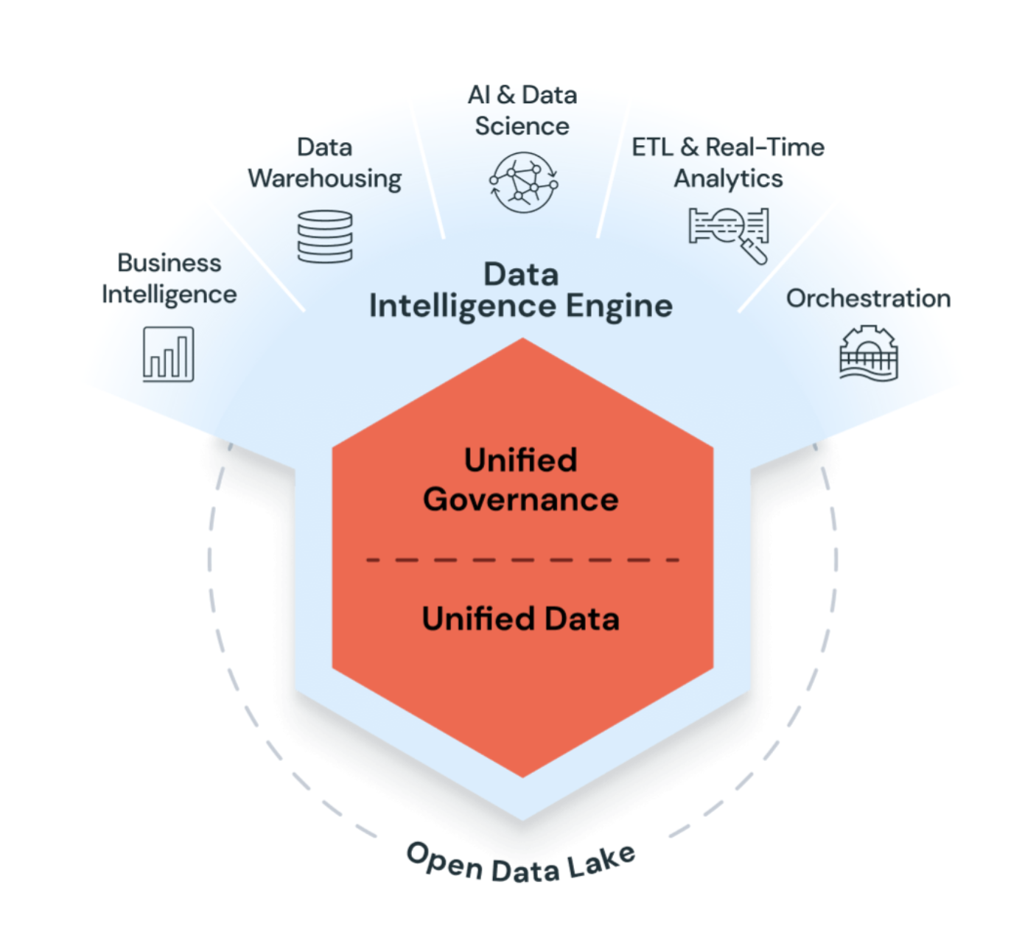

Databricks uses generative AI with the data lakehouse to understand the unique semantics of your data. Then, it automatically optimizes performance and manages infrastructure to match your business needs.

Natural language processing learns your business's language, so you can search and discover data by asking a question in your own words. Natural language assistance helps you write code, troubleshoot errors, and find answers in documentation.
https://learn.microsoft.com/en-us/azure/databricks/introduction/
Common use cases
 | Build an enterprise data lakehouse
 | ETL and data engineering
 | Machine learning, AI, and data science
 | Large language models and generative AI
 | ML Lifecycle Management
 |  | Databricks manages the entire machine learning lifecycle, including experiment tracking, model packaging, and model deployment, using MLflow and other capabilities.
 | Data warehousing, analytics, and BI

 | Data governance and secure data sharing
 | DevOps, CI/CD, and task orchestration
 | Data pipelines
 |  | Users can build data ingestion, transformation, and machine learning pipelines

 | Real-time and streaming analytics

PySpark on Databricks
 | https://docs.databricks.com/aws/en/pyspark/

PySpark & Pandas ?
 | https://docs.databricks.com/aws/en/pyspark/#apis-and-libraries

