what
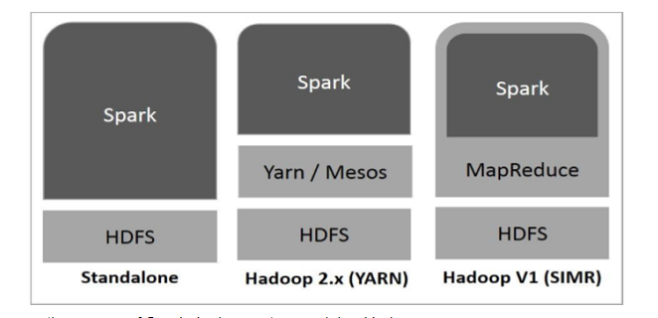
Apache Spark ?

Apache Spark is an open-source distributed general-purpose cluster computing framework with in-memory data processing engine that can do ETL, analytics, machine learning and graph processing on large volumes of data at rest (batch processing) or in motion (streaming processing) with rich concise high-level APIs for the programming languages: Scala, Python, Java, R, and SQL
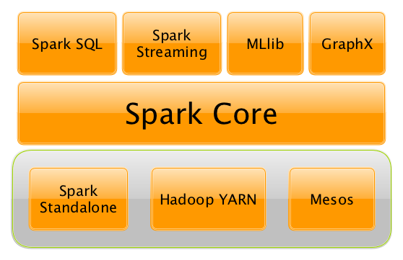

You could also describe Spark as a distributed, data processing engine for batch and streaming modes featuring SQL queries, graph processing, and Machine Learning.

In contrast to Hadoop’s two-stage disk-based MapReduce processing engine, Spark’s multi-stage in-memory computing engine allows for running most computations in memory, and hence very often provides better performance (there are reports about being up to 100 times faster - read Spark officially sets a new record in large-scale sorting!) for certain applications, e.g. iterative algorithms or interactive data mining.
Spark aims at speed, ease of use, and interactive analytics.
Spark is often called cluster computing engine or simply execution engine.
Spark is a distributed platform for executing complex multi-stage applications, like machine learning algorithms, and interactive ad hoc queries. Spark provides an efficient abstraction for in-memory cluster computing called Resilient Distributed Dataset.

Spark offers three kinds of data processing using batch, interactive, and stream processing with the unified API and data structures.

RDD — Resilient Distributed Dataset
https://mallikarjuna_g.gitbooks.io/spark/content/spark-rdd.html
https://www.tutorialspoint.com/apache_spark/apache_spark_rdd.htm

Data Sources in Spark
https://mallikarjuna_g.gitbooks.io/spark/content/spark-data-sources.html

At a high level, any Spark application creates RDDs out of some input, run (lazy) transformations of these RDDs to some other form (shape), and finally perform actions to collect or store data

How Apache Spark Works
https://www.openlogic.com/blog/apache-spark
The execution of the Spark program is performed using an Interactive Client (e.g. Scala Shell or PySpark), or by submitting a job via the spark-submit command.

Spark orchestrates its operations through the driver program. When the driver program is run, the Spark framework initializes executor processes on the cluster hosts that process your data.

The following occurs when you submit a Spark application to a cluster:
The driver is launched and invokes the main method in the Spark application.
The driver requests resources from the cluster manager to launch executors.
The cluster manager launches executors on behalf of the driver program.
The driver runs the application. Based on the transformations and actions in the application, the driver sends tasks to executors.
Tasks are run on executors to compute and save results.
If dynamic allocation is enabled, after executors are idle for a specified period, they are released.
When the driver's main method exits or calls SparkContext.stop, it terminates any outstanding executors and releases resources from the cluster manager.

