what
 |  | Data factory
 |  | https://learn.microsoft.com/en-us/azure/data-factory/introduction
Azure Data Factory is a managed cloud service that's built for these complex hybrid extract-transform-load (ETL), extract-load-transform (ELT), and data integration projects
Features of Azure Data Factory
 | Data Compression
 | Extensive Connectivity Support for Different Data Sources
 | Data Preview and Validation
 | Custom Event Triggers
 | Customizable Data Flows
 | Integrated Security

How does it work?
 | Data Factory contains a series of interconnected systems that provide a complete end-to-end platform for data engineers.
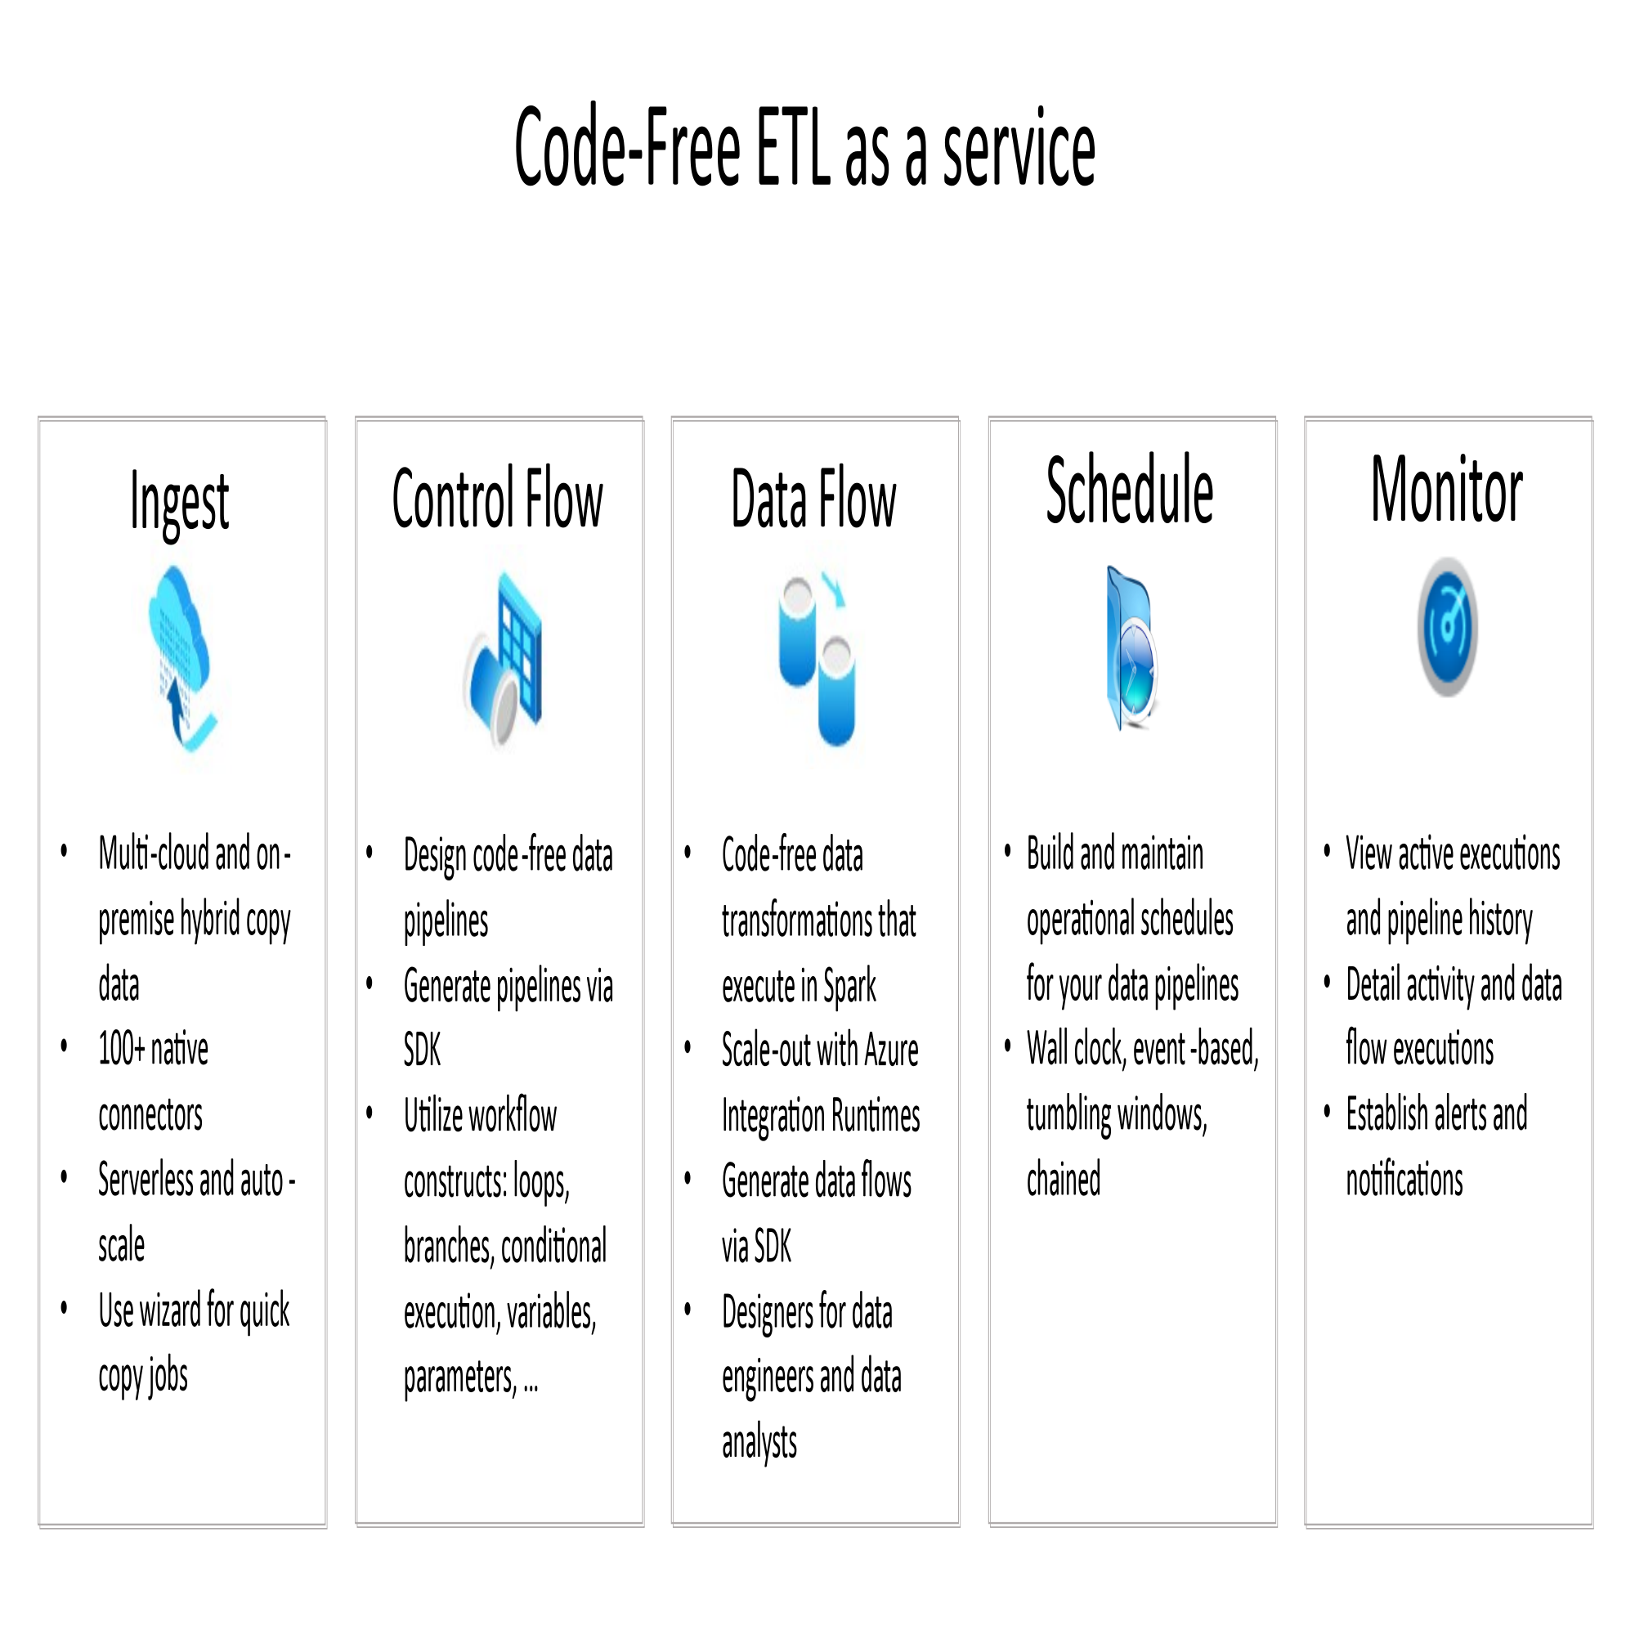

 | https://learn.microsoft.com/en-us/azure/data-factory/media/data-flow/overview.svg
 | https://learn.microsoft.com/en-us/azure/data-factory/media/introduction/data-factory-visual-guide.png#lightbox

 | An integration runtime provides the bridge between the activity and linked Services. It's referenced by the linked service or activity, and provides the compute environment where the activity either runs on or gets dispatched from. This way, the activity can be performed in the region closest possible to the target data store or compute service in the most performant way while meeting security and compliance needs.

 |  |  | ,./'''''\\\;;;[[]]]pp
 |  |  | the quick brown fox jumps over a lazy little dog.
 |  |  | `

