what-how
 |  | Azure Databrick
https://docs.databricks.com/aws/en/introduction/
 |  | Databricks is a unified, open analytics platform for building, deploying, sharing, and maintaining enterprise-grade data, analytics, and AI solutions at scale. The Databricks Data Intelligence Platform integrates with cloud storage and security in your cloud account, and manages and deploys cloud infrastructure for you.

 |  | Databricks uses generative AI with the data lakehouse to understand the unique semantics of your data. Then, it automatically optimizes performance and manages infrastructure to match your business needs.
 |  | Natural language processing learns your business's language, so you can search and discover data by asking a question in your own words. Natural language assistance helps you write code, troubleshoot errors, and find answers in documentation.

 | Data lakehouse? // Explained more topics of DtLake, DtWarehouse DtLakehouse, DtMart, DtMesh, DtFabric at end of this sheet
 |  | https://learn.microsoft.com/en-us/azure/databricks/lakehouse/
 |  | A data lakehouse is a data management system that combines the benefits of data lakes and data warehouses

 |  | A data lakehouse provides scalable storage and processing capabilities for modern organizations that want to avoid isolated systems for processing different workloads, like machine learning (ML) and business intelligence (BI). A data lakehouse can help establish a single source of truth, eliminate redundant costs, and ensure data freshness. Data lakehouses often use a data design pattern that incrementally improves, enriches, and refines data as it moves through layers of staging and transformation. Each layer of the lakehouse can include one or more layers. This pattern is frequently referred to as a medallion architecture
 |  | https://learn.microsoft.com/en-us/azure/databricks/lakehouse/medallion

 | How does the Databricks lakehouse work?
 |  | Databricks is built on Apache Spark. Apache Spark enables a massively scalable engine that runs on compute resources decoupled from storage

 |  | The Databricks lakehouse uses two additional key technologies:
 |  | Delta Lake: an optimized storage layer that supports ACID transactions and schema enforcement.
 |  | Unity Catalog: a unified, fine-grained governance solution for data and AI.

 |  | Stage 1: Data ingestion At the ingestion layer, batch or streaming data arrives from a variety of sources and in a variety of formats. This first logical layer provides a place for that data to land in its raw format. As you convert those files to Delta tables, you can use the schema enforcement capabilities of Delta Lake to check for missing or unexpected data. You can use Unity Catalog to register tables according to your data governance model and required data isolation boundaries. Unity Catalog allows you to track the lineage of your data as it is transformed and refined, as well as apply a unified governance model to keep sensitive data private and secure. Stage 2: Data processing, curation, and integration Once verified, you can start curating and refining your data. Data scientists and machine learning practitioners frequently work with data at this stage to start combining or creating new features and complete data cleansing. Once your data has been thoroughly cleansed, it can be integrated and reorganized into tables designed to meet your particular business needs. A schema-on-write approach, combined with Delta schema evolution capabilities, means that you can make changes to this layer without necessarily having to rewrite the downstream logic that serves data to your end users. Stage 3: Data serving The final layer serves clean, enriched data to end users. The final tables should be designed to serve data for all your use cases. A unified governance model means you can track data lineage back to your single source of truth. Data layouts, optimized for different tasks, allow end users to access data for machine learning applications, data engineering, and business intelligence and reporting. To learn more about Delta Lake, see What is Delta Lake in Azure Databricks? To learn more about Unity Catalog, see What is Unity Catalog?

 |  | Capabilities of a Databricks lakehouse
 |  | https://learn.microsoft.com/en-us/azure/databricks/lakehouse/#capabilities-of-a-databricks-lakehouse

 | What are all the Delta things in Azure Databricks?
 |  | https://learn.microsoft.com/en-us/azure/databricks/introduction/delta-comparison
 |  | Delta refers to technologies related to or in the Delta Lake open source project
 |  | https://delta.io/
 |  | An open-source storage framework that enables building a Lakehouse architecture with compute engines including Spark, PrestoDB, Flink, Trino, and Hive and APIs
 |  | unified data management system for handling transactional real-time and batch big data, by extending Parquet data files with a file-based transaction log for ACID transactions and scalable metadata handling. Apache Parquet is an open source, column-oriented data file format designed for efficient data storage and retrieval. It provides efficient data compression and encoding schemes with enhanced performance to handle complex data in bulk. Apache Parquet is designed to be a common interchange format for both batch and interactive workloads. It is similar to other columnar-storage file formats available in Hadoop, namely RCFile and ORC.

 |  | Key Features of DELTA LAKE: ACID Transactions: Protect your data with serializability, the strongest level of isolation Scalable Metadata: Handle petabyte-scale tables with billions of partitions and files with ease Time Travel: Access/revert to earlier versions of data for audits, rollbacks, or reproduce Open Source: Community driven, open standards, open protocol, open discussions Unified Batch/Streaming: Exactly once semantics ingestion to backfill to interactive queries Schema Evolution / Enforcement: Prevent bad data from causing data corruption Audit History: Delta Lake log all change details providing a fill audit trail DML Operations: SQL, Scala/Java and Python APIs to merge, update and delete datasets

 |  | Delta table is the default data table format in Azure Databricks and is a feature of the Delta Lake open source data framework. Delta tables are typically used for data lakes, where data is ingested via streaming or in large batches.

 |  | https://learn.microsoft.com/en-us/azure/databricks/introduction/delta-comparison#lakeflow-declarative-pipelines-data-pipelines
 |  | Delta tables vs. Lakeflow Declarative Pipelines
 |  | Delta table is a way to store data in tables, whereas Lakeflow Declarative Pipelines allows you to describe how data flows between these tables declaratively. Lakeflow Declarative Pipelines is a declarative framework that manages many delta tables, by creating them and keeping them up to date. In short, Delta tables is a data table architecture while Lakeflow Declarative Pipelines is a data pipeline framework.

 |  | Delta Sharing An open standard for secure data sharing, Delta Sharing enables data sharing between organizations regardless of their compute platform. Delta engine A query optimizer for big data that uses Delta Lake open source technology included in Databricks. Delta engine optimizes the performance of Spark SQL, Databricks SQL, and DataFrame operations by pushing computation to the data. Delta Lake transaction log (AKA DeltaLogs) A single source of truth tracking all changes that users make to the table and the mechanism through which Delta Lake guarantees atomicity. See the Delta transaction log protocol on GitHub.

 | Lakehouse vs Data Lake vs Data Warehouse & Data Mart vs Data Mesh
 |  | https://learn.microsoft.com/en-us/azure/databricks/lakehouse/#lakehouse-vs-data-lake-vs-data-warehouse
 |  | https://azure.microsoft.com/en-us/resources/cloud-computing-dictionary/what-is-a-data-lake
 |  | Data Mesh: https://aws.amazon.com/compare/the-difference-between-a-data-warehouse-data-lake-and-data-mart/
 |  | Data Fabric: https://appian.com/learn/topics/data-fabric/data-fabric-vs-data-mesh-vs-data-lake

 |  | Data warehouse A data warehouse is a specialized database system designed for the storage, retrieval, and analysis of structured data. It serves as a central repository for an organization’s historical data, primarily focusing on structured and well-defined data sources. As data warehouses are used to store historical data for analysis and reporting, they consolidate structured data from multiple sources and optimize query performance with techniques such as indexing and partitioning. Before ingesting the data, data warehouses use ETL procedures to structure and transform data to ensure consistency and quality. When it comes to storing the data in a data warehouse, it’s stored in either a columnar or row-based format. Using data marts, which are subsets of data focused on specific business areas for efficient retrieval, star or snowflake schema models organize data for complex queries with multiple dimensions and measures. They also use SQL for queries and OLAP for multidimensional analysis.
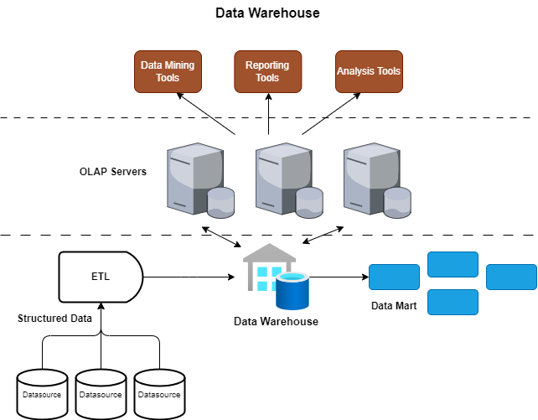

 |  | https://www.connectwise.com/blog/data-warehouse-vs-data-lake-vs-data-lakehouse-vs-data-mesh-a-comprehensive-comparison

 |  | Data lake
 |  | A data lake is a central repository for storing vast amounts of raw, semi-structured, and unstructured data at scale. Unlike traditional databases, data lakes are designed to handle data in its native format without the need for prior structuring.

 |  | Data lakes store raw and untransformed data, and they’re highly scalable for big data and IoT applications. Schema-on-read allows for flexible data exploration, and they can handle large amounts of data from diverse sources using distributed file systems or cloud-based storage. Partitioning can also help to improve query performance.

 |  | Data lakes use schema-on-read to transform and structure data for analysis. Common processing frameworks, like Apache Spark, are used for data processing and analysis. Data lakes are great for machine learning and data science.

 |  | Data lakes simplify data exploration by enabling users to extract insights from raw data before structuring it. They support advanced analytics like predictive modeling, anomaly detection, and sentiment analysis, and they can be integrated with data lakehouse architectures for structured querying.

 |  | Data lakes come in two types: on-premises and cloud-based. Apache Hadoop and HDFS are often used for on-premises data lakes, while AWS Data Lake, Azure Data Lake Storage, and Google Cloud Storage are some of the more popular cloud-based options.
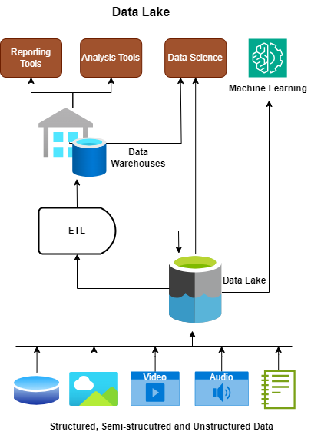

 |  | Data Lakehouse
 |  | A data lakehouse is a relatively new and hybrid data architecture that aims to combine the benefits of both data lakes and data warehouses. It addresses the need for scalable storage, schema-on-read flexibility, and structured querying capabilities.

 |  | The data lakehouse approach combines the strengths of data lakes and data warehouses. It can store both structured and semi-structured data, and it uses advanced technologies, such as Delta Lake or Apache Iceberg, for schema evolution and data versioning. It often uses distributed file systems or cloud-based storage for unified storage.

 |  | Since data lakehouses handle both raw and structured data, they use ETL and ELT processes to transform and load data for analytical querying. Data lakehouses support advanced querying with SQL, making them compatible with a range of analytics tools and frameworks. Some also enable time-travel queries for historical analysis.

 |  | They’re great for data science and machine learning projects, as they have the ability to scale to meet growing data needs. Just look at Delta Lake and Apache Iceberg, which have brought ACID transactions, schema evolution, and time-travel features to big data workloads.

 |  | Data lakehouses are flexible and versatile, combining the benefits of data lakes with structured querying capabilities. This allows for diverse data usage and easy adaptation to changing data requirements. They also offer a unified storage solution for both raw and structured data, making data management simpler—which is ideal for various analytics, from basic reporting to advanced data science.

 |  | However, compared to traditional data warehouses, data lakehouse architecture requires careful planning and management, with additional overhead for ACID transactions and time-travel features. Schema-on-read and schema-on-write may also require adjustment.
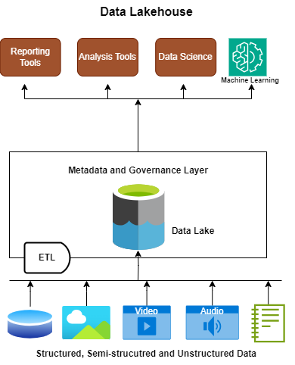

 |  | Data mesh: Data Mesh is a paradigm, while lakehouse is a platform. Data mesh is focused on solving scalability of data ownership
 |  | Data mesh is a modern data architecture and organizational approach that aims to address the challenges of scaling and democratizing data within large, complex organizations. It represents a shift away from a centralized data approach to a more decentralized, domain-oriented model.

 |  | Data mesh promotes decentralized data ownership and management across domains. It encourages cross-functional teams to treat data as a product and take responsibility for its quality and governance, creating a data fabric that facilitates data discovery, access, and sharing.

 |  | Treating data as a product emphasizes the importance of quality, usability, and accountability. Data producers need to understand the needs of their data consumers and provide data in a user-friendly and accessible manner. This principle encourages data teams to focus on delivering value to the organization through their data products.

 |  | implementing a data mesh requires organizational changes like new team structures. A clear strategy and governance framework are also crucial to managing this architecture. Plus, keeping the data catalog up-to-date can be challenging in rapidly evolving organizations.
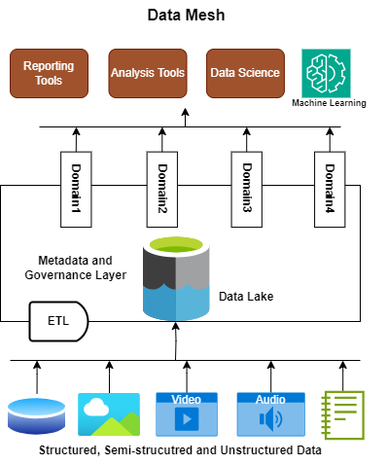

 |  | Data Fabric
 |  | https://appian.com/learn/topics/data-fabric/data-fabric-vs-data-mesh-vs-data-lake

 |  | A data fabric includes a virtualization layer, a concept that you may also see referred to as a “logical data warehouse.” This means that with a data fabric, disparate system data is virtualized into a centralized platform, complete with the ability to connect, relate, and extend data. You might also think of data fabric as an abstraction layer for managing your data. A key point to remember about using a data fabric: the data stays where it is; it does not move out of the source systems.

 |  | With data fabric, we do not need to hook into the system-to-system API calls directly in order to access data—the APIs are abstracted away. This abstraction lets us take advantage of the data in different systems without needing to know what the source system is or how to connect to it. The data may be on-premises or it may be in a cloud service like AWS as part of your hybrid cloud strategy.

 |  | Whereas data mesh requires software specialists, data fabric enables any number of line-of-business people on your teams to work with data modeling—not just developers. That means non-technical employees can use low-code tools to do data modeling work themselves, which leads to increased speed and agility.

 |  | What about the governance challenges? As noted earlier, data mesh poses challenges related to observability and maintenance because of its distributed nature. In contrast, data fabric is centralized. With data fabric keeping all your data in one virtualized data model, you get a complete, unified view of all your different systems. Even if certain patterns have not been used before, relating the data in the virtualized model allows for new modes of data access to be implemented easily and in a governable way.

 |  | Here’s a hint for discussing data fabric with others: The term “data fabric” can refer either to the architecture layer where the data virtualization happens or to the toolset that you use there.

 |  | The use of a data virtualization layer is a strong value add on its own. But this value increases greatly when you marry your virtualized data model with your business applications on a process automation platform with low-code capabilities and record-level security. For example, using low-code security rules, you can reference data in your CRM to enforce whether specific rows of data from your ERP should be accessible. You can also calculate custom data fields, like SLAs, by referencing customer data and case data, even if they aren’t located in the same system. Features like these allow you to maximize your business potential without forsaking your existing systems or technologies. This approach also builds in flexibility for the future.

 |  | Data Swamp
 |  | https://medium.com/@soumyaranjan0408/navigating-the-data-landscape-understanding-data-warehouse-data-lake-data-lakehouse-data-mesh-f8608b23016d
 |  | A data swamp is a conceptual state of disorganized and poorly managed data repository characterized by inadequate governance, quality, and usability. Unlike a data lake, which is designed to store and manage data effectively, a data swamp lacks structure, metadata management, and governance controls, leading to difficulties in data discovery, trust, and utilization.

Architect
Azure Databricks architecture
 |  | https://learn.microsoft.com/en-us/azure/databricks/getting-started/overview
 |  | https://learn.microsoft.com/en-us/azure/databricks/getting-started/overview#architecture

 | High-level architecture
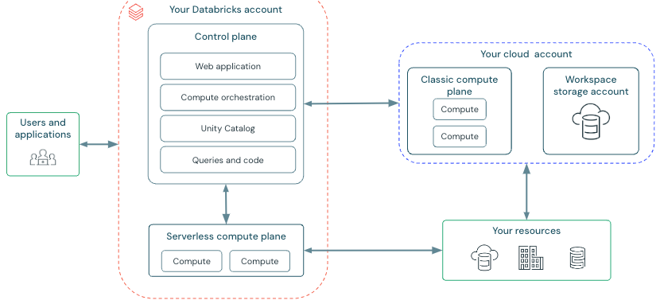

 |  | https://learn.microsoft.com/en-us/azure/databricks/compute/#types-of-compute
 |  |  | https://learn.microsoft.com/en-us/azure/databricks/security/network/serverless-network-security/
 |  |  | https://learn.microsoft.com/en-us/azure/databricks/security/network/classic/

 |  | https://learn.microsoft.com/en-us/azure/databricks/getting-started/overview#storage
 |  |  | https://learn.microsoft.com/en-us/azure/databricks/dbfs/
 |  |  | https://learn.microsoft.com/en-us/azure/databricks/data-governance/unity-catalog/get-started

 | What are ACID guarantees on Azure Databricks?
 |  |  | https://learn.microsoft.com/en-us/azure/databricks/lakehouse/acid
 |  |  | Azure Databricks uses Delta Lake by default for all reads and writes and builds upon the ACID guarantees provided by the open source Delta Lake protocol. ACID stands for atomicity, consistency, isolation, and durability.
 |  |  | Atomicity means that all transactions either succeed or fail completely.
 |  |  | Consistency guarantees relate to how a given state of the data is observed by simultaneous operations.
 |  |  | Isolation refers to how simultaneous operations potentially conflict with one another.
 |  |  | Durability means that committed changes are permanent.
 |  |  | While many data processing and warehousing technologies describe having ACID transactions, specific guarantees vary by system, and transactions on Azure Databricks might differ from other systems you've worked with

 | What is the medallion lakehouse architecture?
 |  |  | https://learn.microsoft.com/en-us/azure/databricks/lakehouse/medallion
 |  |  | The medallion architecture describes a series of data layers that denote the quality of data stored in the lakehouse. Azure Databricks recommends taking a multi-layered approach to building a single source of truth for enterprise data products.

 |  |  | This architecture guarantees atomicity, consistency, isolation, and durability as data passes through multiple layers of validations and transformations before being stored in a layout optimized for efficient analytics. The terms bronze (raw), silver (validated), and gold (enriched) describe the quality of the data in each of these layers.
Question | Bronze | Silver | Gold
What happens in this layer? | Raw data ingestion | Data cleaning and validation | Dimensional modeling and aggregation
Who is the intended user? | Data engineers | Data engineers | Business analysts and BI developers
 | Data operations | Data analysts (use the Silver layer for a more refined dataset that still retains detailed information necessary for in-depth analysis) | Data scientists and machine learning (ML) engineers
 | Compliance and audit teams | Data scientists (build models and perform advanced analytics) | Executives and decision makers
 |  |  | Operational teams

 | What does it mean to build a single source of truth?
 |  |  | The Databricks lakehouse eliminates the need for creating and syncing copies of data across multiple systems by unifying data access and storage in a single system, establishing the lakehouse as the single source of truth (SSOT). Duplicating data often results in data silos, meaning that different teams within an organization may be working with versions of the same data that differ in quality and freshness.

 |  |  | How does the lakehouse control transactions and data access?
 |  |  | Delta Lake transactions use log files stored alongside data files to provide ACID guarantees at a table level. Because the data and log files backing Delta Lake tables live together in cloud object storage, reading and writing data can occur simultaneously without risk of many queries resulting in performance degradation or deadlock for business-critical workloads. This means that users and applications throughout the enterprise environment can connect to the same single copy of the data to drive diverse workloads, with all viewers guaranteed to receive the most current version of the data at the time their query executes.

 |  |  | Leverage views in the lakehouse
 |  |  | Views on Azure Databricks represent saved queries against data stored in tables somewhere in the lakehouse. Whereas the queries that result in tables are executed at write time, views execute defining logic each time a query against a view runs. This means that views can provide up-to-date access to data from a variety of sources, and that compute is only spent to update results as they are needed.

 |  |  | You can use Unity Catalog to secure and share views alongside other data objects, allowing individuals and teams to share the logic that drives key business decisions across the organization.
 |  |  | https://learn.microsoft.com/en-us/azure/databricks/views/

 | Data discovery and collaboration in the lakehouse
 |  | https://learn.microsoft.com/en-us/azure/databricks/lakehouse/collaboration
 |  |  | Databricks designed Unity Catalog to help organizations reduce time to insights by empowering a broader set of data users to discover and analyze data at scale. Data stewards can securely grant access to data assets for diverse teams of end users in Unity Catalog. These users can then use a variety of languages and tools, including SQL and Python, to create derivative datasets, models, and dashboards that can be shared across teams.
 |  |  | Manage permissions at scale
 |  |  | Discover data on Azure Databricks
 |  |  | https://learn.microsoft.com/en-us/azure/databricks/catalog-explorer/
 |  |  | Accelerate time to production with the lakehouse

 | Lakehouse architecture
 |  | https://learn.microsoft.com/en-us/azure/databricks/lakehouse-architecture/
 |  |  | Introduction to the well-architected data lakehouse
 |  |  | https://learn.microsoft.com/en-us/azure/databricks/lakehouse-architecture/#articles-about-lakehouse-architecture
 |  |  | The scope of the lakehouse
 |  |  | https://learn.microsoft.com/en-us/azure/databricks/lakehouse-architecture/scope#a-modern-data-and-ai-platform-framework

 |  |  | Guiding principles for the lakehouse
 |  |  | https://learn.microsoft.com/en-us/azure/databricks/lakehouse-architecture/guiding-principles
 |  |  | Ground rules that define and influence your architecture. They explain the vision behind a lakehouse implementation and form the basis for future decisions on your data, analytics, and AI architecture.

 |  |  | Downloadable lakehouse reference architectures
 |  |  | https://learn.microsoft.com/en-us/azure/databricks/lakehouse-architecture/reference
 |  |  | Downloadable architecture blueprints outline the recommended setup of the Databricks Data Intelligence Platform and its integration with cloud providers' services

 |  |  | The seven pillars of the well-architected lakehouse, their principles, and best practices
 |  |  | https://learn.microsoft.com/en-us/azure/databricks/lakehouse-architecture/well-architected
 |  |  | Understand the pros and cons of decisions you make when building the lakehouse. This framework provides architectural best practices for developing and operating a safe, reliable, efficient, and cost-effective lakehouse

