MVC Architecture
Initialization: The application starts, and the routing engine
determines the appropriate controller and action method based on the URL. |  | Controller: The controller handles the user request. Typically,
 |  | the user uses the view and raises an HTTP request, which will
Route Resolution: The routing engine matches the incoming request's |  | be handled by the controller. The controller processes the request
URL pattern to a specific route, determining the controller and action to handle the request. |  | and returns the appropriate view as a response.

Controller Initialization: The selected controller is instantiated, |  | Model: Model represents the shape of the data. A class in C# is used to describe a model.
and its action method is executed. The controller interacts with the model and prepares data for the view. |  | Model objects store data retrieved from the database.
 |  | Model: Represents the data and business logic of the application. It is responsible for retrieving and manipulating data, as well as defining the rules and behaviors of the application.
Action Execution: The action method of the controller is executed.
It processes the request, interacts with the model layer to retrieve |  | View: View in MVC is a user interface. View display model data to the
or manipulate data, and prepares the data to be displayed in the view. |  | user and also enables them to modify them. View in ASP.NET MVC is HTML,
 |  | CSS, and some special syntax (Razor syntax) that makes it easy to communicate
View Rendering: The action method returns a view, which is responsible |  | with the model and the controller.
for generating the HTML output to be sent back to the browser. The view renders the model data passed by the controller into HTML.

Response: The rendered view is sent as a response to the client's browser.

Request Handling: If the client sends further requests, the cycle continues,
starting with the route resolution and continuing through the subsequent stages.

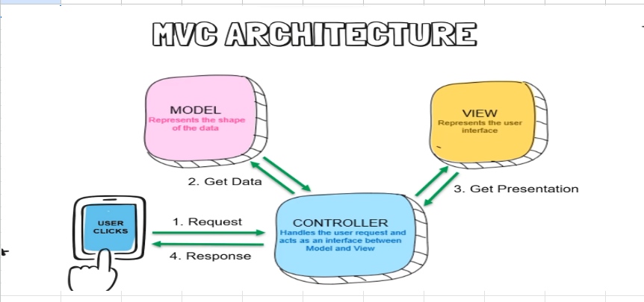
Termination: The application execution completes the life cycle, but it can start again when new requests arrive.

 | Explain MVC Architecture

Routing
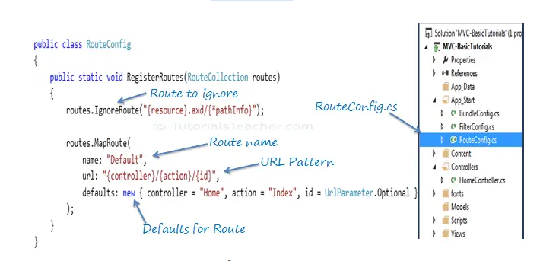
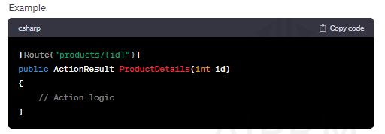
Routing refers to the process of mapping incoming HTTP requests to specific controller actions or methods in an MVC application.
It determines how URLs are interpreted and which controller action should handle a particular request.

 |  |  | In ASP.NET MVC, routing can be achieved in multiple ways:

 |  |  | Convention-Based Routing: This is the default routing mechanism in MVC.
 |  |  | It uses a set of conventions to define how URLs should be mapped to controller actions.
 |  |  | Route definitions are usually set up in the RouteConfig.cs file within the App_Start folder.

 |  |  | Attribute Routing: This approach allows developers to define routes directly on the controller
 |  |  | actions or controller itself by using attributes. It offers more flexibility and fine-grained control over routing.
 |  |  | in Attribute Routing u need to add routes.MapMvcAttributeRoutes(); in Rout.config file
 |  |  | Custom Route Constraints: Developers can create custom constraints to apply additional
 |  |  | rules to route parameters. For instance, specifying that a parameter should match a specific pattern or a set of values.

 |  |  | Area Routing: ASP.NET MVC provides areas to organize a large project into multiple
 |  |  | smaller sections. Each area can have its set of controllers, views, and routes.

 |  |  | Dynamic Routing: Dynamic routing involves generating routes dynamically based on certain
 |  |  | conditions or data. This can be achieved by custom route handlers or by modifying routes at runtime.

 | Question: | What is routing and how many way we can achive it

Exception Handling
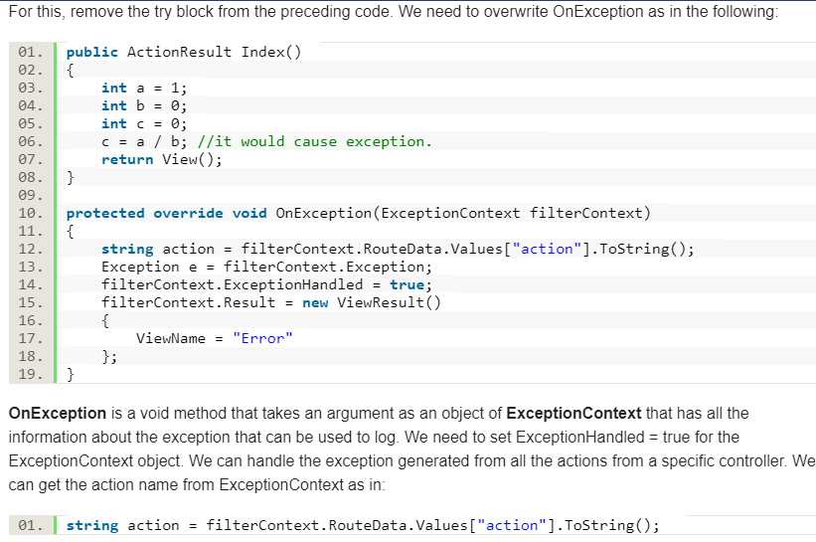
ASP.NET provides the following ways to handle exceptions: | Overriding Controller.OnException method

Using <customErrors> element in web.config
The <customErrors> element under system.web in web.config is used to
configure error code to a custom page.

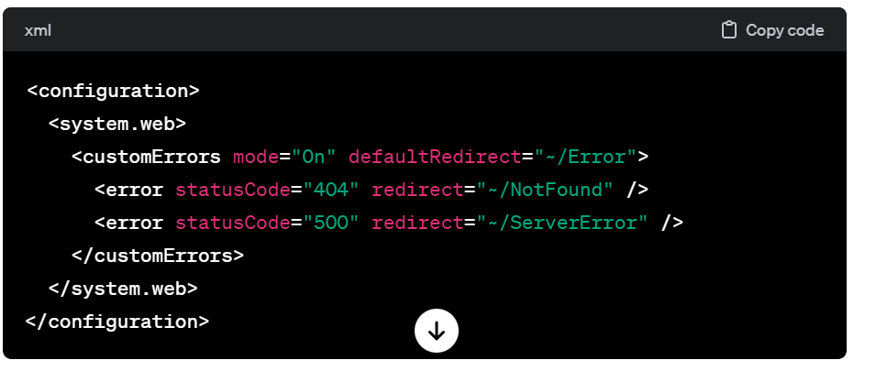
Using HandleErrorAttribute(on 500 status code :Internal error)
HandleErrorAttribute is an attribute that can be used to handle exceptions thrown by an
action method or a controller. You can use it to display a custom view on a specific exception | Using Application_Error event of HttpApplication
occurred in an action method or in an entire controller.

KeepPeek
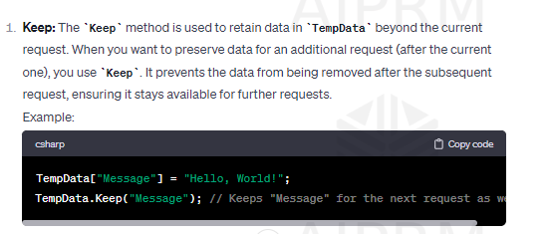
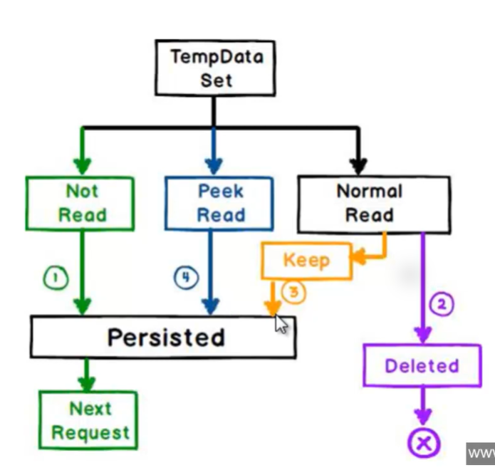

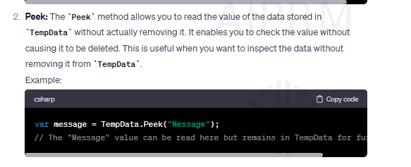

Action Selectors
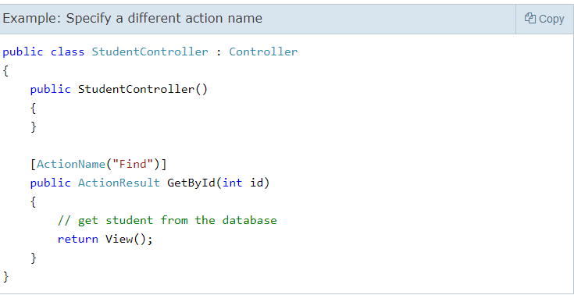
Action Selectors

Action selector is the attribute that can be applied to the action methods. It helps the routing engine to select the correct action method to handle a particular request.
MVC 5 includes the following action selector attributes:
ActionName
The ActionName attribute allows us to specify a different action name than the method name,

NonAction
Use the NonAction attribute when you want public method in a controller but do not want to treat it as an action method.

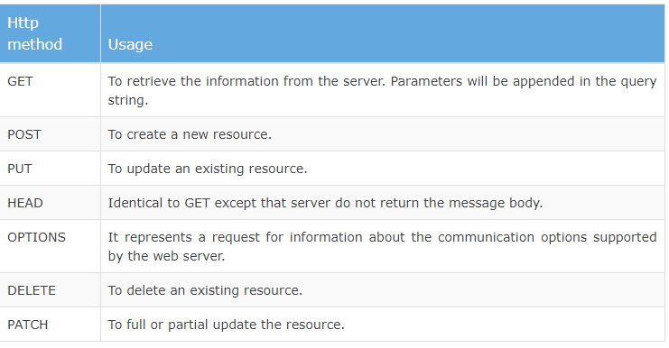
ActionVerbs
The ActionVerbs selector is to handle different type of Http requests.
The MVC framework includes HttpGet, HttpPost, HttpPut, HttpDelete, HttpOptions, and HttpPatch action verbs.

Filter
Filter is a custom class where you can write custom logic to execute before or after an action method executes

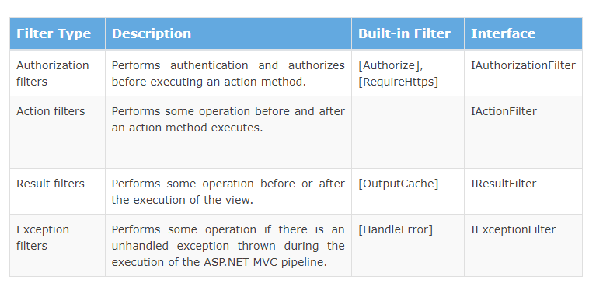
 | Refer : https://www.tutorialspoint.com/asp.net_mvc/asp.net_mvc_filters.htm

ChatGPT
In ASP.NET MVC, filters are components that enable you to perform pre-processing and post-processing logic on controller actions and other types of MVC components. Filters can be applied globally to all controllers and actions or selectively to specific controllers or actions. They help you encapsulate cross-cutting concerns, such as logging, authorization, exception handling, and caching, in a modular and reusable way.

There are several types of filters in ASP.NET MVC:

Authorization Filters:

AuthorizeAttribute: Restricts access to an action or controller based on user authentication and authorization.
Action Filters:

ActionFilterAttribute: Enables you to perform logic before and after an action method is executed. It includes methods like OnActionExecuting, OnActionExecuted, OnResultExecuting, and OnResultExecuted.
Result Filters:

ResultFilterAttribute: Similar to action filters but operates on the ActionResult returned by an action method. It includes methods like OnResultExecuting and OnResultExecuted.
Exception Filters:

ExceptionFilterAttribute: Catches unhandled exceptions thrown during the execution of an action method.

Razor
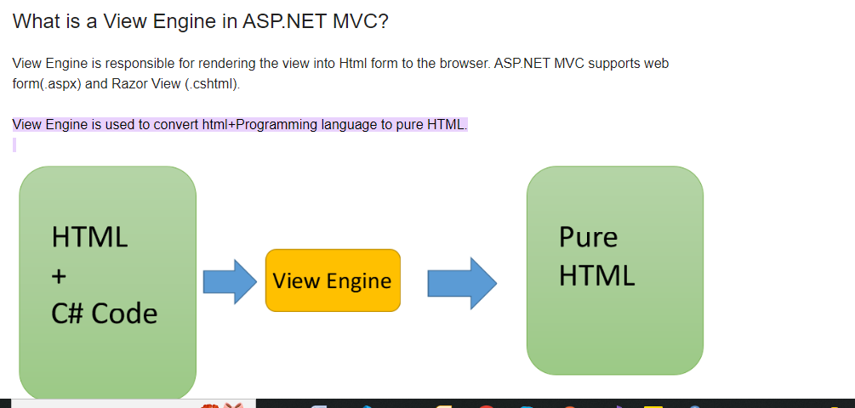
Razor allows you to write a mix of HTML and server-side code using C# or Visual Basic.
C# syntax has .cshtml file extension.

Refer : https://www.tutorialsteacher.com/mvc/razor-syntax

A partial view is a reusable portion of a web page. It is .cshtml or .vbhtml file that contains HTML code
example : menu bar

Model Binding
The model binding refers to converting the HTTP request data (from the query string or form collection) to an action method parameters.
These parameters can be of primitive type or complex type.
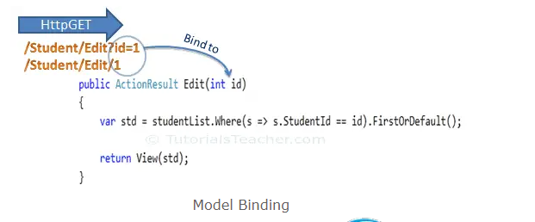
primitive type : | The HTTP GET request embeds data into a query string. MVC framework
 | automatically converts a query string to the action method
 | parameters provided their names are matching.

Complex types. It will automatically convert the input fields data on
the view to the properties of a complex type parameter of an action method in HttpPost request if the properties' names match with the fields on the view.

ASP.NET MVC model binding allows you to map HTTP request data with a model.

Model binding is a well-designed bridge between the HTTP request and the C# action methods.

HtmlHelper
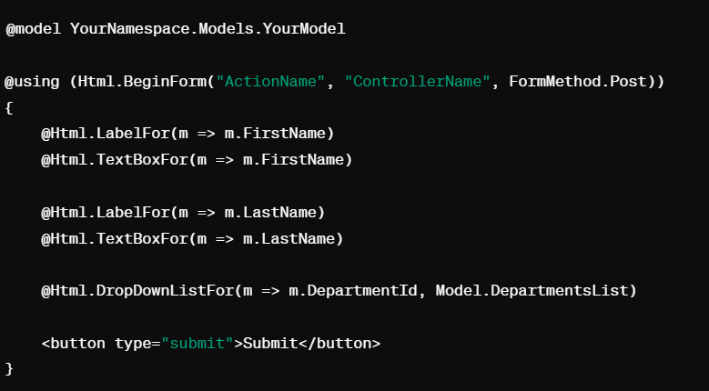
The HtmlHelper class renders HTML controls in the razor view.

Binding the model object to HTML controls:

Displays the value of model properties into those controls.
Assigns the value of the controls to the model properties while submitting a web form.

@ symbol is used to access server-side object in razor syntax

ValidationDataAno
Data annotations are attributes that can be applied to model properties to define validation | The Html.ValidationMessageFor() is a strongly typed extension method.
rules, specify display names, format data, and more. These annotations help in maintaining the integrity | It displays a validation message if an error exists for the specified field in the
of data and performing validation at the model level. Here are some common data annotations used in ASP.NET MVC | ModelStateDictionary object.
System.ComponentModel.DataAnnotations namespace
 | The ValidationSummary() extension method displays a summary of all
[Required]: Indicates that a property is required and cannot be null or empty. | validation errors on a web page as an unordered list element. It
[StringLength]: Specifies the maximum and minimum length constraints for a string property. | can also be used to display custom error messages.
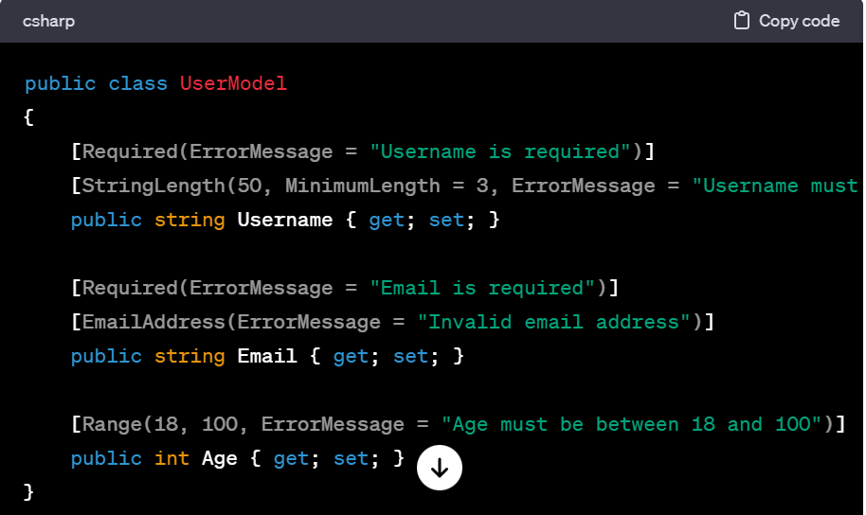
[Range]: Defines the allowable range of values for numeric properties.
[RegularExpression]: Specifies a regular expression pattern for validating the property's value.
[Display]: Allows customization of display name, group name, and other presentation-related settings.
[DataType]: Specifies the data type for the property, enabling correct data formatting and validation.
[EmailAddress]: Validates that the property value is in a valid email format.
[Compare]: Compares the value of the property with another property's value for equality.

ViewBagDatatemp
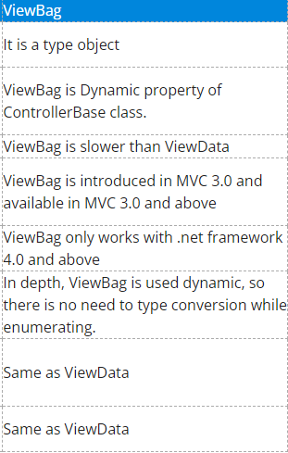
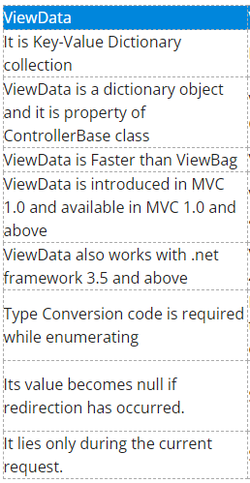
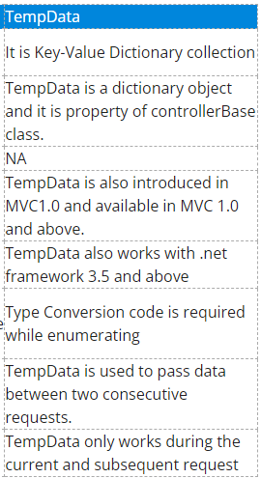
View Bag is used to transfer temporary data (which is not included in the model) from the controller to the view.

ViewData is similar to ViewBag, which transfers data from Controller to View.
ViewData is a dictionary, so it contains key-value pairs where each key must be a string.

Note : | ViewBag and ViewData only transfers data from controller to view, not visa-versa. ViewBag values
 | will be null if redirection occurs.

TempData is used to transfer data from view to controller, controller to view, or from one action method to another
action method of the same or a different controller.

TempData stores the data temporarily and automatically removes it after retrieving a value.

TempData is a property in the ControllerBase class. So, it is available in any controller or view in the
ASP.NET MVC application.

Render(PageBody)
