Basic
What is EF:
The Entity Framework is an Object-Relational Mapper (O/RM) that enables .NET developers to work with a database using .
NET objects. It eliminates the need for most of the data-access code that developers usually need to write.

 | https://mindmajix.com/entity-framework-interview-questions
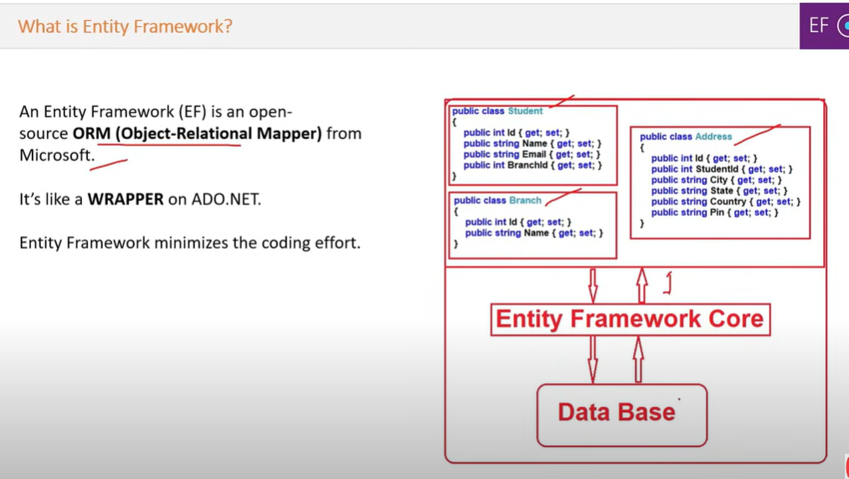
 | https://dotnettutorials.net/course/entity-framework/

Approaches
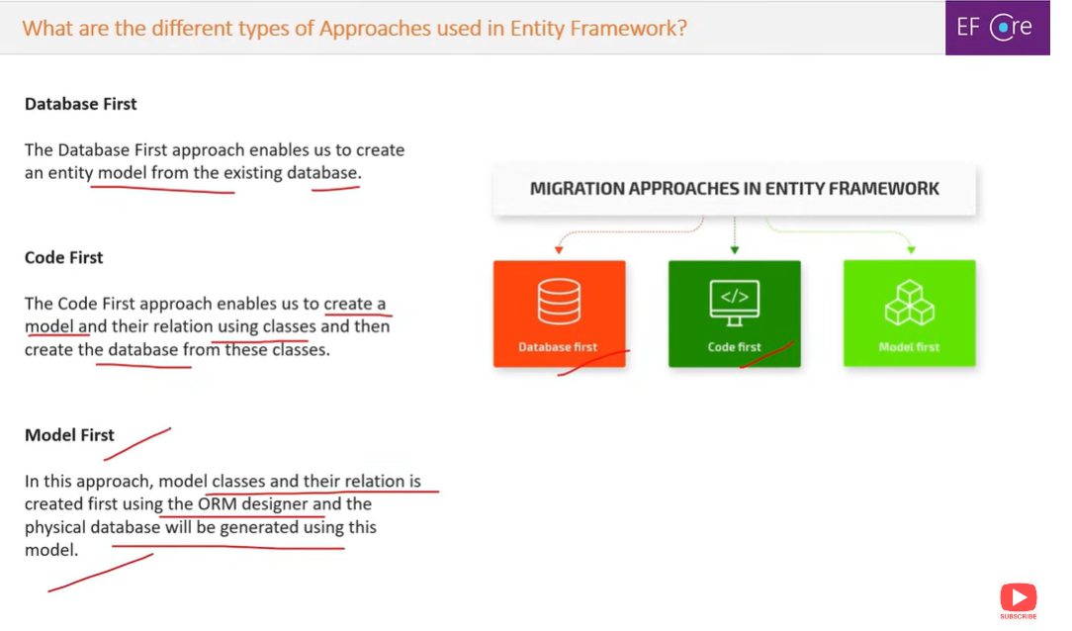

Lazy Loading
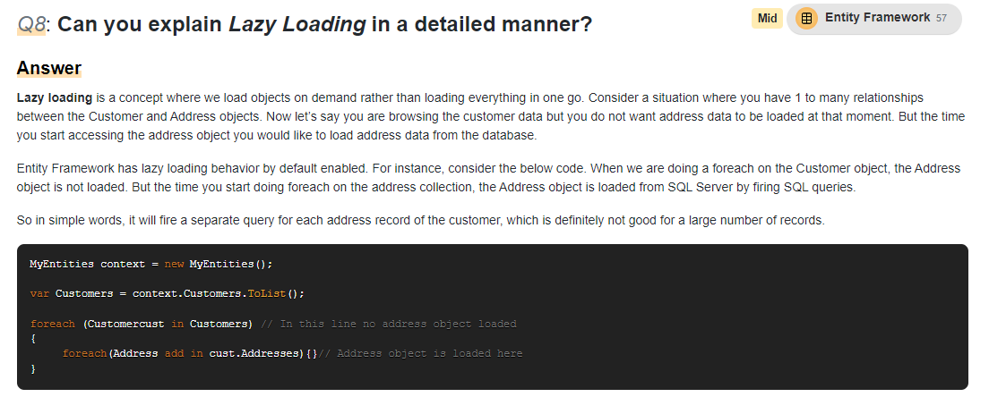
Can you explain Lazy Loading in a detailed manner?
Lazy loading is a concept where we load objects on demand rather than loading everything in one go.
Consider a situation where you have 1 to many relationships between the Customer and Address objects.
Now let's say you are browsing the customer data but you do not want address data to be loaded at that moment.
But the time you start accessing the address object you would like to load address data from the database.
Entity Framework has lazy loading behavior by default enabled. For instance, consider the below code.
When we are doing a foreach on the Customer object, the Address object is not loaded.
But the time you start doing foreach on the address collection, the Address object is loaded from SQL Server by
firing SQL queries. So in simple words, it will fire a separate query for each address record of the customer, | Customer | Address
which is definitely not good for a large number of records.
MyEntities context new MyEntities();
var Customers context.Customers.ToList();
foreach (Customercust in Customers) // In this line no address object loaded
{
foreach (Address add in cust.Addresses) ()// Address
}

