Anonymous types
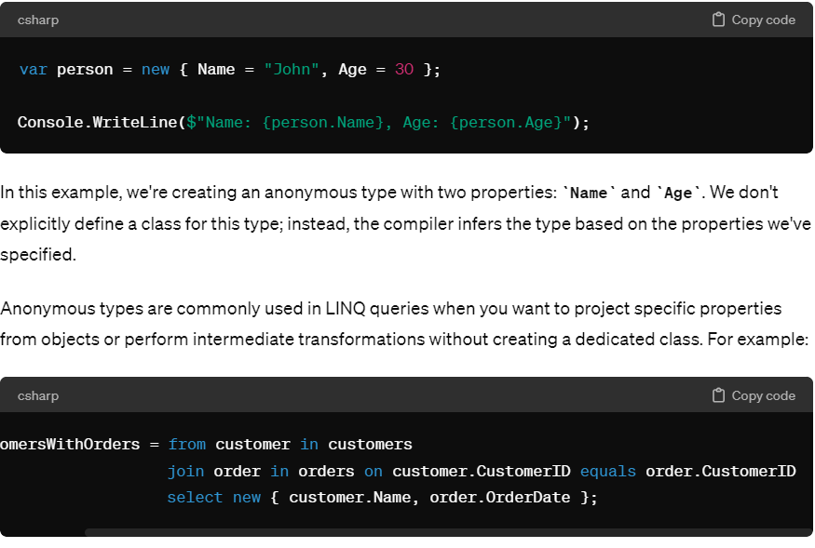
Anonymous types in LINQ refer to a feature that allows developers to create objects without explicitly defining the type.
These types are created on the fly and are useful for storing temporary or intermediate results of LINQ queries

There are some restrictions on Anonymous types as well:

Anonymous types can not implement interfaces.
Anonymous types can not specify any methods.
We can not define static members.
All defined properties must be initialized.
We can only define public fields.

Extenion()
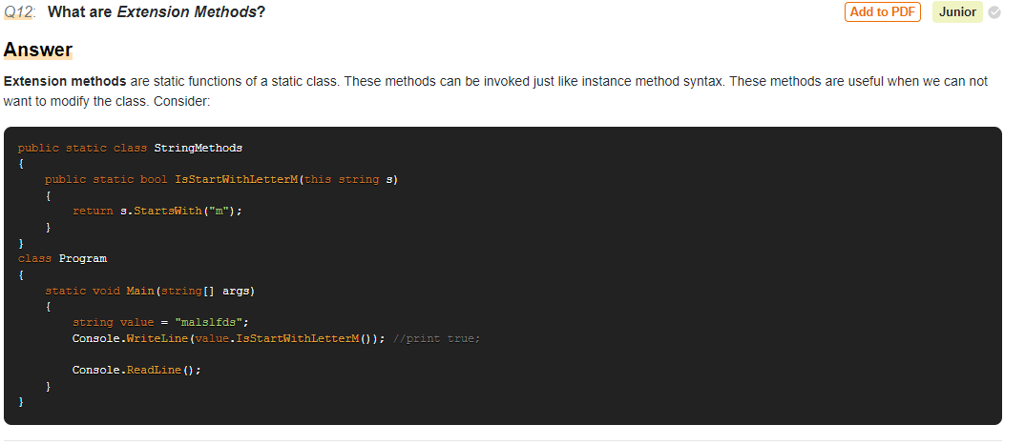

Compiled Query
what are the linq compiled query
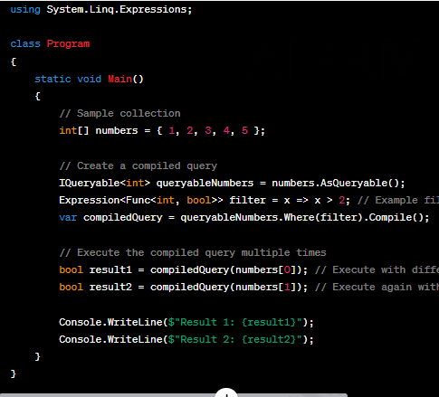
Compiled queries in LINQ refer to the optimization technique where LINQ queries are precompiled into executable code, allowing for improved performance
when they are executed multiple times. This is especially useful when the same LINQ query is executed frequently with different parameters or in a loop.

In LINQ, the Queryable class provides a Compile method that can be used to compile LINQ queries into executable code. When you compile a LINQ query,
it translates the query expression into a delegate that can be executed multiple times without the need to recompile the query each time.

Let
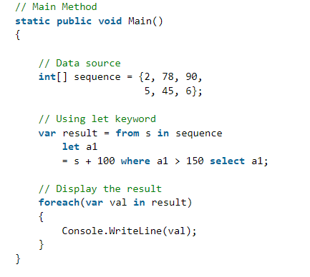
Where clause: It allows adding some conditional filters to the query.
Let clause: It allows defining a variable and assigning it a value calculated from the data values.

Lamda
Lambda expression is referred as a unique function use to form delegates ,
where right side is the output and left side is the input to the method.
For writing LINQ queries particularly, Lambda expression is used.
 | Select is used for transforming elements of a single collection into a new form, maintaining a one-to-one
 | mapping between input and output elements.
 | SelectMany is used for flattening nested collections or merging multiple sequences into a single
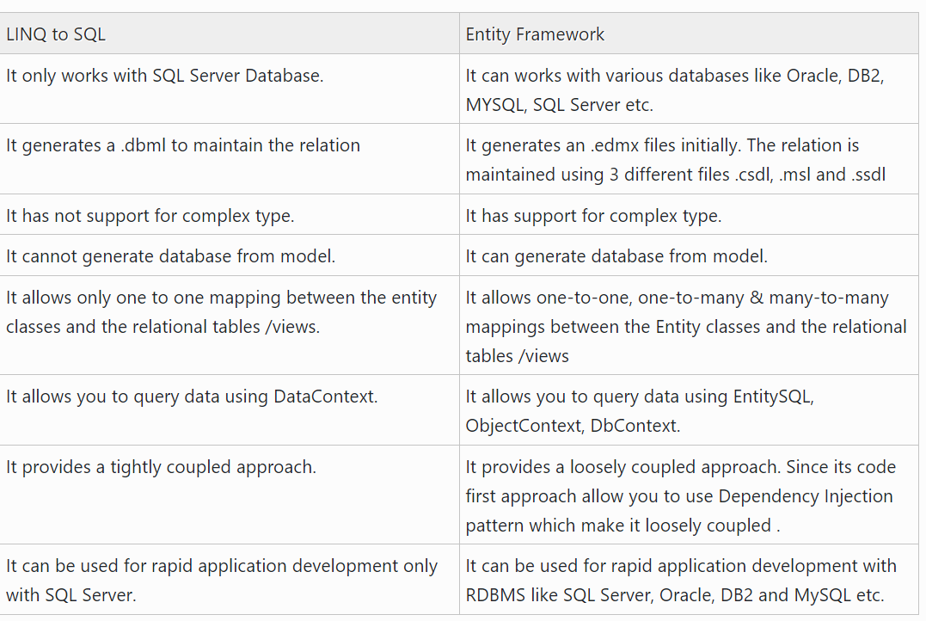
 | sequence by projecting each element of a sequence of sequences.

Sheet14
IEnumerable | IQueryable
IEnumerable exists in System.Collections Namespace. | IQueryable exists in System. Linq Namespace.
IEnumerable can move forward only over a collection, it can’t move backward and between the items. | IQueryable can move forward only over a collection, it can’t move backward and between the items.
IEnumerable is best to query data from in-memory collections like List, Array, etc. | IQueryable is best to query data from out-memory (like remote database, service) collections.
While query data from a database, IEnumerable execute a select query on the server side, l | While query data from a database, IQueryable execute the select query on the server side with all filters.
oad data in-memory on a client-side and then filter data. | IQueryable is suitable for LINQ to SQL queries.
IEnumerable is suitable for LINQ to Object and LINQ to XML queries. | IQueryable supports deferred execution.
IEnumerable supports deferred execution. | IQueryable supports custom query using CreateQuery and Execute methods.
IEnumerable doesn’t support custom query. | IQueryable support lazy loading. Hence it is suitable for paging like scenarios.
IEnumerable doesn’t support lazy loading. Hence not suitable for paging like scenarios. | Extension methods support by IQueryable takes expression objects means expression tree.
Extension methods support by IEnumerable takes functional objects.
IEnumerable Example


 | Notice that in this query "top 10" is exist since IQueryable executes a query in SQL server with all filters.

