ab
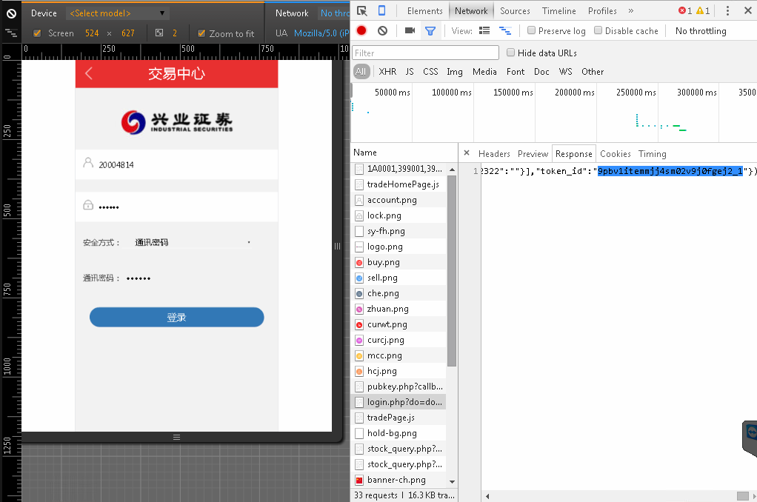
Apache Benchwork

http://27.151.112.178:8088/stock_hq.php?cmd=cmd_stock_query&token_id=9pbv1itemmjj4sm02v9j0fgej2_1&stockcode=300033&callbackparam=aaa&force=1&price=38.56&op_type=mairu

安装apace服务器
cmd运行ab -c 2 -n 2 -u D:\put.txt -T application/x-www-form-urlencoded http://27.151.112.178:8088/stock_hq.php

http://ip:port/interface
Path环境变量添加apace服务器bin目录

jmeter
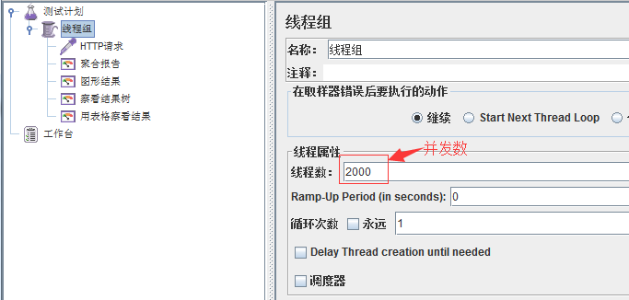
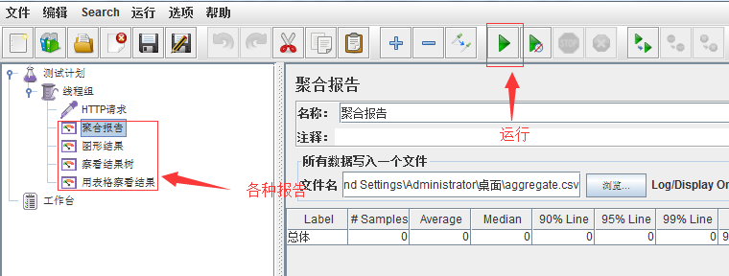
Jmeter

安装jdk和Jmter

载入脚本-配置相关属性-运行

脚本为线程组.jmx

