📈 Model Results
MODEL PERFORMANCE METRICS

Metric | Value | Interpretation
R² Score – Training Set | 0.7074 | Proportion of variance explained on training data
R² Score – Test Set | 0.4106 | Proportion of variance explained on held-out data
Mean Absolute Error | 15.70 tickets | Average prediction error per month (test set)
Root Mean Squared Error | 18.67 tickets | Penalises large errors more heavily (test set)
Model Intercept | 155.8336 | Baseline ticket volume when all predictors = 0
Training Observations | 38 | 80% of the 48-month dataset used for model fitting
Test Observations | 10 | 20% of the 48-month dataset used for evaluation

FEATURE IMPORTANCE (STANDARDISED COEFFICIENTS)

Feature | Raw Coefficient | Standardised Coeff | Direction | Business Interpretation
Remote Work % | 1.7555 | 22.0962 | ▲ Increases tickets | Higher remote % → more IT support needed (VPN, remote tools)
System Updates | 6.2739 | 12.3298 | ▲ Increases tickets | Each update batch generates significant support tickets
Staff Count | 0.0247 | 5.4681 | ▲ Increases tickets | More staff = more potential ticket raisers
Prior Month Volume | 0.0968 | 3.2647 | ▲ Increases tickets | Recent ticket trends carry forward (autocorrelation)
Month Number | -0.4856 | -1.2312 | ▼ Decreases tickets | Slight seasonal dip mid-year (holiday periods)
Avg Tenure (Years) | -11.5453 | -1.5866 | ▼ Decreases tickets | Experienced staff are more self-sufficient — fewer tickets

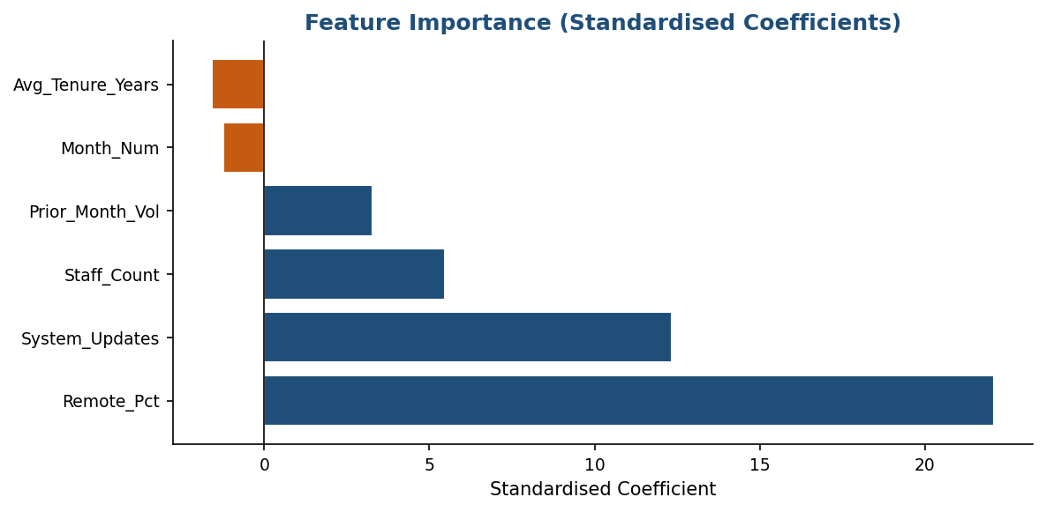
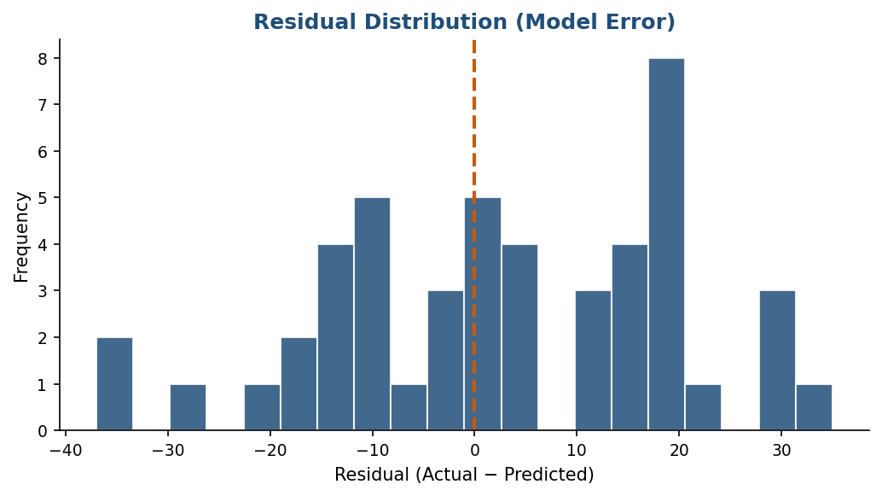

REGRESSION EQUATION
Ticket Volume = 155.83 + (1.76 × Remote Work %) + (6.27 × System Updates) + (0.02 × Staff Count) + (0.1 × Prior Month Volume) + (-0.49 × Month Number) + (-11.55 × Avg Tenure (Years))

🔮 6-Month Forecast
6-MONTH TICKET VOLUME FORECAST — Jan to Jun 2025
Based on Multiple Linear Regression Model | Assumptions: +3 staff/month, 3 system updates/month, tenure declining 0.05 yrs/month, remote +0.5%/month

Month | Staff Count | System Updates | Avg Tenure (Yrs) | Remote % | Prior Month Vol | Forecast Tickets | MoM Change | MoM Change % | Confidence Note
Jan 2025 | 288 | 3 | 3.4 | 64.1 | 275 | 281 | N/A | N/A | High
Feb 2025 | 291 | 3 | 3.3 | 64.6 | 281 | 283 | 2 | 0.7 | High
Mar 2025 | 294 | 3 | 3.2 | 65.1 | 283 | 285 | 2 | 0.7 | Medium
Apr 2025 | 297 | 3 | 3.2 | 65.6 | 285 | 285 | 0 | 0 | Low
May 2025 | 300 | 3 | 3.1 | 66.1 | 285 | 287 | 2 | 0.7 | Low
Jun 2025 | 303 | 3 | 3.1 | 66.6 | 287 | 288 | 1 | 0.3 | Low

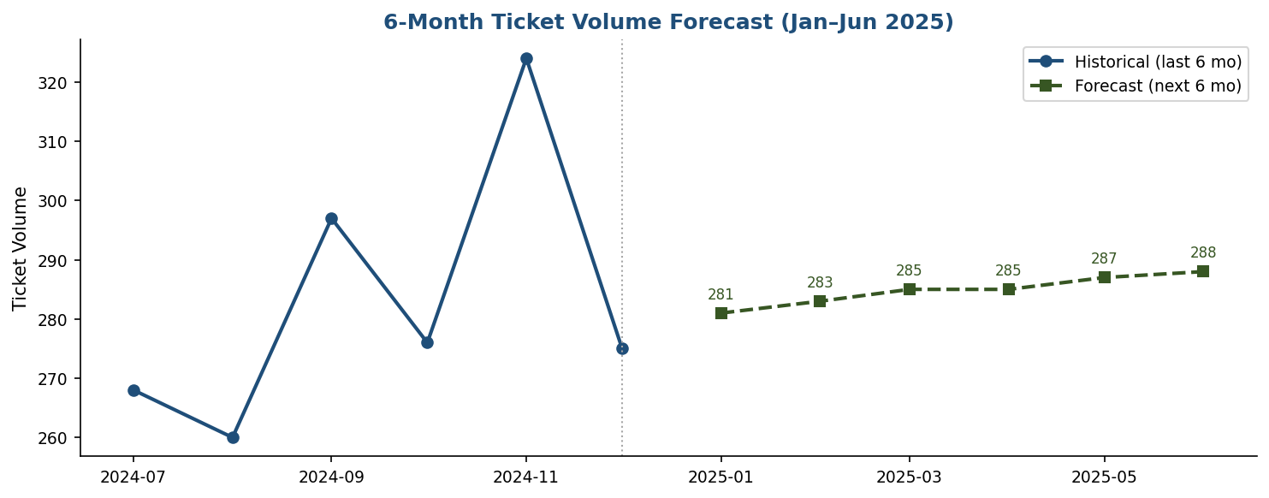

FORECAST ASSUMPTIONS
Assumption | Value | Rationale
Staff Count Growth | +3 per month | Based on ACT Public Sector headcount plan FY25
System Update Rate | 3 per month | Historical average; no major ERP upgrade planned
Avg Tenure Trend | -0.05 yrs/month | Gradual erosion due to new hires reducing org avg
Remote Work % | +0.5% per month | Continued hybrid policy expansion
Confidence Decay | High→Medium→Low | Uncertainty compounds over longer horizons

