1.1_EconImpact
Title | Trend in Economic Impact of Violence
sub-title
x-axis title | year
y-axis title | Economic Impact of Violence (Constant 2022 USD)
source | IEP Calculations
Notes

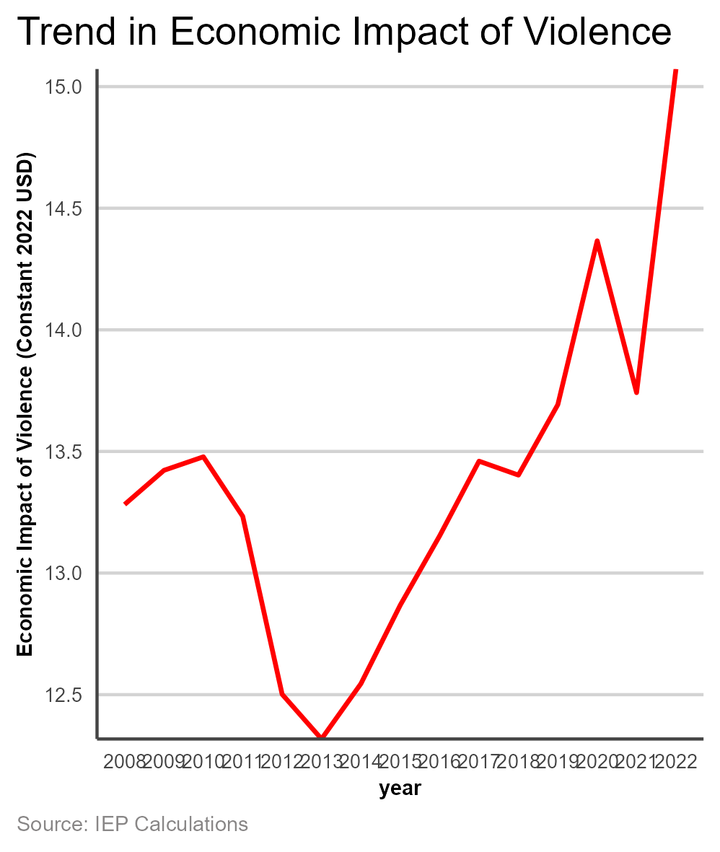
 | year | value
 | 2008 | 13281823980824
 | 2009 | 1.3422376841E+13
 | 2010 | 1.3477889362E+13
 | 2011 | 1.3233044578E+13
 | 2012 | 1.2501645685E+13
 | 2013 | 1.2317762768E+13
 | 2014 | 1.254496377E+13
 | 2015 | 1.2868247695E+13
 | 2016 | 1.3153107904E+13
 | 2017 | 1.3460010534E+13
 | 2018 | 1.3402744546E+13
 | 2019 | 1.3692368115E+13
 | 2020 | 1.4366090145E+13
 | 2021 | 1.3741741306E+13
 | 2022 | 1.5072308723E+13

CompositionPie
Title | Share in the Economic Impact of Violence
sub-title
x-axis title
y-axis title
source | IEP Calculations
Notes

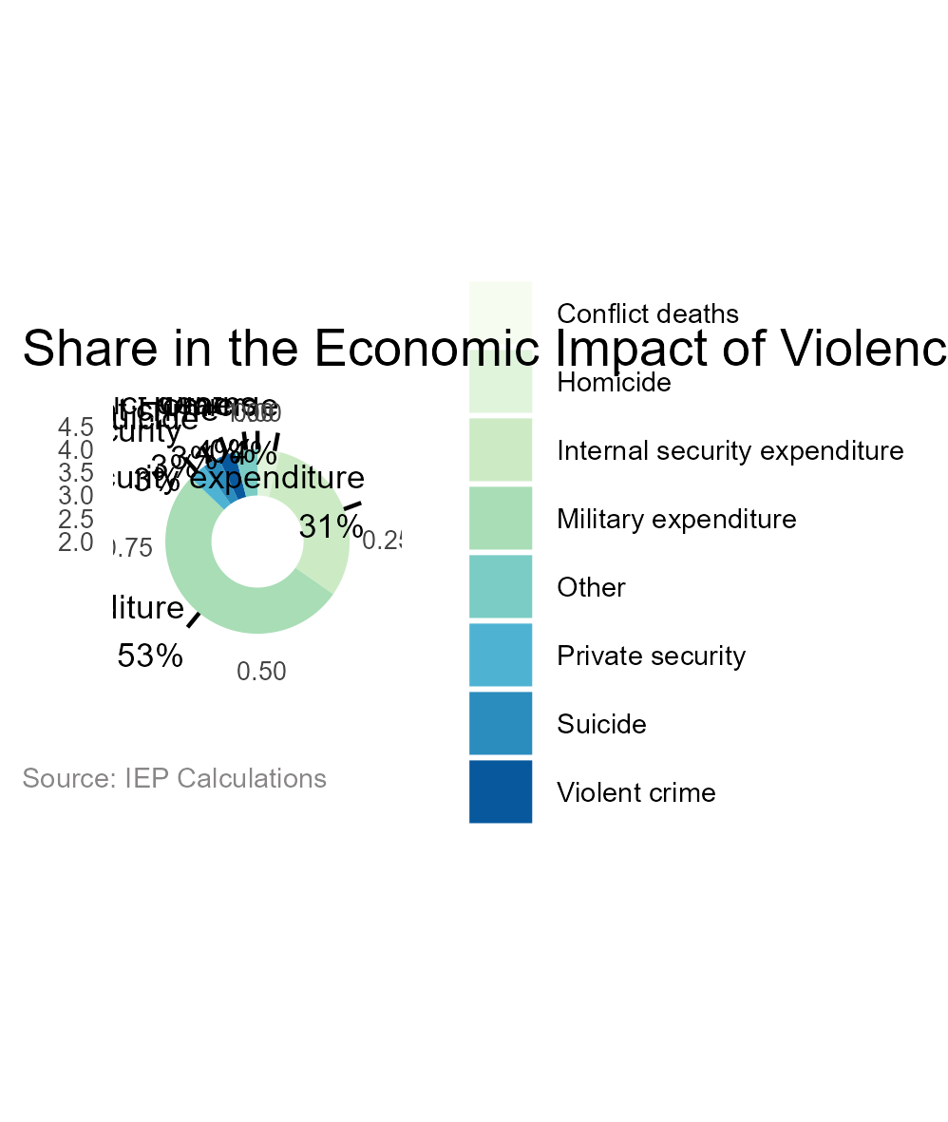
 | indicator2 | value | all | Prop | ymax | ymin | labelPosition | label
 | Conflict deaths | 9207639584.9 | 1.4784282271E+13 | 0 | 0 | 0 | 0 | Conflict deaths 0%
 | Homicide | 5.3085661111E+11 | 1.4784282271E+13 | 4 | 0.04 | 0 | 0.03 | Homicide 4%
 | Internal security expenditure | 4.5415435778E+12 | 1.4784282271E+13 | 31 | 0.35 | 0.04 | 0.195 | Internal security expenditure 31%
 | Military expenditure | 7.7659037315E+12 | 1.4784282271E+13 | 53 | 0.88 | 0.35 | 0.615 | Military expenditure 53%
 | Private security | 4.9779622217E+11 | 1.4784282271E+13 | 3 | 0.91 | 0.88 | 0.895 | Private security 3%
 | Suicide | 4.2341946541E+11 | 1.4784282271E+13 | 3 | 0.94 | 0.91 | 0.925 | Suicide 3%
 | Violent crime | 3.7485055407E+11 | 1.4784282271E+13 | 3 | 0.97 | 0.94 | 0.955 | Violent crime 3%
 | Other | 6.4070446955E+11 | 1.4784282271E+13 | 4 | 1.01 | 0.97 | 0.99 | Other 4%

1.2_Domain
Title | Trend in Domains (Indexed)
sub-title
x-axis title | year
y-axis title | Change in Economic Impact (2008 = 1)
source | IEP Calculations
Notes

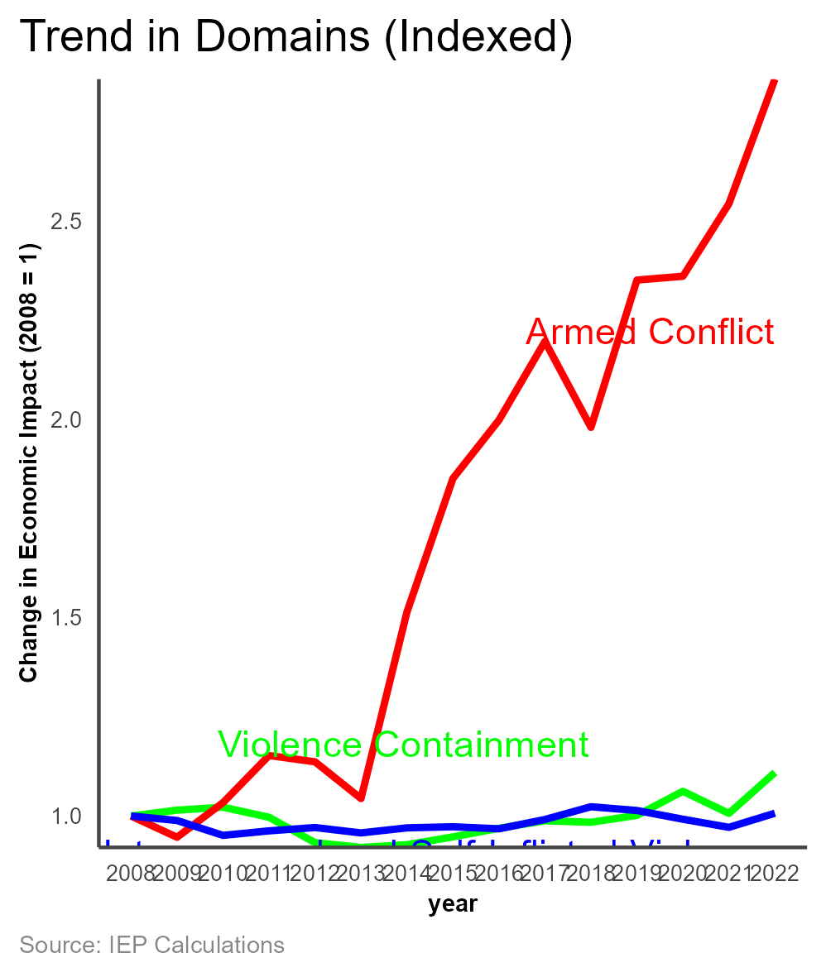
 | year | VC1 | AC1 | ISV1
 | 2008 | 1 | 1 | 1
 | 2009 | 1.0148244744 | 0.94646411189 | 0.98869907196
 | 2010 | 1.0221994908 | 1.0337057886 | 0.95122572023
 | 2011 | 0.99680396549 | 1.1523539354 | 0.96259310597
 | 2012 | 0.93292558419 | 1.1366047375 | 0.9709586593
 | 2013 | 0.92091590251 | 1.0440466931 | 0.95741542004
 | 2014 | 0.92778692706 | 1.5142325414 | 0.97014938541
 | 2015 | 0.94737841493 | 1.85054705 | 0.97296406384
 | 2016 | 0.96915254199 | 1.9973799944 | 0.96775513675
 | 2017 | 0.98804296652 | 2.1956392533 | 0.99126466787
 | 2018 | 0.98425619143 | 1.979075288 | 1.0233942294
 | 2019 | 1.0016411577 | 2.3502389462 | 1.0138714977
 | 2020 | 1.0623663116 | 2.3598004337 | 0.99193751391
 | 2021 | 1.0065975588 | 2.5424940202 | 0.97148416434
 | 2022 | 1.1097219773 | 2.8563880241 | 1.0069955863

1.3_Armed Conflict
Title | Armed Conflict
sub-title
x-axis title
y-axis title
source | IEP Calculations
Notes

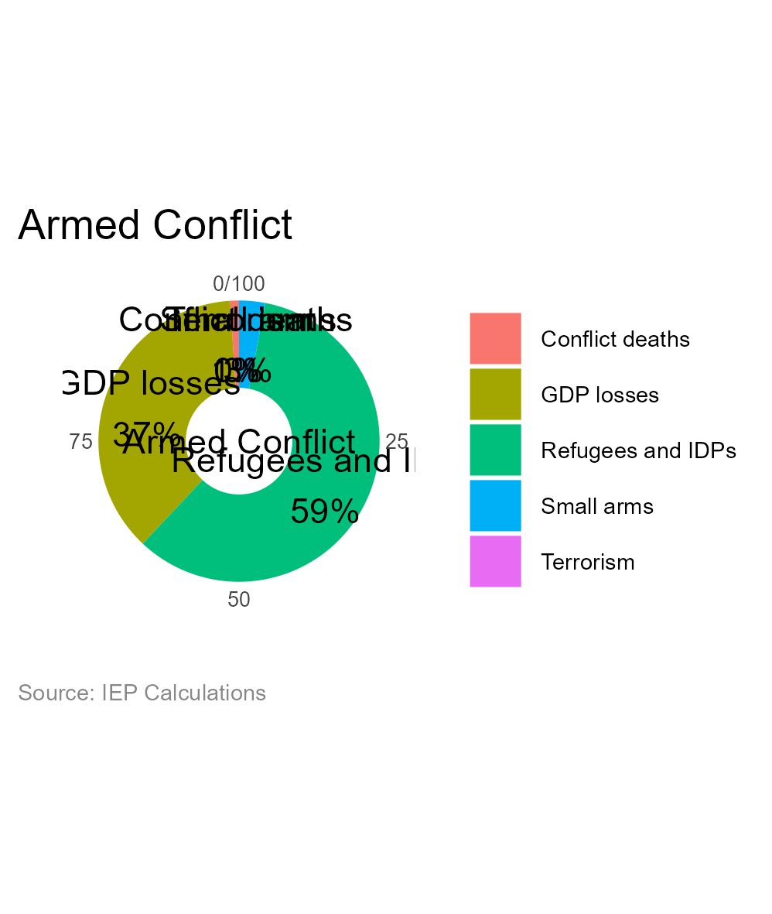
 | indicator2 | value | all | prop | ymax | ymin | labelPosition | label
 | Conflict deaths | 9207639584.9 | 7.8617120698E+11 | 1 | 0.01 | 0 | 0.005 | Conflict deaths 1%
 | GDP losses | 2.8802645223E+11 | 7.8617120698E+11 | 37 | 0.38 | 0.01 | 0.195 | GDP losses 37%
 | Refugees and IDPs | 4.6486144929E+11 | 7.8617120698E+11 | 59 | 0.97 | 0.38 | 0.675 | Refugees and IDPs 59%
 | Small arms | 22135017766 | 7.8617120698E+11 | 3 | 1 | 0.97 | 1 | Small arms 3%
 | Terrorism | 1940648100.3 | 7.8617120698E+11 | 0 | 1 | 1 | 1 | Terrorism 0%

1.4_Interpersonal
Title | Interpersonal and Self-inflicted violence
sub-title
x-axis title
y-axis title
source | IEP Calculations
Notes

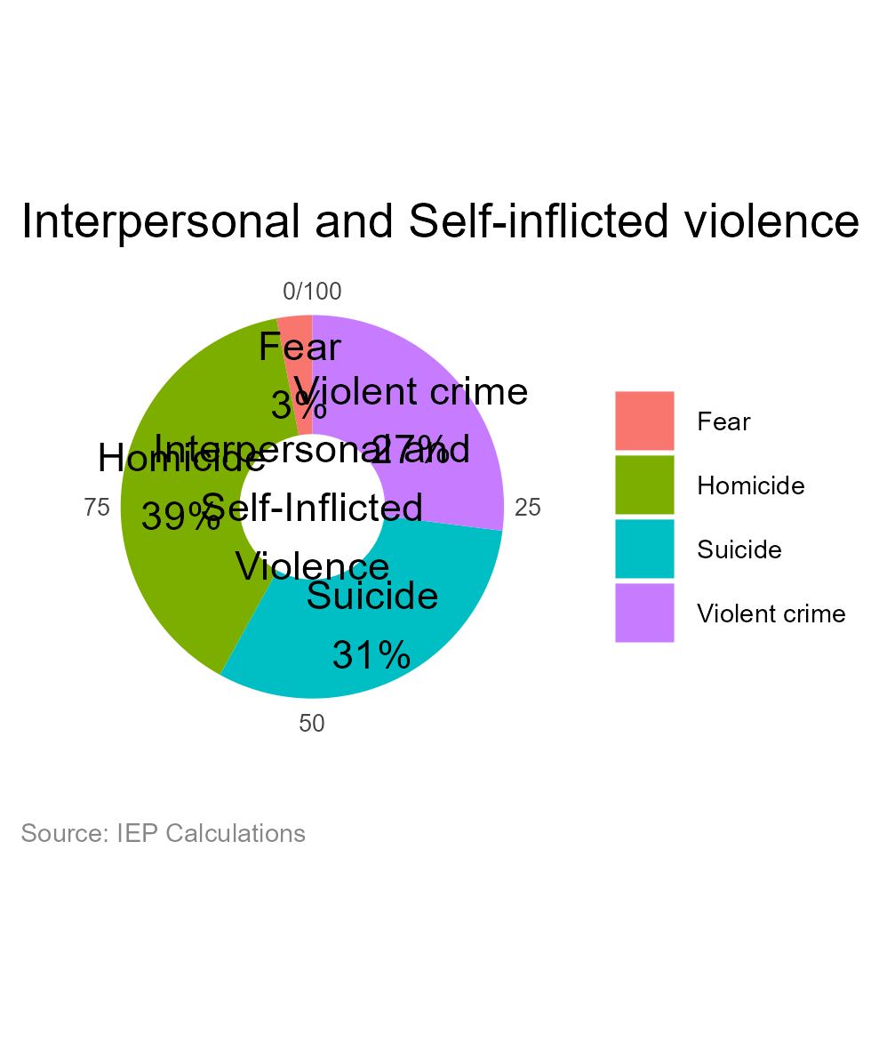
 | indicator2 | value | all | prop | ymax | ymin | labelPosition | label
 | Fear | 34777442465 | 1.3639040731E+12 | 3 | 0.03 | 0 | 0.015 | Fear 3%
 | Homicide | 5.3085661111E+11 | 1.3639040731E+12 | 39 | 0.42 | 0.03 | 0.225 | Homicide 39%
 | Suicide | 4.2341946541E+11 | 1.3639040731E+12 | 31 | 0.73 | 0.42 | 0.575 | Suicide 31%
 | Violent crime | 3.7485055407E+11 | 1.3639040731E+12 | 27 | 1 | 0.73 | 1 | Violent crime 27%

1.5_Violence
Title | Violence Containment
sub-title
x-axis title
y-axis title
source | IEP Calculations
Notes

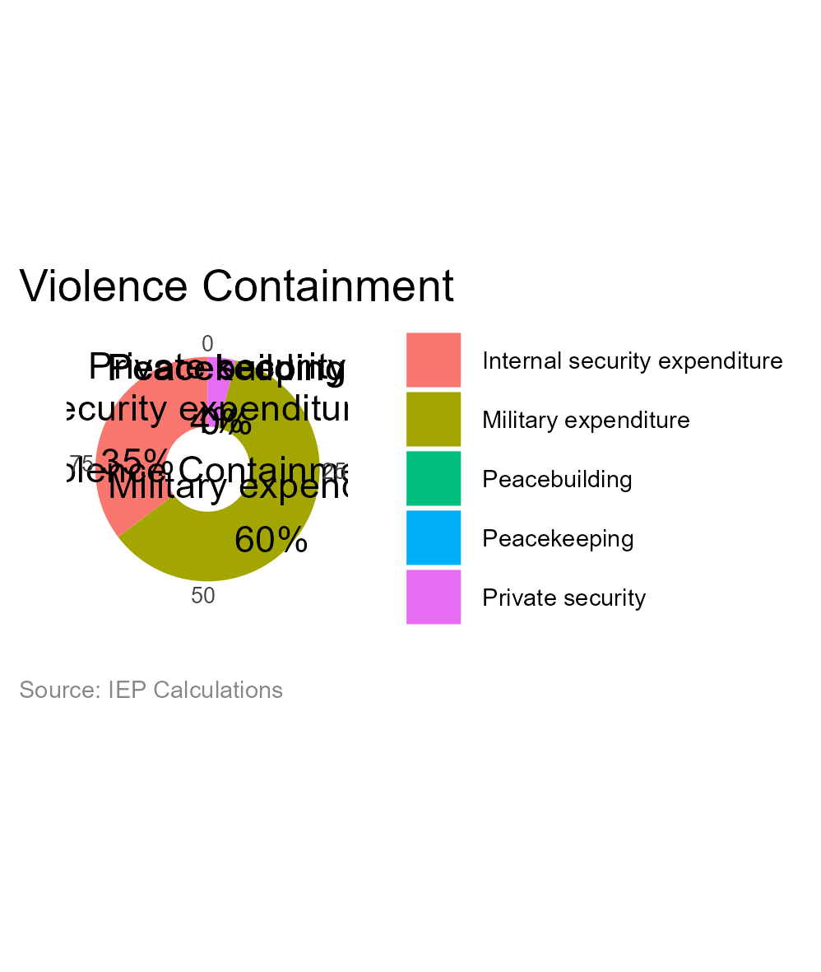
 | indicator2 | value | all | prop | ymax | ymin | labelPosition | label
 | Internal security expenditure | 4.5415435778E+12 | 1.2839624751E+13 | 35 | 0.35 | 0 | 0.175 | Internal security expenditure 35%
 | Military expenditure | 7.7659037315E+12 | 1.2839624751E+13 | 60 | 0.95 | 0.35 | 0.65 | Military expenditure 60%
 | Peacebuilding | 24124729679 | 1.2839624751E+13 | 0 | 0.95 | 0.95 | 0.95 | Peacebuilding 0%
 | Peacekeeping | 10256489820 | 1.2839624751E+13 | 0 | 0.95 | 0.95 | 1 | Peacekeeping 0%
 | Private security | 4.9779622217E+11 | 1.2839624751E+13 | 4 | 0.99 | 0.95 | 0.97 | Private security 4%

1.6_Military per cap
Title | Per Capita Containment Spending (military and internal security) by region 2022
sub-title
x-axis title | Constant US$ 2022
y-axis title
source | IEP Calculations
Notes

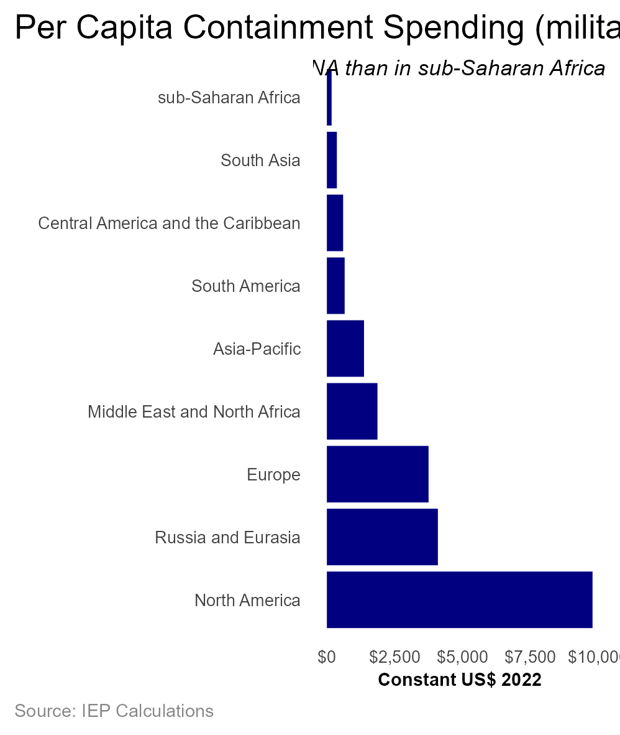
 | region | population | value | per_cap_imp
 | North America | 376744184 | 3.6922822198E+12 | 9800.5022416
 | Russia and Eurasia | 291145761 | 1.1922958772E+12 | 4095.1854256
 | Europe | 631210478 | 2.3676638405E+12 | 3750.9894449
 | Middle East and North Africa | 538188979 | 1.0044808107E+12 | 1866.4091051
 | Asia-Pacific | 2377197397 | 3.2569584342E+12 | 1370.0832915
 | South America | 435890231 | 2.8582720862E+11 | 655.73208182
 | Central America and the Caribbean | 217039515 | 1.3011529458E+11 | 599.50048534
 | South Asia | 1918475356 | 7.0750543901E+11 | 368.78526315
 | sub-Saharan Africa | 1163696411 | 2.0249562641E+11 | 174.01069944

1.7_Total per cap
Title | Total per capita Economic Impact by region
sub-title
x-axis title | Constant US$ 2022
y-axis title
source | IEP Calculations
Notes

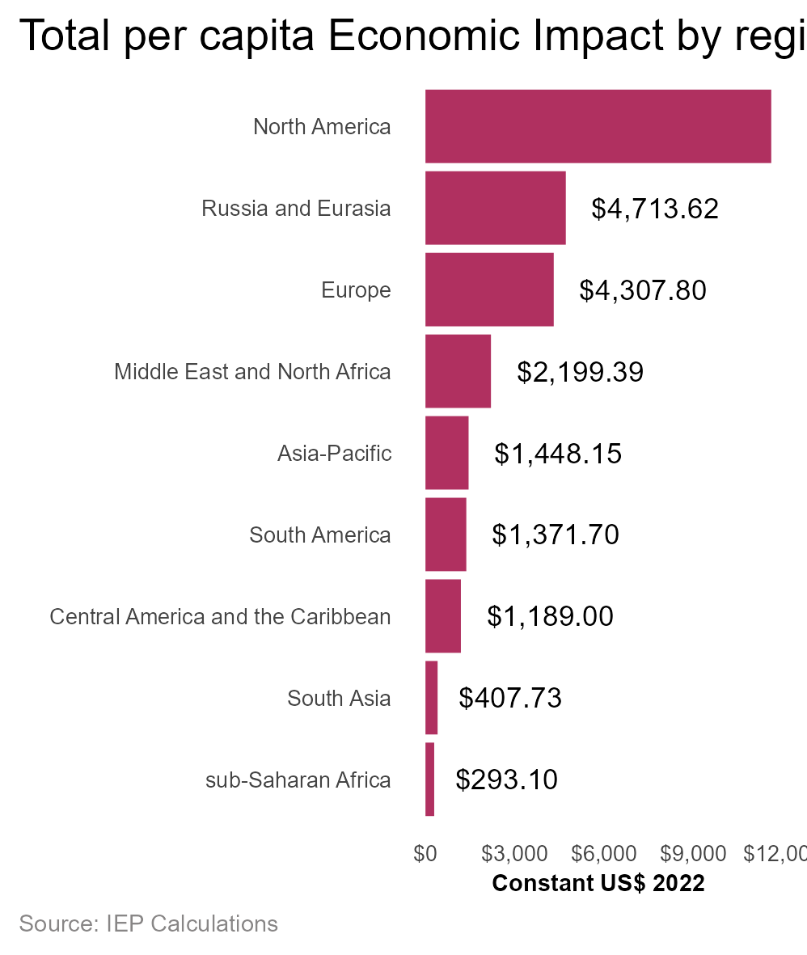
 | region | population | value | impact_per_cap
 | Asia-Pacific | 2377197397 | 3.4425478085E+12 | 1448.1539534
 | Central America and the Caribbean | 217039515 | 2.5805924604E+11 | 1188.9966029
 | Europe | 631210478 | 2.7191294386E+12 | 4307.8014916
 | Middle East and North Africa | 538188979 | 1.1836880306E+12 | 2199.391063
 | North America | 376744184 | 4.3753283298E+12 | 11613.525877
 | Russia and Eurasia | 291145761 | 1.3723515491E+12 | 4713.6236653
 | South America | 435890231 | 5.9790870376E+11 | 1371.6955812
 | South Asia | 1918475356 | 7.8222096138E+11 | 407.73052358
 | sub-Saharan Africa | 1163696411 | 3.410746556E+11 | 293.09590747

1.8_Impact change
Title | Impact Change by Region
sub-title
x-axis title
y-axis title
source | IEP Calculations
Notes

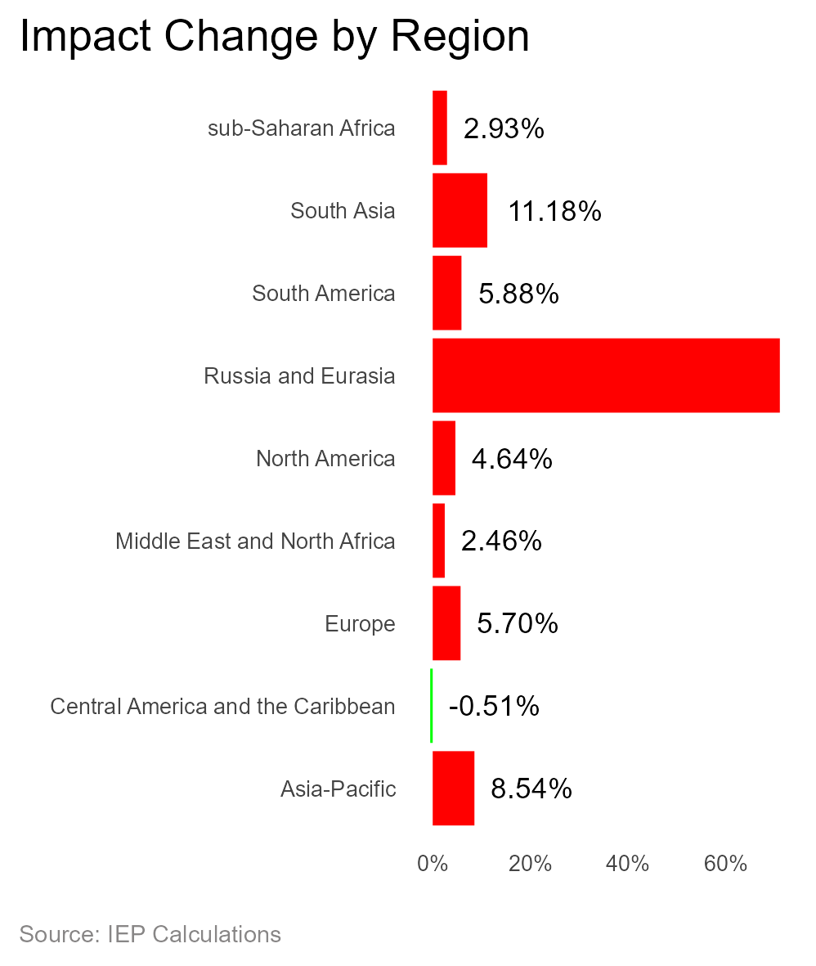
 | region | 2021 | 2022 | change | per_change
 | Asia-Pacific | 3.1716607268E+12 | 3.4425478085E+12 | 2.7088708165E+11 | 0.085408593471
 | Central America and the Caribbean | 2.5938921733E+11 | 2.5805924604E+11 | -1329971290.1 | -0.0051273191067
 | Europe | 2.5724022597E+12 | 2.7191294386E+12 | 1.4672717889E+11 | 0.057038971389
 | Middle East and North Africa | 1.1552433825E+12 | 1.1836880306E+12 | 28444648128 | 0.024622212565
 | North America | 4.1812071515E+12 | 4.3753283298E+12 | 1.9412117826E+11 | 0.046427065492
 | Russia and Eurasia | 8.0220216465E+11 | 1.3723515491E+12 | 5.7014938446E+11 | 0.71073029914
 | South America | 5.6468379719E+11 | 5.9790870376E+11 | 33224906570 | 0.058838073157
 | South Asia | 7.035847474E+11 | 7.8222096138E+11 | 78636213980 | 0.11176509194
 | sub-Saharan Africa | 3.3136785852E+11 | 3.410746556E+11 | 9706797080.4 | 0.029293115886

1.9_Composition
Title | Regional Composition
sub-title
x-axis title
y-axis title
source | IEP Calculations
Notes

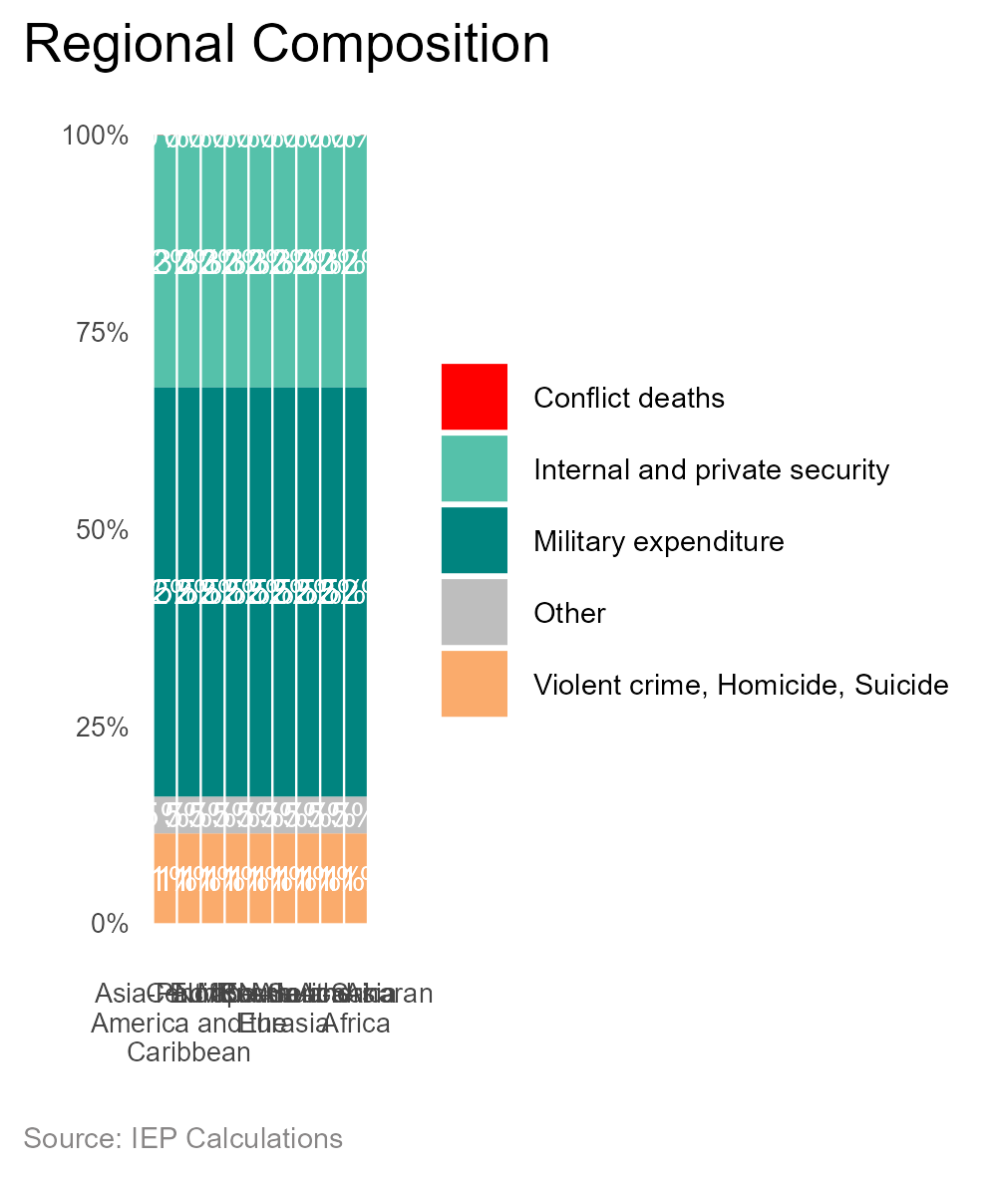
 | indicator2 | region | value
 | Internal and private security | Asia-Pacific | 0.32011753996
 | Internal and private security | Central America and the Caribbean | 0.32011753996
 | Internal and private security | Europe | 0.32011753996
 | Internal and private security | MENA | 0.32011753996
 | Internal and private security | North America | 0.32011753996
 | Internal and private security | Russia and Eurasia | 0.32011753996
 | Internal and private security | South America | 0.32011753996
 | Internal and private security | South Asia | 0.32011753996
 | Internal and private security | sub-Saharan Africa | 0.32011753996
 | Violent crime, Homicide, Suicide | Asia-Pacific | 0.11386695005
 | Violent crime, Homicide, Suicide | Central America and the Caribbean | 0.11386695005
 | Violent crime, Homicide, Suicide | Europe | 0.11386695005
 | Violent crime, Homicide, Suicide | MENA | 0.11386695005
 | Violent crime, Homicide, Suicide | North America | 0.11386695005
 | Violent crime, Homicide, Suicide | Russia and Eurasia | 0.11386695005
 | Violent crime, Homicide, Suicide | South America | 0.11386695005
 | Violent crime, Homicide, Suicide | South Asia | 0.11386695005
 | Violent crime, Homicide, Suicide | sub-Saharan Africa | 0.11386695005
 | Other | Asia-Pacific | 0.046757386596
 | Other | Central America and the Caribbean | 0.046757386596
 | Other | Europe | 0.046757386596
 | Other | MENA | 0.046757386596
 | Other | North America | 0.046757386596
 | Other | Russia and Eurasia | 0.046757386596
 | Other | South America | 0.046757386596
 | Other | South Asia | 0.046757386596
 | Other | sub-Saharan Africa | 0.046757386596
 | Conflict deaths | Asia-Pacific | 0.00030764667688
 | Conflict deaths | Central America and the Caribbean | 0.00030764667688
 | Conflict deaths | Europe | 0.00030764667688
 | Conflict deaths | MENA | 0.00030764667688
 | Conflict deaths | North America | 0.00030764667688
 | Conflict deaths | Russia and Eurasia | 0.00030764667688
 | Conflict deaths | South America | 0.00030764667688
 | Conflict deaths | South Asia | 0.00030764667688
 | Conflict deaths | sub-Saharan Africa | 0.00030764667688
 | Military expenditure | Asia-Pacific | 0.51895047672
 | Military expenditure | Central America and the Caribbean | 0.51895047672
 | Military expenditure | Europe | 0.51895047672
 | Military expenditure | MENA | 0.51895047672
 | Military expenditure | North America | 0.51895047672
 | Military expenditure | Russia and Eurasia | 0.51895047672
 | Military expenditure | South America | 0.51895047672
 | Military expenditure | South Asia | 0.51895047672
 | Military expenditure | sub-Saharan Africa | 0.51895047672

