Load150
For 3.0 dB | Ripple

 | L | C | L | C | L | C | L |  |  |  | TX Line
g | g1 | g2 | g3 | g4 | g5 | g6 | g7 | g8 | Z | W(mm) | L(mm) | H (mil) | Thickness (um)
 | 3.5182 | 0.7723 | 4.6386 | 0.8039 | 4.6386 | 0.7723 | 3.5182 | 1 | 150 |  |  | 60 | 35
Z0 | 50 | 50 | 50 | 50 | 50 | 50 | 50 | 50 | 25 |  |  | 60 | 35
fc | 2.00E+09 | 2.00E+09 | 2.00E+09 | 2.00E+09 | 2.00E+09 | 2.00E+09 | 2.00E+09 | 2.00E+09 | 150 |  |  | 60 | 35
ωc | 1.26E+10 | 1.26E+10 | 1.26E+10 | 1.26E+10 | 1.26E+10 | 1.26E+10 | 1.26E+10 | 1.26E+10 | 25 |  |  | 60 | 35
Z0*g | 175.91 | 0.015446 | 231.93 | 0.016078 | 231.93 | 0.015446 | 175.91 |  | 150 |  |  | 60 | 35
 |  |  |  |  |  |  |  |  | 25 |  |  | 60 | 35
β rad | 1.1727333333 | 0.38615 | 1.5462 | 0.40195 | 1.5462 | 0.38615 | 1.1727333333 |  | 150 |  |  | 60 | 35
Impedance | 150 | 25 | 150 | 25 | 150 | 25 | 150 |  |  |  | 0
 |  |  |  |  |  |  |  |  | Impedance Standard
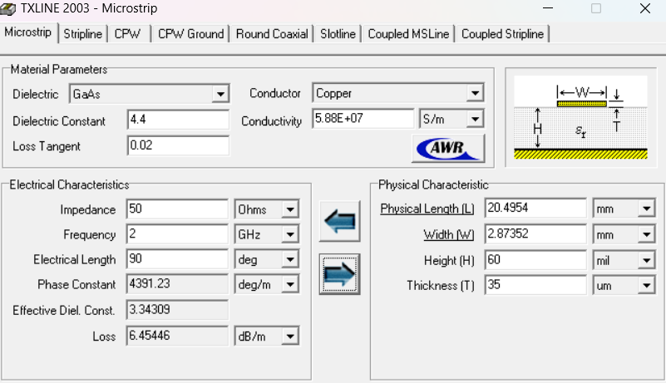
Use β | 67.192670494 | 22.124765259 | 88.590734283 | 23.030038575 | 88.590734283 | 22.124765259 | 67.192670494

 |  |  |  |  |  |  |  |  | 65.58732+(20.4954)*2 = 106.57812

