Sheet1
 | L | C | L | C | L | C | L | C | L
Z0 | 50 | 50 | 50 | 50 | 50 | 50 | 50 | 50 | 50 | 50
 | g1 | g2 | g3 | g4 | g5 | g6 | g7 | g8 | g9 | g10
 | 1.7504 | 1.269 | 2.6678 | 1.3673 | 2.7392 | 1.3673 | 2.6678 | 1.269 | 1.7504 | 1
fc | 2.00E+09 | 2000000000 | 2000000000 | 2000000000 | 2000000000 | 2000000000 | 2000000000 | 2000000000 | 2000000000 | 2000000000
ωc | 1.26E+10 | 1.26E+10 | 1.26E+10 | 1.26E+10 | 1.26E+10 | 1.26E+10 | 1.26E+10 | 1.26E+10 | 1.26E+10 | 1.26E+10
Z0*g | 87.5200 | 0.0254 | 133.3900 | 0.0273 | 136.9600 | 0.0273 | 133.3900 | 0.0254 | 87.5200

β rad | 0.8752 | 0.6345 | 1.3339 | 0.6837 | 1.3696 | 0.6837 | 1.3339 | 0.6345 | 0.8752
Impedance | 100 | 25 | 100 | 25 | 100 | 25 | 100 | 25 | 100 | 25

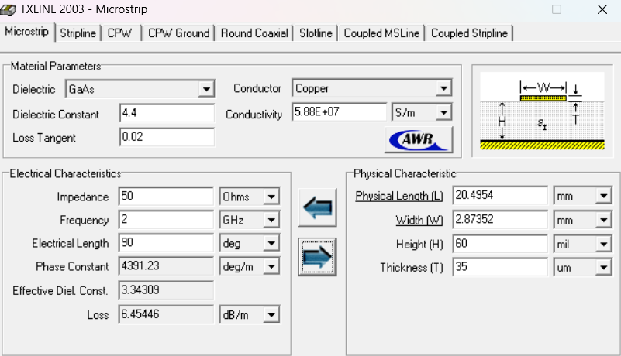
Use β | 50.1453 | 36.3542 | 76.4268 | 39.1703 | 78.4723 | 39.1703 | 76.4268 | 36.3542 | 50.1453
 |  |  |  |  |  |  |  |  |  |  | Load R
 |  | TX Line |  |  |  |  |  | TX Line | (ver 2)
Z | W(mm) | L(mm) | H (mil) | Thickness (um) |  | Z | W(mm) | L(mm) | H (mm) | Thickness (mm)
100 | 0.629169 | 12.0791 | 60 | 35 |  | 100 | 0.66238 | 12.0717 | 1.6 | 1.6
25 | 7.94438 | 7.86664 | 60 | 35 |  | 25 | 8.34431 | 7.86199 | 1.6 | 1.6
100 | 0.629169 | 18.4098 | 60 | 35 |  | 100 | 0.66238 | 18.3986 | 1.6 | 1.6
25 | 7.94438 | 8.47601 | 60 | 35 |  | 25 | 8.34431 | 8.471 | 1.6 | 1.6
100 | 0.629169 | 18.9025 | 60 | 35 |  | 100 | 0.66238 | 18.891 | 1.6 | 1.6
25 | 7.94438 | 8.47601 | 60 | 35 |  | 25 | 8.34431 | 8.471 | 1.6 | 1.6
100 | 0.629169 | 18.4098 | 60 | 35 |  | 100 | 0.66238 | 18.3986 | 1.6 | 1.6 | length at load R
25 | 7.94438 | 7.86664 | 60 | 35 |  | 25 | 8.34431 | 7.86199 | 1.6 | 1.6 | 5.0683*2
100 | 0.629169 | 12.0791 | 60 | 35 |  | 100 | 0.66238 | 12.0717 | 1.6 | 1.6 | sum length = 122.6342
 |  | 112.5656 |  |  |  |  |  | 112.49758

