C16
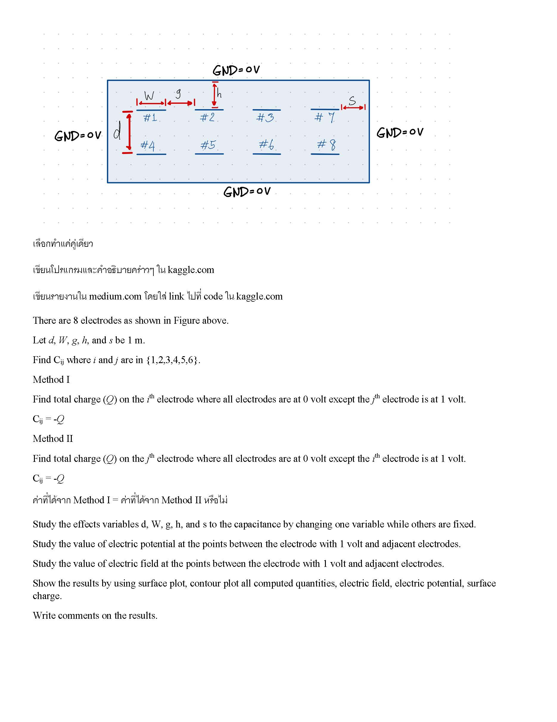
0 | 1 |  |  | 2 | 3 | 4 | 5 | 6 | 7 | 8 | 9 | 10 | 11 | 12 | 13 | 14 | 15 | 16 | 17 | 18 | 19 | 20 | 21 | 22 | 23 | 24 | 25 | 26 | 27 | 28 | 29 | 30 | 31 | 32 | 33 | 34 | 35 | 36
0 | 0.25 | 0 | 0.25 | 0.5 | 0.75 | 1 | 1.25 | 1.5 | 1.75 | 2 | 2.25 | 2.5 | 2.75 | 3 | 3.25 | 3.5 | 3.75 | 4 | 4.25 | 4.5 | 4.75 | 5 | 5.25 | 5.5 | 5.75 | 6 | 6.25 | 6.5 | 6.75 | 7 | 7.25 | 7.5 | 7.75 | 8 | 8.25 | 8.5 | 8.75 | 9
0 | 0 | 0 | 0 | 0 | 0 | 0 | 0 | 0 | 0 | 0 | 0 | 0 | 0 | 0 | 0 | 0 | 0 | 0 | 0 | 0 | 0 | 0 | 0 | 0 | 0 | 0 | 0 | 0 | 0 | 0 | 0 | 0 | 0 | 0 | 0 | 0 | 0 | 0
1 | 0.25 | 0 | 4.34E-02 | 8.92E-02 | 1.37E-01 | 1.80E-01 | 2.06E-01 | 2.15E-01 | 2.08E-01 | 1.84E-01 | 1.43E-01 | 1.01E-01 | 6.37E-02 | 3.59E-02 | 1.88E-02 | 9.43E-03 | 4.65E-03 | 2.31E-03 | 1.19E-03 | 6.40E-04 | 3.48E-04 | 1.81E-04 | 9.13E-05 | 4.49E-05 | 2.19E-05 | 1.08E-05 | 5.59E-06 | 3.04E-06 | 1.67E-06 | 8.76E-07 | 4.42E-07 | 2.18E-07 | 1.06E-07 | 5.24E-08 | 2.67E-08 | 1.37E-08 | 5.91E-09 | 0
2 | 0.5 | 0 | 8.45E-02 | 1.76E-01 | 2.79E-01 | 3.78E-01 | 4.30E-01 | 4.46E-01 | 4.32E-01 | 3.83E-01 | 2.89E-01 | 1.96E-01 | 1.18E-01 | 6.09E-02 | 2.98E-02 | 1.43E-02 | 6.87E-03 | 3.38E-03 | 1.81E-03 | 1.02E-03 | 5.70E-04 | 2.86E-04 | 1.39E-04 | 6.65E-05 | 3.19E-05 | 1.57E-05 | 8.52E-06 | 4.90E-06 | 2.76E-06 | 1.39E-06 | 6.76E-07 | 3.24E-07 | 1.55E-07 | 7.64E-08 | 4.08E-08 | 2.21E-08 | 9.96E-09 | 0
3 | 0.75 | 0 | 1.18E-01 | 2.54E-01 | 4.23E-01 | 6.23E-01 | 6.90E-01 | 7.07E-01 | 6.92E-01 | 6.28E-01 | 4.35E-01 | 2.75E-01 | 1.53E-01 | 5.97E-02 | 2.52E-02 | 1.12E-02 | 5.14E-03 | 2.54E-03 | 1.64E-03 | 1.07E-03 | 6.23E-04 | 2.55E-04 | 1.11E-04 | 5.02E-05 | 2.35E-05 | 1.18E-05 | 7.85E-06 | 5.26E-06 | 3.09E-06 | 1.26E-06 | 5.44E-07 | 2.46E-07 | 1.14E-07 | 5.72E-08 | 3.78E-08 | 2.41E-08 | 1.18E-08 | 0
4 | 1 | 0 | 1.34E-01 | 2.96E-01 | 5.37E-01 | 1.00E+00 | 1.00E+00 | 1.00E+00 | 1.00E+00 | 1.00E+00 | 5.49E-01 | 3.17E-01 | 1.58E-01 | 0.00E+00 | 0.00E+00 | 0.00E+00 | 0.00E+00 | 0.00E+00 | 1.14E-03 | 1.01E-03 | 5.92E-04 | 0.00E+00 | 0.00E+00 | 0.00E+00 | 0.00E+00 | 0.00E+00 | 5.84E-06 | 5.22E-06 | 3.07E-06 | 0.00E+00 | 0.00E+00 | 0.00E+00 | 0.00E+00 | 0.00E+00 | 2.92E-08 | 2.48E-08 | 1.31E-08 | 0
5 | 1.25 | 0 | 1.22E-01 | 2.61E-01 | 4.30E-01 | 6.28E-01 | 6.94E-01 | 7.10E-01 | 6.96E-01 | 6.34E-01 | 4.44E-01 | 2.85E-01 | 1.61E-01 | 6.49E-02 | 2.80E-02 | 1.27E-02 | 5.91E-03 | 2.96E-03 | 1.90E-03 | 1.25E-03 | 7.34E-04 | 3.18E-04 | 1.45E-04 | 6.73E-05 | 3.20E-05 | 1.61E-05 | 1.03E-05 | 6.72E-06 | 3.96E-06 | 1.74E-06 | 7.93E-07 | 3.70E-07 | 1.76E-07 | 8.80E-08 | 5.41E-08 | 3.29E-08 | 1.57E-08 | 0
6 | 1.5 | 0 | 9.49E-02 | 1.93E-01 | 2.95E-01 | 3.88E-01 | 4.36E-01 | 4.51E-01 | 4.39E-01 | 3.95E-01 | 3.10E-01 | 2.18E-01 | 1.36E-01 | 7.06E-02 | 3.46E-02 | 1.67E-02 | 8.04E-03 | 4.02E-03 | 2.24E-03 | 1.34E-03 | 7.78E-04 | 3.96E-04 | 1.93E-04 | 9.25E-05 | 4.46E-05 | 2.23E-05 | 1.24E-05 | 7.42E-06 | 4.31E-06 | 2.19E-06 | 1.07E-06 | 5.12E-07 | 2.46E-07 | 1.22E-07 | 6.63E-08 | 3.69E-08 | 1.69E-08 | 0
7 | 1.75 | 0 | 6.38E-02 | 1.23E-01 | 1.69E-01 | 1.92E-01 | 2.12E-01 | 2.19E-01 | 2.14E-01 | 1.97E-01 | 1.81E-01 | 1.43E-01 | 9.39E-02 | 4.69E-02 | 2.32E-02 | 1.14E-02 | 5.56E-03 | 2.82E-03 | 1.72E-03 | 1.09E-03 | 6.42E-04 | 2.94E-04 | 1.38E-04 | 6.55E-05 | 3.15E-05 | 1.59E-05 | 9.76E-06 | 6.23E-06 | 3.66E-06 | 1.65E-06 | 7.72E-07 | 3.64E-07 | 1.74E-07 | 8.72E-08 | 5.24E-08 | 3.14E-08 | 1.49E-08 | 0
8 | 2 | 0 | 3.73E-02 | 6.51E-02 | 6.66E-02 | 0.00E+00 | 0.00E+00 | 0.00E+00 | 0.00E+00 | 0.00E+00 | 7.38E-02 | 7.71E-02 | 5.03E-02 | 0.00E+00 | 0.00E+00 | 0.00E+00 | 0.00E+00 | 0.00E+00 | 7.32E-04 | 6.71E-04 | 4.02E-04 | 0.00E+00 | 0.00E+00 | 0.00E+00 | 0.00E+00 | 0.00E+00 | 4.50E-06 | 4.09E-06 | 2.43E-06 | 0.00E+00 | 0.00E+00 | 0.00E+00 | 0.00E+00 | 0.00E+00 | 2.49E-08 | 2.13E-08 | 1.13E-08 | 0
9 | 2.25 | 0 | 2.03E-02 | 3.37E-02 | 3.22E-02 | 1.19E-02 | 5.53E-03 | 4.18E-03 | 6.19E-03 | 1.38E-02 | 3.74E-02 | 4.18E-02 | 3.02E-02 | 1.11E-02 | 4.46E-03 | 1.93E-03 | 9.05E-04 | 5.19E-04 | 5.35E-04 | 4.54E-04 | 2.94E-04 | 1.13E-04 | 4.68E-05 | 2.06E-05 | 9.59E-06 | 5.06E-06 | 4.17E-06 | 3.19E-06 | 1.99E-06 | 7.79E-07 | 3.29E-07 | 1.46E-07 | 6.80E-08 | 3.48E-08 | 2.57E-08 | 1.77E-08 | 8.97E-09 | 0
10 | 2.5 | 0 | 1.04E-02 | 1.69E-02 | 1.66E-02 | 9.92E-03 | 6.02E-03 | 5.03E-03 | 6.74E-03 | 1.17E-02 | 2.01E-02 | 2.23E-02 | 1.76E-02 | 9.67E-03 | 4.85E-03 | 2.36E-03 | 1.17E-03 | 6.35E-04 | 4.36E-04 | 3.17E-04 | 2.08E-04 | 1.09E-04 | 5.40E-05 | 2.61E-05 | 1.27E-05 | 6.50E-06 | 3.91E-06 | 2.53E-06 | 1.55E-06 | 7.99E-07 | 3.91E-07 | 1.88E-07 | 9.09E-08 | 4.55E-08 | 2.56E-08 | 1.47E-08 | 6.90E-09 | 0
11 | 2.75 | 0 | 4.39E-03 | 7.14E-03 | 7.22E-03 | 5.18E-03 | 3.59E-03 | 3.16E-03 | 4.02E-03 | 6.20E-03 | 9.05E-03 | 9.89E-03 | 8.16E-03 | 5.18E-03 | 2.88E-03 | 1.50E-03 | 7.72E-04 | 4.16E-04 | 2.56E-04 | 1.71E-04 | 1.10E-04 | 6.34E-05 | 3.36E-05 | 1.71E-05 | 8.52E-06 | 4.36E-06 | 2.43E-06 | 1.46E-06 | 8.71E-07 | 4.80E-07 | 2.49E-07 | 1.25E-07 | 6.16E-08 | 3.09E-08 | 1.63E-08 | 8.73E-09 | 3.91E-09 | 0
12 | 3 | 0 | 0 | 0 | 0 | 0 | 0 | 0 | 0 | 0 | 0 | 0 | 0 | 0 | 0 | 0 | 0 | 0 | 0 | 0 | 0 | 0 | 0 | 0 | 0 | 0 | 0 | 0 | 0 | 0 | 0 | 0 | 0 | 0 | 0 | 0 | 0 | 0

E at point above #1 pointing outward from #1 |  |  |  |  |  | 3.77E-01 | 3.10E-01 | 2.93E-01 | 3.08E-01 | 3.72E-01 |  |  |  |  |  |  | E at point above #6 pointing outward from #6 |  |  |  |  | -2.94E-04 | -1.38E-04 | -6.55E-05 | -3.15E-05 | -1.59E-05
E at point below #1 pointing outward from #1 |  |  |  |  |  | 3.72E-01 | 3.06E-01 | 2.90E-01 | 3.04E-01 | 3.66E-01 |  |  |  |  |  |  | E at point below #6 pointing outward from #6 |  |  |  |  | -1.13E-04 | -4.68E-05 | -2.06E-05 | -9.59E-06 | -5.06E-06
delta E |  |  |  |  |  | 7.49E-01 | 6.17E-01 | 5.83E-01 | 6.13E-01 | 7.39E-01 |  |  |  |  |  |  | delta E |  |  |  |  | -4.07E-04 | -1.85E-04 | -8.61E-05 | -4.11E-05 | -2.09E-05
esp0 |  |  |  |  |  | 8.85E-12 | 8.85E-12 | 8.85E-12 | 8.85E-12 | 8.85E-12 |  |  |  |  |  |  | esp0 |  |  |  |  | 8.85E-12 | 8.85E-12 | 8.85E-12 | 8.85E-12 | 8.85E-12
surface charge |  |  |  |  |  | 6.63E-12 | 5.46E-12 | 5.16E-12 | 5.42E-12 | 6.54E-12 |  |  |  |  |  |  | surface charge |  |  |  |  | -3.60E-15 | -1.64E-15 | -7.63E-16 | -3.64E-16 | -1.85E-16 | Total Charge
charge |  |  |  |  |  | 1.66E-12 | 1.36E-12 | 1.29E-12 | 1.36E-12 | 1.64E-12 | 7.31E-12 |  |  |  |  |  | charge |  |  |  |  | -9.00E-16 | -4.09E-16 | -1.91E-16 | -9.09E-17 | -4.64E-17 | -1.63696E-15
Capacitance between #1 and all other terminals including GND |  |  |  |  |  |  |  |  |  |  | 7.3pF |  |  |  |  |  | C16 |  |  |  |  |  |  |  |  |  | 1.6fF

