Kt_ET
Kt ET

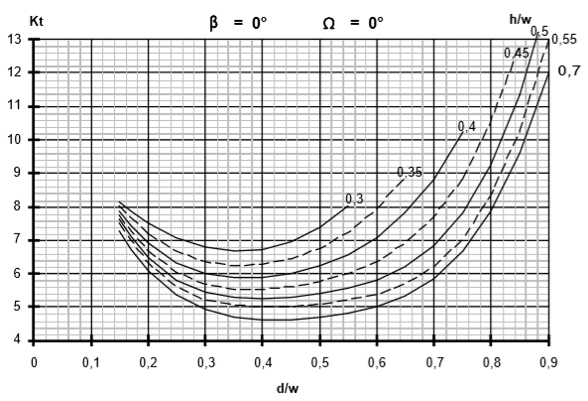
β = | 0°
Ω = | 0°
d/w | h/w = | h/w = | h/w = | h/w = | h/w = | h/w = | h/w = | Page 160/274
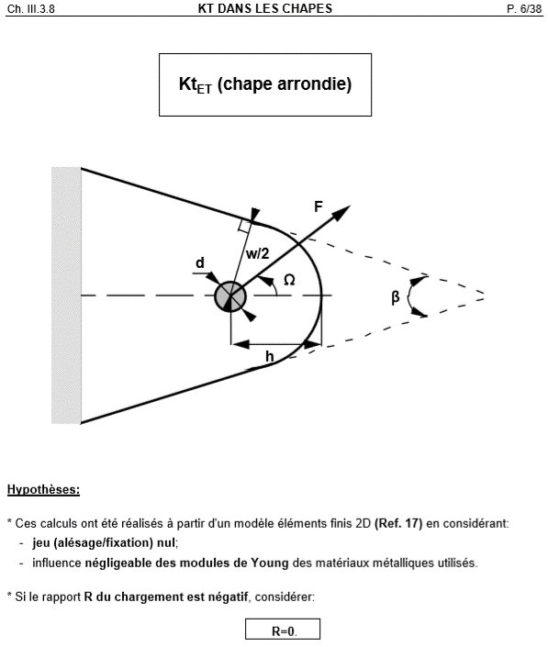
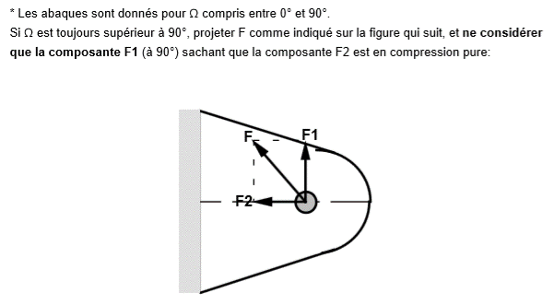
 | 0.3 | 0.35 | 0.4 | 0.45 | 0.5 | 0.55 | 0.7
0.15 | 8.2 | 8.05 | 7.9 | 7.8 | 7.65 | 7.55 | 7.3
A FINALISER
0.2 | 7.5 | 7.2 | 6.9 | 6.7 | 6.5 | 6.3 | 6.1
0.25 | 7.1 | 6.7 | 6.3 | 6 | 5.8 | 5.6 | 5.4
0.3 | 6.8 | 6.4 | 6 | 5.7 | 5.5 | 5.2 | 4.9
0.4 | 6.75 | 6.3 | 5.9 | 5.55 | 5.25 | 5 | 4.65
0.5 | 7.4 | 6.8 | 6.3 | 5.8 | 5.4 | 5.1 | 4.7
0.55 | 8.05 | 7.3 | 6.6 | 6 | 5.6 | 5.25 | 4.8
0.6 |  | 8 | 7.1 | 6.4 | 5.8 | 5.4 | 5
0.65 |  | 8.9 | 7.9 | 7 | 6.3 | 5.7 | 5.4
0.7 |  |  | 8.8 | 7.7 | 6.9 | 6.2 | 5.9
0.74 |  |  | 9.9 | 8.6 | 7.7 | 6.9 | 6.5
0.8 |  |  |  | 10.6 | 9.3 | 8.4 | 7.9
0.9 |  |  |  |  |  | 13 | 12

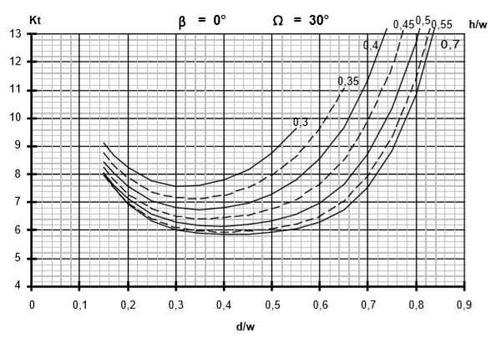
β = | 0°
Ω = | 30°
d/w | h/w = | h/w = | h/w = | h/w = | h/w = | h/w = | h/w =
 | 0.3 | 0.35 | 0.4 | 0.45 | 0.5 | 0.55 | 0.7
0.15 | 9.1 | 8.8 | 8.4 | 8.3 | 8 | 8 | 8
0.2 | 8.3 | 7.9 | 7.6 | 7.3 | 7.2 | 6.9 | 6.9
0.25 | 7.8 | 7.4 | 7 | 6.8 | 6.6 | 6.4 | 6.3
0.3 | 7.6 | 7.2 | 6.8 | 6.5 | 6.3 | 6.1 | 6
0.4 | 7.8 | 7.3 | 6.8 | 6.5 | 6.2 | 5.9 | 5.85
0.5 | 8.8 | 8 | 7.3 | 6.8 | 6.4 | 6 | 5.9
0.55 | 9.65 | 8.6 | 7.8 | 7.05 | 6.6 | 6.2 | 6
0.6 |  | 9.7 | 8.6 | 7.7 | 7 | 6.5 | 6.3
0.65 |  | 11.2 | 9.6 | 8.5 | 7.6 | 7 | 6.7
0.7 |  |  | 11.4 | 9.95 | 8.7 | 7.9 | 7.6
0.74 |  |  | 13.2 | 11.5 | 10 | 9.1 | 8.6
0.8 |  |  |  |  | 12.7 | 11.5 | 10.9
0.9

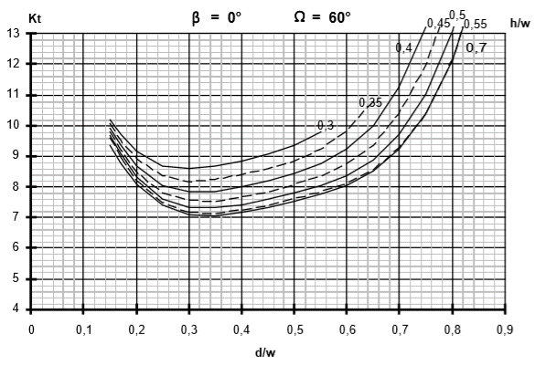
β = | 0°
Ω = | 60°
d/w | h/w = | h/w = | h/w = | h/w = | h/w = | h/w = | h/w =
 | 0.3 | 0.35 | 0.4 | 0.45 | 0.5 | 0.55 | 0.7
0.15 | 10.2 | 10.1 | 9.9 | 9.8 | 9.7 | 9.6 | 9.4
0.2 | 9.2 | 8.9 | 8.7 | 8.5 | 8.3 | 8.2 | 8.1
0.25 | 8.7 | 8.4 | 8 | 7.8 | 7.6 | 7.5 | 7.4
0.3 | 8.6 | 8.2 | 7.85 | 7.6 | 7.35 | 7.2 | 7.1
0.4 | 8.85 | 8.4 | 8 | 7.7 | 7.45 | 7.35 | 7.2
0.5 | 9.4 | 8.85 | 8.45 | 8.1 | 7.8 | 7.6 | 7.5
0.55 | 9.8 | 9.25 | 8.8 | 8.4 | 8
0.6 |  | 9.8 | 9.3 | 8.8 | 8.4 | 8.1 | 8.05
0.65 |  | 10.8 |  | 9.4
0.7 |  |  | 11.3 | 10.5 | 9.7 | 9.3 | 9.3
0.74 |  |  | 12.9 | 11.7 | 10.8 | 10.2 | 10.2
0.8 |  |  |  |  | 13 | 12.1 | 12.1
0.9

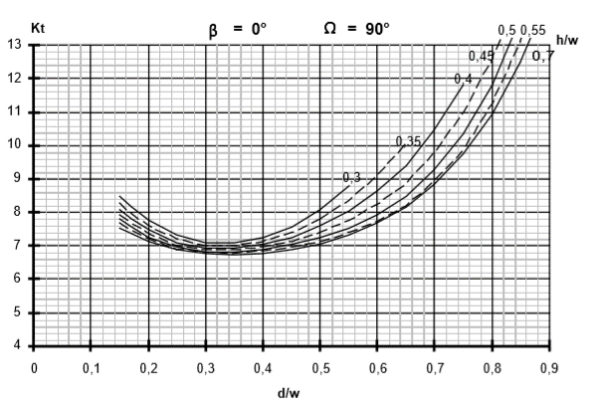
β = | 0°
Ω = | 90°
d/w | h/w = | h/w = | h/w = | h/w = | h/w = | h/w = | h/w =
 | 0.3 | 0.35 | 0.4 | 0.45 | 0.5 | 0.55 | 0.7
0.15 | 8.5 | 8.3 | 8.1 | 7.9 | 7.8 | 7.7 | 7.5
0.2 | 7.8 | 7.6 | 7.5 | 7.4 | 7.3 | 7.25 | 7.1
0.25 | 7.35 | 7.2 | 7.15 | 7.08 | 7.02 | 6.95 | 6.9
0.3 | 7.1 | 7 | 6.95 | 6.92 | 6.88 | 6.85 | 6.8
0.4 | 7.3 | 7.2 | 7 | 6.95 | 6.9 | 6.9 | 6.8
0.5 | 8.1 | 7.8 | 7.6 | 7.4 | 7.15 | 7.15 | 7
0.55 | 8.8 | 8.4 | 8 | 7.8 | 7.5 | 7.4 | 7.3
0.6 |  | 9.1 | 8.7 | 8.3 | 7.9 | 7.7 | 7.7
0.65 |  | 10 | 9.4 | 8.9 | 8.5 | 8.2 | 8.2
0.7 |  |  | 10.5 | 9.8 | 9.3 | 8.95 | 8.8
0.74 |  |  | 11.6 | 10.8 | 10.2 | 9.7 | 9.6
0.8 |  |  |  | 12.6 | 11.8 | 11.3 | 11
0.9
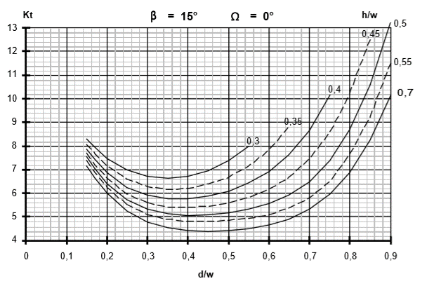
β = | 15°
Ω = | 0°
d/w | h/w = | h/w = | h/w = | h/w = | h/w = | h/w = | h/w =
 | 0.3 | 0.35 | 0.4 | 0.45 | 0.5 | 0.55 | 0.7
0.15 | 8.3 | 8.1 | 7.9 | 7.75 | 7.6 | 7.4 | 7.2
0.2 | 7.5 | 7.2 | 6.9 | 6.7 | 6.4 | 6.3 | 6
0.25 | 7 | 6.6 | 6.25 | 6 | 5.75 | 5.5 | 5.25
0.3 | 6.75 | 6.3 | 5.9 | 5.6 | 5.4 | 5.1 | 4.8
0.4 | 6.75 | 6.3 | 5.8 | 5.4 | 5 | 4.8 | 4.45
0.5 | 7.4 | 6.7 | 6.1 | 5.6 | 5.2 | 4.85 | 4.45
0.55 | 8 | 7.2 | 6.5 | 5.85 | 5.4 | 4.95 | 4.55
0.6 |  | 7.9 | 6.9 | 6.2 | 5.6 | 5.1 | 4.7
0.65 |  | 8.9 | 7.7 | 6.7 | 6 | 5.4 | 4.9
0.7 |  |  | 8.7 | 7.5 | 6.5 | 5.8 | 5.4
0.74 |  |  | 9.8 | 8.3 | 7.25 | 6.4 | 5.85
0.8 |  |  |  | 10.2 | 8.7 | 7.7 | 6.9
0.9 |  |  |  |  | 13.2 | 11.5 | 10.2
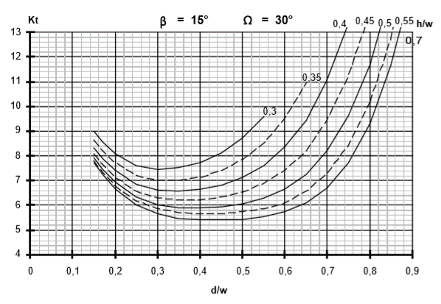
β = | 15°
Ω = | 30°
d/w | h/w = | h/w = | h/w = | h/w = | h/w = | h/w = | h/w =
 | 0.3 | 0.35 | 0.4 | 0.45 | 0.5 | 0.55 | 0.7
0.15 | 9 | 8.65 | 8.35 | 8.1 | 7.9 | 7.8 | 7.7
0.2 | 8.1 | 7.7 | 7.4 | 7.1 | 6.9 | 6.8 | 6.7
0.25 | 7.6 | 7.2 | 6.8 | 6.6 | 6.35 | 6.2 | 6
0.3 | 7.5 | 7 | 6.6 | 6.3 | 6 | 5.9 | 5.65
0.4 | 7.75 | 7.2 | 6.7 | 6.2 | 5.9 | 5.65 | 5.4
0.5 | 8.7 | 7.9 | 7.15 | 6.55 | 6.07 | 5.75 | 5.4
0.55 | 9.6 | 8.5 | 7.6 | 6.9 | 6.3 | 5.85 | 5.55
0.6 |  | 9.55 | 8.4 | 7.45 | 6.7 | 6.1 | 5.75
0.65 |  | 11 | 9.4 | 8.2 | 7.25 | 6.6 | 6.1
0.7 |  |  | 11.1 | 9.5 | 8.2 | 7.3 | 6.7
0.74 |  |  | 13 | 11 | 9.4 | 8.25 | 7.7
0.8 |  |  |  |  | 11.7 | 10.2 | 9.4
0.9
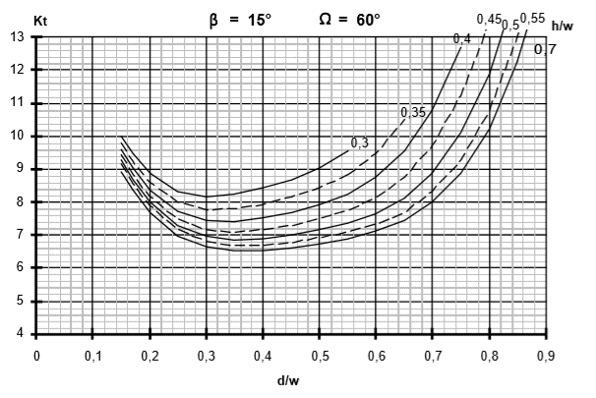
β = | 15°
Ω = | 60°
d/w | h/w = | h/w = | h/w = | h/w = | h/w = | h/w = | h/w =
 | 0.3 | 0.35 | 0.4 | 0.45 | 0.5 | 0.55 | 0.7
0.15 | 10 | 9.8 | 9.6 | 9.45 | 9.3 | 9.2 | 8.9
0.2 | 8.9 | 8.6 | 8.4 | 8.2 | 8 | 7.9 | 7.7
0.25 | 8.3 | 8 | 7.7 | 7.5 | 7.3 | 7.2 | 6.95
0.3 | 8.2 | 7.8 | 7.5 | 7.2 | 7 | 6.8 | 6.65
0.4 | 8.45 | 7.9 | 7.55 | 7.2 | 6.9 | 6.7 | 6.5
0.5 | 9.05 | 8.45 | 7.9 | 7.5 | 7.2 | 6.9 | 6.75
0.55 | 9.6 | 8.85 | 8.25 | 7.8 | 7.4 | 7.1 | 6.9
0.6 |  | 9.5 | 8.8 | 8.15 | 7.65 | 7.35 | 7.15
0.65 |  | 10.55 | 9.6 | 8.8 | 8.1 | 7.7 | 7.45
0.7 |  |  | 10.8 | 9.7 | 8.85 | 8.35 | 8
0.74 |  |  | 12.4 | 11 | 9.9 | 9.1 | 8.75
0.8 |  |  |  |  |  |  | 10.25
0.9

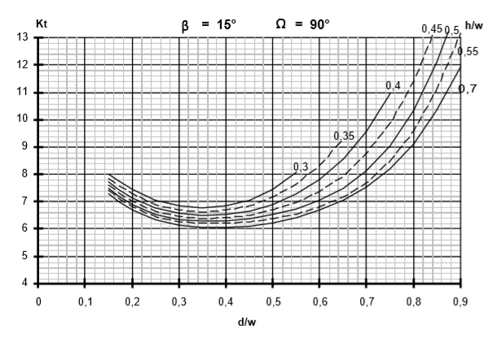
β = | 15°
Ω = | 90°
d/w | h/w = | h/w = | h/w = | h/w = | h/w = | h/w = | h/w =
 | 0.3 | 0.35 | 0.4 | 0.45 | 0.5 | 0.55 | 0.7
0.15 | 8 | 7.8 | 7.75 | 7.6 | 7.5 | 7.4 | 7.3
0.2 | 7.5 | 7.3 | 7.1 | 7 | 6.9 | 6.8 | 6.7
0.25 | 7.05 | 6.9 | 6.8 | 6.65 | 6.55 | 6.5 | 6.35
0.3 | 6.85 | 6.7 | 6.6 | 6.5 | 6.4 | 6.3 | 6.15
0.4 | 6.85 | 6.7 | 6.55 | 6.45 | 6.3 | 6.2 | 6.05
0.5 | 7.5 | 7.2 | 6.9 | 6.7 | 6.55 | 6.4 | 6.2
0.55 | 8.1 | 7.65 | 7.3 | 7 | 6.75 | 6.55 | 6.4
0.6 |  | 8.35 | 7.8 | 7.4 | 7.05 | 6.8 | 6.7
0.65 |  | 9.2 | 8.6 | 7.9 | 7.5 | 7.2 | 7.05
0.7 |  |  | 9.6 | 8.8 | 8.1 | 7.7 | 7.55
0.74 |  |  | 10.75 | 9.7 | 8.9 | 8.4 | 8.1
0.8 |  |  |  | 11.4 | 10.4 | 9.6 | 9.1
0.9 |  |  |  |  |  | 13.15 | 11.9

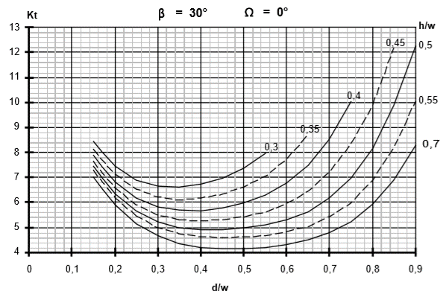
β = | 30°
Ω = | 0°
d/w | h/w = | h/w = | h/w = | h/w = | h/w = | h/w = | h/w =
 | 0.3 | 0.35 | 0.4 | 0.45 | 0.5 | 0.55 | 0.7
0.15 | 8.45 | 8.1 | 7.9 | 7.65 | 7.45 | 7.3 | 7
0.2 | 7.5 | 7.1 | 6.8 | 6.6 | 6.4 | 6.2 | 5.9
0.25 | 6.9 | 6.5 | 6.2 | 5.9 | 5.6 | 5.4 | 5.15
0.3 | 6.65 | 6.2 | 5.8 | 5.5 | 5.2 | 5 | 4.7
0.4 | 6.75 | 6.2 | 5.7 | 5.25 | 4.95 | 4.65 | 4.2
0.5 | 7.4 | 6.6 | 6 | 5.4 | 5 | 4.6 | 4.2
0.55 | 8 | 7 | 6.3 | 5.6 | 5.1 | 4.7
0.6 |  | 7.7 | 6.8 | 5.95 | 5.3 | 4.85 | 4.35
0.65 |  | 8.65 | 7.5 | 6.45 | 5.6 | 5 | 4.5
0.7 |  |  | 8.5 | 7.2 | 6.2 | 5.4 | 4.8
0.74 |  |  | 9.8 | 8.2 | 6.8 | 5.85 | 5.16
0.8 |  |  |  | 10 | 8.2 | 6.9 | 5.9
0.9 |  |  |  |  | 12.3 | 10 | 8.3

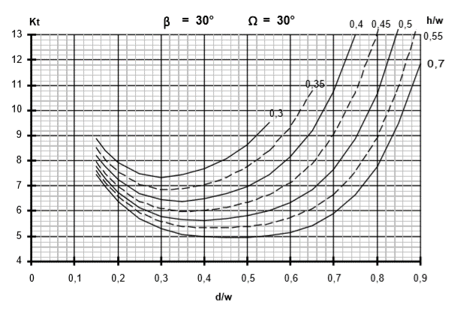
β = | 30°
Ω = | 30°
d/w | h/w = | h/w = | h/w = | h/w = | h/w = | h/w = | h/w =
 | 0.3 | 0.35 | 0.4 | 0.45 | 0.5 | 0.55 | 0.7
0.15 | 8.9 | 8.55 | 8.2 | 8 | 7.8 | 7.6 | 7.45
0.2 | 7.9 | 7.6 | 7.3 | 7 | 6.75 | 6.6 | 6.4
0.25 | 7.5 | 7 | 6.7 | 6.4 | 6.2 | 5.9 | 5.7
0.3 | 7.35 | 6.85 | 6.5 | 6.1 | 5.8 | 5.55 | 5.3
0.4 | 7.7 | 7.05 | 6.5 | 6 | 5.6 | 5.36 | 4.98
0.5 | 8.7 | 7.8 | 7 | 6.35 | 5.8 | 5.4 | 4.95
0.55 | 9.55 | 8.4 | 7.45 | 6.65 | 6 | 5.5 | 5.03
0.6 |  | 9.4 | 8.2 | 7.15 | 6.35 | 5.75 | 5.17
0.65 |  | 10.8 | 9.2 | 7.85 | 6.85 | 6.1 | 5.4
0.7 |  |  | 10.8 | 9.1 | 7.7 | 6.65 | 5.94
0.74 |  |  | 12.6 | 10.45 | 8.7 | 7.4 | 6.6
0.8 |  |  |  | 13 | 10.7 | 9 | 7.8
0.9 |  |  |  |  |  |  | 11.8

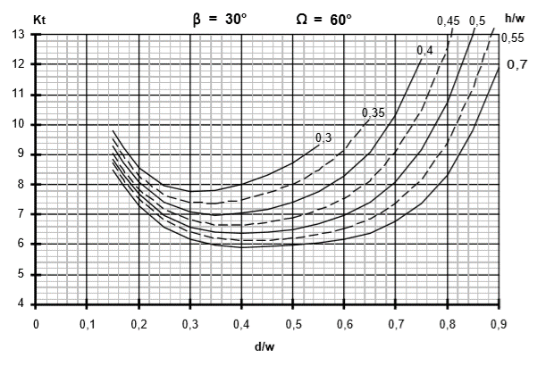
β = | 30°
Ω = | 60°
d/w | h/w = | h/w = | h/w = | h/w = | h/w = | h/w = | h/w =
 | 0.3 | 0.35 | 0.4 | 0.45 | 0.5 | 0.55 | 0.7
0.15 | 9.8 | 9.6 | 9.3 | 9 | 8.83 | 8.75 | 8.5
0.2 | 8.6 | 8.3 | 8.1 | 7.9 | 7.7 | 7.5 | 7.3
0.25 | 7.95 | 7.7 | 7.4 | 7.2 | 6.95 | 6.8 | 6.58
0.3 | 7.8 | 7.4 | 7.1 | 6.8 | 6.6 | 6.4 | 6.2
0.4 | 8 | 7.5 | 7 | 6.6 | 6.4 | 6.1 | 5.9
0.5 | 8.75 | 8 | 7.4 | 6.9 | 6.5 | 6.2 | 5.97
0.55 | 9.35 | 8.5 | 7.8 | 7.15 | 6.7 | 6.35 | 6.03
0.6 |  | 9.2 | 8.3 | 7.55 | 6.96 | 6.52 | 6.2
0.65 |  | 10.2 | 9.05 | 8.1 | 7.4 | 6.85 | 6.4
0.7 |  |  | 10.3 | 9.1 | 8.1 | 7.4 | 6.8
0.74 |  |  | 11.85 | 10.25 | 9 | 8 | 7.3
0.8 |  |  |  | 12.6 | 10.8 | 9.4 | 8.3
0.9 |  |  |  |  |  |  | 11.9

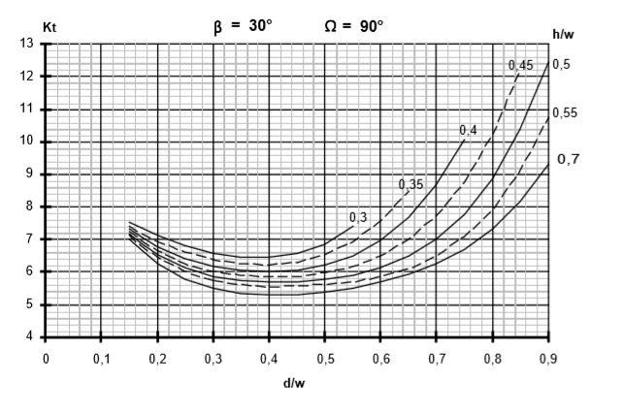
β = | 30°
Ω = | 90°
d/w | h/w = | h/w = | h/w = | h/w = | h/w = | h/w = | h/w =
 | 0.3 | 0.35 | 0.4 | 0.45 | 0.5 | 0.55 | 0.7
0.15 | 7.55 | 7.4 | 7.33 | 7.25 | 7.2 | 7.1 | 7
0.2 | 7.15 | 6.9 | 6.8 | 6.7 | 6.55 | 6.5 | 6.26
0.25 | 6.8 | 6.6 | 6.4 | 6.3 | 6.1 | 6 | 5.77
0.3 | 6.6 | 6.4 | 6.2 | 6 | 5.88 | 5.75 | 5.5
0.4 | 6.5 | 6.2 | 6 | 5.85 | 5.7 | 5.55 | 5.3
0.5 | 6.9 | 6.55 | 6.23 | 6 | 5.8 | 5.6 | 5.4
0.55 | 7.42 | 6.9 | 6.5 | 6.2 | 5.9 | 5.7 | 5.5
0.6 |  | 7.6 | 6.95 | 6.5 | 6.15 | 5.9 | 5.7
0.65 |  | 8.5 | 7.7 | 7 | 6.5 | 6.1 | 5.9
0.7 |  |  | 8.7 | 7.7 | 7 | 6.5 | 6.3
0.74 |  |  | 9.8 | 8.6 | 7.65 | 7 | 6.6
0.8 |  |  |  | 10.3 | 8.9 | 7.9 | 7.33
0.9 |  |  |  |  | 12.45 | 10.8 | 9.3

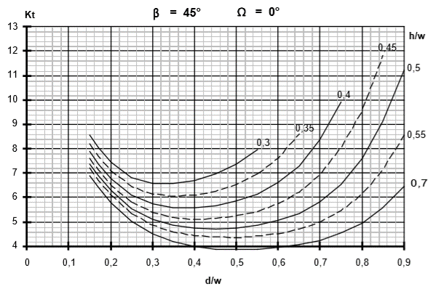
β = | 45°
Ω = | 0°
d/w | h/w = | h/w = | h/w = | h/w = | h/w = | h/w = | h/w =
 | 0.3 | 0.35 | 0.4 | 0.45 | 0.5 | 0.55 | 0.7
0.15 | 8.6 | 8.2 | 7.9 | 7.6 | 7.4 | 7.2 | 6.9
0.2 | 7.5 | 7.1 | 6.8 | 6.5 | 6.3 | 6.1 | 5.8
0.25 | 6.8 | 6.5 | 6.1 | 5.8 | 5.55 | 5.3 | 5
0.3 | 6.6 | 6.15 | 5.75 | 5.4 | 5.1 | 4.9 | 4.5
0.4 | 6.7 | 6.15 | 5.6 | 5.1 | 4.8 | 4.5 | 4
0.5 | 7.4 | 6.52 | 5.9 | 5.3 | 4.8 | 4.4 | 3.85
0.55 | 8 | 7 | 6.15 | 5.4 | 4.9 | 4.45
0.6 |  | 7.6 | 6.65 | 5.75 | 5.1 | 4.55 | 4
0.65 |  | 8.6 | 7.3 | 6.2 | 5.35 | 4.75 | 4.1
0.7 |  |  | 8.4 | 6.9 | 5.8 | 5 | 4.3
0.74 |  |  | 9.7 | 7.9 | 6.4 | 5.4
0.8 |  |  |  | 9.6 | 7.6 | 6.2 | 5
0.9 |  |  |  |  | 11.25 | 8.6 | 6.42

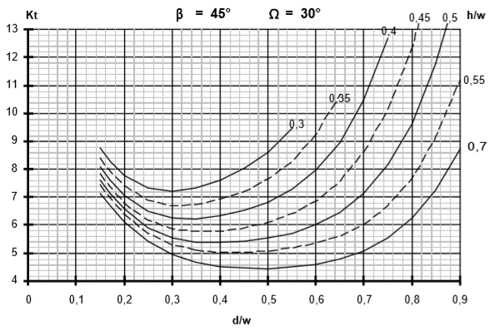
β = | 45°
Ω = | 30°
d/w | h/w = | h/w = | h/w = | h/w = | h/w = | h/w = | h/w =
 | 0.3 | 0.35 | 0.4 | 0.45 | 0.5 | 0.55 | 0.7
0.15 | 8.8 | 8.4 | 8.1 | 7.8 | 7.6 | 7.45 | 7.15
0.2 | 7.8 | 7.4 | 7.1 | 6.8 | 6.6 | 6.4 | 6.1
0.25 | 7.35 | 6.9 | 6.5 | 6.2 | 5.9 | 5.7 | 5.4
0.3 | 7.2 | 6.7 | 6.25 | 5.87 | 5.55 | 5.3 | 4.95
0.4 | 7.6 | 6.9 | 6.35 | 5.8 | 5.4 | 5 | 4.55
0.5 | 8.6 | 7.65 | 6.8 | 6.1 | 5.58 | 5.08 | 4.45
0.55 | 9.5 | 8.28 | 7.3 | 6.4 | 5.7 | 5.2 | 4.5
0.6 |  | 9.3 | 7.95 | 6.9 | 6 | 5.37 | 4.6
0.65 |  | 10.6 | 8.9 | 7.6 | 6.42 | 5.6 | 4.8
0.7 |  |  | 10.5 | 8.65 | 7.13 | 6 | 5.1
0.74 |  |  | 12.3 | 9.88 | 8 | 6.6 | 5.48
0.8 |  |  |  | 12.37 | 9.66 | 7.7 | 6.3
0.9 |  |  |  |  |  | 11.2 | 8.7

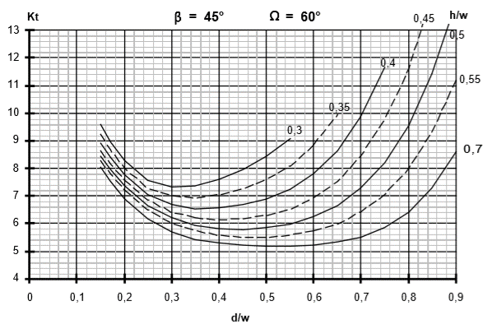
β = | 45°
Ω = | 60°
d/w | h/w = | h/w = | h/w = | h/w = | h/w = | h/w = | h/w =
 | 0.3 | 0.35 | 0.4 | 0.45 | 0.5 | 0.55 | 0.7
0.15 | 9.6 | 9.25 | 8.95 | 8.65 | 8.45 | 8.3 | 8
0.2 | 8.3 | 8 | 7.8 | 7.6 | 7.4 | 7.2 | 6.9
0.25 | 7.6 | 7.35 | 7.05 | 6.9 | 6.7 | 6.5 | 6.2
0.3 | 7.35 | 7 | 6.7 | 6.4 | 6.23 | 6 | 5.7
0.4 | 7.62 | 7.05 | 6.6 | 6.15 | 5.8 | 5.6 | 5.3
0.5 | 8.48 | 7.62 | 6.9 | 6.3 | 5.85 | 5.5 | 5.2
0.55 | 9.1 | 8.1 | 7.2 | 6.5 | 5.98 | 5.6 | 5.2
0.6 |  | 8.87 | 7.83 | 6.93 | 6.28 | 5.75 | 5.2
0.65 |  | 9.93 | 8.6 | 7.5 | 6.65 | 5.95 | 5.35
0.7 |  |  | 9.9 | 8.5 | 7.3 | 6.45 | 5.5
0.74 |  |  | 11.4 | 9.55 | 8.05 | 6.9 | 5.8
0.8 |  |  |  | 11.6 | 9.6 | 8 | 6.42
0.9 |  |  |  | 13.2 | 13 | 11.2 | 8.6

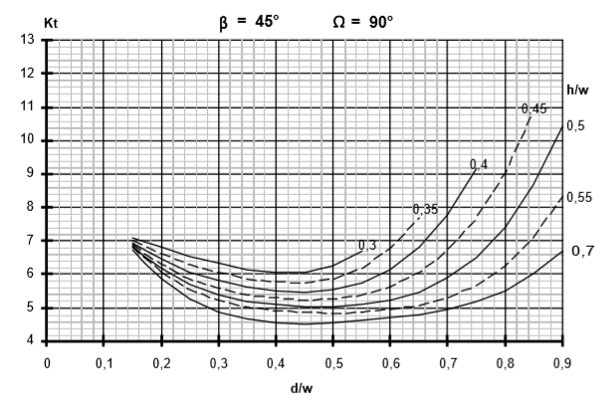
β = | 45°
Ω = | 90°
d/w | h/w = | h/w = | h/w = | h/w = | h/w = | h/w = | h/w =
 | 0.3 | 0.35 | 0.4 | 0.45 | 0.5 | 0.55 | 0.7
0.15 | 7.1 | 7 | 6.95 | 6.9 | 6.8 | 6.75 | 6.7
0.2 | 6.8 | 6.6 | 6.5 | 6.3 | 6.2 | 6 | 5.9
0.25 | 6.55 | 6.3 | 6 | 5.85 | 5.7 | 5.55 | 5.25
0.3 | 6.35 | 6.05 | 5.8 | 5.55 | 5.4 | 5.25 | 4.9
0.4 | 6.05 | 5.8 | 5.5 | 5.28 | 5.1 | 4.95 | 4.6
0.5 | 6.3 | 5.9 | 5.57 | 5.25 | 5 | 4.85 | 4.6
0.55 | 6.7 | 6.2 | 5.75 | 5.4 | 5.1 | 4.9 | 4.65
0.6 |  | 6.8 | 6.15 | 5.65 | 5.23 | 4.98 | 4.76
0.65 |  | 7.7 | 6.8 | 6 | 5.42 | 5.05 | 4.8
0.7 |  |  | 7.8 | 6.8 | 5.9 | 5.3 | 4.96
0.74 |  |  | 8.9 | 7.5 | 6.4 | 5.6 | 5.15
0.8 |  |  |  | 9.05 | 7.42 | 6.3 | 5.5
0.9 |  |  |  |  | 10.42 | 8.3 | 6.7

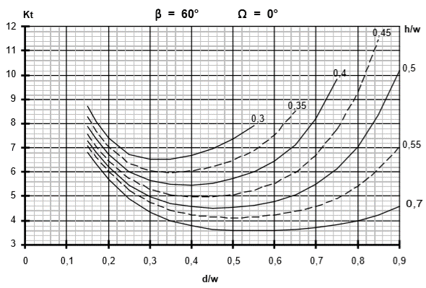
β = | 60°
Ω = | 0°
d/w | h/w = | h/w = | h/w = | h/w = | h/w = | h/w = | h/w =
 | 0.3 | 0.35 | 0.4 | 0.45 | 0.5 | 0.55 | 0.7
0.15 | 8.75 | 8.3 | 7.9 | 7.6 | 7.3 | 7.06 | 6.8
0.2 | 7.4 | 7 | 6.7 | 6.5 | 6.2 | 6.05 | 5.7
0.25 | 6.7 | 6.4 | 6 | 5.7 | 5.4 | 5.25 | 4.9
0.3 | 6.55 | 6.05 | 5.65 | 5.3 | 4.95 | 4.73 | 4.37
0.4 | 6.7 | 6.05 | 5.45 | 4.98 | 4.58 | 4.22 | 3.8
0.5 | 7.4 | 6.5 | 5.78 | 5.05 | 4.53 | 4.1 | 3.6
0.55 | 7.93 | 6.9 | 6 | 5.25 | 4.6 | 4.15 | 3.6
0.6 |  | 7.5 | 6.47 | 5.5 | 4.8 | 4.21 | 3.6
0.65 |  | 8.55 | 7.1 | 5.98 | 5.05 | 4.4 | 3.65
0.7 |  |  | 8.25 | 6.7 | 5.5 | 4.6 | 3.7
0.74 |  |  | 9.6 | 7.6 | 6 | 4.82 | 3.8
0.8 |  |  |  | 9.4 | 7.06 | 5.4 | 4
0.9 |  |  |  |  | 10.2 | 7 | 4.6

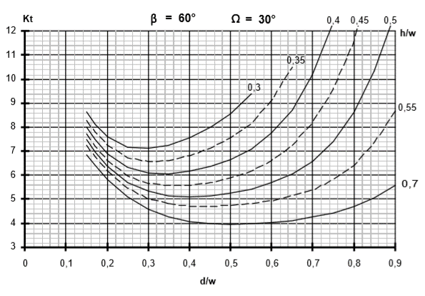
β = | 60°
Ω = | 30°
d/w | h/w = | h/w = | h/w = | h/w = | h/w = | h/w = | h/w =
 | 0.3 | 0.35 | 0.4 | 0.45 | 0.5 | 0.55 | 0.7
0.15 | 8.65 | 8.3 | 8 | 7.77 | 7.5 | 7.25 | 6.82
0.2 | 7.6 | 7.3 | 6.9 | 6.6 | 6.4 | 6.2 | 5.8
0.25 | 7.2 | 6.75 | 6.4 | 6.05 | 5.7 | 5.47 | 5.1
0.3 | 7.15 | 6.6 | 6.1 | 5.67 | 5.37 | 5 | 4.6
0.4 | 7.6 | 6.8 | 6.2 | 5.6 | 5.1 | 4.7 | 4.1
0.5 | 8.6 | 7.57 | 6.67 | 5.9 | 5.28 | 4.75 | 3.95
0.55 | 9.4 | 8.15 | 7.1 | 6.2 | 5.4 | 4.83 | 4
0.6 |  | 9.1 | 7.8 | 6.65 | 5.7 | 4.93 | 4.05
0.65 |  | 10.5 | 8.7 | 7.25 | 6.03 | 5.17 | 4.1
0.7 |  |  | 10.25 | 8.2 | 6.6 | 5.4 | 4.28
0.74 |  |  | 11.95 | 9.2 | 7.25 | 5.75 | 4.4
0.8 |  |  |  | 11.7 | 8.65 | 6.45 | 4.7
0.9 |  |  |  |  |  | 8.7 | 5.6

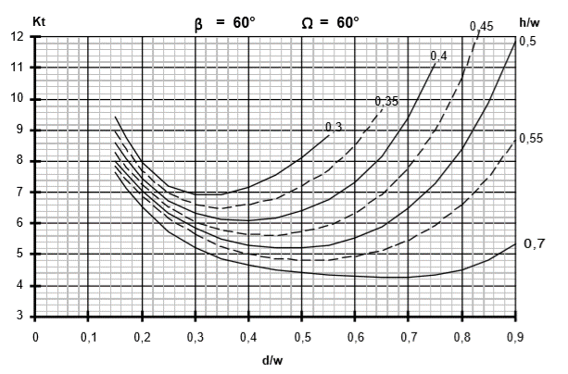
β = | 60°
Ω = | 60°
d/w | h/w = | h/w = | h/w = | h/w = | h/w = | h/w = | h/w =
 | 0.3 | 0.35 | 0.4 | 0.45 | 0.5 | 0.55 | 0.7
0.15 | 9.46 | 9 | 8.6 | 8.3 | 8 | 7.85 | 7.65
0.2 | 7.96 | 7.7 | 7.45 | 7.25 | 7.05 | 6.85 | 6.5
0.25 | 7.25 | 7.05 | 6.75 | 6.55 | 6.32 | 6.18 | 5.7
0.3 | 6.92 | 6.6 | 6.35 | 6.04 | 5.84 | 5.64 | 5.25
0.4 | 7.2 | 6.6 | 6.1 | 5.65 | 5.3 | 5 | 4.66
0.5 | 8.12 | 7.2 | 6.45 | 5.75 | 5.2 | 4.82 | 4.4
0.55 | 8.82 | 7.7 | 6.78 | 5.92 | 5.3 | 4.82 | 4.36
0.6 |  | 8.55 | 7.3 | 6.34 | 5.52 | 4.93 | 4.3
0.65 |  | 9.6 | 8.2 | 6.9 | 5.9 | 5.1 | 4.25
0.7 |  |  | 9.4 | 7.8 | 6.5 | 5.45 | 4.25
0.74 |  |  | 10.8 | 8.8 | 7.18 | 5.85 | 4.3
0.8 |  |  |  | 10.7 | 8.4 | 6.6 | 4.5
0.9 |  |  |  | 12 | 11.88 | 8.7 | 5.35
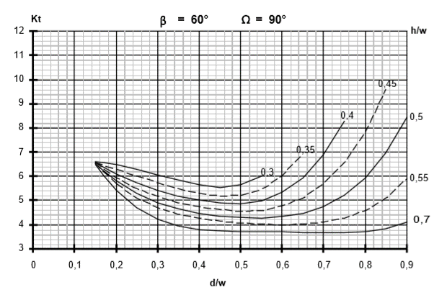
β = | 60°
Ω = | 90°
d/w | h/w = | h/w = | h/w = | h/w = | h/w = | h/w = | h/w =
 | 0.3 | 0.35 | 0.4 | 0.45 | 0.5 | 0.55 | 0.7
0.15 | 6.6 | 6.6 | 6.6 | 6.6 | 6.6 | 6.6 | 6.6
0.2 | 6.52 | 6.3 | 6.1 | 5.92 | 5.8 | 5.7 | 5.4
0.25 | 6.3 | 6 | 5.72 | 5.5 | 5.3 | 5.1 | 4.7
0.3 | 6.05 | 5.75 | 5.42 | 5.2 | 4.9 | 4.7 | 4.23
0.4 | 5.66 | 5.3 | 5 | 4.75 | 4.46 | 4.28 | 3.8
0.5 | 5.66 | 5.2 | 4.86 | 4.55 | 4.3 | 4.06 | 3.74
0.55 | 6 | 5.5 | 5 | 4.6 | 4.28 | 4.02 | 3.72
0.6 |  | 6 | 5.35 | 4.8 | 4.38 | 4 | 3.72
0.65 |  | 6.9 | 5.9 | 5.1 | 4.42 | 4.02 | 3.7
0.7 |  |  | 6.9 | 5.7 | 4.78 | 4.1 | 3.7
0.74 |  |  | 8 | 6.42 | 5.16 | 4.25 | 3.7
0.8 |  |  |  | 7.9 | 5.9 | 4.6 | 3.75
0.9 |  |  |  | 10 | 8.45 | 5.9 | 4.1

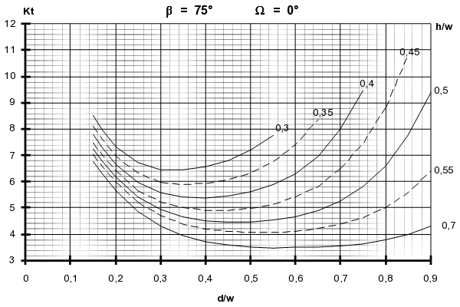
β = | 75°
Ω = | 0°
d/w | h/w = | h/w = | h/w = | h/w = | h/w = | h/w = | h/w =
 | 0.3 | 0.35 | 0.4 | 0.45 | 0.5 | 0.55 | 0.7
0.15 |  |  |  |  | 7.25
0.2 |  |  |  |  | 6.2
0.25 |  |  |  |  | 5.4
0.3 |  |  |  |  | 4.9
0.4 |  |  |  |  | 4.5
0.5 |  |  |  |  | 4.45
0.55 |  |  |  |  | 4.53
0.6 |  |  |  |  | 4.65
0.65 |  |  |  |  | 4.9
0.7 |  |  |  |  | 5.25
0.74 |  |  |  |  | 5.7
0.8 |  |  |  |  | 6.6
0.9 |  |  |  |  | 9.4

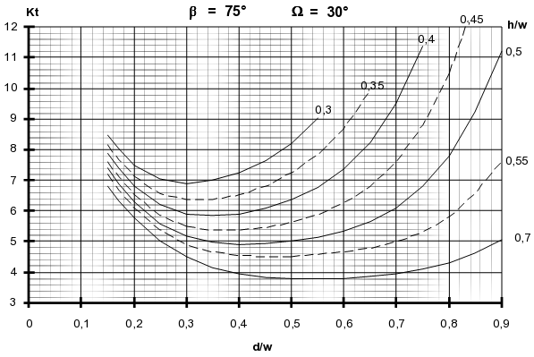
β = | 75°
Ω = | 30°
d/w | h/w = | h/w = | h/w = | h/w = | h/w = | h/w = | h/w =
 | 0.3 | 0.35 | 0.4 | 0.45 | 0.5 | 0.55 | 0.7
0.15 |  |  |  |  | 7.4
0.2 |  |  |  |  | 6.3
0.25 |  |  |  |  | 5.6
0.3 |  |  |  |  | 5.2
0.4 |  |  |  |  | 4.9
0.5 |  |  |  |  | 5
0.55 |  |  |  |  | 5.1
0.6 |  |  |  |  | 5.35
0.65 |  |  |  |  | 5.65
0.7 |  |  |  |  | 6.1
0.74 |  |  |  |  | 6.7
0.8 |  |  |  |  | 7.8
0.9 |  |  |  |  | 11.2

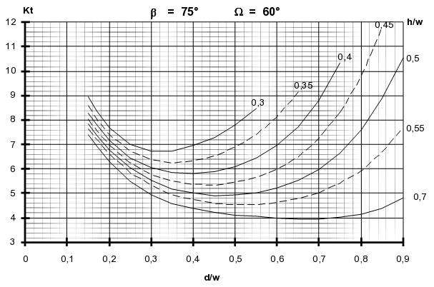
β = | 75°
Ω = | 60°
d/w | h/w = | h/w = | h/w = | h/w = | h/w = | h/w = | h/w =
 | 0.3 | 0.35 | 0.4 | 0.45 | 0.5 | 0.55 | 0.7
0.15 |  |  |  |  | 7.85
0.2 |  |  |  |  | 6.8
0.25 |  |  |  |  | 6
0.3 |  |  |  |  | 5.57
0.4 |  |  |  |  | 5
0.5 |  |  |  |  | 4.92
0.55 |  |  |  |  | 5
0.6 |  |  |  |  | 5.2
0.65 |  |  |  |  | 5.5
0.7 |  |  |  |  | 5.95
0.74 |  |  |  |  | 6.5
0.8 |  |  |  |  | 7.6
0.9 |  |  |  |  | 10.5

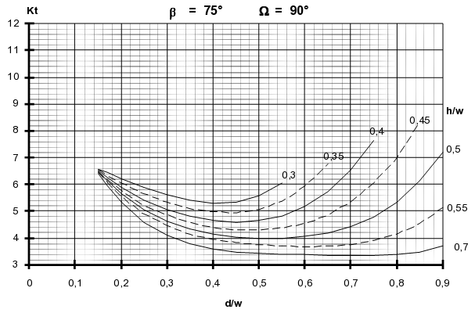
β = | 75°
Ω = | 90°
d/w | h/w = | h/w = | h/w = | h/w = | h/w = | h/w = | h/w =
 | 0.3 | 0.35 | 0.4 | 0.45 | 0.5 | 0.55 | 0.7
0.15 |  |  |  |  | 6.45
0.2 |  |  |  |  | 5.65
0.25 |  |  |  |  | 5.1
0.3 |  |  |  |  | 4.6
0.4 |  |  |  |  | 4.15
0.5 |  |  |  |  | 4
0.55 |  |  |  |  | 4
0.6 |  |  |  |  | 4.08
0.65 |  |  |  |  | 4.2
0.7 |  |  |  |  | 4.4
0.74 |  |  |  |  | 4.7
0.8 |  |  |  |  | 5.32
0.9 |  |  |  |  | 7.2

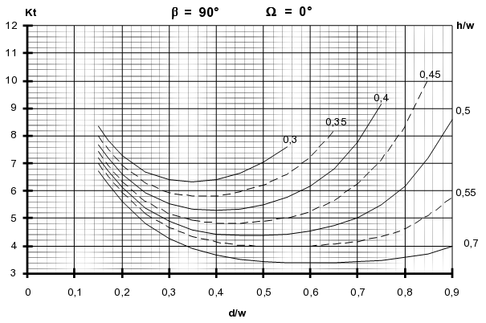
β = | 90°
Ω = | 0°
d/w | h/w = | h/w = | h/w = | h/w = | h/w = | h/w = | h/w =
 | 0.3 | 0.35 | 0.4 | 0.45 | 0.5 | 0.55 | 0.7
0.15 |  |  |  |  | 7.2
0.2 |  |  |  |  | 6.1
0.25 |  |  |  |  | 5.4
0.3 |  |  |  |  | 4.9
0.4 |  |  |  |  | 4.4
0.5 |  |  |  |  | 4.4
0.55 |  |  |  |  | 4.42
0.6 |  |  |  |  | 4.58
0.65 |  |  |  |  | 4.72
0.7 |  |  |  |  | 5
0.74 |  |  |  |  | 5.4
0.8 |  |  |  |  | 6.2
0.9 |  |  |  |  | 8.65

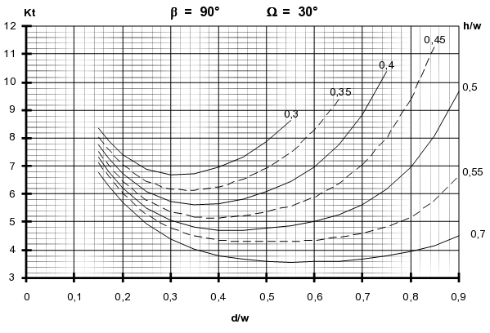
β = | 90°
Ω = | 30°
d/w | h/w = | h/w = | h/w = | h/w = | h/w = | h/w = | h/w =
 | 0.3 | 0.35 | 0.4 | 0.45 | 0.5 | 0.55 | 0.7
0.15 |  |  |  |  | 7.34
0.2 |  |  |  |  | 6.2
0.25 |  |  |  |  | 5.5
0.3 |  |  |  |  | 5.05
0.4 |  |  |  |  | 4.7
0.5 |  |  |  |  | 4.8
0.55 |  |  |  |  | 4.85
0.6 |  |  |  |  | 5
0.65 |  |  |  |  | 5.25
0.7 |  |  |  |  | 5.6
0.74 |  |  |  |  | 6.1
0.8 |  |  |  |  | 6.96
0.9 |  |  |  |  | 9.68

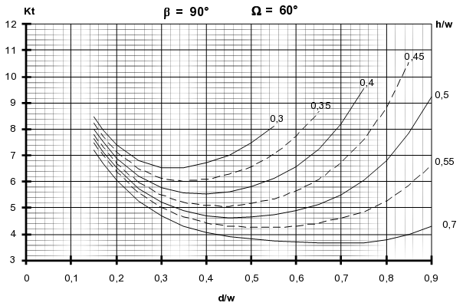
β = | 90°
Ω = | 60°
d/w | h/w = | h/w = | h/w = | h/w = | h/w = | h/w = | h/w =
 | 0.3 | 0.35 | 0.4 | 0.45 | 0.5 | 0.55 | 0.7
0.15 |  |  |  |  | 7.62
0.2 |  |  |  |  | 6.52
0.25 |  |  |  |  | 5.7
0.3 |  |  |  |  | 5.22
0.4 |  |  |  |  | 4.7
0.5 |  |  |  |  | 4.65
0.55 |  |  |  |  | 4.7
0.6 |  |  |  |  | 4.9
0.65 |  |  |  |  | 5.1
0.7 |  |  |  |  | 5.5
0.74 |  |  |  |  | 5.95
0.8 |  |  |  |  | 6.8
0.9 |  |  |  |  | 9.3

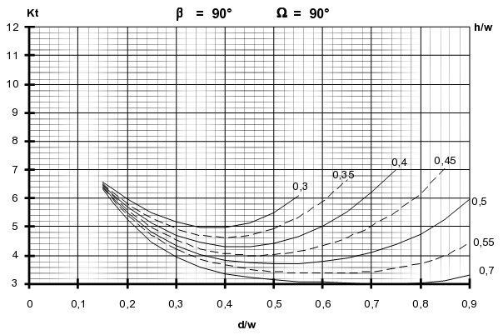
β = | 90°
Ω = | 90°
d/w | h/w = | h/w = | h/w = | h/w = | h/w = | h/w = | h/w =
 | 0.3 | 0.35 | 0.4 | 0.45 | 0.5 | 0.55 | 0.7
0.15 |  |  |  |  | 6.4
0.2 |  |  |  |  | 5.5
0.25 |  |  |  |  | 4.8
0.3 |  |  |  |  | 4.34
0.4 |  |  |  |  | 3.86
0.5 |  |  |  |  | 3.75
0.55 |  |  |  |  | 3.75
0.6 |  |  |  |  | 3.8
0.65 |  |  |  |  | 3.92
0.7 |  |  |  |  | 4.1
0.74 |  |  |  |  | 4.32
0.8 |  |  |  |  | 4.72
0.9 |  |  |  |  | 5.96

Références
MTS004 volume 1 - Calculs statiques - matériaux métalliques
MTS005 - Manuel Fatigue

G
Coefficient de surcontrainte G suivant Manuel de Fatigue |  |  |  |  |  |  |  | Page 184/274

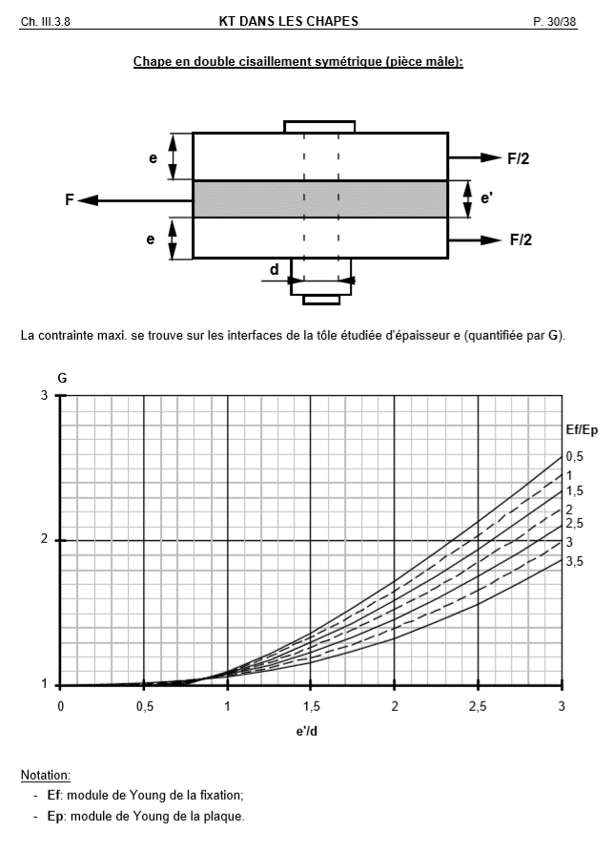
e' / d | Ef / Ep = | Ef / Ep = | Ef / Ep = | Ef / Ep = | Ef / Ep = | Ef / Ep = | Ef / Ep =
 | 0.5 | 1 | 1.5 | 2 | 2.5 | 3 | 3.5
0 | 1 | 1 | 1 | 1 | 1 | 1 | 1
0.5 | 1.008 | 1.02 | 1.02 |  | 1.015 | 1.015 | 1.015
0.85 | 1.05 | 1.05 | 1.05 | 1.05 | 1.05 | 1.05 | 1.05
1 | 1.1 | 1.0925 | 1.085 | 1.0775 | 1.07 | 1.0625 | 1.06
1.25 | 1.225 | 1.2 | 1.18 | 1.16 | 1.14 | 1.12 | 1.1
1.5 | 1.37 | 1.33 | 1.3 | 1.266 | 1.23 | 1.19 | 1.16
1.75 | 1.54 | 1.48 | 1.43 | 1.39 | 1.34 | 1.28 | 1.24
A FINALISER
2 | 1.725 | 1.65 | 1.59 | 1.52 | 1.45 | 1.4 | 1.32
2.25 | 1.925 | 1.84 | 1.75 | 1.68 | 1.6 | 1.52 | 1.44
2.5 | 2.133 | 2.03 | 1.94 | 1.85 | 1.75 | 1.65 | 1.56
2.75 | 2.35 | 2.24 | 2.14 | 2.033 | 1.92 | 1.82 | 1.71
3 | 2.58 | 2.45 | 2.34 | 2.22 | 2.1 | 1.99 | 1.87

Référence
MTS005 - Manuel Fatigue

Kbr
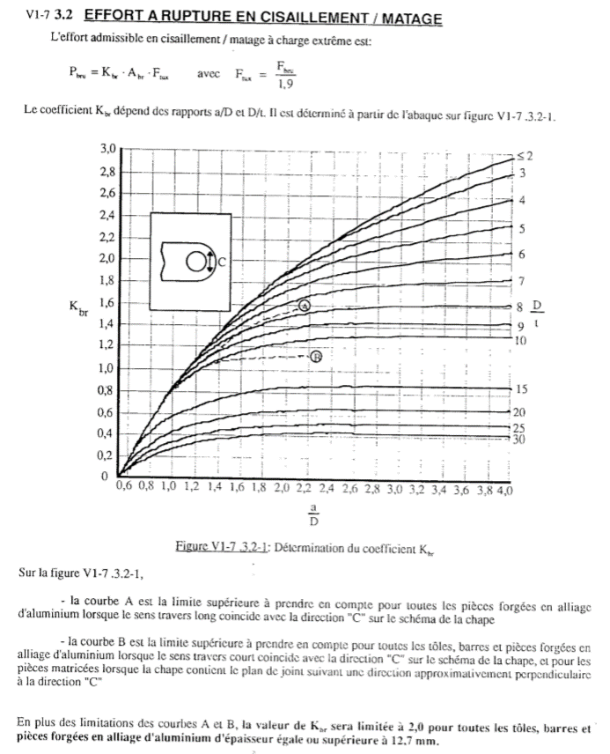
Kbr

a / d | D / t = | D / t = | D / t = | D / t = | D / t = | D / t = | D / t = | D / t = | D / t = | D / t = | D / t = | D / t = | D / t =
 | 2 | 3 | 4 | 5 | 6 | 7 | 8 | 9 | 10 | 15 | 20 | 25 | 30
0.6 | 0 | 0 | 0 | 0 | 0 | 0 | 0 | 0 | 0 | 0 | 0 | 0 | 0
0.8 | 0.55 | 0.55 | 0.55 | 0.55 | 0.55 | 0.55 | 0.55 | 0.55 | 0.55 | 0.33 | 0.23 | 0.18 | 0.15
1.0 | 0.83 | 0.83 | 0.83 | 0.83 | 0.83 | 0.83 | 0.83 | 0.83 | 0.82 | 0.44 | 0.30 | 0.25 | 0.20
1.2 | 1.10 | 1.10 | 1.10 | 1.10 | 1.10 | 1.10 | 1.10 | 1.04 | 0.98 | 0.58 | 0.42 | 0.33 | 0.27
1.4 | 1.33 | 1.33 | 1.33 | 1.33 | 1.33 | 1.27 | 1.22 | 1.18 | 1.09 | 0.66 | 0.50 | 0.40 | 0.33
1.6 | 1.56 | 1.56 | 1.56 | 1.56 | 1.50 | 1.42 | 1.35 | 1.25 | 1.16 | 0.74 | 0.54 | 0.44 | 0.37
1.8 | 1.74 | 1.74 | 1.74 | 1.70 | 1.63 | 1.53 | 1.42 | 1.32 | 1.21 | 0.79 | 0.59 | 0.48 | 0.40
2.0 | 1.90 | 1.90 | 1.89 | 1.82 | 1.73 | 1.62 | 1.50 | 1.37 | 1.25 | 0.83 | 0.62 | 0.49 | 0.41
2.4 | 2.20 | 2.18 | 2.09 | 2.00 | 1.86 | 1.73 | 1.57 | 1.43 | 1.30 | 0.84 | 0.63 | 0.50 | 0.43
2.8 | 2.44 | 2.38 | 2.24 | 2.12 | 1.95 | 1.79 | 1.60 | 1.44 | 1.32 | 0.86 | 0.66 |  | 0.43
3.2 | 2.64 | 2.55 | 2.37 | 2.20 | 2.00 | 1.82 | 1.61 | 1.44
3.6 | 2.84 | 2.69 | 2.50 | 2.30 | 2.05 | 1.84 | 1.62 | 1.45
4.0 | 2.96 | 2.83 | 2.59 | 2.36 | 2.10 | 1.85 | 1.62 | 1.45

Référence
MTS004 volume 1 - Calculs statiques - matériaux métalliques

Ktru et Ktry
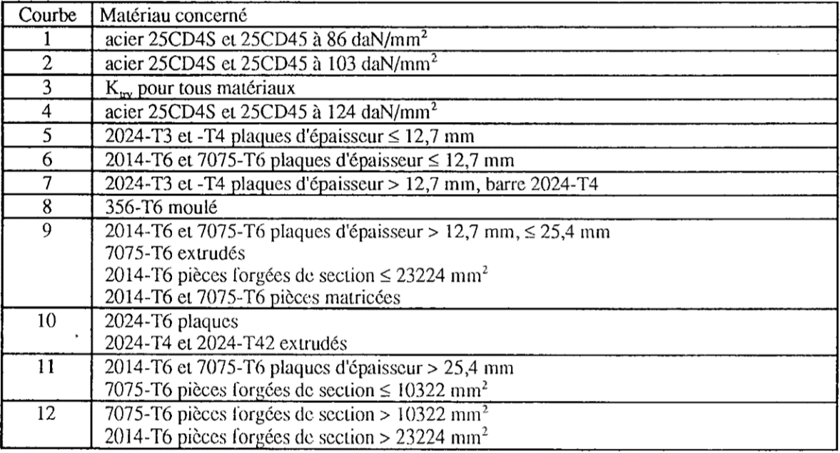
Détermination de Ktru et Ktry
 |  |  |  |  |  |  |  |  |  |  |  |  |  |  | Courbe | Désignation | Etat | Ftu | Ep. min | Ep. max | S min | S max | Liste matériaux
Aav / Abr | Limite A | Courbe | Courbe | Courbe | Courbe | Courbe | Courbe | Courbe | Courbe | Courbe | Courbe | Courbe | Courbe |  | 1 | 25CD4S |  | 86 |  |  |  |  | 25CD4S
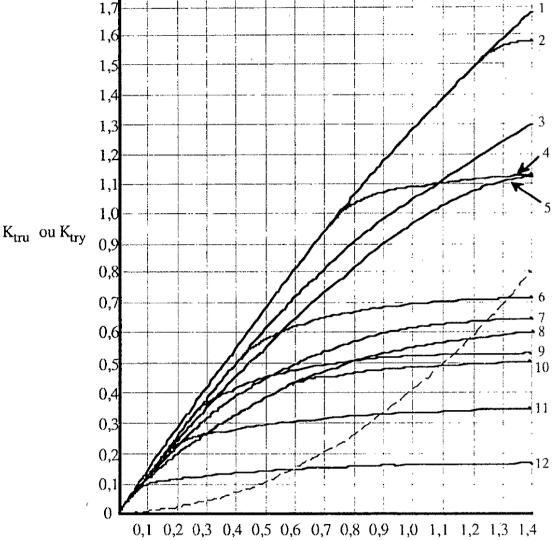
 | 0 | 1 | 2 | 3 | 4 | 5 | 6 | 7 | 8 | 9 | 10 | 11 | 12 |  | 1 | 25CD45 |  | 86 |  |  |  |  | 25CD45
0.0 |  |  |  |  |  |  |  |  |  |  |  |  |  |  | 2 | 25CD4S |  | 103 |  |  |  |  | 2024T3
0.2 |  |  |  |  |  |  |  |  |  |  |  |  |  |  | 2 | 25CD45 |  | 103 |  |  |  |  | 2024T4
A REMPLIR
0.3 |  |  |  |  |  |  |  |  |  |  |  |  |  |  | 4 | 25CD4S |  | 124 |  |  |  |  | 2014T6
0.5 |  |  |  |  |  |  |  |  |  |  |  |  |  |  | 4 | 25CD45 |  | 124 |  |  |  |  | 7075T6
0.6 |  |  |  |  |  |  |  |  |  |  |  |  |  |  | 5 | 2024T3 | Plaque |  | 0 | 12.7 |  |  | 356-T6
0.7 |  |  |  |  |  |  |  |  |  |  |  |  |  |  | 5 | 2024T4 | Plaque |  | 0 | 12.7 |  |  | 2024T42
0.8 |  |  |  |  |  |  |  |  |  |  |  |  |  |  | 6 | 2014T6 | Plaque |  | 0 | 12.7 |  |  | 2024T6
0.9 |  |  |  |  |  |  |  |  |  |  |  |  |  | 6 | 6 | 7075T6 | Plaque |  | 0 | 12.7
1.0 |  |  |  |  |  |  |  |  |  |  |  |  |  |  | 7 | 2024T3 | Plaque |  | 12.7
1.1 |  |  |  |  |  |  |  |  |  |  |  |  |  |  | 7 | 2024T4 | Plaque |  | 12.7
1.2 |  |  |  |  |  |  |  |  |  |  |  |  |  |  | 8 | 356-T6 | Moulé
1.3 |  |  |  |  |  |  |  |  |  |  |  |  |  |  | 9 | 2014T6 | Plaque |  | 12.7 | 25.4
1.4 |  |  |  |  |  |  |  |  |  |  |  |  |  | 9 | 9 | 7075T6 | Plaque |  | 12.7 | 25.4
 |  |  |  |  |  |  |  |  |  |  |  |  |  |  | 9 | 2014T6 | Matricé
Limitation sur la taille du trou : |  |  | if Ktru > limite A :
 |  |  | → Efforts admissibles issus des abaques
 |  |  | sinon:
 |  |  | → Efforts admissibles issus d'un calcul de poutre encastrée

Référence |  |  |  |  |  |  |  |  |  |  |  |  |  | 9 | 9 | 7075T6 | Matricé
MTS004 volume 1 - Calculs statiques - matériaux métalliques |  |  |  |  |  |  |  |  |  |  |  |  |  |  | 10 | 2024T6 | Plaque
 |  |  |  |  |  |  |  |  |  |  |  |  |  |  | 10 | 2024T4 | Extrudé
 |  |  |  |  |  |  |  |  |  |  |  |  |  |  | 10 | 2024T42 | Extrudé
 |  |  |  |  |  |  |  |  |  |  |  |  |  |  | 11 | 2014T6 | Plaque |  | 25.4
 |  |  |  |  |  |  |  |  |  |  |  |  |  | 11 | 11 | 7075T6 | Plaque |  | 25.4
 |  |  |  |  |  |  |  |  |  |  |  |  |  | 11 | 11 | 7075T6 | Forgé |  |  |  | 0 | 10332
 |  |  |  |  |  |  |  |  |  |  |  |  |  | 12 | 12 | 7075T6 | Forgé |  |  |  | 10322
 |  |  |  |  |  |  |  |  |  |  |  |  |  |  | 12 | 2014T6 | Forgé |  |  |  | 23224
 |  |  | ≥

