Network topology
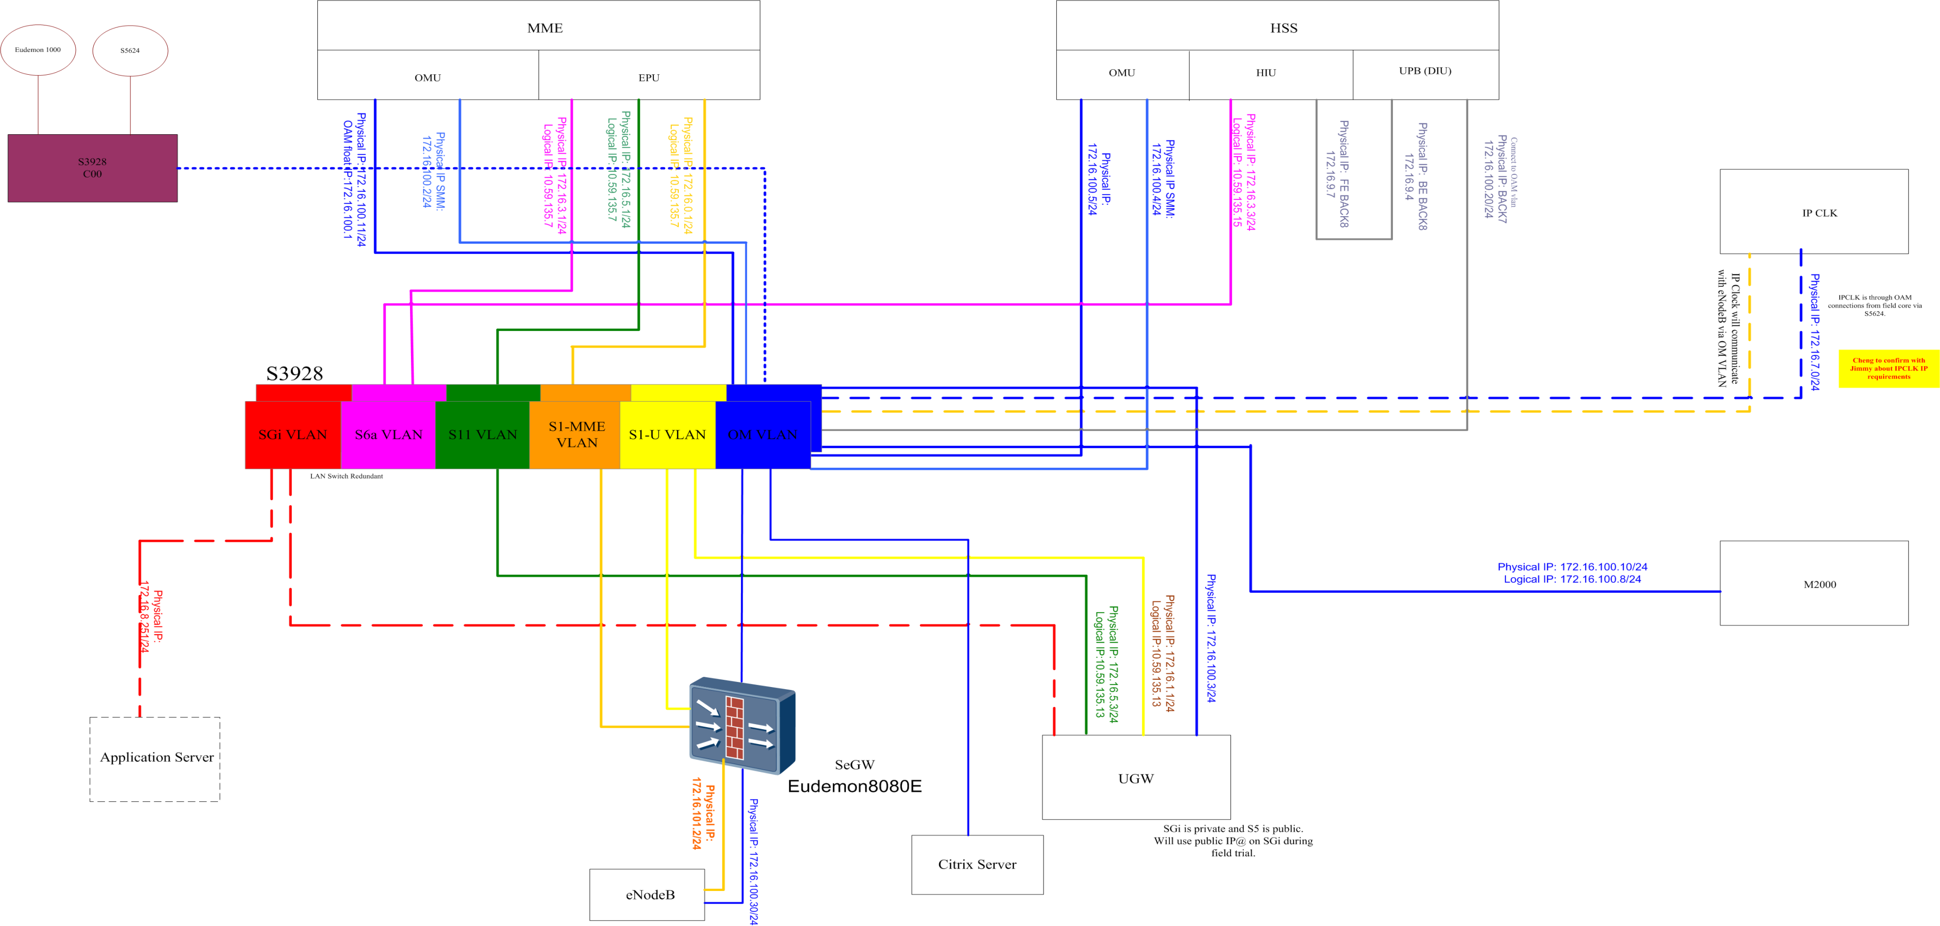
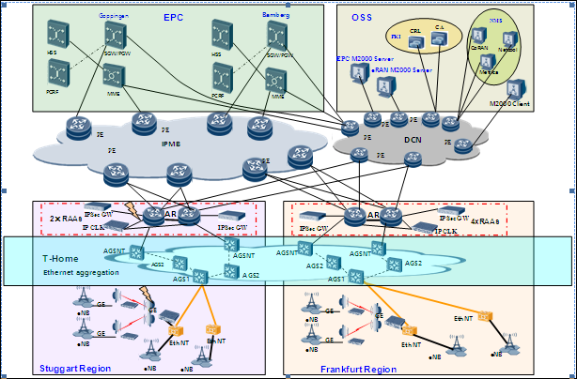
Logic Network Topology
physical Network Topology

Board Layout
eNodeB Type : |  | DBS3900_LTE
LBBP Broad Standard
Slots Configration Rule

Board Type | Slot:Board Type | Slot:Board Type | Slot:Board Type | Broad Name | cell | bandwidth | Antenna
16:FAN | 0:LBBP /USCU | 4: LBBP /UTRP/USCU | 18:UPEU/ UEIU | LBBPc | 3 | 20M | 2T2R
 | 1: LBBP /USCU | 5: LBBP /UTRP/USCU |  |  | 6 | 10M | 2T2R
 | 2:LBBP | 6:LMPT/ UMPT | 19: UPEU |  | 1 | 20M | 4T4R
 | 3:LBBP | 7:LMPT /UMPT/UCIU |  | LBBPd1 | 3 | 20M | 2T2R
 |  |  |  | LBBPd2 | 3 | 20M | 2T2R
 |  |  |  |  | 3 | 20M | 4T4R

