功能介绍
 |  |  |  |  | 翻开之后的卡牌样式
 |  |  |  | 服务端随结果用的权重 |  | 广播id

 |  | 实际奖励为两个奖励相加
 | 倍率奖励： 物品id=当前场景的消耗类型 物品数量=基础数量*倍率/10000 （默认基础数量为击杀时最后一刀的消耗 |  | 固定奖励： 填什么是什么

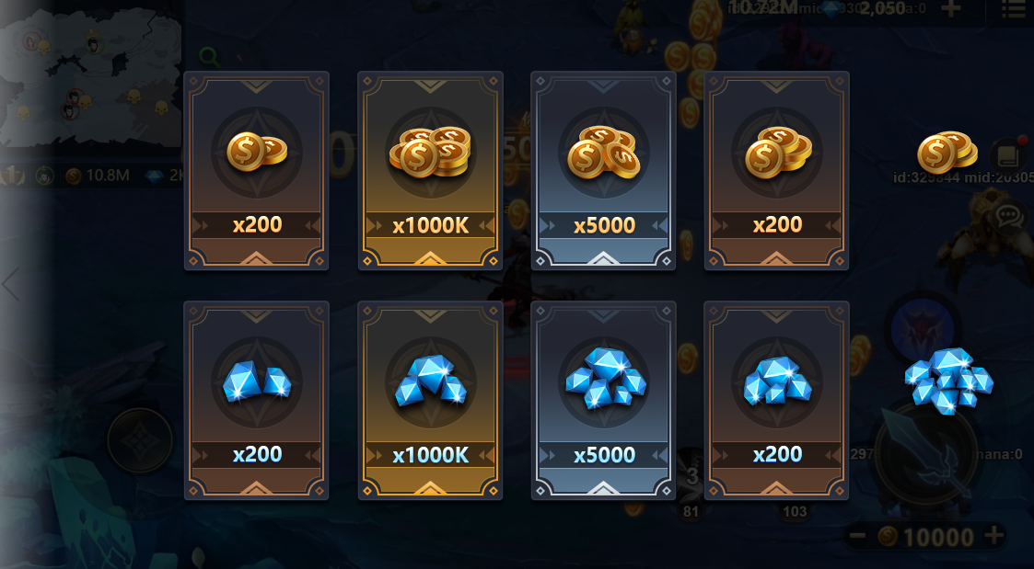

时间到客户端自动翻牌倒计时=静态表monster_effect_fanpai_time

Sheet1
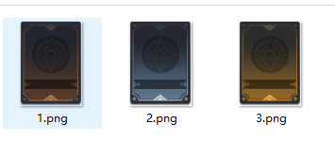
参考图



 | 决定卡面 | 决定中间icon

数字颜色根据奖励物品id写死

