STATISTICAL MODEL
 | Matches
18 | 590,549
17 | 363,000
18 | 375,700
22 | 1,045,246
26 | 768,607
35 | 819,810
32 | 893,172
32 | 1,563,135
32 | 1,603,975
38 | 1,865,753
38 | 1,545,791
52 | 2,109,723
52 | 2,394,031
52 | 2,516,215
52 | 3,587,538
64 | 2,785,100
64 | 2,705,197
64 | 3,359,439
64 | 3,178,856
64 | 3,429,873
64 | 3,031,768
64 | 3,404,252
import numpy as np
import pandas as pd
import statsmodels.api as sm
# Your data
data = {
'Total_Attendance': [590549, 363000, 375700, 1045246, 768607, 819810, 893172, 1563135, 1603975,
1865753, 1545791, 2109723, 2394031, 2516215, 3587538, 2785100, 2705197,
3359439, 3178856, 3429873, 3031768, 3404252],
'Matches': [18, 17, 18, 22, 26, 35, 32, 32, 32, 38, 38, 52, 52, 52, 52, 64, 64, 64, 64, 64, 64, 64]
}
df = pd.DataFrame(data)
# Add a constant term for the intercept
X = sm.add_constant(df['Matches'])
# Fit the regression model
model = sm.OLS(df['Total_Attendance'], X).fit()
# Print the regression results
print(model.summary())

CRISP DM PROCESS MODEL
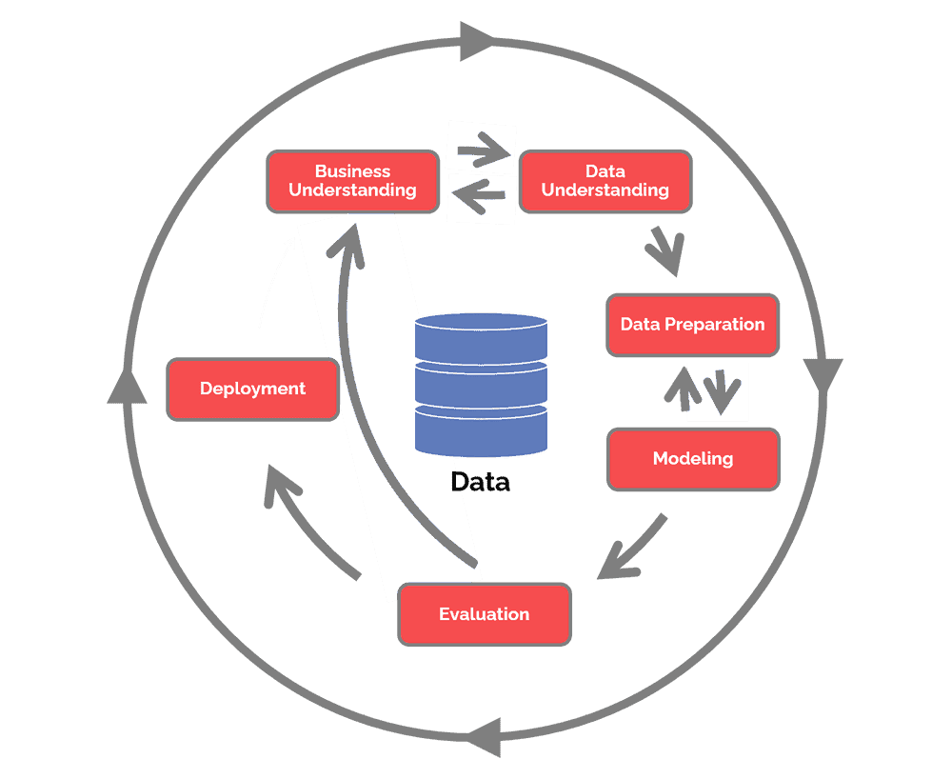
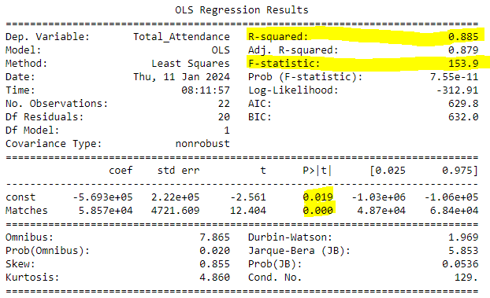
BUSINESS UNDERSTANDING | What is the attendance prediction for 2024 FIFA World Cup? What factors and assumptions are taken into consideration to create the prediction? What other factors may skew the results of the prediction?
DATA UNDERSTANDING | Sourse of data: Sport attendances figures based on data provided by Wikipedia. Link: https://en.wikipedia.org/wiki/FIFA_World_Cup Clarification on data: Venues/Cities provides two numbers. How many football stadiums used in how many different cities
DATA PREPARATION | Import data into Microsoft Excel using import facility using Web Importing. Data needs to be transformed using PowerQuery by setting the correct data types. Irrelevant data is deleted.
MODELING | Statistical Model: Oridinary Least Squars (OLS) regression analysis was performed to describe the statistical significance between number of matches and total attendance. Statistical Tools used: Microsoft Excel graph Microsoft Excel Statistics Jupytier Notebooks using Python 3 kerner (See Results Table)
EVALUATION | Coefficients: The intercept (const const) is approximately -569,300. The coefficient for the number of matches (Matches Matches) is approximately 58,570. R-squared: The R-squared value is 0.885, indicating that the model explains about 88.5% of the variance in total attendance. This suggests a strong relationship between the number of matches and total attendance. P-values: The p-value for the intercept is 0.019, and for the Matches variable, it is very close to zero (0.000). The low p-values suggest that both coefficients are statistically significant. Interpretation: The intercept of approximately -569,300 suggests that when there are zero matches, the predicted total attendance is around -569,300. However, this might not have a meaningful interpretation in the context of your data. The coefficient for Matches (approximately 58,570) indicates that for each additional match, the predicted total attendance increases by about 58,570. F-statistic: The F-statistic is 153.9 with a low p-value (7.55e-11), indicating that the overall model is statistically significant.
DEPLOYMENT | Overall, based on this model, it appears that there is a strong positive relationship between the number of matches and total attendance. Keep in mind that these results are based on the assumptions of the linear regression model, and other factors not included in the model may also influence total attendance.

