table1_session_summary
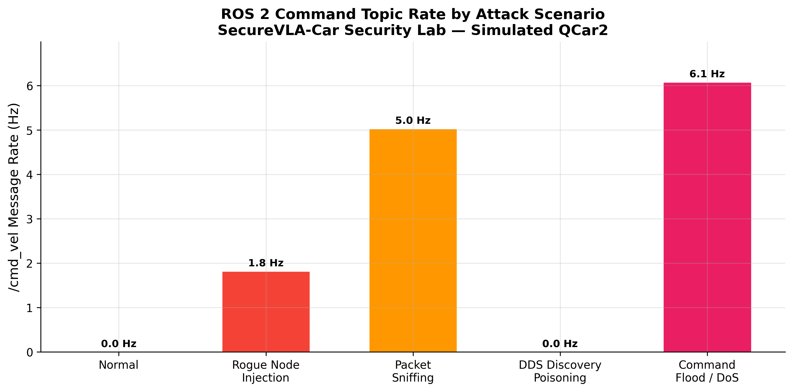
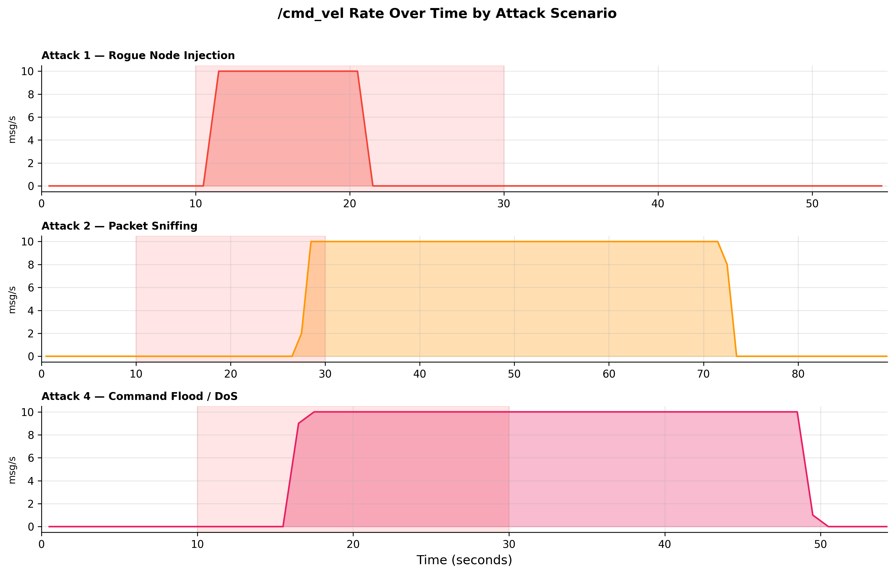
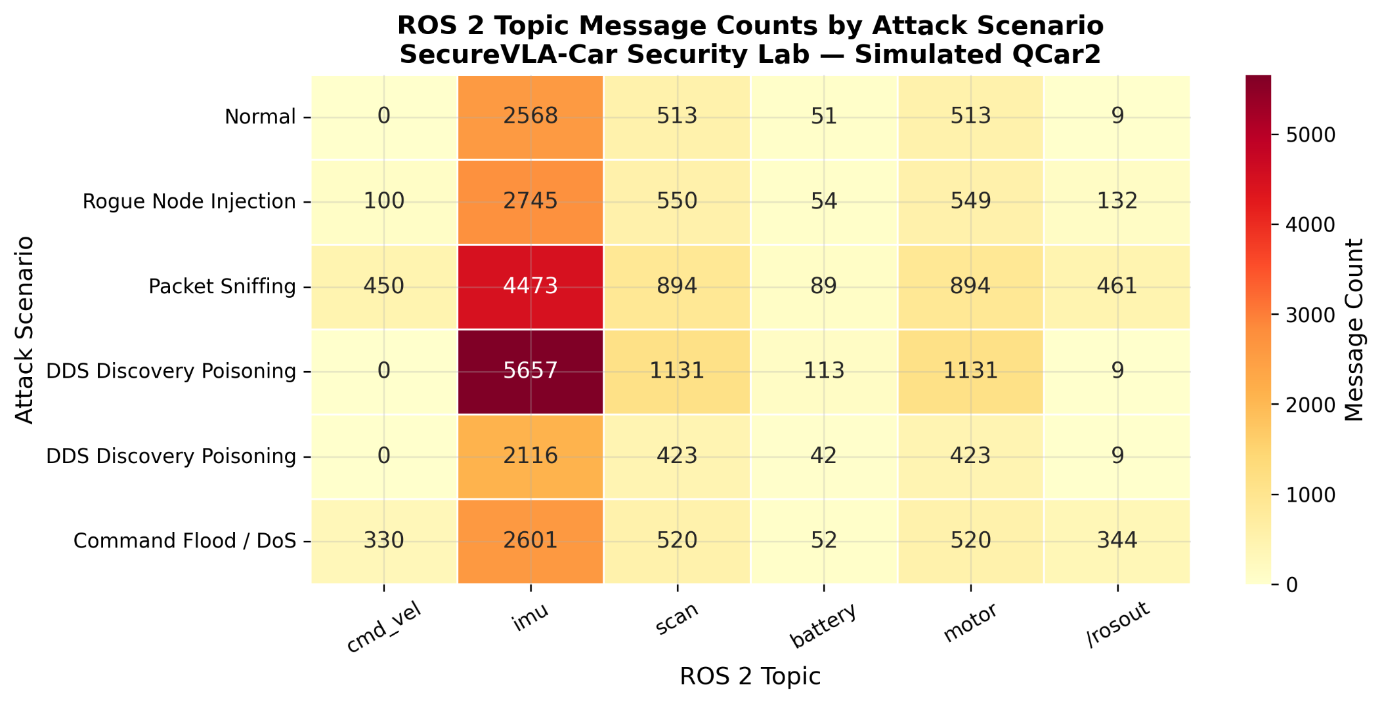
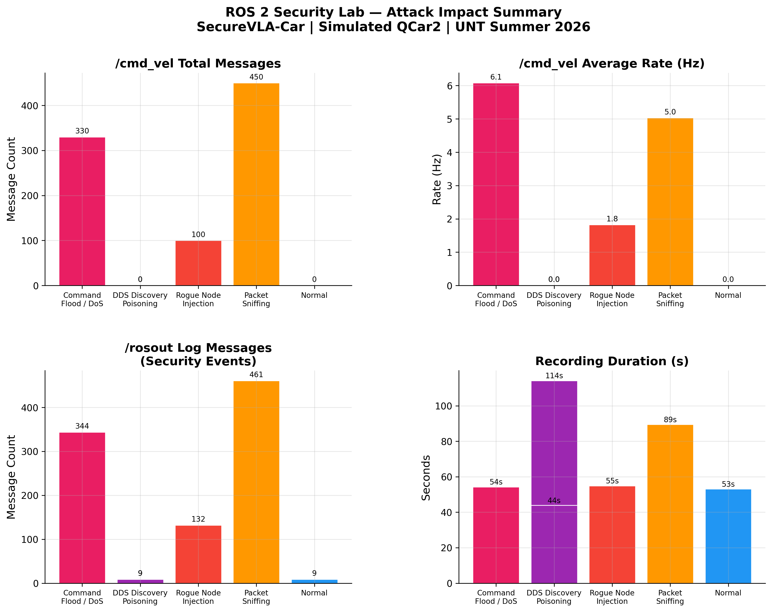
Attack | Label | Duration (s) | Total Messages | /cmd_vel Count | /cmd_vel Rate (Hz) | /imu Count | /imu Rate (Hz) | /scan Count | /rosout Count
— | Normal | 53.1 | 3654 | 0 | 0 | 2568 | 48.4 | 513 | 9
Attack 1 | Rogue Node Injection | 54.9 | 4130 | 100 | 1.8 | 2745 | 50 | 550 | 132
Attack 2 | Packet Sniffing | 89.4 | 7261 | 450 | 5 | 4473 | 50 | 894 | 461
Attack 3 | DDS Discovery Poisoning | 114.2 | 8041 | 0 | 0 | 5657 | 49.5 | 1131 | 9
Attack 4 | Command Flood / DoS | 54.3 | 4367 | 330 | 6.1 | 2601 | 47.9 | 520 | 344

