Sheet2
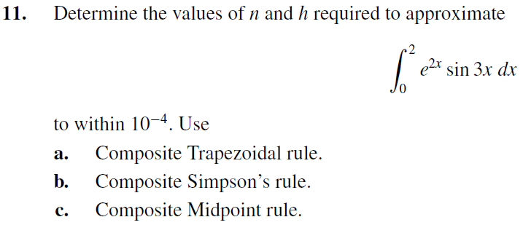

h | 2/n
n | 2/h

a |  |  |  |  | b |  |  |  |  | c

 | |f''(x)| | 629.08225641 | -76.277846461 | 705.36010 |  | |f''''(x)| | -6290.8225641 | 1815.4127458 | 4475.4098184 |  | |f''(x)| | 629.08225641 | -76.277846461 | 705.36010288

 |  |  |  | 4702400.6858 |  |  |  |  | 7956284.1215 |  |  |  |  | 9404801.3717
 |  |  | n | 2168.5019451 |  |  |  | n | 53.110155243 |  |  |  | n | 3066.7248608
 |  |  |  | 2168
 |  |  | h | 0.000922296 |  |  |  | h | 0.037657581508 |  |  |  | h | 0.00065216153741

