Study_Strategies
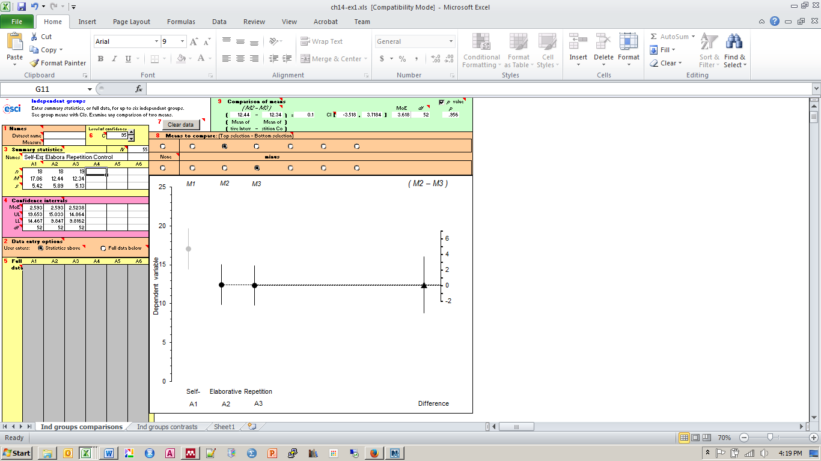
Study Strategy Effectiveness?
To what extent does study strategy influence learning. To investigate, students were asked to study 27 facts about the circulatory system. Students viewed each fact one-at-a-time on a computer screen and were prompted to use different study stratgies:
* Self-explanation - for each fact, students were asked "Explain what the sentence means to you. That is, what new information does the sentence provide for you? And how does it relate to what you already know?"
* Elaborative interrogation - for each fact, students were asked "Why does it make sense that..."?
* Repetition control - these students were simply asked to repeat each fact out loud and spent the same amount of time studying each fact as students in the other two groups.
Notice that self-explanation and elaborative interrogation seem quite similar. However, elaborative interrogation seems to ask students to use their own judgement of why the fact makes sense, whereas self-explanation focuses more on the new information provided.
A number of measures were collected:
* Before studying, student rated their prior knowledge of the circulatory system on a scale from 5-20.
* After studying, students completed a memory test in which they had to fill in key words for each fact (fill-in-blank) with a word bank available.
* After studying and testing, students rated how easy they felt it was to use the study strategy on a scale from 1-5.
This summary data is from:
O’Reilly, T., Symons, S., & MacLatchy-Gaudet, H. (1998). A Comparison of Self-Explanation and Elaborative Interrogation. Contemporary Educational Psychology, 23(4), 434–445. doi:10.1006/ceps.1997.0977
Equation 7.2 gives an estimate of s that’s pooled over all three:
Pooled SD for three independent groups.
$s_{p}=\sqrt{\frac{\left(n_{1}−1\right)s_{1}^{2}+\left(n_{2}−1\right)s_{2}^{2}+\left(n_{3}−1\right)s_{3}^{2}}{n_{1}+n_{2}+n_{3}−3}}$ (14.1)
As you’d expect, s₃ is the SD of the third group. The degrees of freedom of that estimate, s_{p}, is the denominator in Equation 14.1:
df = (n₁ – 1) + (n₂ – 1) + (n₃ – 1) = n₁ + n₂ + n₃ – 3 = (N – 3) (14.2)
${MoE}_{diff}=t_{.95}\left(df\right) × s_{p} × \sqrt{\frac{1}{n_{1}}+\frac{1}{n_{2}}}$ (14.4)

Performance on Fill-in-blank (O'Rielly, Symons & MacLatchy-Gaudet, 1998)
 | Self-Explain | Elaborative Interrogation | Repetition Control
n | 18 | 18 | 19
M | 17.06 | 12.44 | 12.34
s | 5.42 | 5.89 | 5.13

Perceived Ease of Strategy Use (O'Rielly, Symons & MacLatchy-Gaudet, 1998)
 | Self-Explain | Elaborative Interrogation | Repetition Control
n | 18 | 18 | 19
M | 2.94 | 0.87 | 2.58
s | 1.16 | 1.94 | 0.84

Previous Knowledge (O'Rielly, Symons & MacLatchy-Gaudet, 1998)
 | Self-Explain | Elaborative Interrogation | Repetition Control
n | 18 | 18 | 19
M | 9.89 | 8.72 | 9.79
s | 2.86 | 3.12 | 2.7
 |  |  |  | 499.3988 | 589.7657 | 473.7042 |  | 30.055167308
 |  |  |  | 52 |  |  |  | 5.4822593251 | Sp for learning

 |  |  |  | 2.007 | 0.32891812736 |  |  | 3.6190514431 | MoE

 |  |  |  | 4.72 | 0.1
 |  |  |  | 5.2769925147 | 5.5230879044 |  | 22.8752 | 63.9812 | 12.7008 | 1.3836768186
 |  |  |  | 0.89444887156 | 0.018105813583 |  | 52 |  |  | sp for ease

 |  |  |  |  |  |  | 0.91341859083 | MoE

 |  |  |  | 0.1 | -1.07
 |  |  |  | 2.7811508409 | 2.9175674799
 |  |  |  | 0.03595633812 | -0.36674387391

