Assumptions & References
ASSUMPTIONS & REFERENCES

ASSUMPTIONS

Assumption (A): all the values, in the financial statements and in all the exercises, which are expressed in milions, are also implicitly expressed in dollars (USD) as currency (except for the number of shares outstanding)
Assumption (B): For the lack of data, I am assuming that Depreciation and Amortization for the year 2020 will be equal to the same amount of the years 2018 and 2019, i.e. 200,000,000. Furthermore, given the lack of data for Current Debt for the years 2019-2020, I am assuming that Intel has probably decided not to incur short term debt for the years 2019-2020.
Assumption (C) for Ratio Analaysis: During my research I noticed that in some websites the ratios of the Semiconductor Industry are different, such as in https://www.macrotrends.net/ and https://www.stock-analysis-on.net/. I therefore found it necessary to base most of my analysis on the results provided by https://www.macrotrends.net/, having tested its accuracy in my previous university studies; for the ratios not found in https://www.macrotrends.net/ I therefore relied on https://www.stock-analysis-on.net/
Assumption (D) for Ratio Analysis: for the sake of simplicity, in my time references relating to Intel and Semiconductor Industry, I preferred to indicate "on 31/12/20xx" (as reported in https://www.macrotrends.net/) or "at the end of 20xx", rather than indicating a more specific day towards the end of December when the accounting records are closed, also appealing to what is indicated in the financial statements "Fiscal Year ends in Dec 31 | USD".
Assumption (E) for DCF Valuation: for the purpose of the exercise, only in this case I decided to take into account data from the years 2016-2017, in order to have historical averages and growth rates with more accuracy
Assumption (F): for the years 2021-2025, Total Revenues will be forecasted based on average growth rate for revenues; COGS, SG&A and R&D expenses will be forecasted as % of Revenues based on the average of the costs/revenue ratio for each of these items; Depreciation, CAPEX, Changes in NWC will be forecasted based on Historical Averages; based on the data from the years 20166-2020, since the taxation is progressive as long as EBIT increase, Income Tax for 2021 to 2025 will be based on the % of taxes on EBIT of the year 2020, which is 17%, since EBIT will grow year by year as well.
Assumption (G): to compute the Terminal Value, I am assuming as perpetual growth rate of the company that one in the DCF Template model, which is 3% of the following website: https://corporatefinanceinstitute.com/resources/templates/excel-modeling/dcf-model-template/

REFERENCES ()

1 | ON Semiconductor PE Ratio 2006-2021 | ON | MacroTrends
2 | ON Semiconductor Price to Book Ratio 2006-2021 | ON | MacroTrends
3 | Intel Corp. (NASDAQ:INTC) | EV/EBITDA (stock-analysis-on.net)
4 | ON Semiconductor Operating Margin 2006-2021 | ON | MacroTrends
5 | ON Semiconductor Net Profit Margin 2006-2021 | ON | MacroTrends
6 | ON Semiconductor ROE 2006-2021 | ON | MacroTrends
7 | ON Semiconductor Current Ratio 2006-2021 | ON | MacroTrends
8 | ON Semiconductor Quick Ratio 2006-2021 | ON | MacroTrends
9 | ON Semiconductor Debt to Equity Ratio 2006-2021 | ON | MacroTrends
10 | Intel Corp. (NASDAQ:INTC) | Analysis of Solvency Ratios (stock-analysis-on.net)
11 | https://www.gurufocus.com/term/interest_coverage/NAS:INTC/Interest-Coverage/Intel

 | Semiconductors and Related Devices: industry financial ratios benchmarking (readyratios.com)

12 | IPOs are too expensive and cumbersome | Financial Times (ft.com)
 | FAQ :: Intel Corporation (INTC)
 | IT'S OFFICIAL: the IPO Market Is Crippled -- and It's Hurting Our Country (businessinsider.com)
 | Intel - Wikipedia
 | 3 PC Stocks That Turned $10,000 Into Millions | The Motley Fool
 | 3 Stocks That Look Just Like Intel in 1971 | The Motley Fool
 | Intel Corporation (NASDAQ:INTC) - Here's How Much Investing $1,000 In Intel At Dot-Com Bubble Peak Would Be Worth Today | Benzinga
 | Intel is founded, July 18, 1968 - EDN
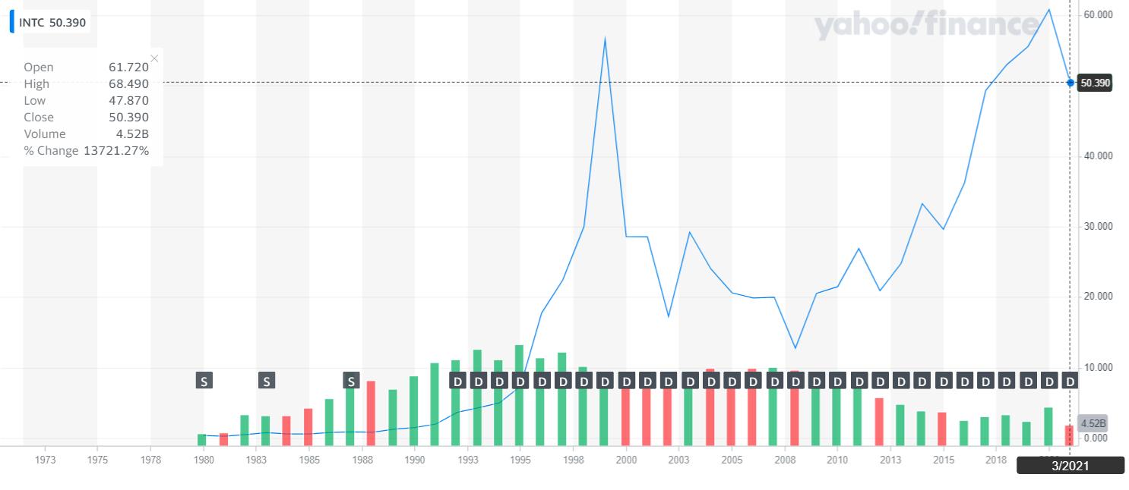

13 | Intel Corporation Common Stock (INTC) Dividend History | Nasdaq
 | Intel Corp. (INTC) Dividends (dividendmax.com)
 | Why Intel Is The ‘Top Dividend Stock Of The Nasdaq 100’ With 2.2% Yield (forbes.com)
 | 3 Reasons Investors Should Watch Intel Stock Despite an Earnings Disappointment | The Motley Fool
 | INTC: Dividend & History, Ex Date, Yield for Intel (a2-finance.com)
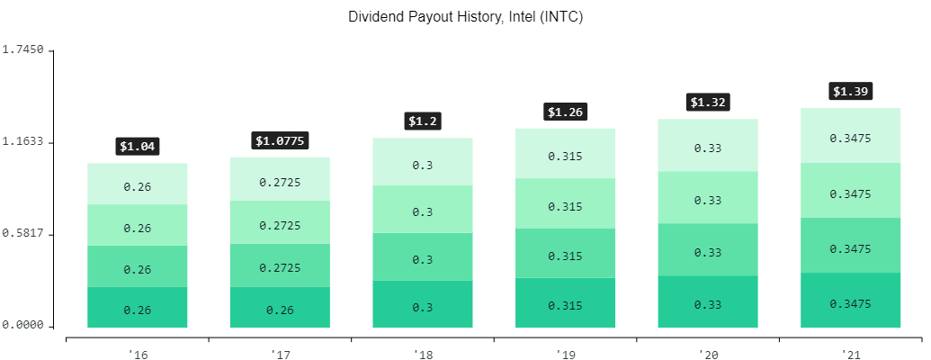

14 | DCF Model Template - Download Free Excel Template (corporatefinanceinstitute.com)
15 | INTC 50.92 0.61 1.21% : Intel Corporation - Yahoo Finance
 | https://finance.yahoo.com/quote/INTC/key-statistics?p=INTC
16 | Is Intel Stock Undervalued? - Financhill
 | It May Take Some Time For The Market To Recognize That Intel Is Undervalued (forbes.com)
 | Why Is Intel Stock Undervalued and When Will Happen The Big Jump For INTC Stock. - YouTube
 | Intel's move to 7nm chips punted to 2022 or 2023, ceding more ground to AMD | Windows Central
 | INTC: Intel stock offers intel on expectations - stoxdox

