Results
Number of simulations | 1000
 |  |  |  |  |  |  | Remarks
 |  |  |  |  |  |  | The bootstrap is nonparametric but it does require some assumptions. You can’t assume it is always valid (the key condition needed is Hadamard differentiability, out of scope for this training).
AY | Mean | Process Error | Estimation Error | Total Error | CoV | Skewness | There is a related method called the jackknife where the standard error is estimated by leaving out one observation at a time. However, the bootstrap is valid under weaker conditions than the jackknife.
2009 | - | - | - | - | - | - | There are many cases where the bootstrap is not formally justified. Nonethless, the bootstrap can be used in an informal way to get some intuition of the variability of the procedure. But keep in mind that the formal guarantees may not apply in these cases.
2010 | 833 | 305.378 | 334 | 453 | 0.543 | 0.010 | There is a method related to the bootstrap called subsampling. In this case, we draw samples of size m<n without replacement. Subsampling produces valid confidence intervals under weaker conditions than the bootstrap.
2011 | 1,343 | 387.768 | 415 | 568 | 0.423 | -0.015 | There is also a parametric version of bootstrap.
2012 | 2,231 | 499.782 | 492 | 702 | 0.314 | -0.034
2013 | 3,360 | 613.260 | 555 | 827 | 0.246 | 0.025
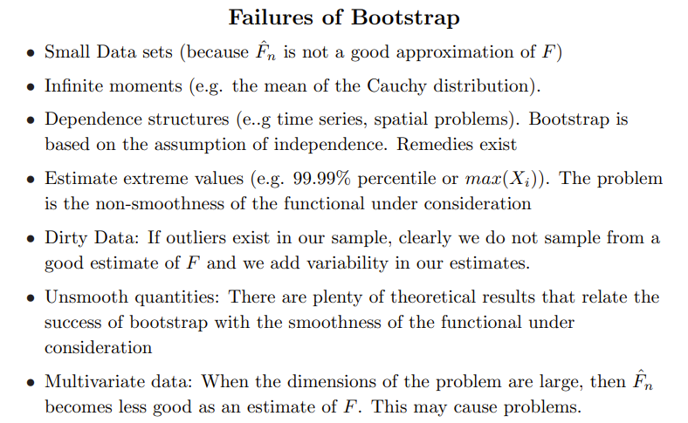
2014 | 5,278 | 768.666 | 668 | 1,018 | 0.193 | 0.082
2015 | 7,629 | 924.119 | 747 | 1,188 | 0.156 | 0.037
2016 | 10,255 | 1,071.440 | 780 | 1,325 | 0.129 | 0.046
2017 | 14,339 | 1,266.957 | 896 | 1,552 | 0.108 | 0.030
2018 | 23,174 | 1,610.650 | 1,131 | 1,968 | 0.085 | 0.004
2019 | 46,643 | 2,285.075 | 1,954 | 3,007 | 0.064 | 0.063
2020 | 111,901 | 3,539.339 | 5,507 | 6,546 | 0.058 | 0.043
Total | 226,985 | 5,040.851 | 9,035 | 10,346 | 0.046 | -0.053

Riserva CHL | 226,875.46

