Agile Sprint Backlog #1
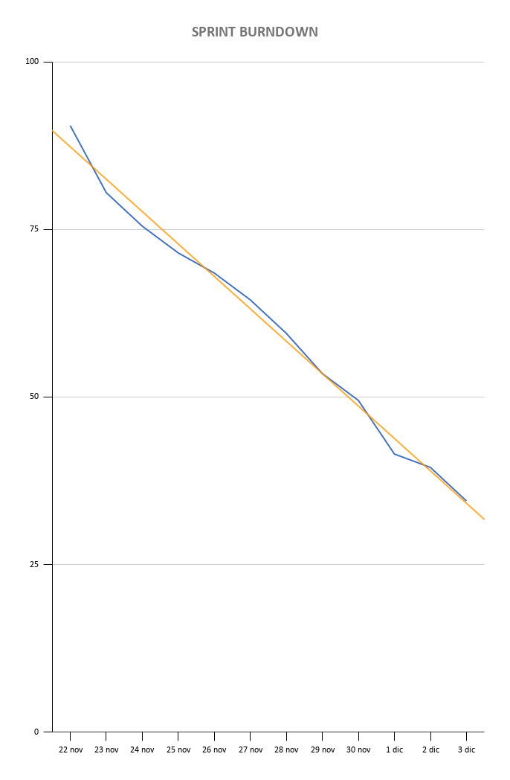
AGILE SPRINT BACKLOG WITH BURNDOWN CHART
BACKLOG TASK & ID | STORY POINTS | ASSIGNED TO | STATUS | ORIGINAL ESTIMATE | 2020-11-22 | 2020-11-23 | 2020-11-24 | 2020-11-25 | 2020-11-26 | 2020-11-27 | 2020-11-28 | 2020-11-29 | 2020-11-30 | 2020-12-01 | 2020-12-02 | 2020-12-03 | SPRINT REVIEW
User Story #5 | 8 | Russo-Landino
Task 1: Create a view for the System Administrator for the insertion and deletion of user profiles | 2 |  | Complete | 4 | 0 | 0 | 0 | 0 | 2.5 | 1 | 0 | 0 | 0 | 0 | 0 | 0
Task 2: Create database models representing the user | 2 |  | Complete | 4 | 2 | 2 | 0 | 0 | 0 | 0 | 0 | 0 | 0 | 0 | 0 | 0
Task 3: Add functions to interact with database (add, delete user record) | 2 |  | Complete | 4 | 0 | 0 | 1.5 | 2 | 0 | 0 | 0 | 0 | 0 | 0 | 0 | 0
Task 4: Write the logic controlling the view | 2 |  | Complete | 4 | 0 | 1.5 | 1.5 | 0 | 0 | 0 | 0 | 0 | 0 | 0 | 0 | 0
User Story #6 | 4 | Mannara-Lambiase
Task 1: Create a widget for the user profile view which can allow the system admin to edit user role | 2 |  | Complete | 4 | 0.5 | 2 | 1.5 | 0 | 0 | 0 | 0 | 0 | 0 | 0 | 0 | 0
Task 2: Write logic to update user record in DB when admin changes his role | 2 |  | Complete | 4 | 0 | 3 | 1 | 0 | 0 | 0 | 0 | 0 | 0 | 0 | 0 | 0
User Story #7 | 5 | Mannara-Lambiase
Task 1: Modify username and password | 1 |  | Complete | 2 | 0.5 | 0 | 0 | 1 | 2 | 1 | 0 | 0 | 0 | 0 | 0 | 0
Task 2: Create a widget inside the user profile view which allows the system admin to change user name and password | 2 |  | Complete | 4 | 0.5 | 1.5 | 0 | 1.5 | 0 | 0 | 0 | 0 | 0 | 0 | 0 | 0
Task 3: Write logic to update user record in DB when admin modifies user name or password | 2 |  | Complete | 4 | 0 | 0 | 2 | 0 | 0 | 0 | 1 | 2 | 0 | 0 | 0 | 0
User Story #8 | 3 | Russo-Landino
Task 1: Create a list with all the user with Maintainer role | 1 |  | Complete | 2 | 1.5 | 2 | 0 | 0 | 0 | 0 | 0 | 0 | 0 | 0 | 0 | 0
Task 2: Create models for storing data and skills of all Maintainers | 1 |  | Complete | 2 | 1.5 | 1 | 0 | 0 | 0 | 0 | 0 | 0 | 0 | 0 | 0 | 0
Task 3: Create a view for the System Administrator, useful for viewing all available Maintainers | 1 |  | Complete | 2 | 0 | 0 | 0 | 0 | 2.5 | 1 | 0 | 0 | 0 | 0 | 0 | 0
User Story #11 | 8 | Mannara-Lambiase
Task 1: Create a widget in the user profile view that shows user activities (log on, log off, role specific actions) | 2 |  | Complete | 4 | 0 | 0 | 0 | 0 | 0 | 0 | 0 | 0 | 0 | 0.5 | 1.5 | 0
Task 2: Create a widget that shows all the concurrent logged on user | 2 |  | Complete | 4 | 0 | 0 | 0 | 0 | 0 | 0 | 0 | 0 | 0 | 1 | 0.5 | 0
Task 3: Create DB tables to store user activities | 2 |  | Complete | 4 | 3 | 0 | 0 | 0 | 0 | 0 | 2 | 1 | 1 | 0 | 0 | 0
Task 4: Write logic to update user activity data every time a user related event occurs | 2 |  | Complete | 4 | 0 | 0 | 0 | 0 | 0 | 0 | 0 | 0 | 0 | 2 | 0.5 | 0
User Story #1 | 10 | Russo-Landino
Task 1: Create models to allow storage of task status | 2 |  | Complete | 4 | 0 | 0 | 0 | 0 | 0 | 0.5 | 2 | 0.5 | 0 | 0 | 0 | 0
Task 2: Create a mantainer summary view for the planner role | 2 |  | Complete | 4 | 0 | 0 | 0 | 0 | 0 | 0 | 0.5 | 3 | 0 | 0 | 0 | 0
Task 3: Create a pending manteinance tasks view | 2 |  | Complete | 4 | 0 | 0 | 0 | 0 | 0 | 0 | 0 | 0 | 0 | 0 | 2 | 2
Task 4: Write logic to populate mantainer summary view with DB data | 2 |  | Complete | 4 | 0 | 0 | 0 | 0 | 0 | 0 | 0 | 0 | 1 | 0 | 0 | 3
Task 5: Write logic to populate pending tasks view with DB data | 2 |  | Complete | 4 | 0 | 0 | 0 | 1.5 | 0.5 | 1 | 0 | 0 | 0 | 0 | 0 | 0
User Story #2 | 6 | Russo-Landino
Task 1: Create Mantainer personal area view which displays his pending tasks | 4 |  | Complete | 8 | 0 | 0 | 0 | 0 | 0 | 0 | 0 | 0 | 2 | 1 | 0 | 0
Task 2: Write logic to fetches tasks assigned to the specific mantainer | 2 |  | Complete | 4 | 0 | 0 | 0 | 0 | 0 | 0 | 0 | 0 | 0.5 | 3 | 0.5 | 0
User Story #31 | 4 | Lambiase-Mannara
Task 1: Create a login form | 1 |  | Complete | 2 | 0 | 0 | 1 | 0 | 0 | 0 | 0.5 | 0 | 0 | 0 | 0 | 0
Task 2: Write logic which allows to verify the supplied user name and password using database records | 2 |  | Complete | 4 | 0 | 0 | 1 | 1 | 0 | 0 | 0 | 0 | 0 | 1 | 0 | 0
Task 3: Write logic to open user personal area depending on the role selected | 1 |  | Complete | 2 | 0 | 0 | 0 | 0 | 1 | 0 | 0 | 0 | 0.5 | 0 | 0 | 0
TOTAL | 48 |  |  | 96 | 90.5 | 80.5 | 75.5 | 71.5 | 68.5 | 64.5 | 59.5 | 53.5 | 49.5 | 41.5 | 39.5 | 34.5

Agile Sprint Backlog #2
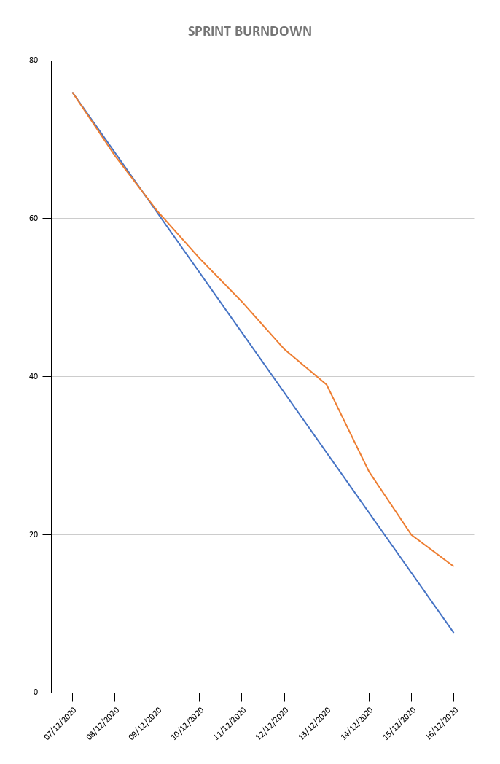
AGILE SPRINT BACKLOG WITH BURNDOWN CHART
BACKLOG TASK & ID | STORY POINTS | ASSIGNED TO | STATUS | ORIGINAL ESTIMATE | 07/12/2020 | 08/12/2020 | 09/12/2020 | 10/12/2020 | 11/12/2020 | 12/12/2020 | 13/12/2020 | 14/12/2020 | 15/12/2020 | 16/12/2020 | SPRINT REVIEW
User Story #13 |  | Russo - Landino
Task 1: Create a list that shows areas of the entire building | 1 |  | Complete | 2 | 1 | 1 | 0 | 0 | 0 | 0 | 0 | 0 | 0 | 0
Task 2: Create database model rapresenting building | 1 |  | Complete | 2 | 0.5 | 0.5 | 1 | 0 | 0 | 0 | 0 | 0 | 0 | 0
Task 3: Write logic to manipulate all areas of the buildings | 3 |  | Complete | 6 | 2 | 3 | 1 | 0 | 0 | 0 | 0 | 0 | 0 | 0
User Story #14 |  | Mannara - Lambiase
Task 1: Create a view/widget displaying a editable list of manteinance tools | 2 |  | Complete | 4 | 3 | 1 | 0 | 0 | 0 | 0 | 0 | 0 | 0 | 0
Task 2: Create database models representing manteinance tools | 2 |  | Complete | 4 | 1 | 0.5 | 1 | 0.5 | 1 | 0 | 0 | 0 | 0 | 0
Task 3: Write logic to populate tool list with database data | 2 |  | Complete | 4 | 1 | 2 | 1 | 0 | 0 | 0 | 0 | 0 | 0 | 0
Task 4: Write logic to update DB whenever a tool is added, updated or deleted | 2 |  | Complete | 4 | 0.5 | 0.5 | 2 | 1 | 0 | 0 | 0 | 0 | 0 | 0
User Story #15 |  | Mannara - Lambiase
Task 1: Create a view displaying a editable list of all Manteinance Procedures documents | 2 |  | Complete | 4 | 0 | 0 | 0 | 0 | 2 | 1 | 0.5 | 0 | 0.5 | 0
Task 2: Create database models representing manteinance tools | 3 |  | Complete | 6 | 0 | 0 | 0 | 2 | 0.5 | 2 | 0 | 1 | 0 | 0.5
Task 3: Write logic to populate tool list with database data | 2 |  | Complete | 4 | 0 | 0 | 0 | 0 | 1 | 1.5 | 1 | 0 | 0.5 | 0
Task 4: Write logic to update DB whenever a tool is added, updated or deleted | 3 |  | Complete | 6 | 0 | 0 | 0 | 0 | 0.5 | 1.5 | 3 | 1 | 0 | 0
Task 5: Write logic to update DB data when mantainance procedure list is modified | 3 |  | Complete | 6 | 0 | 0 | 0 | 0 | 0 | 0.5 | 2 | 3 | 0.5 | 0
User Story #18 |  | Russo - Landino
Task 1: Write logic which allows to manage (create, view, update and remove) planned activities | 2 |  | Complete | 4 | 0 | 0 | 0 | 0 | 0 | 0 | 3 | 0 | 1 | 0
Task 2: Create a widget to manipulate an Activity list | 2 |  | Complete | 4 | 0 | 0 | 0 | 0 | 0 | 0 | 0 | 3 | 0 | 1
User Story #12 |  | Russo - Landino
Task 1: Create a widget that shows all skills needed to complete the maintenance | 2 |  | Complete | 4 | 0 | 0 | 0 | 2.5 | 0 | 1.5 | 0 | 0 | 0 | 0
Task 2: Create database models rapresenting maintenance task | 3 |  | Complete | 6 | 0 | 0 | 0 | 0 | 2 | 0 | 2 | 0 | 1 | 1
User Story #29 |  | Russo - Landino
Task 1: Create widget showing the list of materials needed for a maintenance procedure in activity summary | 1 |  | Complete | 2 | 0 | 0 | 0 | 0 | 0 | 0 | 0 | 0 | 0 | 2
Task 2: Write logic which allows to manipulate the material list | 1 |  | Complete | 2 | 0 | 0 | 0 | 0 | 0 | 0 | 0 | 0 | 2 | 0
Task 3: Write logic to update the database when changes are made to the list | 1 |  | Complete | 2 | 0 | 0 | 0 | 0 | 0 | 0 | 0 | 0 | 0 | 2
TOTAL | 35 |  |  | 76 | 68 | 61 | 55 | 49.5 | 43.5 | 39 | 28 | 20 | 16 | 10
PLANNED EFFORT |  |  |  | 76 | 68.4 | 60.8 | 53.2 | 45.6 | 38 | 30.4 | 22.8 | 15.2 | 7.6 | 0

