Base_Demand
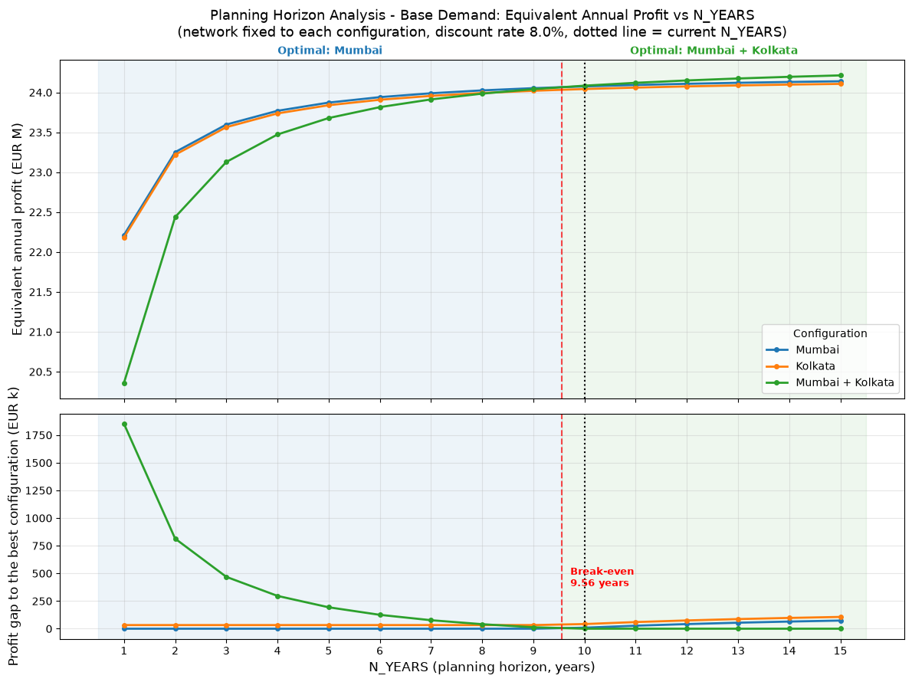
N_YEARS | CAPEX Annualization Factor | Warehouse Annual Cost - Mumbai | Warehouse Annual Cost - Kolkata | Profit - Mumbai | Profit - Kolkata | Profit - Mumbai + Kolkata | Optimal Configuration | Gap Best vs Second Best
1 | 1.0800 | 2,610,000 EUR | 2,610,000 EUR | 22,212,935 EUR | 22,180,108 EUR | 20,360,198 EUR | Mumbai | 32,827 EUR
2 | 0.5608 | 1,571,538 EUR | 1,571,538 EUR | 23,251,396 EUR | 23,218,569 EUR | 22,437,121 EUR | Mumbai | 32,827 EUR
3 | 0.3880 | 1,226,067 EUR | 1,226,067 EUR | 23,596,867 EUR | 23,564,041 EUR | 23,128,064 EUR | Mumbai | 32,827 EUR
4 | 0.3019 | 1,053,842 EUR | 1,053,842 EUR | 23,769,093 EUR | 23,736,266 EUR | 23,472,514 EUR | Mumbai | 32,827 EUR
5 | 0.2505 | 950,913 EUR | 950,913 EUR | 23,872,022 EUR | 23,839,195 EUR | 23,678,372 EUR | Mumbai | 32,827 EUR
6 | 0.2163 | 882,631 EUR | 882,631 EUR | 23,940,304 EUR | 23,907,477 EUR | 23,814,936 EUR | Mumbai | 32,827 EUR
7 | 0.1921 | 834,145 EUR | 834,145 EUR | 23,988,790 EUR | 23,955,963 EUR | 23,911,908 EUR | Mumbai | 32,827 EUR
8 | 0.1740 | 798,030 EUR | 798,030 EUR | 24,024,905 EUR | 23,992,078 EUR | 23,984,139 EUR | Mumbai | 32,827 EUR
9 | 0.1601 | 770,159 EUR | 770,159 EUR | 24,052,775 EUR | 24,019,948 EUR | 24,039,879 EUR | Mumbai | 12,896 EUR
10 | 0.1490 | 748,059 EUR | 748,059 EUR | 24,074,876 EUR | 24,042,049 EUR | 24,084,080 EUR | Mumbai + Kolkata | 9,204 EUR
11 | 0.1401 | 730,153 EUR | 730,153 EUR | 24,092,782 EUR | 24,059,955 EUR | 24,119,892 EUR | Mumbai + Kolkata | 27,111 EUR
12 | 0.1327 | 715,390 EUR | 715,390 EUR | 24,107,544 EUR | 24,074,718 EUR | 24,149,418 EUR | Mumbai + Kolkata | 41,873 EUR
13 | 0.1265 | 703,044 EUR | 703,044 EUR | 24,119,891 EUR | 24,087,064 EUR | 24,174,110 EUR | Mumbai + Kolkata | 54,220 EUR
14 | 0.1213 | 692,594 EUR | 692,594 EUR | 24,130,341 EUR | 24,097,514 EUR | 24,195,010 EUR | Mumbai + Kolkata | 64,669 EUR
15 | 0.1168 | 683,659 EUR | 683,659 EUR | 24,139,275 EUR | 24,106,449 EUR | 24,212,880 EUR | Mumbai + Kolkata | 73,604 EUR

Monte_Carlo
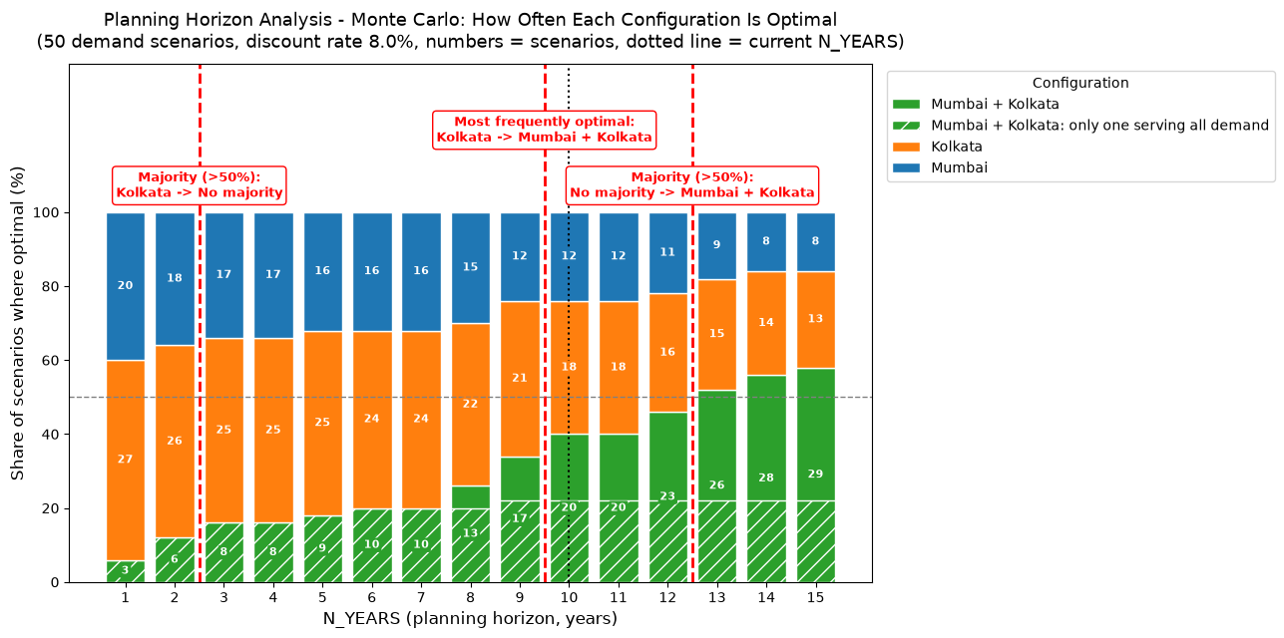
N_YEARS | Feasible Scenarios | N. Scenarios Optimal - Mumbai | N. Scenarios Optimal - Kolkata | N. Scenarios Optimal - Mumbai + Kolkata | Share Optimal - Mumbai | Share Optimal - Kolkata | Share Optimal - Mumbai + Kolkata | Most Frequently Optimal Configuration | Most Frequently Optimal Frequency | Majority Configuration (>50%)
1 | 50 | 20 | 27 | 3 | 40.0% | 54.0% | 6.0% | Kolkata | 27 | Kolkata
2 | 50 | 18 | 26 | 6 | 36.0% | 52.0% | 12.0% | Kolkata | 26 | Kolkata
3 | 50 | 17 | 25 | 8 | 34.0% | 50.0% | 16.0% | Kolkata | 25 | No majority
4 | 50 | 17 | 25 | 8 | 34.0% | 50.0% | 16.0% | Kolkata | 25 | No majority
5 | 50 | 16 | 25 | 9 | 32.0% | 50.0% | 18.0% | Kolkata | 25 | No majority
6 | 50 | 16 | 24 | 10 | 32.0% | 48.0% | 20.0% | Kolkata | 24 | No majority
7 | 50 | 16 | 24 | 10 | 32.0% | 48.0% | 20.0% | Kolkata | 24 | No majority
8 | 50 | 15 | 22 | 13 | 30.0% | 44.0% | 26.0% | Kolkata | 22 | No majority
9 | 50 | 12 | 21 | 17 | 24.0% | 42.0% | 34.0% | Kolkata | 21 | No majority
10 | 50 | 12 | 18 | 20 | 24.0% | 36.0% | 40.0% | Mumbai + Kolkata | 20 | No majority
11 | 50 | 12 | 18 | 20 | 24.0% | 36.0% | 40.0% | Mumbai + Kolkata | 20 | No majority
12 | 50 | 11 | 16 | 23 | 22.0% | 32.0% | 46.0% | Mumbai + Kolkata | 23 | No majority
13 | 50 | 9 | 15 | 26 | 18.0% | 30.0% | 52.0% | Mumbai + Kolkata | 26 | Mumbai + Kolkata
14 | 50 | 8 | 14 | 28 | 16.0% | 28.0% | 56.0% | Mumbai + Kolkata | 28 | Mumbai + Kolkata
15 | 50 | 8 | 13 | 29 | 16.0% | 26.0% | 58.0% | Mumbai + Kolkata | 29 | Mumbai + Kolkata

Expected_Profit
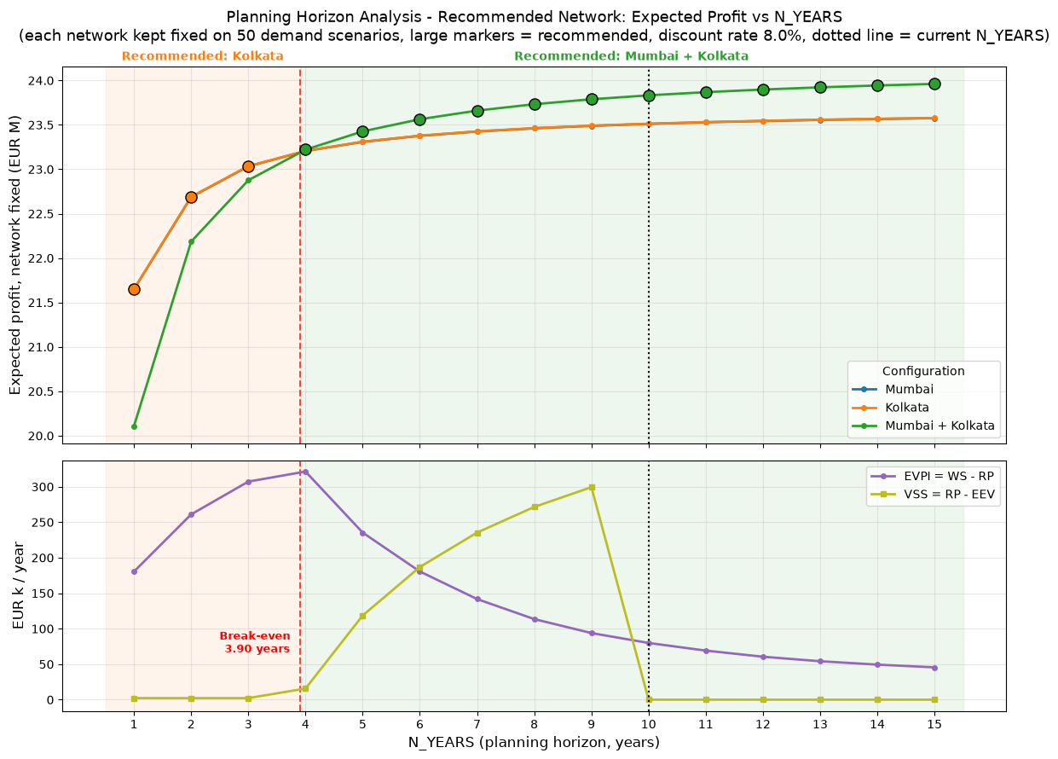
N_YEARS | Expected Profit - Mumbai | Expected Profit - Kolkata | Expected Profit - Mumbai + Kolkata | Recommended Network | Second Best Network | Advantage Over Second Best (EUR/year) | Base-Demand Optimal Configuration | WS (EUR/year) | RP (EUR/year) | EEV (EUR/year) | EVPI = WS - RP (EUR/year) | VSS = RP - EEV (EUR/year)
1 | 21,648,786 EUR | 21,651,044 EUR | 20,108,313 EUR | Kolkata | Mumbai | 2,257 EUR | Mumbai | 21,831,509 EUR | 21,651,044 EUR | 21,648,786 EUR | 180,465 EUR | 2,257 EUR
2 | 22,687,248 EUR | 22,689,505 EUR | 22,185,236 EUR | Kolkata | Mumbai | 2,257 EUR | Mumbai | 22,950,518 EUR | 22,689,505 EUR | 22,687,248 EUR | 261,013 EUR | 2,257 EUR
3 | 23,032,719 EUR | 23,034,977 EUR | 22,876,179 EUR | Kolkata | Mumbai | 2,257 EUR | Mumbai | 23,342,200 EUR | 23,034,977 EUR | 23,032,719 EUR | 307,223 EUR | 2,257 EUR
4 | 23,204,944 EUR | 23,207,202 EUR | 23,220,630 EUR | Mumbai + Kolkata | Kolkata | 13,428 EUR | Mumbai | 23,541,981 EUR | 23,220,630 EUR | 23,204,944 EUR | 321,351 EUR | 15,685 EUR
5 | 23,307,873 EUR | 23,310,131 EUR | 23,426,487 EUR | Mumbai + Kolkata | Kolkata | 116,357 EUR | Mumbai | 23,661,844 EUR | 23,426,487 EUR | 23,307,873 EUR | 235,357 EUR | 118,614 EUR
6 | 23,376,155 EUR | 23,378,413 EUR | 23,563,052 EUR | Mumbai + Kolkata | Kolkata | 184,639 EUR | Mumbai | 23,743,625 EUR | 23,563,052 EUR | 23,376,155 EUR | 180,574 EUR | 186,896 EUR
7 | 23,424,641 EUR | 23,426,899 EUR | 23,660,024 EUR | Mumbai + Kolkata | Kolkata | 233,125 EUR | Mumbai | 23,801,808 EUR | 23,660,024 EUR | 23,424,641 EUR | 141,785 EUR | 235,382 EUR
8 | 23,460,757 EUR | 23,463,014 EUR | 23,732,254 EUR | Mumbai + Kolkata | Kolkata | 269,240 EUR | Mumbai | 23,845,785 EUR | 23,732,254 EUR | 23,460,757 EUR | 113,531 EUR | 271,498 EUR
9 | 23,488,627 EUR | 23,490,884 EUR | 23,787,994 EUR | Mumbai + Kolkata | Kolkata | 297,110 EUR | Mumbai | 23,881,862 EUR | 23,787,994 EUR | 23,488,627 EUR | 93,868 EUR | 299,368 EUR
10 | 23,510,727 EUR | 23,512,985 EUR | 23,832,195 EUR | Mumbai + Kolkata | Kolkata | 319,211 EUR | Mumbai + Kolkata | 23,912,099 EUR | 23,832,195 EUR | 23,832,195 EUR | 79,903 EUR | 0 EUR
11 | 23,528,633 EUR | 23,530,891 EUR | 23,868,008 EUR | Mumbai + Kolkata | Kolkata | 337,117 EUR | Mumbai + Kolkata | 23,937,167 EUR | 23,868,008 EUR | 23,868,008 EUR | 69,160 EUR | 0 EUR
12 | 23,543,396 EUR | 23,545,654 EUR | 23,897,533 EUR | Mumbai + Kolkata | Kolkata | 351,880 EUR | Mumbai + Kolkata | 23,958,059 EUR | 23,897,533 EUR | 23,897,533 EUR | 60,526 EUR | 0 EUR
13 | 23,555,742 EUR | 23,558,000 EUR | 23,922,226 EUR | Mumbai + Kolkata | Kolkata | 364,226 EUR | Mumbai + Kolkata | 23,976,402 EUR | 23,922,226 EUR | 23,922,226 EUR | 54,177 EUR | 0 EUR
14 | 23,566,192 EUR | 23,568,450 EUR | 23,943,126 EUR | Mumbai + Kolkata | Kolkata | 374,676 EUR | Mumbai + Kolkata | 23,992,532 EUR | 23,943,126 EUR | 23,943,126 EUR | 49,406 EUR | 0 EUR
15 | 23,575,127 EUR | 23,577,384 EUR | 23,960,995 EUR | Mumbai + Kolkata | Kolkata | 383,610 EUR | Mumbai + Kolkata | 24,006,554 EUR | 23,960,995 EUR | 23,960,995 EUR | 45,559 EUR | 0 EUR

