S01
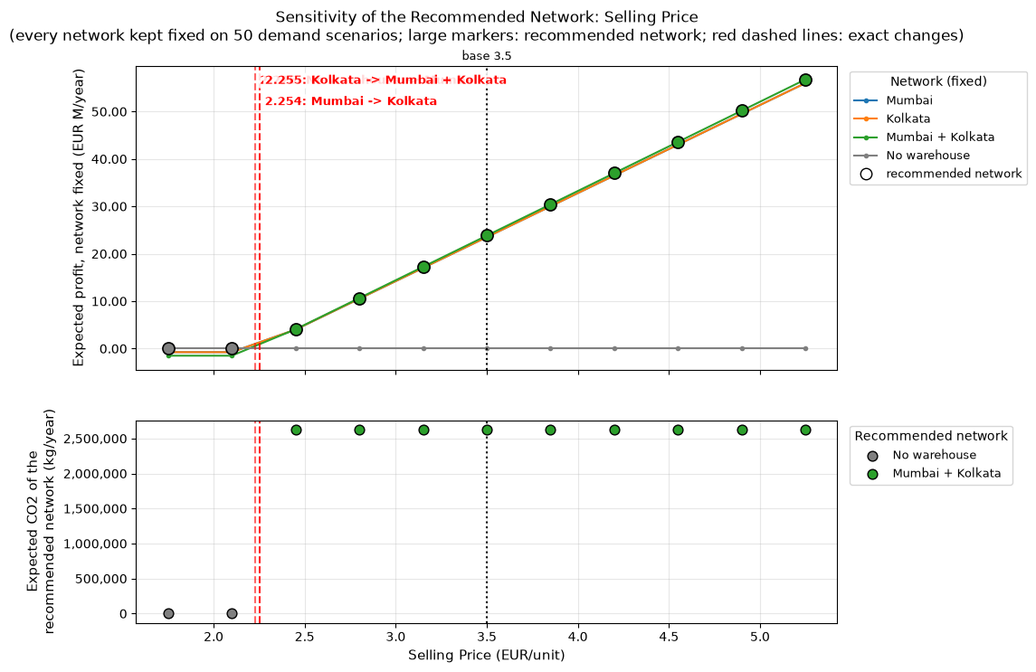
Selling Price (EUR/unit) | Change vs Base (%) | Expected Profit - No warehouse | Expected Profit - Mumbai | Expected Profit - Kolkata | Expected Profit - Mumbai + Kolkata | Recommended Network | Second Best Network | Advantage Over Second Best (EUR/year) | Expected Profit Change vs Base (%) | Expected CO2 (kg/year) | Expected CO2 Change vs Base (%)
1.7500 EUR/unit | -50.00% | 0 EUR | -748,059 EUR | -748,059 EUR | -1,496,118 EUR | No warehouse | Mumbai | 748,059 EUR | -100.00% | 0 kg | -100.00%
2.1000 EUR/unit | -40.00% | 0 EUR | -743,607 EUR | -755,457 EUR | -1,499,064 EUR | No warehouse | Mumbai | 743,607 EUR | -100.00% | 0 kg | -100.00%
2.4500 EUR/unit | -30.00% | 0 EUR | 4,009,071 EUR | 4,011,329 EUR | 4,068,032 EUR | Mumbai + Kolkata | Kolkata | 56,703 EUR | -82.93% | 2,630,120 kg | 0.00%
2.8000 EUR/unit | -20.00% | 0 EUR | 10,509,623 EUR | 10,511,881 EUR | 10,656,086 EUR | Mumbai + Kolkata | Kolkata | 144,206 EUR | -55.29% | 2,630,120 kg | 0.00%
3.1500 EUR/unit | -10.00% | 0 EUR | 17,010,175 EUR | 17,012,433 EUR | 17,244,141 EUR | Mumbai + Kolkata | Kolkata | 231,708 EUR | -27.64% | 2,630,120 kg | 0.00%
3.5000 EUR/unit | 0.00% | 0 EUR | 23,510,727 EUR | 23,512,985 EUR | 23,832,195 EUR | Mumbai + Kolkata | Kolkata | 319,211 EUR | 0.00% | 2,630,120 kg | 0.00%
3.8500 EUR/unit | 10.00% | 0 EUR | 30,011,279 EUR | 30,013,537 EUR | 30,420,250 EUR | Mumbai + Kolkata | Kolkata | 406,713 EUR | 27.64% | 2,630,120 kg | 0.00%
4.2000 EUR/unit | 20.00% | 0 EUR | 36,511,831 EUR | 36,514,089 EUR | 37,008,304 EUR | Mumbai + Kolkata | Kolkata | 494,216 EUR | 55.29% | 2,630,120 kg | 0.00%
4.5500 EUR/unit | 30.00% | 0 EUR | 43,012,383 EUR | 43,014,641 EUR | 43,596,359 EUR | Mumbai + Kolkata | Kolkata | 581,718 EUR | 82.93% | 2,630,120 kg | 0.00%
4.9000 EUR/unit | 40.00% | 0 EUR | 49,512,935 EUR | 49,515,193 EUR | 50,184,413 EUR | Mumbai + Kolkata | Kolkata | 669,221 EUR | 110.57% | 2,630,120 kg | 0.00%
5.2500 EUR/unit | 50.00% | 0 EUR | 56,013,487 EUR | 56,015,745 EUR | 56,772,468 EUR | Mumbai + Kolkata | Kolkata | 756,723 EUR | 138.22% | 2,630,120 kg | 0.00%

S02
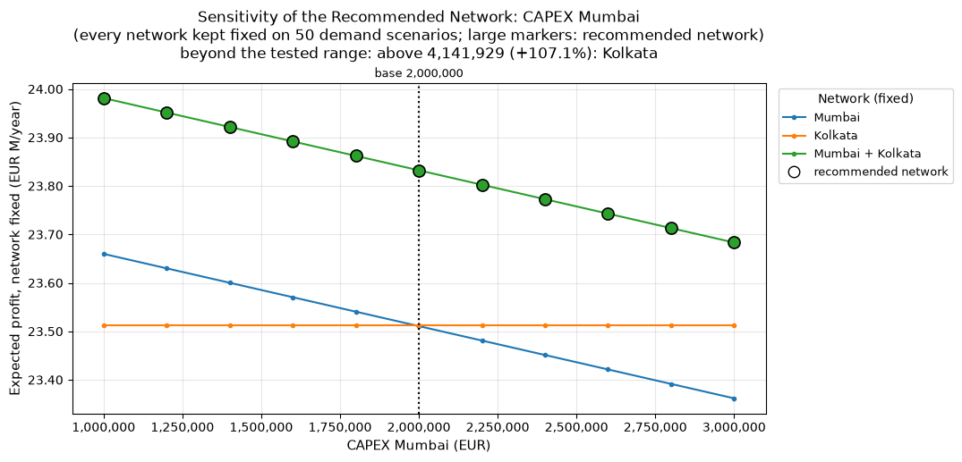
CAPEX Mumbai (EUR) | Change vs Base (%) | Expected Profit - No warehouse | Expected Profit - Mumbai | Expected Profit - Kolkata | Expected Profit - Mumbai + Kolkata | Recommended Network | Second Best Network | Advantage Over Second Best (EUR/year) | Expected Profit Change vs Base (%) | Expected CO2 (kg/year) | Expected CO2 Change vs Base (%)
1,000,000 EUR | -50.00% | 0 EUR | 23,659,757 EUR | 23,512,985 EUR | 23,981,225 EUR | Mumbai + Kolkata | Mumbai | 321,468 EUR | 0.63% | 2,630,120 kg | 0.00%
1,200,000 EUR | -40.00% | 0 EUR | 23,629,951 EUR | 23,512,985 EUR | 23,951,419 EUR | Mumbai + Kolkata | Mumbai | 321,468 EUR | 0.50% | 2,630,120 kg | 0.00%
1,400,000 EUR | -30.00% | 0 EUR | 23,600,145 EUR | 23,512,985 EUR | 23,921,613 EUR | Mumbai + Kolkata | Mumbai | 321,468 EUR | 0.38% | 2,630,120 kg | 0.00%
1,600,000 EUR | -20.00% | 0 EUR | 23,570,339 EUR | 23,512,985 EUR | 23,891,807 EUR | Mumbai + Kolkata | Mumbai | 321,468 EUR | 0.25% | 2,630,120 kg | 0.00%
1,800,000 EUR | -10.00% | 0 EUR | 23,540,533 EUR | 23,512,985 EUR | 23,862,001 EUR | Mumbai + Kolkata | Mumbai | 321,468 EUR | 0.13% | 2,630,120 kg | 0.00%
2,000,000 EUR | 0.00% | 0 EUR | 23,510,727 EUR | 23,512,985 EUR | 23,832,195 EUR | Mumbai + Kolkata | Kolkata | 319,211 EUR | 0.00% | 2,630,120 kg | 0.00%
2,200,000 EUR | 10.00% | 0 EUR | 23,480,921 EUR | 23,512,985 EUR | 23,802,389 EUR | Mumbai + Kolkata | Kolkata | 289,405 EUR | -0.13% | 2,630,120 kg | 0.00%
2,400,000 EUR | 20.00% | 0 EUR | 23,451,115 EUR | 23,512,985 EUR | 23,772,583 EUR | Mumbai + Kolkata | Kolkata | 259,599 EUR | -0.25% | 2,630,120 kg | 0.00%
2,600,000 EUR | 30.00% | 0 EUR | 23,421,309 EUR | 23,512,985 EUR | 23,742,778 EUR | Mumbai + Kolkata | Kolkata | 229,793 EUR | -0.38% | 2,630,120 kg | 0.00%
2,800,000 EUR | 40.00% | 0 EUR | 23,391,504 EUR | 23,512,985 EUR | 23,712,972 EUR | Mumbai + Kolkata | Kolkata | 199,987 EUR | -0.50% | 2,630,120 kg | 0.00%
3,000,000 EUR | 50.00% | 0 EUR | 23,361,698 EUR | 23,512,985 EUR | 23,683,166 EUR | Mumbai + Kolkata | Kolkata | 170,181 EUR | -0.63% | 2,630,120 kg | 0.00%

S03
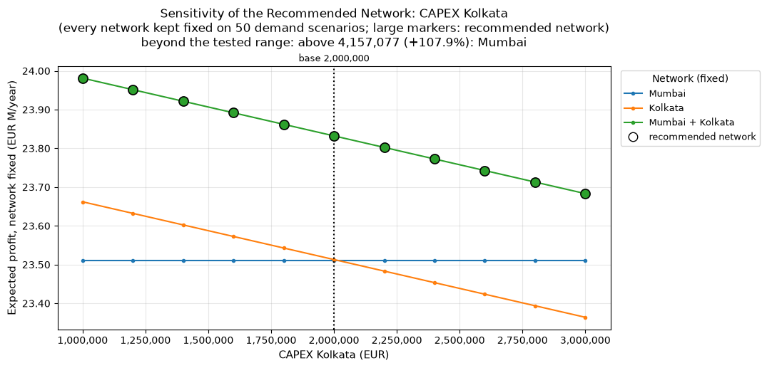
CAPEX Kolkata (EUR) | Change vs Base (%) | Expected Profit - No warehouse | Expected Profit - Mumbai | Expected Profit - Kolkata | Expected Profit - Mumbai + Kolkata | Recommended Network | Second Best Network | Advantage Over Second Best (EUR/year) | Expected Profit Change vs Base (%) | Expected CO2 (kg/year) | Expected CO2 Change vs Base (%)
1,000,000 EUR | -50.00% | 0 EUR | 23,510,727 EUR | 23,662,014 EUR | 23,981,225 EUR | Mumbai + Kolkata | Kolkata | 319,211 EUR | 0.63% | 2,630,120 kg | 0.00%
1,200,000 EUR | -40.00% | 0 EUR | 23,510,727 EUR | 23,632,208 EUR | 23,951,419 EUR | Mumbai + Kolkata | Kolkata | 319,211 EUR | 0.50% | 2,630,120 kg | 0.00%
1,400,000 EUR | -30.00% | 0 EUR | 23,510,727 EUR | 23,602,402 EUR | 23,921,613 EUR | Mumbai + Kolkata | Kolkata | 319,211 EUR | 0.38% | 2,630,120 kg | 0.00%
1,600,000 EUR | -20.00% | 0 EUR | 23,510,727 EUR | 23,572,596 EUR | 23,891,807 EUR | Mumbai + Kolkata | Kolkata | 319,211 EUR | 0.25% | 2,630,120 kg | 0.00%
1,800,000 EUR | -10.00% | 0 EUR | 23,510,727 EUR | 23,542,790 EUR | 23,862,001 EUR | Mumbai + Kolkata | Kolkata | 319,211 EUR | 0.13% | 2,630,120 kg | 0.00%
2,000,000 EUR | 0.00% | 0 EUR | 23,510,727 EUR | 23,512,985 EUR | 23,832,195 EUR | Mumbai + Kolkata | Kolkata | 319,211 EUR | 0.00% | 2,630,120 kg | 0.00%
2,200,000 EUR | 10.00% | 0 EUR | 23,510,727 EUR | 23,483,179 EUR | 23,802,389 EUR | Mumbai + Kolkata | Mumbai | 291,662 EUR | -0.13% | 2,630,120 kg | 0.00%
2,400,000 EUR | 20.00% | 0 EUR | 23,510,727 EUR | 23,453,373 EUR | 23,772,583 EUR | Mumbai + Kolkata | Mumbai | 261,856 EUR | -0.25% | 2,630,120 kg | 0.00%
2,600,000 EUR | 30.00% | 0 EUR | 23,510,727 EUR | 23,423,567 EUR | 23,742,778 EUR | Mumbai + Kolkata | Mumbai | 232,050 EUR | -0.38% | 2,630,120 kg | 0.00%
2,800,000 EUR | 40.00% | 0 EUR | 23,510,727 EUR | 23,393,761 EUR | 23,712,972 EUR | Mumbai + Kolkata | Mumbai | 202,244 EUR | -0.50% | 2,630,120 kg | 0.00%
3,000,000 EUR | 50.00% | 0 EUR | 23,510,727 EUR | 23,363,955 EUR | 23,683,166 EUR | Mumbai + Kolkata | Mumbai | 172,439 EUR | -0.63% | 2,630,120 kg | 0.00%

S04
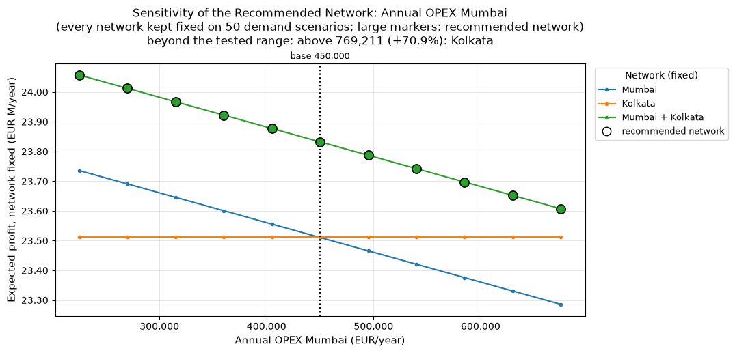
Annual OPEX Mumbai (EUR/year) | Change vs Base (%) | Expected Profit - No warehouse | Expected Profit - Mumbai | Expected Profit - Kolkata | Expected Profit - Mumbai + Kolkata | Recommended Network | Second Best Network | Advantage Over Second Best (EUR/year) | Expected Profit Change vs Base (%) | Expected CO2 (kg/year) | Expected CO2 Change vs Base (%)
225,000 EUR/year | -50.00% | 0 EUR | 23,735,727 EUR | 23,512,985 EUR | 24,057,195 EUR | Mumbai + Kolkata | Mumbai | 321,468 EUR | 0.94% | 2,630,120 kg | 0.00%
270,000 EUR/year | -40.00% | 0 EUR | 23,690,727 EUR | 23,512,985 EUR | 24,012,195 EUR | Mumbai + Kolkata | Mumbai | 321,468 EUR | 0.76% | 2,630,120 kg | 0.00%
315,000 EUR/year | -30.00% | 0 EUR | 23,645,727 EUR | 23,512,985 EUR | 23,967,195 EUR | Mumbai + Kolkata | Mumbai | 321,468 EUR | 0.57% | 2,630,120 kg | 0.00%
360,000 EUR/year | -20.00% | 0 EUR | 23,600,727 EUR | 23,512,985 EUR | 23,922,195 EUR | Mumbai + Kolkata | Mumbai | 321,468 EUR | 0.38% | 2,630,120 kg | 0.00%
405,000 EUR/year | -10.00% | 0 EUR | 23,555,727 EUR | 23,512,985 EUR | 23,877,195 EUR | Mumbai + Kolkata | Mumbai | 321,468 EUR | 0.19% | 2,630,120 kg | 0.00%
450,000 EUR/year | 0.00% | 0 EUR | 23,510,727 EUR | 23,512,985 EUR | 23,832,195 EUR | Mumbai + Kolkata | Kolkata | 319,211 EUR | 0.00% | 2,630,120 kg | 0.00%
495,000 EUR/year | 10.00% | 0 EUR | 23,465,727 EUR | 23,512,985 EUR | 23,787,195 EUR | Mumbai + Kolkata | Kolkata | 274,211 EUR | -0.19% | 2,630,120 kg | 0.00%
540,000 EUR/year | 20.00% | 0 EUR | 23,420,727 EUR | 23,512,985 EUR | 23,742,195 EUR | Mumbai + Kolkata | Kolkata | 229,211 EUR | -0.38% | 2,630,120 kg | 0.00%
585,000 EUR/year | 30.00% | 0 EUR | 23,375,727 EUR | 23,512,985 EUR | 23,697,195 EUR | Mumbai + Kolkata | Kolkata | 184,211 EUR | -0.57% | 2,630,120 kg | 0.00%
630,000 EUR/year | 40.00% | 0 EUR | 23,330,727 EUR | 23,512,985 EUR | 23,652,195 EUR | Mumbai + Kolkata | Kolkata | 139,211 EUR | -0.76% | 2,630,120 kg | 0.00%
675,000 EUR/year | 50.00% | 0 EUR | 23,285,727 EUR | 23,512,985 EUR | 23,607,195 EUR | Mumbai + Kolkata | Kolkata | 94,211 EUR | -0.94% | 2,630,120 kg | 0.00%

S05
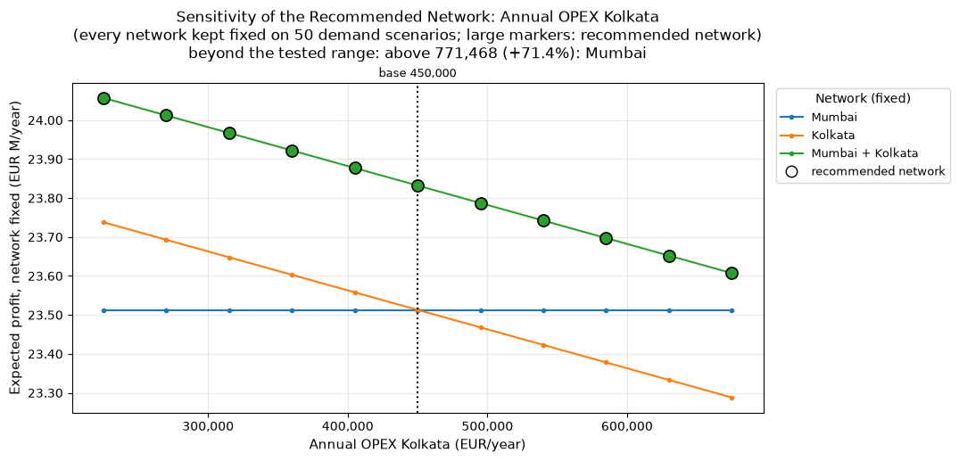
Annual OPEX Kolkata (EUR/year) | Change vs Base (%) | Expected Profit - No warehouse | Expected Profit - Mumbai | Expected Profit - Kolkata | Expected Profit - Mumbai + Kolkata | Recommended Network | Second Best Network | Advantage Over Second Best (EUR/year) | Expected Profit Change vs Base (%) | Expected CO2 (kg/year) | Expected CO2 Change vs Base (%)
225,000 EUR/year | -50.00% | 0 EUR | 23,510,727 EUR | 23,737,985 EUR | 24,057,195 EUR | Mumbai + Kolkata | Kolkata | 319,211 EUR | 0.94% | 2,630,120 kg | 0.00%
270,000 EUR/year | -40.00% | 0 EUR | 23,510,727 EUR | 23,692,985 EUR | 24,012,195 EUR | Mumbai + Kolkata | Kolkata | 319,211 EUR | 0.76% | 2,630,120 kg | 0.00%
315,000 EUR/year | -30.00% | 0 EUR | 23,510,727 EUR | 23,647,985 EUR | 23,967,195 EUR | Mumbai + Kolkata | Kolkata | 319,211 EUR | 0.57% | 2,630,120 kg | 0.00%
360,000 EUR/year | -20.00% | 0 EUR | 23,510,727 EUR | 23,602,985 EUR | 23,922,195 EUR | Mumbai + Kolkata | Kolkata | 319,211 EUR | 0.38% | 2,630,120 kg | 0.00%
405,000 EUR/year | -10.00% | 0 EUR | 23,510,727 EUR | 23,557,985 EUR | 23,877,195 EUR | Mumbai + Kolkata | Kolkata | 319,211 EUR | 0.19% | 2,630,120 kg | 0.00%
450,000 EUR/year | 0.00% | 0 EUR | 23,510,727 EUR | 23,512,985 EUR | 23,832,195 EUR | Mumbai + Kolkata | Kolkata | 319,211 EUR | 0.00% | 2,630,120 kg | 0.00%
495,000 EUR/year | 10.00% | 0 EUR | 23,510,727 EUR | 23,467,985 EUR | 23,787,195 EUR | Mumbai + Kolkata | Mumbai | 276,468 EUR | -0.19% | 2,630,120 kg | 0.00%
540,000 EUR/year | 20.00% | 0 EUR | 23,510,727 EUR | 23,422,985 EUR | 23,742,195 EUR | Mumbai + Kolkata | Mumbai | 231,468 EUR | -0.38% | 2,630,120 kg | 0.00%
585,000 EUR/year | 30.00% | 0 EUR | 23,510,727 EUR | 23,377,985 EUR | 23,697,195 EUR | Mumbai + Kolkata | Mumbai | 186,468 EUR | -0.57% | 2,630,120 kg | 0.00%
630,000 EUR/year | 40.00% | 0 EUR | 23,510,727 EUR | 23,332,985 EUR | 23,652,195 EUR | Mumbai + Kolkata | Mumbai | 141,468 EUR | -0.76% | 2,630,120 kg | 0.00%
675,000 EUR/year | 50.00% | 0 EUR | 23,510,727 EUR | 23,287,985 EUR | 23,607,195 EUR | Mumbai + Kolkata | Mumbai | 96,468 EUR | -0.94% | 2,630,120 kg | 0.00%

S06
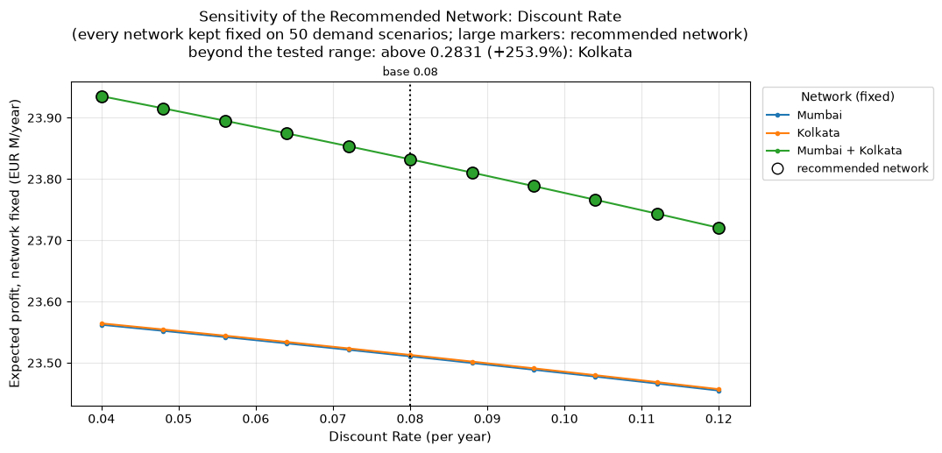
Discount Rate (per year) | Change vs Base (%) | Expected Profit - No warehouse | Expected Profit - Mumbai | Expected Profit - Kolkata | Expected Profit - Mumbai + Kolkata | Recommended Network | Second Best Network | Advantage Over Second Best (EUR/year) | Expected Profit Change vs Base (%) | Expected CO2 (kg/year) | Expected CO2 Change vs Base (%)
4.00% | -50.00% | 0 EUR | 23,562,204 EUR | 23,564,462 EUR | 23,935,149 EUR | Mumbai + Kolkata | Kolkata | 370,688 EUR | 0.43% | 2,630,120 kg | 0.00%
4.80% | -40.00% | 0 EUR | 23,552,287 EUR | 23,554,544 EUR | 23,915,314 EUR | Mumbai + Kolkata | Kolkata | 360,770 EUR | 0.35% | 2,630,120 kg | 0.00%
5.60% | -30.00% | 0 EUR | 23,542,176 EUR | 23,544,434 EUR | 23,895,094 EUR | Mumbai + Kolkata | Kolkata | 350,660 EUR | 0.26% | 2,630,120 kg | 0.00%
6.40% | -20.00% | 0 EUR | 23,531,877 EUR | 23,534,135 EUR | 23,874,495 EUR | Mumbai + Kolkata | Kolkata | 340,361 EUR | 0.18% | 2,630,120 kg | 0.00%
7.20% | -10.00% | 0 EUR | 23,521,393 EUR | 23,523,650 EUR | 23,853,527 EUR | Mumbai + Kolkata | Kolkata | 329,876 EUR | 0.09% | 2,630,120 kg | 0.00%
8.00% | 0.00% | 0 EUR | 23,510,727 EUR | 23,512,985 EUR | 23,832,195 EUR | Mumbai + Kolkata | Kolkata | 319,211 EUR | 0.00% | 2,630,120 kg | 0.00%
8.80% | 10.00% | 0 EUR | 23,499,884 EUR | 23,502,141 EUR | 23,810,509 EUR | Mumbai + Kolkata | Kolkata | 308,367 EUR | -0.09% | 2,630,120 kg | 0.00%
9.60% | 20.00% | 0 EUR | 23,488,867 EUR | 23,491,125 EUR | 23,788,476 EUR | Mumbai + Kolkata | Kolkata | 297,351 EUR | -0.18% | 2,630,120 kg | 0.00%
10.40% | 30.00% | 0 EUR | 23,477,681 EUR | 23,479,939 EUR | 23,766,104 EUR | Mumbai + Kolkata | Kolkata | 286,165 EUR | -0.28% | 2,630,120 kg | 0.00%
11.20% | 40.00% | 0 EUR | 23,466,330 EUR | 23,468,588 EUR | 23,743,401 EUR | Mumbai + Kolkata | Kolkata | 274,814 EUR | -0.37% | 2,630,120 kg | 0.00%
12.00% | 50.00% | 0 EUR | 23,454,818 EUR | 23,457,075 EUR | 23,720,376 EUR | Mumbai + Kolkata | Kolkata | 263,301 EUR | -0.47% | 2,630,120 kg | 0.00%

S07
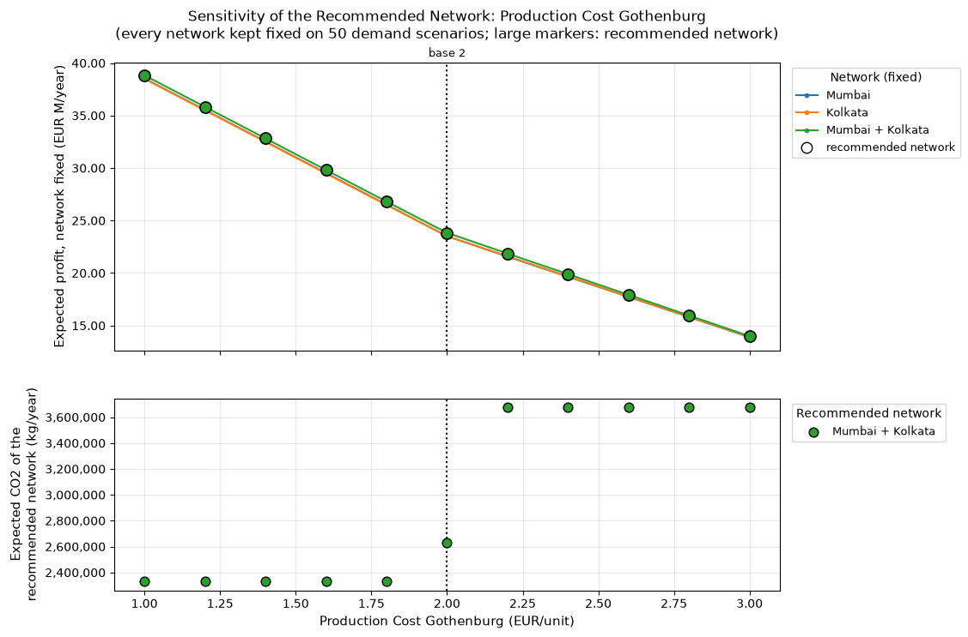
Production Cost Gothenburg (EUR/unit) | Change vs Base (%) | Expected Profit - No warehouse | Expected Profit - Mumbai | Expected Profit - Kolkata | Expected Profit - Mumbai + Kolkata | Recommended Network | Second Best Network | Advantage Over Second Best (EUR/year) | Expected Profit Change vs Base (%) | Expected CO2 (kg/year) | Expected CO2 Change vs Base (%)
1.0000 EUR/unit | -50.00% | 0 EUR | 38,527,827 EUR | 38,496,128 EUR | 38,830,597 EUR | Mumbai + Kolkata | Mumbai | 302,770 EUR | 62.93% | 2,329,407 kg | -11.43%
1.2000 EUR/unit | -40.00% | 0 EUR | 35,524,407 EUR | 35,492,708 EUR | 35,824,780 EUR | Mumbai + Kolkata | Mumbai | 300,373 EUR | 50.32% | 2,329,407 kg | -11.43%
1.4000 EUR/unit | -30.00% | 0 EUR | 32,520,987 EUR | 32,489,288 EUR | 32,818,962 EUR | Mumbai + Kolkata | Mumbai | 297,975 EUR | 37.71% | 2,329,407 kg | -11.43%
1.6000 EUR/unit | -20.00% | 0 EUR | 29,517,567 EUR | 29,485,868 EUR | 29,813,145 EUR | Mumbai + Kolkata | Mumbai | 295,578 EUR | 25.10% | 2,329,407 kg | -11.43%
1.8000 EUR/unit | -10.00% | 0 EUR | 26,514,147 EUR | 26,482,448 EUR | 26,807,327 EUR | Mumbai + Kolkata | Mumbai | 293,180 EUR | 12.48% | 2,329,407 kg | -11.43%
2.0000 EUR/unit | 0.00% | 0 EUR | 23,510,727 EUR | 23,512,985 EUR | 23,832,195 EUR | Mumbai + Kolkata | Kolkata | 319,211 EUR | 0.00% | 2,630,120 kg | 0.00%
2.2000 EUR/unit | 10.00% | 0 EUR | 21,566,144 EUR | 21,594,963 EUR | 21,860,074 EUR | Mumbai + Kolkata | Kolkata | 265,111 EUR | -8.28% | 3,678,481 kg | 39.86%
2.4000 EUR/unit | 20.00% | 0 EUR | 19,648,123 EUR | 19,676,942 EUR | 19,892,052 EUR | Mumbai + Kolkata | Kolkata | 215,109 EUR | -16.53% | 3,678,481 kg | 39.86%
2.6000 EUR/unit | 30.00% | 0 EUR | 17,730,101 EUR | 17,758,921 EUR | 17,924,029 EUR | Mumbai + Kolkata | Kolkata | 165,108 EUR | -24.79% | 3,678,481 kg | 39.86%
2.8000 EUR/unit | 40.00% | 0 EUR | 15,812,080 EUR | 15,840,900 EUR | 15,956,007 EUR | Mumbai + Kolkata | Kolkata | 115,107 EUR | -33.05% | 3,678,481 kg | 39.86%
3.0000 EUR/unit | 50.00% | 0 EUR | 13,894,059 EUR | 13,922,879 EUR | 13,987,984 EUR | Mumbai + Kolkata | Kolkata | 65,105 EUR | -41.31% | 3,678,481 kg | 39.86%

S08
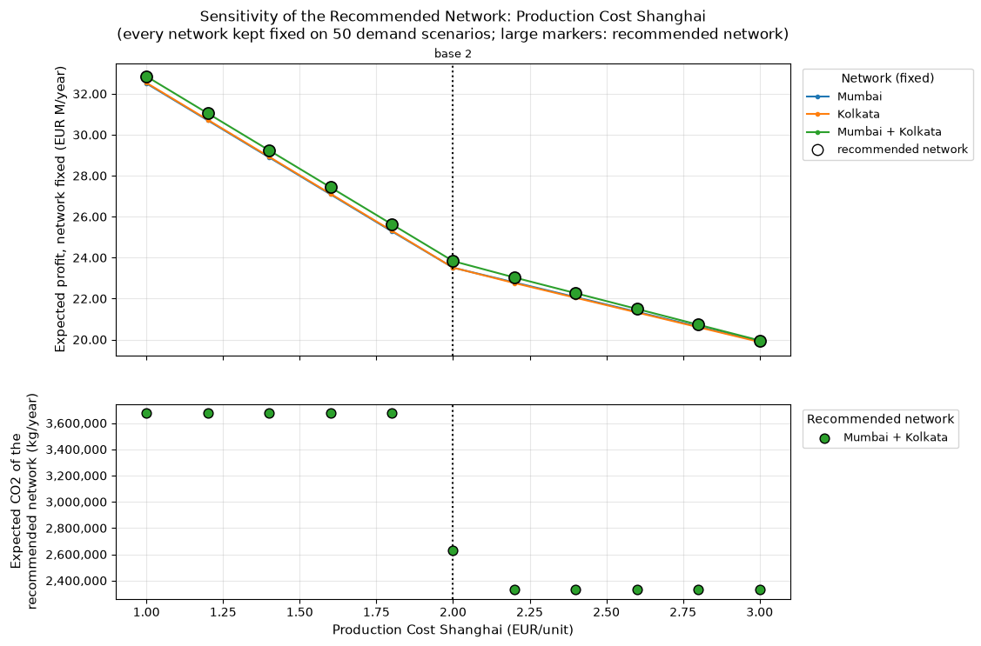
Production Cost Shanghai (EUR/unit) | Change vs Base (%) | Expected Profit - No warehouse | Expected Profit - Mumbai | Expected Profit - Kolkata | Expected Profit - Mumbai + Kolkata | Recommended Network | Second Best Network | Advantage Over Second Best (EUR/year) | Expected Profit Change vs Base (%) | Expected CO2 (kg/year) | Expected CO2 Change vs Base (%)
1.0000 EUR/unit | -50.00% | 0 EUR | 32,506,665 EUR | 32,535,485 EUR | 32,850,597 EUR | Mumbai + Kolkata | Kolkata | 315,112 EUR | 37.84% | 3,678,481 kg | 39.86%
1.2000 EUR/unit | -40.00% | 0 EUR | 30,702,165 EUR | 30,730,985 EUR | 31,046,097 EUR | Mumbai + Kolkata | Kolkata | 315,112 EUR | 30.27% | 3,678,481 kg | 39.86%
1.4000 EUR/unit | -30.00% | 0 EUR | 28,897,665 EUR | 28,926,485 EUR | 29,241,597 EUR | Mumbai + Kolkata | Kolkata | 315,112 EUR | 22.70% | 3,678,481 kg | 39.86%
1.6000 EUR/unit | -20.00% | 0 EUR | 27,093,165 EUR | 27,121,985 EUR | 27,437,097 EUR | Mumbai + Kolkata | Kolkata | 315,112 EUR | 15.13% | 3,678,481 kg | 39.86%
1.8000 EUR/unit | -10.00% | 0 EUR | 25,288,665 EUR | 25,317,485 EUR | 25,632,597 EUR | Mumbai + Kolkata | Kolkata | 315,112 EUR | 7.55% | 3,678,481 kg | 39.86%
2.0000 EUR/unit | 0.00% | 0 EUR | 23,510,727 EUR | 23,512,985 EUR | 23,832,195 EUR | Mumbai + Kolkata | Kolkata | 319,211 EUR | 0.00% | 2,630,120 kg | 0.00%
2.2000 EUR/unit | 10.00% | 0 EUR | 22,791,704 EUR | 22,760,005 EUR | 23,032,485 EUR | Mumbai + Kolkata | Mumbai | 240,781 EUR | -3.36% | 2,329,407 kg | -11.43%
2.4000 EUR/unit | 20.00% | 0 EUR | 22,072,681 EUR | 22,040,982 EUR | 22,263,461 EUR | Mumbai + Kolkata | Mumbai | 190,780 EUR | -6.58% | 2,329,407 kg | -11.43%
2.6000 EUR/unit | 30.00% | 0 EUR | 21,353,658 EUR | 21,321,959 EUR | 21,494,437 EUR | Mumbai + Kolkata | Mumbai | 140,778 EUR | -9.81% | 2,329,407 kg | -11.43%
2.8000 EUR/unit | 40.00% | 0 EUR | 20,634,636 EUR | 20,602,936 EUR | 20,725,412 EUR | Mumbai + Kolkata | Mumbai | 90,777 EUR | -13.04% | 2,329,407 kg | -11.43%
3.0000 EUR/unit | 50.00% | 0 EUR | 19,915,613 EUR | 19,883,914 EUR | 19,956,388 EUR | Mumbai + Kolkata | Mumbai | 40,775 EUR | -16.26% | 2,329,407 kg | -11.43%

S09
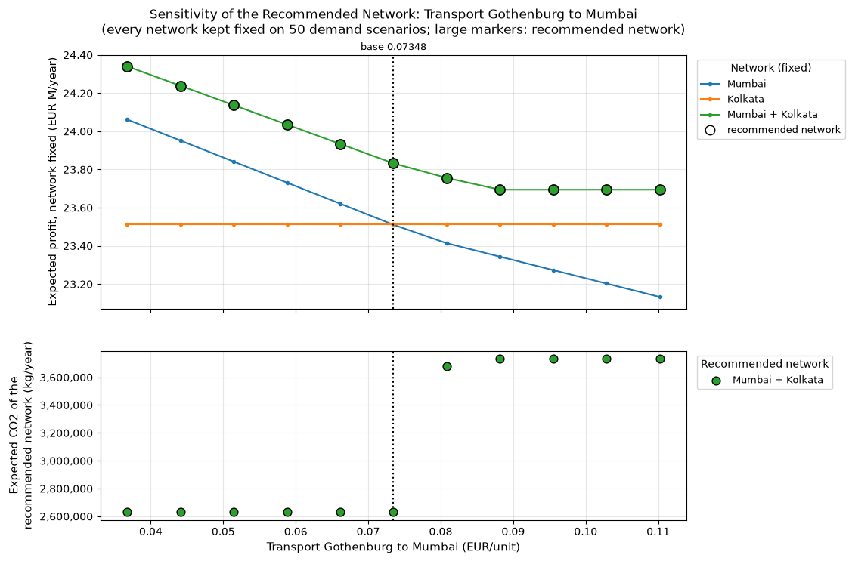
Transport Gothenburg to Mumbai (EUR/unit) | Change vs Base (%) | Expected Profit - No warehouse | Expected Profit - Mumbai | Expected Profit - Kolkata | Expected Profit - Mumbai + Kolkata | Recommended Network | Second Best Network | Advantage Over Second Best (EUR/year) | Expected Profit Change vs Base (%) | Expected CO2 (kg/year) | Expected CO2 Change vs Base (%)
0.0367 EUR/unit | -50.00% | 0 EUR | 24,061,801 EUR | 23,512,985 EUR | 24,340,266 EUR | Mumbai + Kolkata | Mumbai | 278,465 EUR | 2.13% | 2,630,120 kg | 0.00%
0.0441 EUR/unit | -40.00% | 0 EUR | 23,951,587 EUR | 23,512,985 EUR | 24,238,652 EUR | Mumbai + Kolkata | Mumbai | 287,065 EUR | 1.71% | 2,630,120 kg | 0.00%
0.0514 EUR/unit | -30.00% | 0 EUR | 23,841,372 EUR | 23,512,985 EUR | 24,137,038 EUR | Mumbai + Kolkata | Mumbai | 295,666 EUR | 1.28% | 2,630,120 kg | 0.00%
0.0588 EUR/unit | -20.00% | 0 EUR | 23,731,157 EUR | 23,512,985 EUR | 24,035,424 EUR | Mumbai + Kolkata | Mumbai | 304,267 EUR | 0.85% | 2,630,120 kg | 0.00%
0.0661 EUR/unit | -10.00% | 0 EUR | 23,620,942 EUR | 23,512,985 EUR | 23,933,809 EUR | Mumbai + Kolkata | Mumbai | 312,867 EUR | 0.43% | 2,630,120 kg | 0.00%
0.0735 EUR/unit | 0.00% | 0 EUR | 23,510,727 EUR | 23,512,985 EUR | 23,832,195 EUR | Mumbai + Kolkata | Kolkata | 319,211 EUR | 0.00% | 2,630,120 kg | 0.00%
0.0808 EUR/unit | 10.00% | 0 EUR | 23,413,826 EUR | 23,512,985 EUR | 23,755,921 EUR | Mumbai + Kolkata | Kolkata | 242,936 EUR | -0.32% | 3,678,481 kg | 39.86%
0.0882 EUR/unit | 20.00% | 0 EUR | 23,343,487 EUR | 23,512,985 EUR | 23,694,153 EUR | Mumbai + Kolkata | Kolkata | 181,168 EUR | -0.58% | 3,735,053 kg | 42.01%
0.0955 EUR/unit | 30.00% | 0 EUR | 23,273,147 EUR | 23,512,985 EUR | 23,694,153 EUR | Mumbai + Kolkata | Kolkata | 181,168 EUR | -0.58% | 3,735,053 kg | 42.01%
0.1029 EUR/unit | 40.00% | 0 EUR | 23,202,808 EUR | 23,512,985 EUR | 23,694,153 EUR | Mumbai + Kolkata | Kolkata | 181,168 EUR | -0.58% | 3,735,053 kg | 42.01%
0.1102 EUR/unit | 50.00% | 0 EUR | 23,132,469 EUR | 23,512,985 EUR | 23,694,153 EUR | Mumbai + Kolkata | Kolkata | 181,168 EUR | -0.58% | 3,735,053 kg | 42.01%

S10
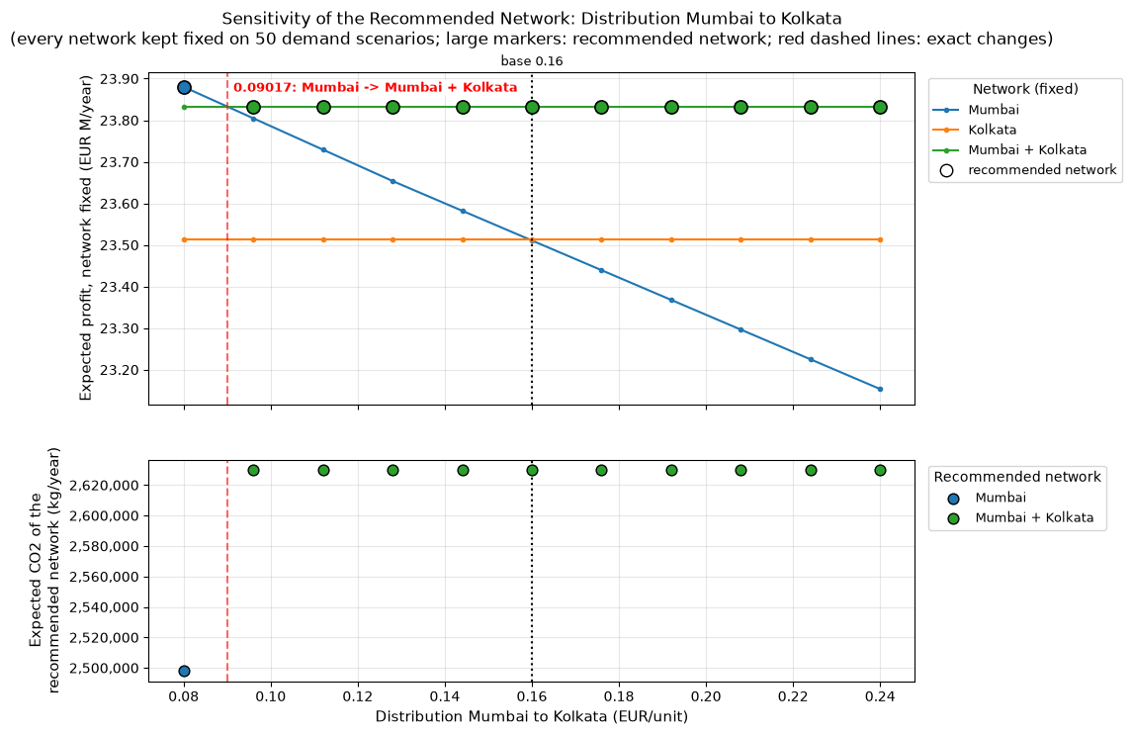
Distribution Mumbai to Kolkata (EUR/unit) | Change vs Base (%) | Expected Profit - No warehouse | Expected Profit - Mumbai | Expected Profit - Kolkata | Expected Profit - Mumbai + Kolkata | Recommended Network | Second Best Network | Advantage Over Second Best (EUR/year) | Expected Profit Change vs Base (%) | Expected CO2 (kg/year) | Expected CO2 Change vs Base (%)
0.0800 EUR/unit | -50.00% | 0 EUR | 23,880,159 EUR | 23,512,985 EUR | 23,832,195 EUR | Mumbai | Mumbai + Kolkata | 47,964 EUR | 0.20% | 2,497,889 kg | -5.03%
0.0960 EUR/unit | -40.00% | 0 EUR | 23,804,692 EUR | 23,512,985 EUR | 23,832,195 EUR | Mumbai + Kolkata | Mumbai | 27,504 EUR | 0.00% | 2,630,120 kg | 0.00%
0.1120 EUR/unit | -30.00% | 0 EUR | 23,729,224 EUR | 23,512,985 EUR | 23,832,195 EUR | Mumbai + Kolkata | Mumbai | 102,971 EUR | 0.00% | 2,630,120 kg | 0.00%
0.1280 EUR/unit | -20.00% | 0 EUR | 23,653,757 EUR | 23,512,985 EUR | 23,832,195 EUR | Mumbai + Kolkata | Mumbai | 178,438 EUR | 0.00% | 2,630,120 kg | 0.00%
0.1440 EUR/unit | -10.00% | 0 EUR | 23,582,194 EUR | 23,512,985 EUR | 23,832,195 EUR | Mumbai + Kolkata | Mumbai | 250,001 EUR | 0.00% | 2,630,120 kg | 0.00%
0.1600 EUR/unit | 0.00% | 0 EUR | 23,510,727 EUR | 23,512,985 EUR | 23,832,195 EUR | Mumbai + Kolkata | Kolkata | 319,211 EUR | 0.00% | 2,630,120 kg | 0.00%
0.1760 EUR/unit | 10.00% | 0 EUR | 23,439,260 EUR | 23,512,985 EUR | 23,832,195 EUR | Mumbai + Kolkata | Kolkata | 319,211 EUR | 0.00% | 2,630,120 kg | 0.00%
0.1920 EUR/unit | 20.00% | 0 EUR | 23,367,792 EUR | 23,512,985 EUR | 23,832,195 EUR | Mumbai + Kolkata | Kolkata | 319,211 EUR | 0.00% | 2,630,120 kg | 0.00%
0.2080 EUR/unit | 30.00% | 0 EUR | 23,296,325 EUR | 23,512,985 EUR | 23,832,195 EUR | Mumbai + Kolkata | Kolkata | 319,211 EUR | 0.00% | 2,630,120 kg | 0.00%
0.2240 EUR/unit | 40.00% | 0 EUR | 23,224,858 EUR | 23,512,985 EUR | 23,832,195 EUR | Mumbai + Kolkata | Kolkata | 319,211 EUR | 0.00% | 2,630,120 kg | 0.00%
0.2400 EUR/unit | 50.00% | 0 EUR | 23,153,391 EUR | 23,512,985 EUR | 23,832,195 EUR | Mumbai + Kolkata | Kolkata | 319,211 EUR | 0.00% | 2,630,120 kg | 0.00%

S11
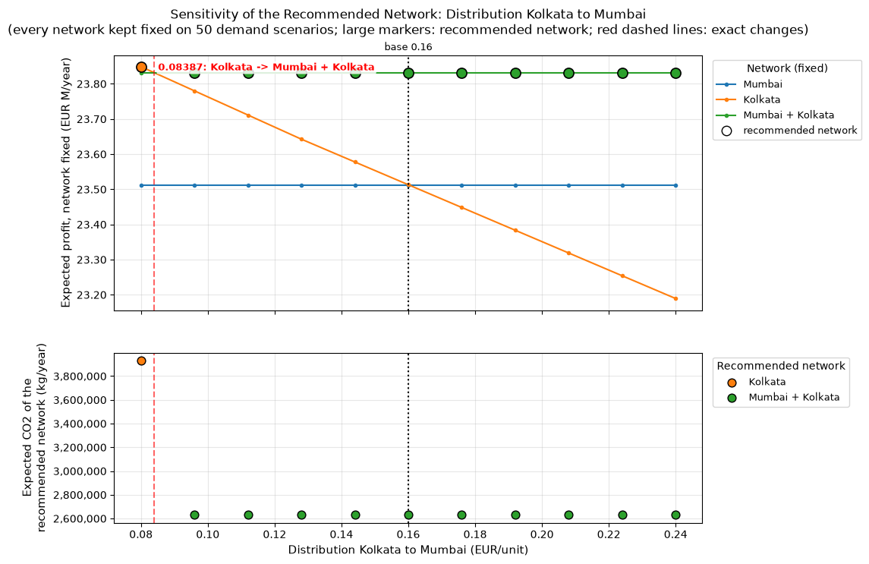
Distribution Kolkata to Mumbai (EUR/unit) | Change vs Base (%) | Expected Profit - No warehouse | Expected Profit - Mumbai | Expected Profit - Kolkata | Expected Profit - Mumbai + Kolkata | Recommended Network | Second Best Network | Advantage Over Second Best (EUR/year) | Expected Profit Change vs Base (%) | Expected CO2 (kg/year) | Expected CO2 Change vs Base (%)
0.0800 EUR/unit | -50.00% | 0 EUR | 23,510,727 EUR | 23,848,845 EUR | 23,832,195 EUR | Kolkata | Mumbai + Kolkata | 16,650 EUR | 0.07% | 3,932,786 kg | 49.53%
0.0960 EUR/unit | -40.00% | 0 EUR | 23,510,727 EUR | 23,780,092 EUR | 23,832,195 EUR | Mumbai + Kolkata | Kolkata | 52,103 EUR | 0.00% | 2,630,120 kg | 0.00%
0.1120 EUR/unit | -30.00% | 0 EUR | 23,510,727 EUR | 23,711,339 EUR | 23,832,195 EUR | Mumbai + Kolkata | Kolkata | 120,856 EUR | 0.00% | 2,630,120 kg | 0.00%
0.1280 EUR/unit | -20.00% | 0 EUR | 23,510,727 EUR | 23,642,586 EUR | 23,832,195 EUR | Mumbai + Kolkata | Kolkata | 189,609 EUR | 0.00% | 2,630,120 kg | 0.00%
0.1440 EUR/unit | -10.00% | 0 EUR | 23,510,727 EUR | 23,577,738 EUR | 23,832,195 EUR | Mumbai + Kolkata | Kolkata | 254,458 EUR | 0.00% | 2,630,120 kg | 0.00%
0.1600 EUR/unit | 0.00% | 0 EUR | 23,510,727 EUR | 23,512,985 EUR | 23,832,195 EUR | Mumbai + Kolkata | Kolkata | 319,211 EUR | 0.00% | 2,630,120 kg | 0.00%
0.1760 EUR/unit | 10.00% | 0 EUR | 23,510,727 EUR | 23,448,232 EUR | 23,832,195 EUR | Mumbai + Kolkata | Mumbai | 321,468 EUR | 0.00% | 2,630,120 kg | 0.00%
0.1920 EUR/unit | 20.00% | 0 EUR | 23,510,727 EUR | 23,383,478 EUR | 23,832,195 EUR | Mumbai + Kolkata | Mumbai | 321,468 EUR | 0.00% | 2,630,120 kg | 0.00%
0.2080 EUR/unit | 30.00% | 0 EUR | 23,510,727 EUR | 23,318,725 EUR | 23,832,195 EUR | Mumbai + Kolkata | Mumbai | 321,468 EUR | 0.00% | 2,630,120 kg | 0.00%
0.2240 EUR/unit | 40.00% | 0 EUR | 23,510,727 EUR | 23,253,972 EUR | 23,832,195 EUR | Mumbai + Kolkata | Mumbai | 321,468 EUR | 0.00% | 2,630,120 kg | 0.00%
0.2400 EUR/unit | 50.00% | 0 EUR | 23,510,727 EUR | 23,189,219 EUR | 23,832,195 EUR | Mumbai + Kolkata | Mumbai | 321,468 EUR | 0.00% | 2,630,120 kg | 0.00%

