WEO Update January 2023
 |  |  | 2023-01-30

International Monetary Fund
World Economic Outlook


January 2023

World Economic Outlook Update

This datafile includes tables, charts, and underlying data from the January 2023 World Economic Outlook Update. When using the data, please refer to the
IMF, World Economic Outlook Update, January 2023.

 | Please submit any questions using | WEO Data Question Form

Figure 1
World Economic Outlook, January 2023 Update
 | Figure 1. Twin Peaks? Headline and Core Inflation
 | (Percent, year over year)

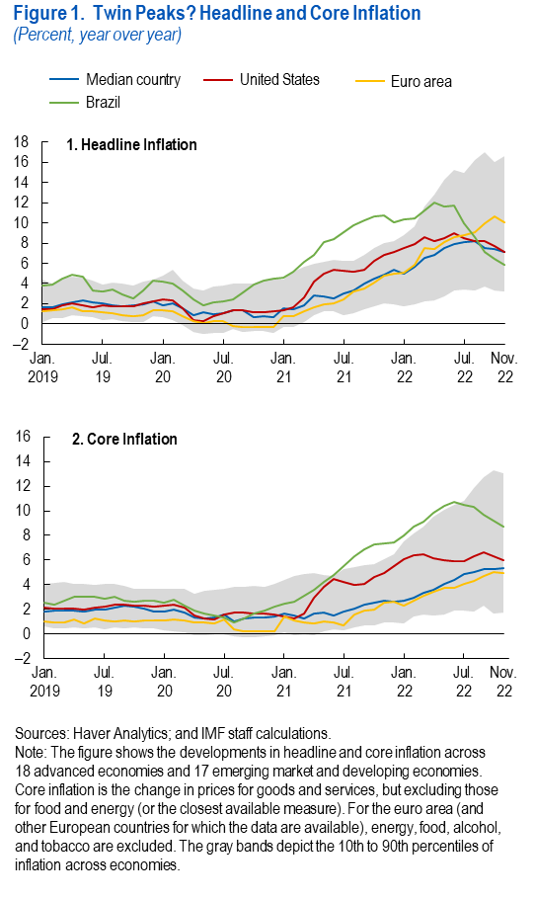
 | 1. Headline Inflation |  |  |  |  |  |  | 2. Core Inflation

 |  | Median country | United States | Euro area | Brazil | 10th Percentile | 90th Percentile |  | Median country | United States | Euro area | Brazil | 10th Percentile | 90th Percentile
 | 2019M1 | 1.7 | 1.5 | 1.3 | 3.8 | 0.2 | 4.4 | 2019M1 | 1.9 | 2.1 | 1.0 | 2.6 | 0.6 | 4.1
 | 2019M2 | 1.6 | 1.5 | 1.4 | 3.9 | 0.6 | 4.0 | 2019M2 | 1.9 | 2.1 | 1.0 | 2.4 | 0.4 | 4.1
 | 2019M3 | 1.9 | 1.9 | 1.5 | 4.5 | 0.6 | 4.6 | 2019M3 | 1.9 | 2.1 | 1.0 | 2.7 | 0.4 | 4.2
 | 2019M4 | 2.1 | 2.0 | 1.6 | 4.9 | 0.9 | 4.7 | 2019M4 | 1.9 | 2.1 | 1.2 | 3.0 | 0.6 | 4.1
 | 2019M5 | 2.3 | 1.8 | 1.3 | 4.6 | 0.7 | 4.6 | 2019M5 | 1.8 | 2.0 | 0.9 | 3.0 | 0.4 | 4.0
 | 2019M6 | 2.1 | 1.7 | 1.2 | 3.4 | 0.7 | 4.3 | 2019M6 | 2.0 | 2.1 | 1.2 | 3.0 | 0.5 | 4.0
 | 2019M7 | 2.0 | 1.8 | 1.1 | 3.2 | 0.4 | 3.9 | 2019M7 | 2.0 | 2.2 | 1.1 | 2.9 | 0.4 | 4.1
 | 2019M8 | 1.8 | 1.8 | 1.1 | 3.5 | 0.4 | 4.1 | 2019M8 | 2.1 | 2.4 | 1.0 | 3.0 | 0.5 | 4.1
 | 2019M9 | 1.8 | 1.7 | 0.9 | 2.9 | 0.3 | 4.0 | 2019M9 | 2.3 | 2.4 | 1.1 | 2.7 | 0.5 | 3.9
 | 2019M10 | 1.8 | 1.8 | 0.8 | 2.6 | 0.2 | 3.8 | 2019M10 | 2.3 | 2.3 | 1.0 | 2.6 | 0.5 | 3.7
 | 2019M11 | 1.9 | 2.0 | 0.9 | 3.3 | 0.2 | 4.2 | 2019M11 | 2.0 | 2.3 | 1.1 | 2.7 | 0.5 | 3.7
 | 2019M12 | 2.2 | 2.3 | 1.3 | 4.3 | 0.7 | 4.4 | 2019M12 | 1.8 | 2.2 | 1.1 | 2.7 | 0.5 | 3.7
 | 2020M1 | 1.9 | 2.5 | 1.4 | 4.2 | 0.7 | 4.7 | 2020M1 | 1.8 | 2.3 | 1.1 | 2.6 | 0.3 | 3.6
 | 2020M2 | 2.1 | 2.3 | 1.2 | 4.0 | 0.4 | 5.4 | 2020M2 | 2.0 | 2.4 | 1.2 | 2.8 | 0.2 | 3.7
 | 2020M3 | 1.5 | 1.5 | 0.8 | 3.4 | -0.1 | 4.3 | 2020M3 | 1.7 | 2.1 | 1.1 | 2.3 | 0.2 | 3.6
 | 2020M4 | 0.9 | 0.4 | 0.3 | 2.5 | -0.8 | 3.5 | 2020M4 | 1.4 | 1.5 | 0.9 | 1.9 | -0.1 | 3.3
 | 2020M5 | 1.2 | 0.2 | 0.1 | 1.9 | -1.0 | 3.3 | 2020M5 | 1.2 | 1.3 | 0.9 | 1.7 | -0.1 | 3.5
 | 2020M6 | 1.0 | 0.7 | 0.3 | 2.1 | -0.9 | 3.7 | 2020M6 | 1.3 | 1.2 | 0.9 | 1.5 | 0.0 | 3.6
 | 2020M7 | 1.1 | 1.0 | 0.3 | 2.3 | -0.9 | 3.8 | 2020M7 | 1.6 | 1.5 | 1.2 | 1.3 | 0.0 | 3.7
 | 2020M8 | 1.3 | 1.3 | -0.2 | 2.4 | -0.5 | 4.0 | 2020M8 | 1.0 | 1.7 | 0.4 | 1.0 | -0.2 | 3.8
 | 2020M9 | 1.4 | 1.4 | -0.3 | 3.1 | -0.8 | 4.0 | 2020M9 | 1.3 | 1.7 | 0.2 | 1.2 | -0.3 | 3.8
 | 2020M10 | 0.7 | 1.2 | -0.3 | 3.9 | -0.7 | 4.0 | 2020M10 | 1.3 | 1.6 | 0.2 | 1.6 | -0.2 | 3.9
 | 2020M11 | 0.7 | 1.1 | -0.3 | 4.3 | -0.8 | 4.4 | 2020M11 | 1.3 | 1.6 | 0.2 | 1.9 | -0.2 | 3.8
 | 2020M12 | 0.7 | 1.3 | -0.3 | 4.5 | -0.9 | 4.5 | 2020M12 | 1.4 | 1.6 | 0.2 | 2.2 | -0.1 | 4.1
 | 2021M1 | 1.6 | 1.4 | 0.7 | 4.5 | -0.3 | 4.4 | 2021M1 | 1.6 | 1.4 | 1.4 | 2.5 | 0.1 | 4.4
 | 2021M2 | 1.4 | 1.7 | 0.8 | 5.2 | -0.3 | 5.1 | 2021M2 | 1.5 | 1.3 | 1.1 | 2.6 | -0.1 | 4.7
 | 2021M3 | 1.9 | 2.7 | 1.3 | 6.1 | 0.2 | 5.7 | 2021M3 | 1.3 | 1.7 | 0.9 | 3.1 | 0.0 | 4.9
 | 2021M4 | 2.8 | 4.2 | 1.6 | 6.8 | 0.8 | 5.9 | 2021M4 | 1.6 | 3.0 | 0.9 | 3.5 | -0.1 | 5.0
 | 2021M5 | 2.7 | 4.9 | 1.9 | 8.1 | 1.3 | 6.1 | 2021M5 | 1.8 | 3.8 | 1.0 | 4.2 | 0.2 | 4.8
 | 2021M6 | 2.5 | 5.3 | 2.0 | 8.4 | 1.2 | 6.4 | 2021M6 | 1.5 | 4.5 | 0.9 | 4.8 | 0.4 | 4.7
 | 2021M7 | 3.0 | 5.3 | 2.4 | 9.1 | 0.9 | 6.2 | 2021M7 | 1.9 | 4.2 | 0.7 | 5.5 | 0.3 | 5.2
 | 2021M8 | 3.4 | 5.2 | 3.2 | 9.7 | 1.1 | 6.3 | 2021M8 | 2.1 | 4.0 | 1.6 | 6.3 | 0.5 | 5.5
 | 2021M9 | 4.0 | 5.4 | 3.5 | 10.3 | 1.5 | 6.9 | 2021M9 | 2.4 | 4.0 | 1.9 | 6.8 | 0.7 | 5.6
 | 2021M10 | 4.5 | 6.2 | 4.1 | 10.7 | 1.7 | 7.5 | 2021M10 | 2.6 | 4.6 | 2.0 | 7.3 | 0.7 | 5.7
 | 2021M11 | 4.8 | 6.8 | 4.7 | 10.7 | 2.0 | 8.0 | 2021M11 | 2.7 | 5.0 | 2.6 | 7.3 | 0.9 | 6.1
 | 2021M12 | 5.4 | 7.1 | 5.0 | 10.0 | 2.0 | 8.2 | 2021M12 | 2.6 | 5.5 | 2.6 | 7.5 | 1.0 | 6.5
 | 2022M1 | 5.0 | 7.5 | 5.1 | 10.3 | 1.7 | 8.8 | 2022M1 | 2.7 | 6.0 | 2.3 | 8.0 | 0.9 | 7.5
 | 2022M2 | 5.7 | 7.9 | 5.8 | 10.5 | 2.0 | 9.7 | 2022M2 | 2.9 | 6.4 | 2.7 | 8.7 | 1.4 | 8.2
 | 2022M3 | 6.5 | 8.6 | 7.5 | 11.2 | 2.2 | 11.6 | 2022M3 | 3.3 | 6.4 | 3.1 | 9.1 | 1.5 | 8.7
 | 2022M4 | 6.9 | 8.2 | 7.5 | 12.0 | 2.4 | 12.8 | 2022M4 | 3.6 | 6.1 | 3.4 | 9.8 | 1.5 | 9.5
 | 2022M5 | 7.5 | 8.5 | 8.1 | 11.6 | 2.8 | 14.3 | 2022M5 | 4.1 | 6.0 | 3.8 | 10.4 | 1.6 | 10.1
 | 2022M6 | 8.0 | 9.0 | 8.6 | 11.8 | 3.3 | 15.2 | 2022M6 | 4.4 | 5.9 | 3.8 | 10.8 | 1.9 | 10.5
 | 2022M7 | 8.1 | 8.5 | 8.8 | 10.0 | 3.4 | 14.9 | 2022M7 | 4.9 | 5.9 | 4.0 | 10.5 | 1.9 | 10.8
 | 2022M8 | 8.3 | 8.3 | 9.1 | 8.6 | 3.3 | 16.2 | 2022M8 | 5.0 | 6.3 | 4.3 | 10.3 | 1.8 | 11.9
 | 2022M9 | 7.5 | 8.2 | 9.9 | 7.1 | 3.7 | 17.0 | 2022M9 | 5.2 | 6.7 | 4.7 | 9.7 | 2.3 | 12.7
 | 2022M10 | 7.5 | 7.8 | 10.6 | 6.4 | 3.3 | 16.1 | 2022M10 | 5.3 | 6.3 | 5.0 | 9.2 | 1.6 | 13.3
 | 2022M11 | 7.1 | 7.1 | 10.1 | 5.9 | 3.2 | 16.7 | 2022M11 | 5.4 | 6.0 | 5.0 | 8.7 | 1.7 | 13.0

Figure 1.1
World Economic Outlook, January 2023 Update
 | Figure 1.1. Global Financial Conditions: Selected Regions
 | (Standard deviations from mean)
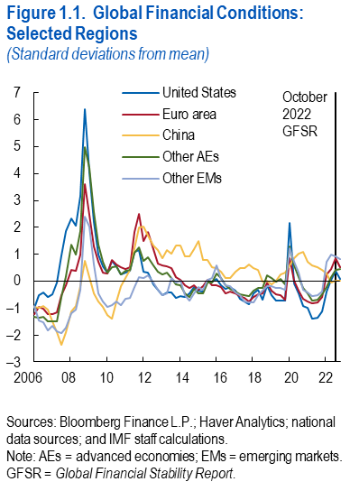

 |  | United States | Euro area | Other AEs | China | Other EMs
 | 2006-03-31 | -1.0 | -1.2 | -1.3 | -1.0 | -0.9
 | 2006-06-30 | -0.5 | -1.0 | -1.4 | -1.0 | -1.5
 | 2006-09-29 | -0.4 | -1.0 | -1.3 | -0.9 | -1.5
 | 2006-12-29 | -0.6 | -1.2 | -1.5 | -1.1 | -1.8
 | 2007-03-30 | -0.5 | -1.2 | -1.5 | -1.5 | -1.7
 | 2007-06-29 | -0.1 | -1.2 | -1.5 | -1.9 | -1.9
 | 2007-09-28 | 1.0 | -0.5 | -0.6 | -2.4 | -1.9
 | 2007-12-31 | 1.9 | -0.1 | 0.2 | -1.9 | -1.7
 | 2008-03-31 | 2.3 | 0.4 | 1.4 | -1.1 | -1.2
 | 2008-06-30 | 2.1 | 0.4 | 1.0 | -0.9 | -1.1
 | 2008-09-30 | 3.2 | 1.0 | 1.9 | -0.2 | -0.3
 | 2008-12-31 | 6.4 | 3.6 | 5.0 | 0.7 | 2.4
 | 2009-03-31 | 4.0 | 2.5 | 4.2 | 0.1 | 2.0
 | 2009-06-30 | 2.2 | 1.3 | 2.6 | -0.5 | 0.6
 | 2009-09-30 | 1.0 | 0.7 | 1.4 | -0.7 | -0.5
 | 2009-12-31 | 0.6 | 0.3 | 0.7 | -1.0 | -0.8
 | 2010-03-31 | 0.3 | 0.3 | 0.3 | -1.3 | -1.0
 | 2010-06-30 | 0.8 | 0.8 | 0.5 | -1.4 | -0.9
 | 2010-09-30 | 0.6 | 0.6 | 0.6 | -0.8 | -0.8
 | 2010-12-31 | 0.3 | 0.5 | 0.2 | -0.2 | -0.9
 | 2011-03-31 | 0.3 | 0.4 | 0.4 | 0.1 | -0.7
 | 2011-06-30 | 0.4 | 0.5 | 0.4 | 0.4 | -0.6
 | 2011-09-30 | 1.1 | 1.8 | 1.1 | 1.2 | -0.2
 | 2011-12-30 | 1.1 | 2.5 | 1.2 | 2.0 | 0.2
 | 2012-03-30 | 0.4 | 1.5 | 0.7 | 2.0 | 0.1
 | 2012-06-29 | 0.3 | 1.8 | 0.9 | 1.7 | 0.2
 | 2012-09-28 | -0.1 | 1.2 | 0.6 | 1.3 | -0.1
 | 2012-12-31 | -0.3 | 0.7 | 0.4 | 1.2 | -0.3
 | 2013-03-29 | -0.5 | 0.6 | 0.3 | 0.9 | -0.5
 | 2013-06-28 | -0.4 | 0.5 | 0.3 | 1.1 | -0.4
 | 2013-09-30 | -0.4 | 0.5 | 0.1 | 1.0 | 0.1
 | 2013-12-31 | -0.6 | 0.2 | -0.1 | 1.3 | -0.1
 | 2014-03-31 | -0.6 | 0.0 | -0.1 | 1.3 | 0.0
 | 2014-06-30 | -0.6 | -0.2 | -0.5 | 0.9 | -0.5
 | 2014-09-30 | -0.5 | -0.2 | -0.6 | 0.9 | -0.7
 | 2014-12-31 | -0.2 | -0.2 | -0.3 | 1.2 | -0.4
 | 2015-03-31 | -0.4 | -0.3 | -0.4 | 1.5 | -0.2
 | 2015-06-30 | -0.4 | -0.2 | -0.5 | 0.8 | -0.3
 | 2015-09-30 | 0.0 | 0.1 | -0.1 | 0.8 | 0.0
 | 2015-12-31 | 0.0 | -0.2 | -0.1 | 0.5 | 0.1
 | 2016-03-31 | 0.1 | -0.1 | 0.3 | 0.5 | 0.6
 | 2016-06-30 | -0.2 | -0.2 | 0.1 | 0.4 | 0.1
 | 2016-09-30 | -0.3 | -0.5 | -0.2 | 0.1 | -0.2
 | 2016-12-30 | -0.2 | -0.4 | -0.3 | 0.1 | -0.2
 | 2017-03-31 | -0.4 | -0.5 | -0.4 | 0.3 | -0.4
 | 2017-06-30 | -0.7 | -0.5 | -0.5 | 0.5 | -0.5
 | 2017-09-29 | -0.8 | -0.6 | -0.5 | 0.5 | -0.8
 | 2017-12-29 | -0.9 | -0.8 | -0.6 | 0.6 | -0.8
 | 2018-03-30 | -0.5 | -0.6 | -0.4 | 0.5 | -0.8
 | 2018-06-29 | -0.3 | -0.5 | -0.3 | 0.4 | -0.5
 | 2018-09-28 | -0.7 | -0.5 | -0.3 | 0.0 | -0.4
 | 2018-12-31 | -0.1 | -0.1 | 0.2 | 0.0 | -0.2
 | 2019-03-29 | -0.5 | -0.4 | 0.1 | -0.1 | -0.2
 | 2019-06-28 | -0.7 | -0.5 | 0.0 | 0.0 | -0.3
 | 2019-09-30 | -0.7 | -0.5 | 0.1 | 0.2 | -0.3
 | 2019-12-31 | -0.7 | -0.7 | -0.1 | 0.3 | -0.3
 | 2020-03-31 | 2.2 | 0.9 | 1.3 | 0.6 | 1.2
 | 2020-06-30 | -0.1 | 0.0 | 0.6 | 0.9 | 0.7
 | 2020-09-30 | -0.5 | -0.3 | 0.1 | 1.0 | 0.3
 | 2020-12-31 | -0.9 | -0.7 | -0.3 | 1.1 | -0.3
 | 2021-03-31 | -1.0 | -0.8 | -0.4 | 0.7 | -0.4
 | 2021-06-30 | -1.4 | -0.8 | -0.7 | 0.6 | -0.6
 | 2021-09-30 | -1.4 | -0.8 | -0.7 | 0.5 | -0.5
 | 2021-12-31 | -1.1 | -0.6 | -0.5 | 0.4 | -0.4
 | 2022-03-31 | -0.4 | 0.2 | -0.2 | 0.3 | 0.7
 | 2022-06-30 | 0.1 | 0.5 | 0.1 | 0.0 | 1.0
 | 2022-09-30 | 0.4 | 0.8 | 0.4 | 0.0 | 0.9
 | 2022-12-30 | 0.1 | 0.5 | 0.5 | 0.0 | 0.8

Figure 1.2
World Economic Outlook, January 2023 Update
 | Figure 1.2. Market-Implied Expectations of Policy Rates
 | (Percent)
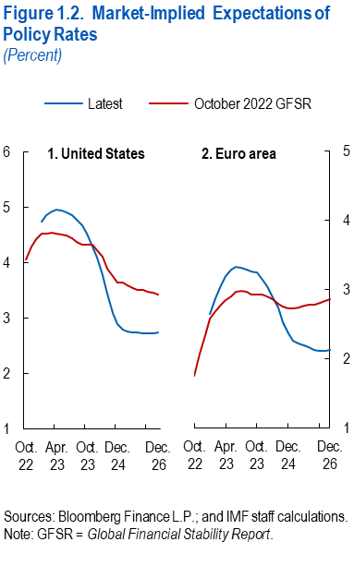

 | Data not available

