Dashboard
Şirket Satış Raporu
Bölge Raporu
MERCEDES | 30,171,771
BMW | 17,788,458
FORD | 38,563,077
MAZDA | 22,939,296
CHEVROLET | 35,219,513
2020 |  | Arizona | Arkansas
 |  | 2018
30.171.771
17.788.458
38.563.077
22.939.296
35.219.513

Toplam Satış
144.682.115

Toplam Hedef

110.504.040
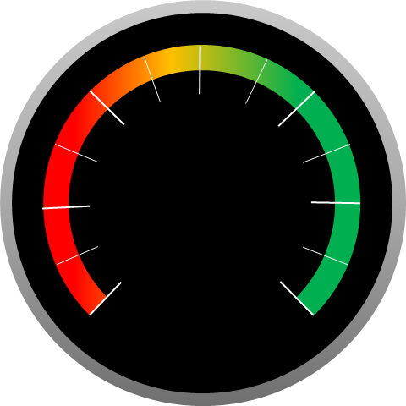

131%
 | 131%
 | 100%

 | 2018 | 2019 | 2020 | Toplam
MERCEDES | 11,651,495 | 17,119,043 | 30,171,771 | 58,942,309
BMW | 7,830,347 | 9,696,998 | 17,788,458 | 35,315,803
FORD | 16,905,079 | 21,034,719 | 38,563,077 | 76,502,874
MAZDA | 10,361,173 | 12,920,499 | 22,939,296 | 46,220,969
CHEVROLET | 15,846,811 | 20,032,255 | 35,219,513 | 71,098,579

